Sheet1
sample | w1 |  | w2 |  | w3 |  | w4
 | x1 | x2 | x1 | x2 | x1 | x2 | x1 | x2
1 | 0.1 | 1.1 | 7.1 | 4.2 | -3 | -2.9 | -2
2
3
4
5
6
7
8
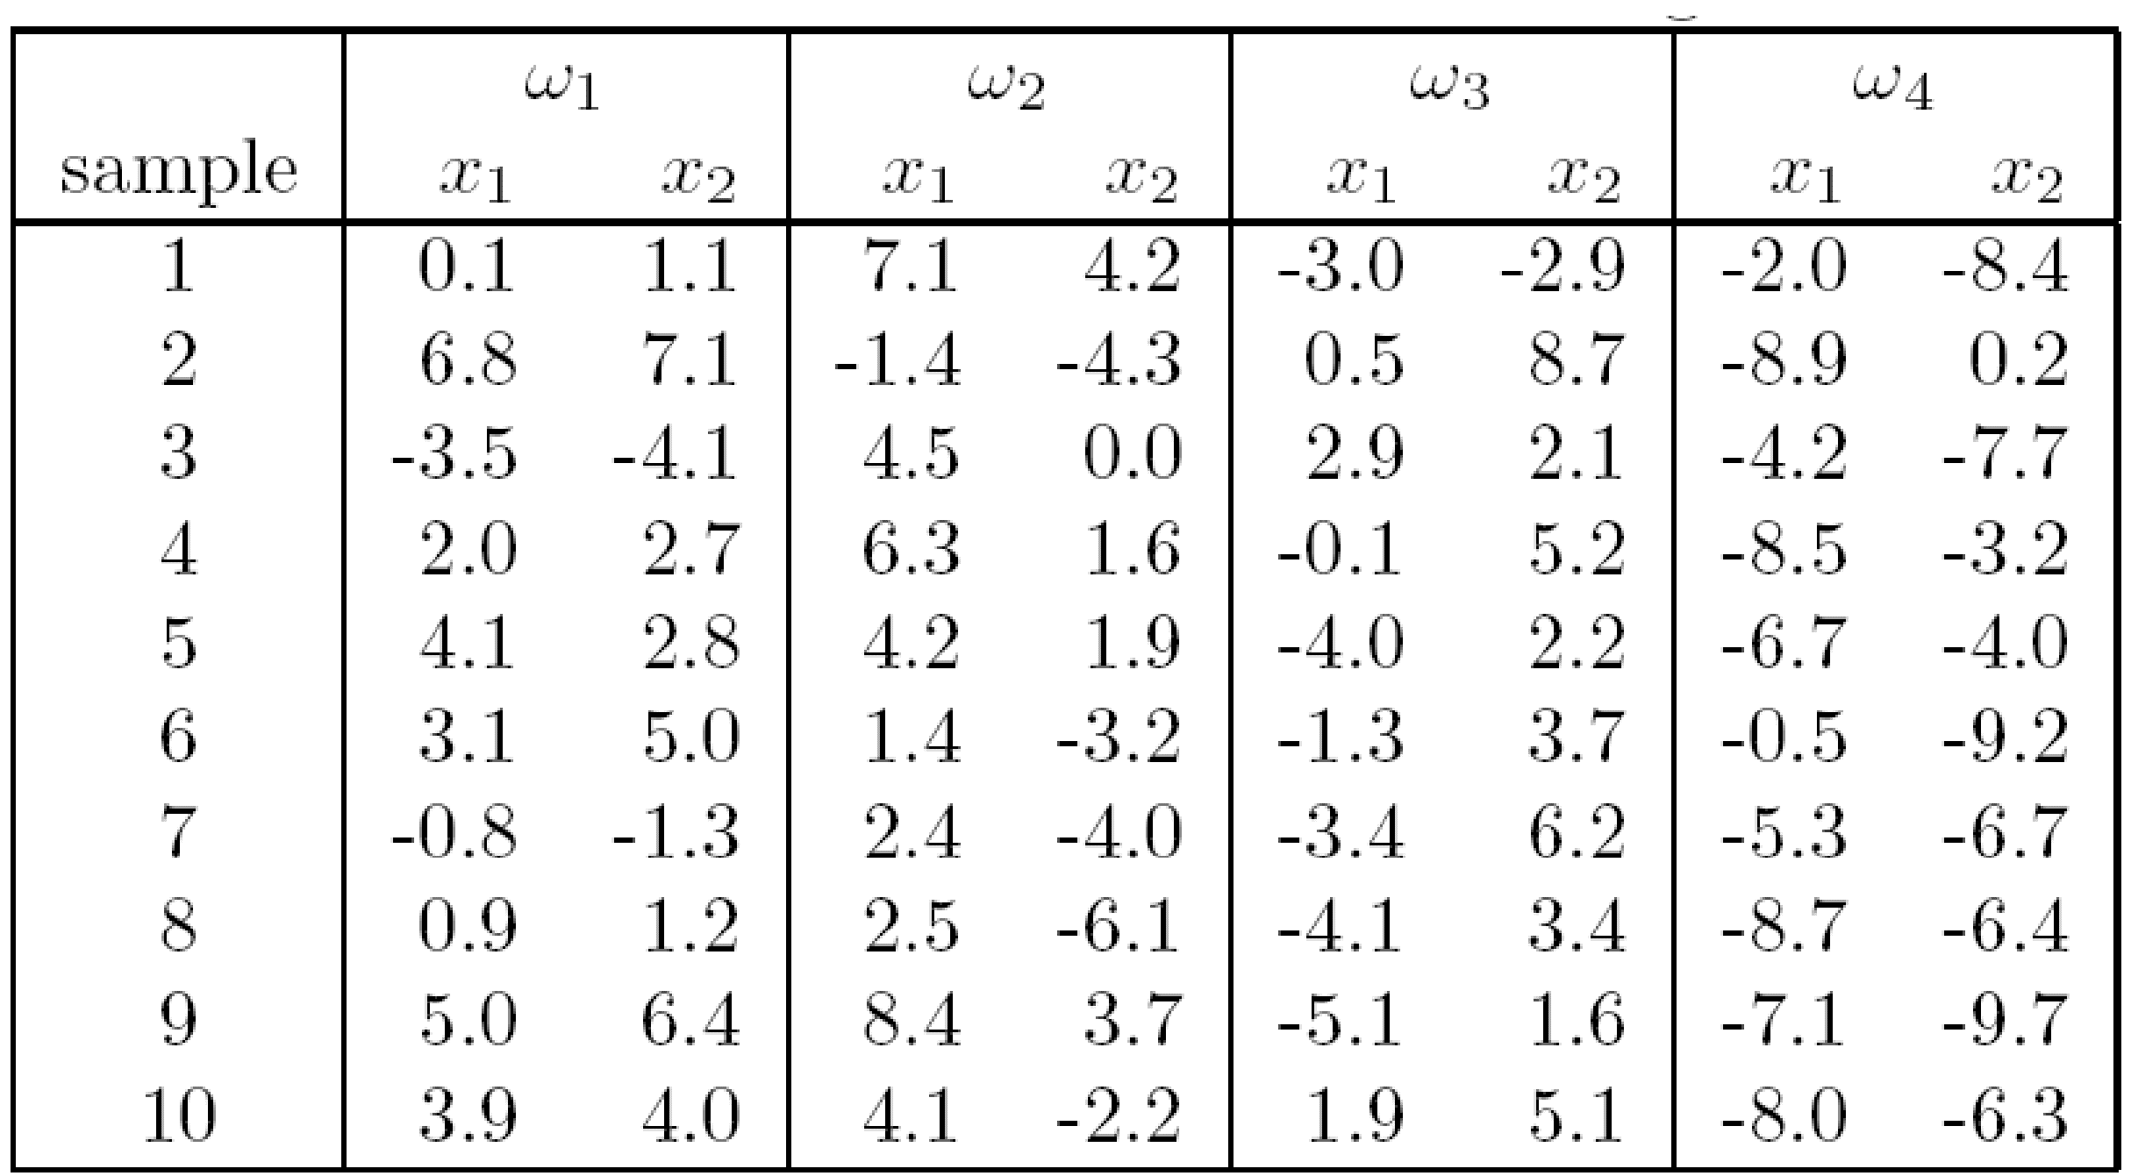
9
10

