test1
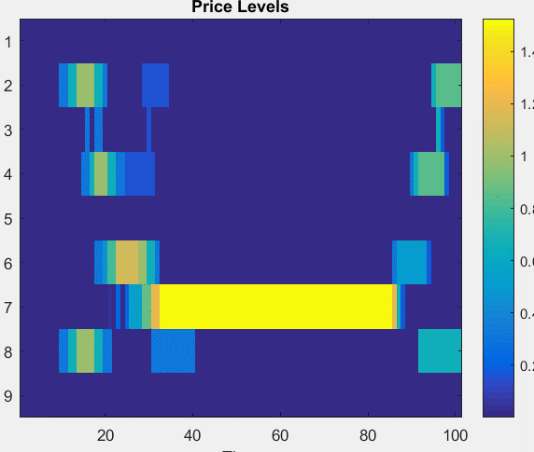
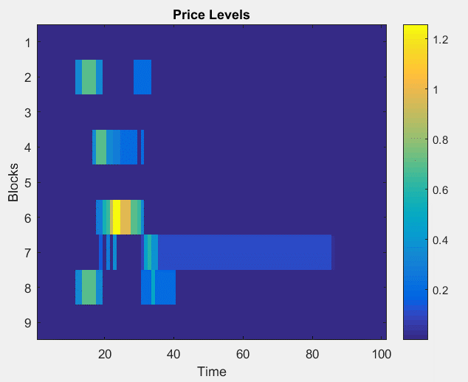
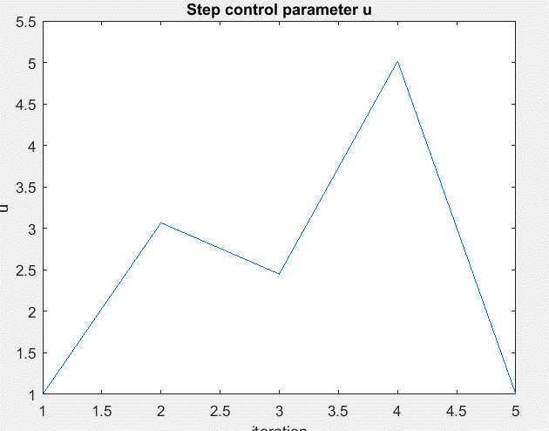
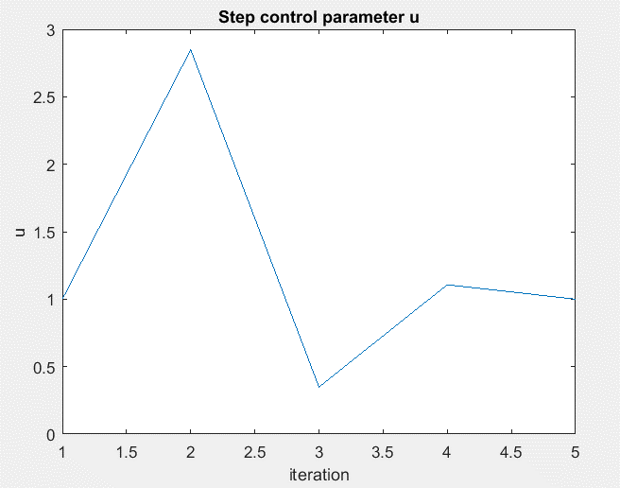
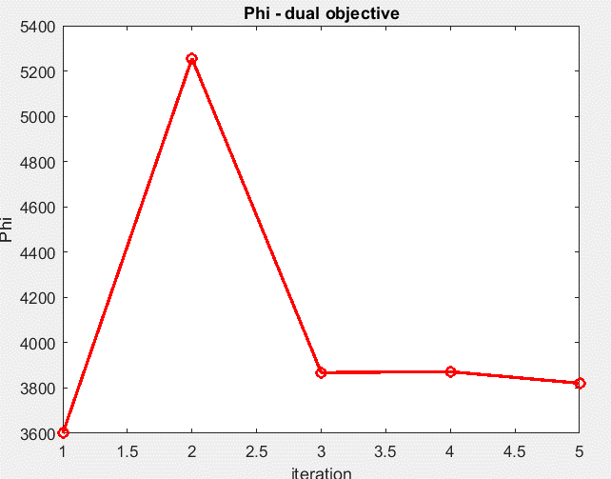
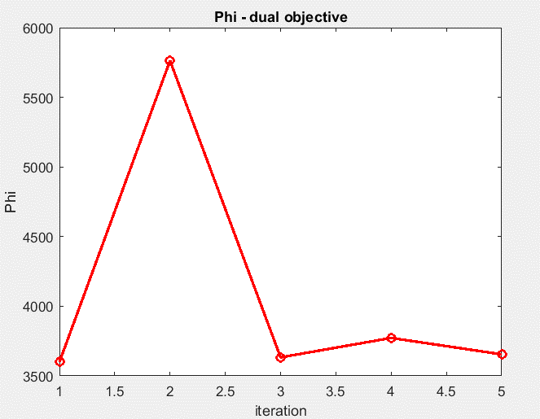
 | Instance | test_AE_6 |  | Instance | test_AE_6
 | mu_initial | 0 |  | mu_initial | 0
 | u_initial | 1 |  | u_initial | 1
 | m_l | 0.1 |  | m_l | 0.1
 | u_min | 0.005 |  | u_min | 0.005
 | epsilon | 0.001 |  | epsilon | 0.001
Disaggregate |  |  | aggregate

Sheet2
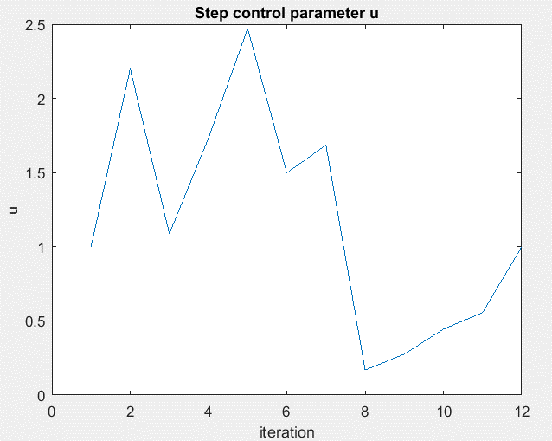
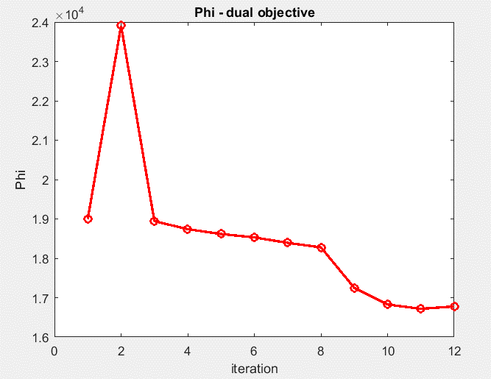
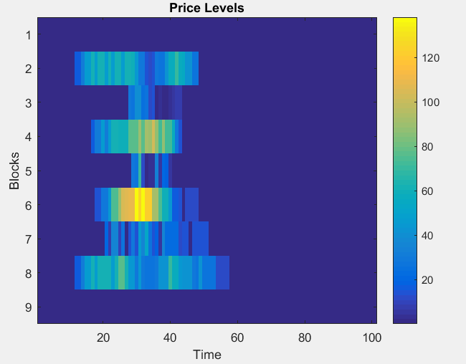
 | Instance | test_AE_20 |  | Instance | test_AE_20
 | mu_initial | 0 |  | mu_initial | 0
 | u_initial | 1 |  | u_initial | 1
 | m_l | 0.1 |  | m_l | 0.1
 | u_min | 0.005 |  | u_min | 0.005
 | epsilon | 0.001 |  | epsilon | 0.001
Disaggregate |  |  | aggregate

Sheet3
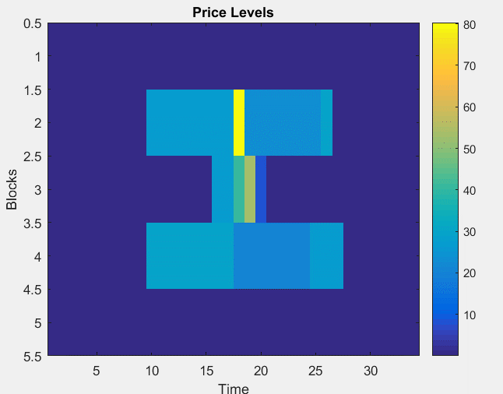
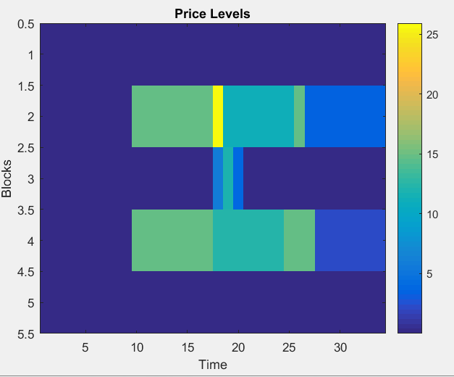
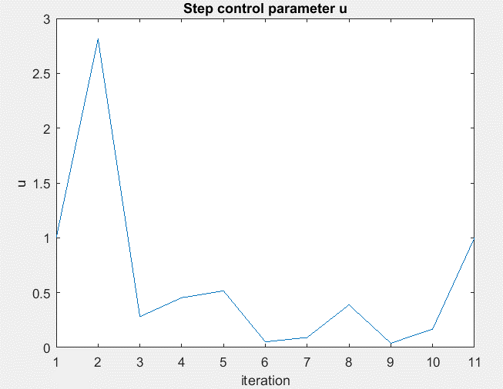
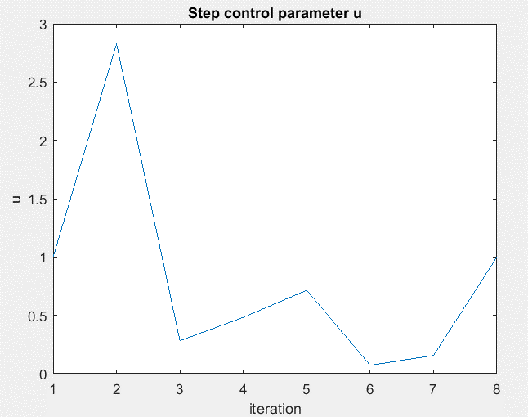
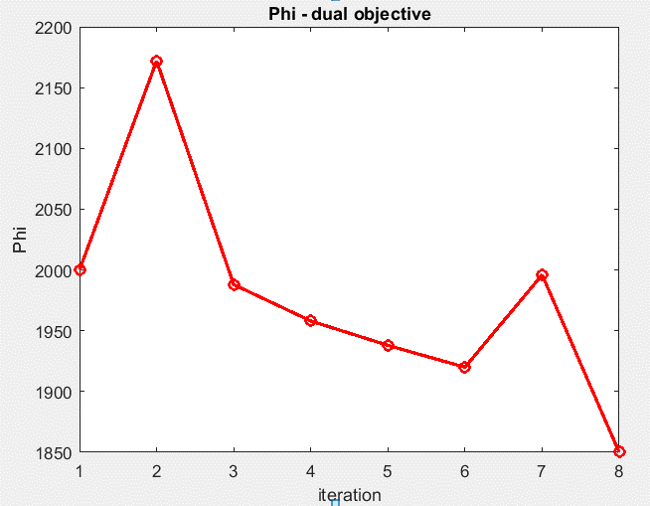
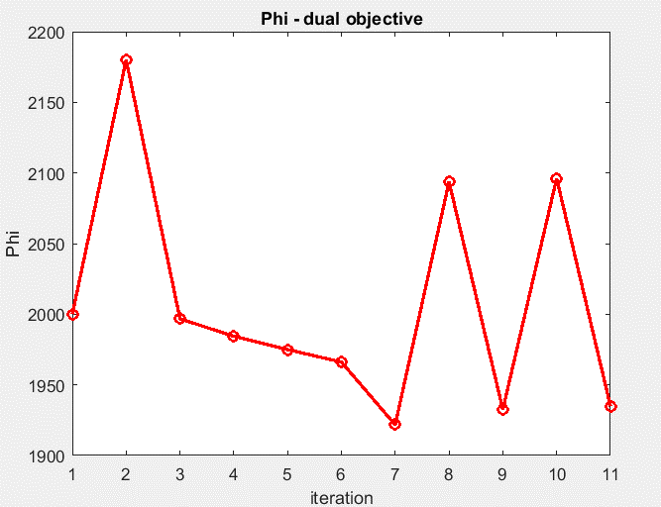
 | Instance | test_Basic |  | Instance | test_Basic
 | mu_initial | 0 |  | mu_initial | 0
 | u_initial | 1 |  | u_initial | 1
 | m_l | 0.1 |  | m_l | 0.1
 | u_min | 0.005 |  | u_min | 0.005
 | epsilon | 0.001 |  | epsilon | 0.001
Disaggregate |  |  | aggregate

