Sales_Analysis
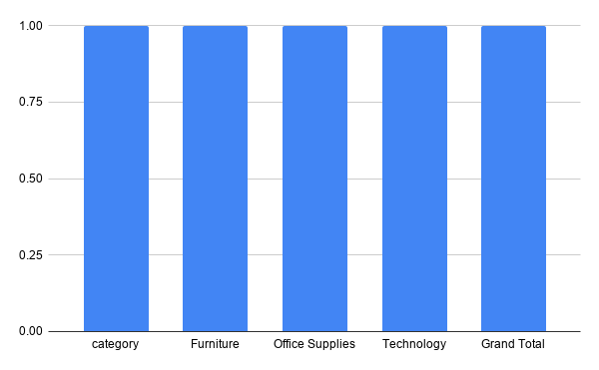

Regional_Analysis
Sales by Region

Customer_Analysis
Customer Analysis according to Sales

Product_Analysis
Product Analysis by Sales

Dashboard
Sales by Region
Customer Analysis according to Sales

Sales by Region
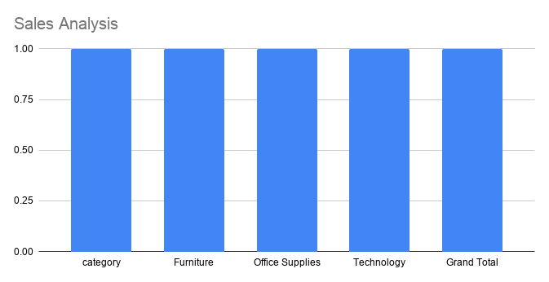

Product Analysis by Sales

