Sheet1
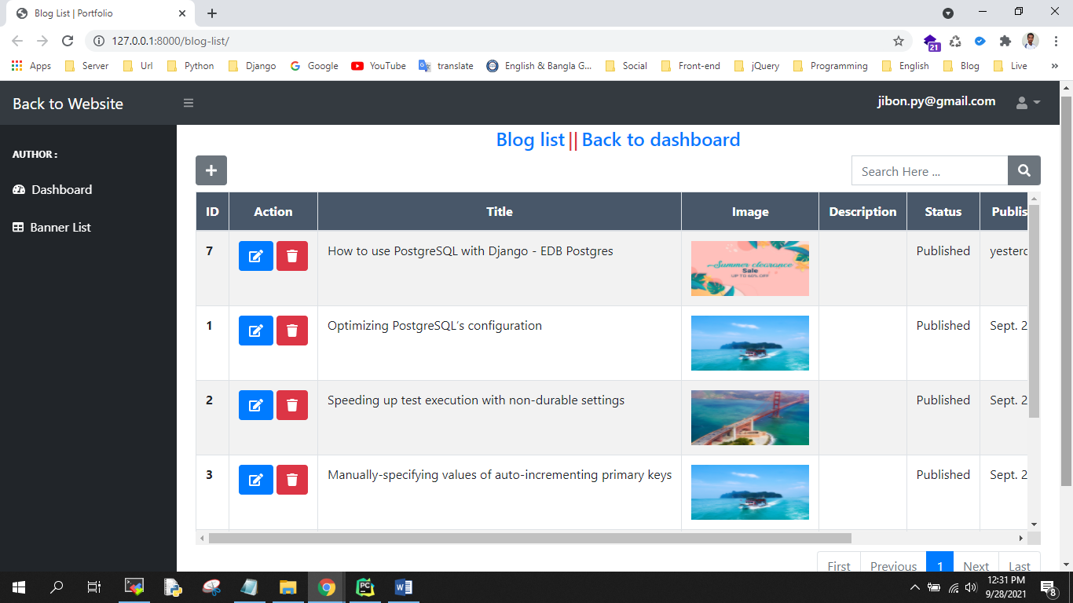
Emails
Nice File

