CAN allocation
ID: | Identify messages and prioritize messages. There are two formats for frames: standard, which uses an 11-bit arbitration ID, and extended, which uses a 29-bit arbitration ID.
The ID of the general CAN standard used in UR is 11 bits (0x0 ~ 0x7FF), but among the 11 bits of ID, the upper 6 bits are used as FC (CMD) and the lower 5 bits (0x0 ~ 0x1F) are used as ID.

 |  | 1. DIO Read (Polling) is done in Request & Response format, and the Sync cycle is 500 us.
 |  | 2. Since the DO output CMD must be output as quickly as possible, it is output immediately without sync.
Board Type |  | 3. The CAN cycle of the DIO and MDCU boards must be 100us.
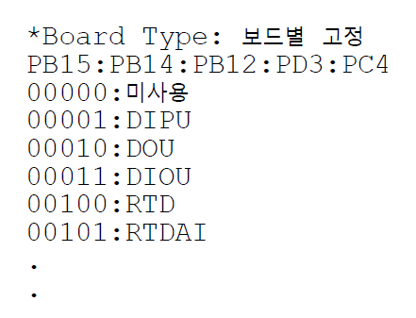

 |  |  | CANCommunication speed: |  | Using 1Mbps: 128KB/sec
 |  |  | Communication speed | Distance (m)
 |  |  | 1Mbps | 40m
 |  |  | 500Kbps | 100m
 |  |  | 250Kbps | 200m
 |  |  | 125Kbps | 500m
 |  |  | 50Kbps | 1000m
Slot ID is determined by the user.

