测试sheet1
title1 | title2 | title3 | title4
1 | 2 | 3 | 4
11 | 22 | 22 | 33

测试sheet2
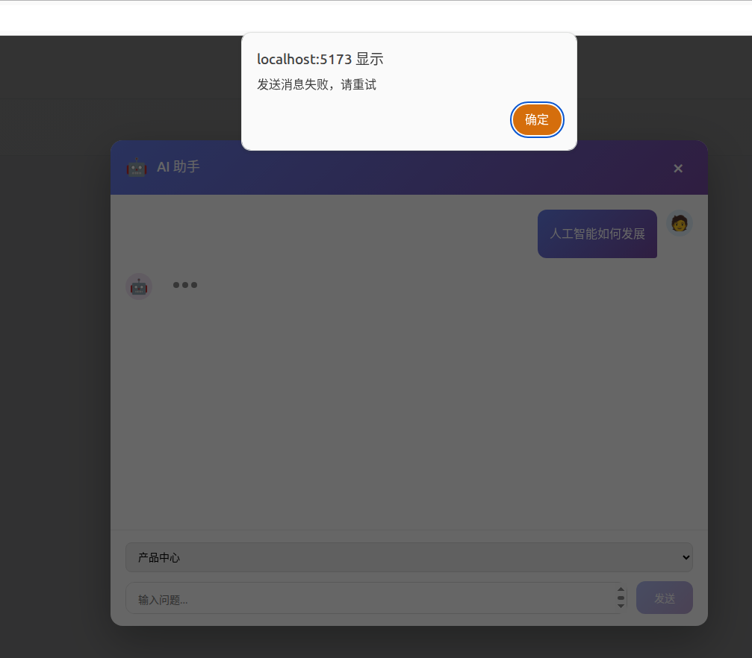
a | b | c | d
22 | 22 | 33 | 44
1 | 2 | 3 | 6

