Sheet1
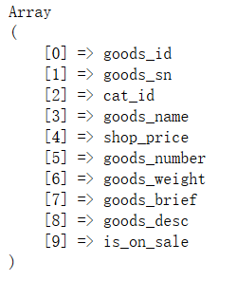
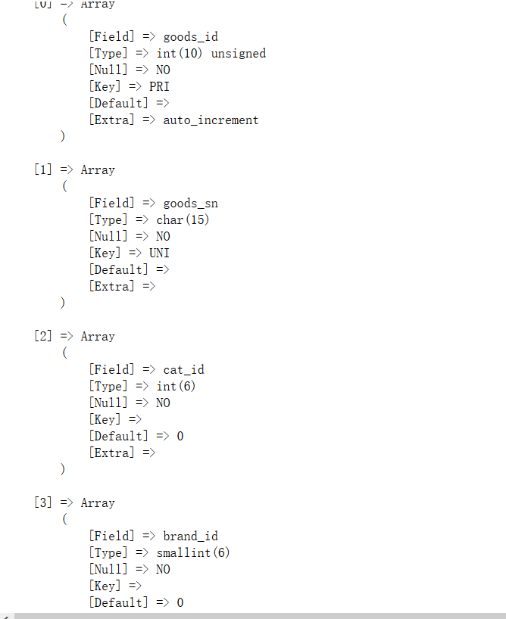
//自动接收$_POST的数据
public function auto_get_post($post){
$sql = 'desc '.$this->table;
//return $this->db->getall($sql);
$fields = array();
$desc = $this->db->getall($sql);
foreach($desc as $v){
if(array_key_exists($v['Field'],$post)){
$fields[] = $v['Field'];
}
}
return $fields;
}

