IPI DRB Minutes
 |  | IBIDEN PHILIPPINES, INC. |  |  |  |  |  |  |  |  |  |  |  |  |  |  |  |  |  | DRB/MRB No. : |  | D-VF-19-11-001
 |  | DRB/MRB REPORT MINUTES |  |  |  |  |  |  |  |  |  |  |  |  |  |  |  |  |  | RFC No. : |  | 50-1119-0102

Theme: |  |  | Double Drill at LSH 50
Meeting Date : |  |  | 15-Nov-19 |  |  |  |  |  |  |  |  |  |  |  | Originated by : |  |  |  | Rowena Flores/ MP
Meeting Time: |  |  | Start: 1400H End: 1500H |  |  |  |  |  |  |  |  |  |  |  |  |  |  |  |  | Name /Block
Meeting Place: |  |  | MP Office |  |  |  |  |  |  |  |  |  |  |  | Approved by : |  |  |  | Loida Ribeiro
Chairman: |  |  | Loida Ribeiro |  |  |  |  |  |  |  |  |  |  |  |  |  |  |  | Originator ASM/SM/DGM/GM
Block: |  |  | VF
Attendees : |  |  | Manufacturing |  |  | Engineering/NPD |  |  | Facilities/EE |  |  |  |  | QA/QC |  |  |  |  | PPIC/CSE |  |  |  | Other
 |  |  | Loida Ribeiro |  |  | Shelle |  |  |  | Carol |  |  |  |  | Leo
 |  |  | Wena/Yuri
 |  |  | Horai San
 |  |  | MTT Peng

<1>PROBLEM STATEMENT : (Put another sheet if multiple lots was discovered affected)
DEFECT ISSUE: |  |  | Double Drill at LSH 50 |  | # | PRODUCT/MODEL AFFECTED |  |  | PRODUCT FAMILY |  |  | LEDGER NO. |  | PRODUCT SIZE |  | LOT NUMBER |  |  | AFFECTEDLAYER |  | AFFECTED PANEL |  | AFFECTED UNIT OR IF PERCENTAGE
DATE/TIME OCCURRED: |  |  | Nov-12-19 |  | 1 | Apollo Lake |  |  |  |  |  | 774-1707 |  |  |  | P7923490 |  |  |  |  | 29
PROCESS DETECTED: |  |  | Laser |  | 2 | Apollo Lake |  |  |  |  |  | 774-1707 |  |  |  | P7923490 |  |  |  |  | 29
PROCESS AFFECTED: |  |  | Laser |  | 3 | Apollo Lake |  |  |  |  |  | 774-1707 |  |  |  | P7923490 |  |  |  |  | 29
# OF AFFECTED LOTS : |  |  | 3 |  | 4
WHO DETECTED: |  |  |  |  | 5
 |  |  |  |  | 6
 |  |  |  |  | 7
 |  |  |  |  | 8
 |  |  |  |  | 9
 |  |  |  |  | 10
 |  |  |  |  | 11
 |  |  |  |  | 12
 |  |  |  |  | 13
 |  |  |  |  | 14
 |  |  |  |  | 15
 |  |  |  |  | 16
 |  |  |  |  | 17
 |  |  |  |  | 18
 |  |  |  |  | 19
 |  |  |  |  | 20
 |  |  |  |  | 21
 |  |  |  |  | 22
 |  |  |  |  | 23
 |  |  |  |  | 24
 |  |  |  |  | 25
 |  |  |  |  | 26
 |  |  |  |  | 27
 |  |  |  |  | 28
 |  |  |  |  | 29
 |  |  |  |  | 30
WHAT IS THE PROBLEM DIFFERENCE FROM NORMAL TO ABNORMAL SITUATION? CHANGING POINT? DISCUSS THE FLOW. (Indicate 5W and 1H)

During inspection of alignment mark before ES, Reden notice that one panel has darker/big alignment mark hole. He immediately inspect the panel in microscope and found out that it has a double drill then escalate the issue.
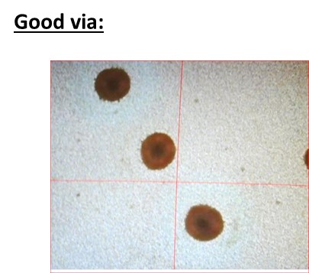
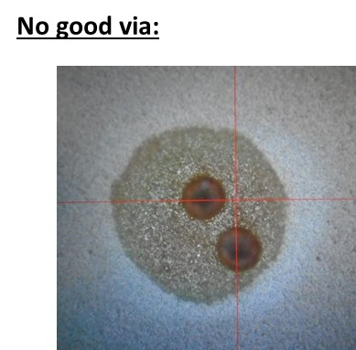

THE AGENDA ITEM IS RECURRENCE? |  |  |  | RECURRENCE |  |  | NEW |  |  |  | Recurrence Definition |  |  |  | 1. Rootcause is clear happened in same MC and parts 2. Rootcause is not clear but same issue 3. The Action was not proliferated to other process and machine but it was discussed during the meeting
THE AGENDA ITEM IS ESCAPEE? |  |  |  | YES |  |  | NO
PROBLEM CATEGORY |  |  | MAN |  | MACHINE |  |  | METHOD |  |  | MATERIAL |  |  | MEASUREMENT |  |  |  | ENVIRONMENT |  |  |  | OTHERS
DRB CLOSING RANK |  |  | RANK 1 |  | RANK 2 |  |  | RANK 3 |  |  | RANK 4 |  |  | RANK 5 |  |  |  | OTHERS

<2> INVESTIGATION/IDENTIFICATION OF AFFECTED AREA, SITUATION (Define the phenomenon, mode and tendency occurrence,Etc.)
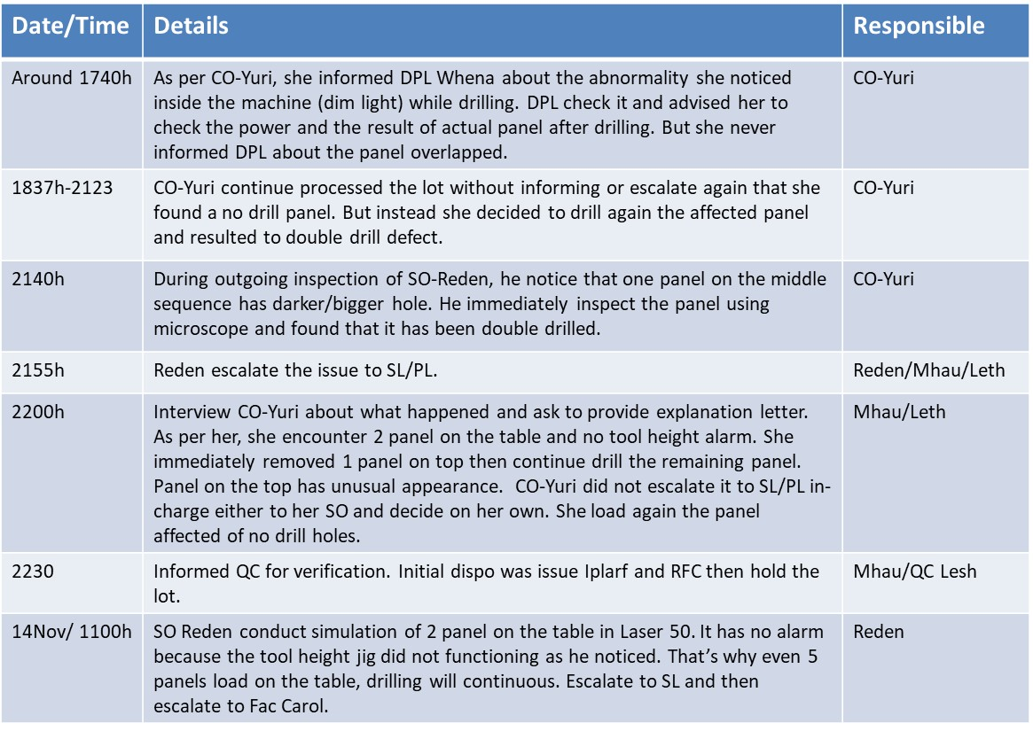
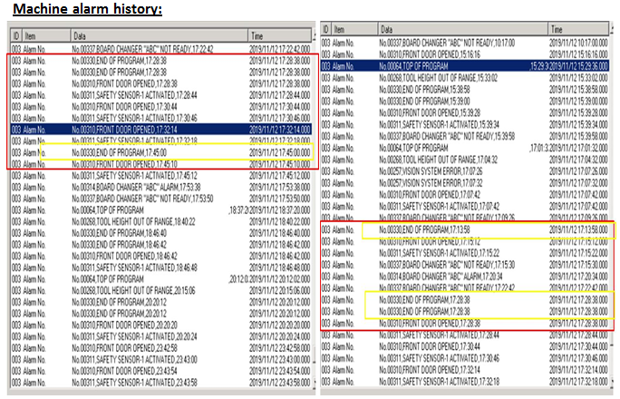

 |  |  |  |  |  |  |  |  |  |  |  |  |  |  |  |  |  |  |  |  | 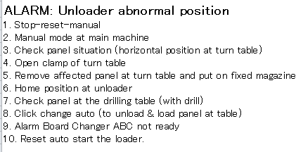
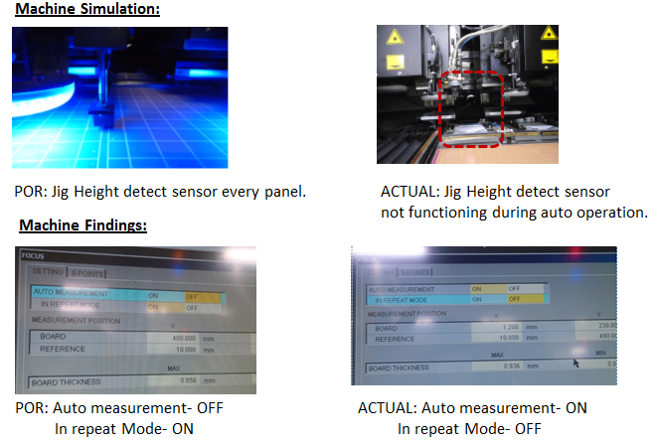

<3> CONTAINMENT ACTION (Note: Do not disable the interlock system when doing the action) |  |  |  |  |  |  |  |  |  |  |  |  |  |  |  | Responsible |  |  | Completion Date |  |  | Status
 |  |  |  |  |  |  |  |  |  |  |  |  |  |  |  | Name / Block

<4> DISPOSITION OF AFFECTED LOT AND RISK ASSESSMENT

Assessment Item (# of sample/Method) |  |  |  | Responsible Name / Block |  |  | Completion Date |  |  | Assessment Result (No Good/TTL QTY) |  |  |  |  |  | Judgment (OK/NG) |  |  | Final Disposition

 |  |  |  |  |  |  |  |  |  |  |  |  |  |  |  |  |  |  |  | Proceed |  | Qty : ______________________________
 |  |  |  |  |  |  |  |  |  |  |  |  |  |  |  |  |  |  |  | Piece Out |  | Qty : _______ Pnl #: ________________
 |  |  |  |  |  |  |  |  |  |  |  |  |  |  |  |  |  |  |  | Sheet Out |  | Qty : ______________________________ | 1 Panel#29
 |  |  |  |  |  |  |  |  |  |  |  |  |  |  |  |  |  |  |  | Lot Out |  | Qty : ______________________________
 |  |  |  |  |  |  |  |  |  |  |  |  |  |  |  |  |  |  |  | SDR
Risk Assessment Category |  |  |  |  |  |  |  |  |  |  | Remarks
 |  | Low |  | Medium |  |  |  | High |  |  | ________________________

<5>ACTION REQUIRED (Note: Do not disable the interlock system when doing the action)

Action Request |  |  |  |  |  |  |  |  |  | Responsible Name / Block |  |  |  |  |  | Completion Date |  |  | Detail Results
1. Check settings of F3 and F5 particularly on LSH50 compare to other good machine. |  |  |  |  |  |  |  |  |  | Engg m'Shelle/ Fac M'Carol |  |  |  |  |  | Ww46.4 |  |  | Done Check F6 Button (see attached findings on Sheet1)
2. Check specific alarm encountered @LSH50 during lot processing. |  |  |  |  |  |  |  |  |  | M' Carol |  |  |  |  |  | Ww46.4
3. Specific activity of operator during alarm recovery |  |  |  |  |  |  |  |  |  | M' Whena |  |  |  |  |  | Ww46.4 |  |  | Done( Attached above)

<6> ROOTCAUSE GENERATION/ANALYSIS <WHY ANALYSIS by 5M1E, DESIGN AND CAPABILITY>

 | 1. FACTOR GAP ANALYSIS
 | Problem/Issue |  | Gap Type |  | 1st why |  |  |  | 2nd why |  |  |  |  |  | 3rd why |  |  |  |  |  | 4th why |  |  | 5th why
 | Double Drill |  | Technical |  | Panel Overlapping |  |  |  | no tool height measurement before drilling |  |  |  |  |  | (for Fac/Engg check)

 |  |  | Systemic
 |  |  | Detection |  | panel overlapping |  |  |  | wrong recovery after Board Changer alarm
 | 2. FINAL ROOT CAUSE and MECHANISM OF AFFECTED ISSUE

<7> CORRECTIVE ACTION |  |  |  |  |  |  |  |  |  |  |  |  | Responsible |  |  |  | Completion Date |  |  | Status |  |  | Need CN & DR?
 |  |  |  |  |  |  |  |  |  |  |  |  | Name / Block |  |  |  |  |  |  |  |  |  | Yes | No

<8> PREVENTIVE ACTION |  |  |  |  |  |  |  |  |  |  |  |  | Responsible |  |  |  | Completion Date |  |  | Status |  |  | Need CN & DR?
 |  |  |  |  |  |  |  |  |  |  |  |  | Name / Block |  |  |  |  |  |  |  |  |  | Yes | No

<9> PROLIFERATION |  |  |  |  |  |  |  |  |  |  |  |  |  |  |  | Responsible |  |  | Completion |  |  | Status
 |  |  |  |  |  |  |  |  |  |  |  |  |  |  |  | Name / Sign |  |  | Date
Product |  | Block | Process/line |  | Machine |  | Proliferate Item
 |  |  |  |  |  |  | 1
 |  |  |  |  |  |  | 2
<10>AMOUNT OF LOSS . The total sum_________________
Product |  |  |  |  | Unit Qty |  |  |  |  |  |  |  | Amount of Loss |  |  |  |  |  |  | Remarks

<11> CLOSING APPROVAL (The approver person in charge should put details of the validation and closing confirmation result)
The Validation activity |  |  |  |  |  |  |  |  |  |  |  |  |  |  |  |  | Closing Approver |  |  |  |  | Closing Date
 |  |  |  |  |  |  |  |  |  |  |  |  |  |  |  |  | ASM Gloria Reyes

 |  |  |  |  |  |  |  |  |  |  |  |  |  |  |  |  |  |  |  |  |  |  |  |  | QA-SCAR-MRB-02-00-01 Rev. 11

