IPI DRB Minutes
 |  | IBIDEN PHILIPPINES, INC. |  |  |  |  |  |  |  |  |  |  |  |  |  |  |  |  |  | DRB/MRB No. : |  | D-BE-19-10-001
 |  | DRB/MRB REPORT MINUTES |  |  |  |  |  |  |  |  |  |  |  |  |  |  |  |  |  | RFC No. : |  | 21-1019-0255

Theme: |  |  | FX Discrepancy
Meeting Date : |  |  | 16-Oct-19 |  |  |  |  |  |  |  |  |  |  |  | Originated by : |  |  |  | B. Africa
Meeting Time: |  |  | Start: 1500H |  |  |  |  |  |  |  |  |  |  |  |  |  |  |  |  | Name /Block
Meeting Place: |  |  | BE1 Gowning Area |  |  |  |  |  |  |  |  |  |  |  | Approved by : |  |  |  | Eric Vergara / Lysa Salvador
Chairman: |  |  | Babylyn De Castro |  |  |  |  |  |  |  |  |  |  |  |  |  |  |  | Originator ASM/SM/DGM/GM
Block: |  |  | BE1
Attendees : |  |  | Manufacturing |  |  | Engineering/NPD |  |  | Facilities/EE |  |  |  |  | QA/QC |  |  |  |  | PPIC/CSE |  |  |  | Other
 |  |  | Abhen |  |  |  |  |  |  | n/a |  |  |  |  | Jake/Rhona

<1>PROBLEM STATEMENT : (Put another sheet if multiple lots was discovered affected)
DEFECT ISSUE: |  |  | FX Discrepancy |  | # | PRODUCT/MODEL AFFECTED |  |  | PRODUCT FAMILY |  |  | LEDGER NO. |  | PRODUCT SIZE |  | LOT NUMBER |  |  | AFFECTEDLAYER |  | AFFECTED PANEL |  | AFFECTED UNIT OR IF PERCENTAGE
DATE/TIME OCCURRED: |  |  | Oct 15, 1730H |  | 1 | KBL 4+2 LGA |  |  | CPU |  |  | 775-7000 |  | 37.5x37.5 |  | P7894660 |  |  | F/B |  | all |  | 512 units (13.86%)
PROCESS DETECTED: |  |  | SNG |  | 2
PROCESS AFFECTED: |  |  | BLA |  | 3
# OF AFFECTED LOTS : |  |  | 1 |  | 4
WHO DETECTED: |  |  | Cherry |  | 5
 |  |  |  |  | 6
 |  |  |  |  | 7
 |  |  |  |  | 8
 |  |  |  |  | 9
 |  |  |  |  | 10
 |  |  |  |  | 11
 |  |  |  |  | 12
 |  |  |  |  | 13
 |  |  |  |  | 14
 |  |  |  |  | 15
 |  |  |  |  | 16
 |  |  |  |  | 17
 |  |  |  |  | 18
 |  |  |  |  | 19
 |  |  |  |  | 20
 |  |  |  |  | 21
 |  |  |  |  | 22
 |  |  |  |  | 23
 |  |  |  |  | 24
 |  |  |  |  | 25
 |  |  |  |  | 26
 |  |  |  |  | 27
 |  |  |  |  | 28
 |  |  |  |  | 29
 |  |  |  |  | 30
WHAT IS THE PROBLEM DIFFERENCE FROM NORMAL TO ABNORMAL SITUATION? CHANGING POINT? DISCUSS THE FLOW. (Indicate 5W and 1H)
THE AGENDA ITEM IS RECURRENCE? |  |  |  | RECURRENCE |  |  | NEW |  |  |  | Recurrence Definition |  |  |  | 1. Rootcause is clear happened in same MC and parts 2. Rootcause is not clear but same issue 3. The Action was not proliferated to other process and machine but it was discussed during the meeting
THE AGENDA ITEM IS ESCAPEE? |  |  |  | YES |  |  | NO
PROBLEM CATEGORY |  |  | MAN |  | MACHINE |  |  | METHOD |  |  | MATERIAL |  |  | MEASUREMENT |  |  |  | ENVIRONMENT |  |  |  | OTHERS
DRB CLOSING RANK |  |  | RANK 1 |  | RANK 2 |  |  | RANK 3 |  |  | RANK 4 |  |  | RANK 5 |  |  |  | OTHERS

<2> INVESTIGATION/IDENTIFICATION OF AFFECTED AREA, SITUATION (Define the phenomenon, mode and tendency occurrence,Etc.)
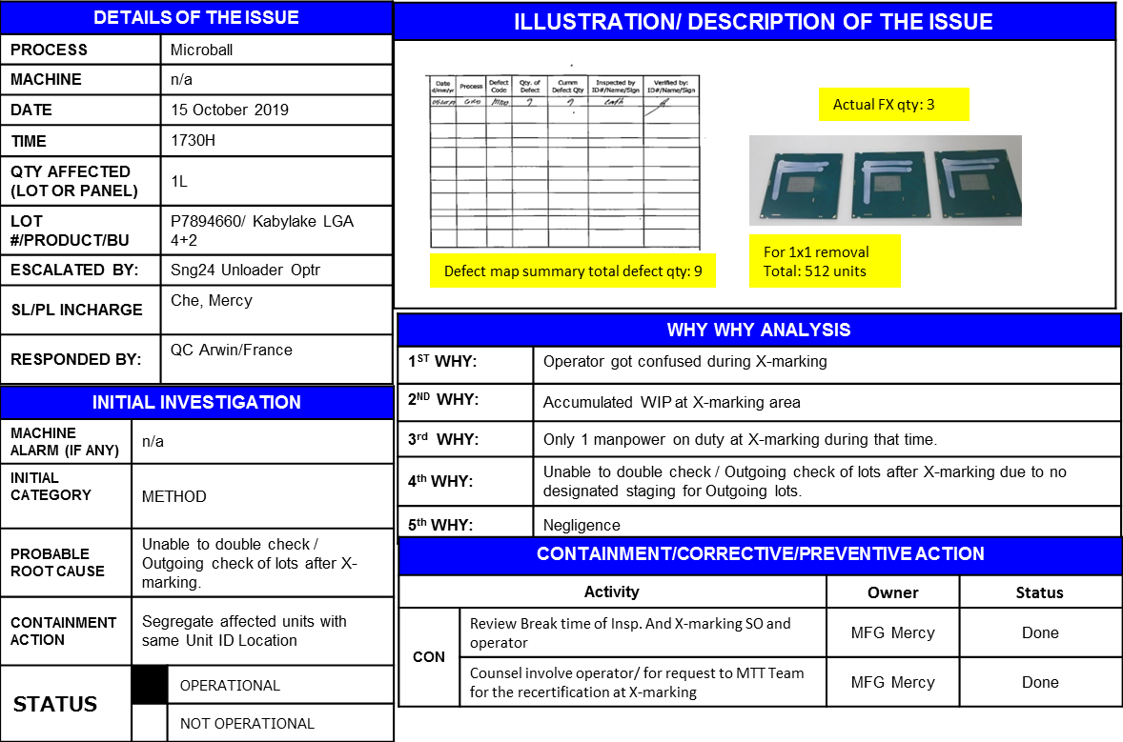
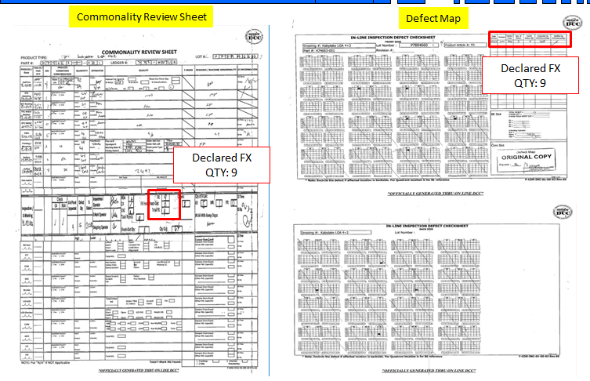

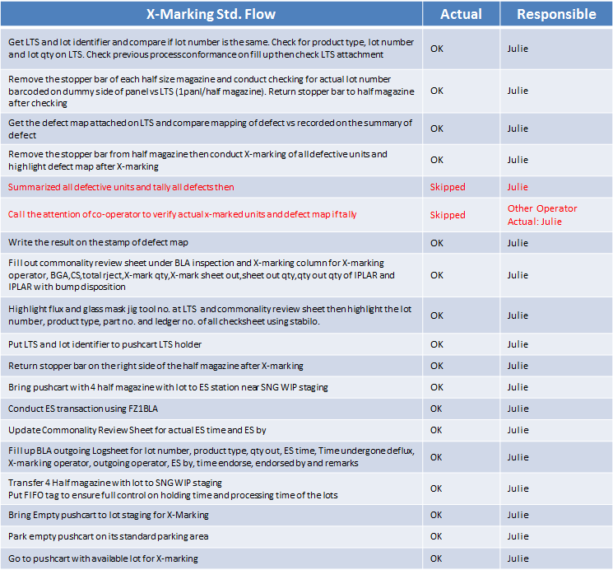

<3> CONTAINMENT ACTION (Note: Do not disable the interlock system when doing the action) |  |  |  |  |  |  |  |  |  |  |  |  |  |  |  | Responsible |  |  | Completion Date |  |  | Status
 |  |  |  |  |  |  |  |  |  |  |  |  |  |  |  | Name / Block
1. Conduct 1 by 1 removal of Unit location based on per quadrant unit ID. |  |  |  |  |  |  |  |  |  |  |  |  |  |  |  | Mfg. Mercy |  |  | 2019-10-16 |  |  | Done, 512 units segregated

<4> DISPOSITION OF AFFECTED LOT AND RISK ASSESSMENT

Assessment Item (# of sample/Method) |  |  |  | Responsible Name / Block |  |  | Completion Date |  |  | Assessment Result (No Good/TTL QTY) |  |  |  |  |  | Judgment (OK/NG) |  |  | Final Disposition
N/A
 |  |  |  |  |  |  |  |  |  |  |  |  |  |  |  |  |  |  |  | Proceed |  | Qty : ______________________________
 |  |  |  |  |  |  |  |  |  |  |  |  |  |  |  |  |  |  |  | Piece Out |  | Qty : _513units Pnl #: _______________
 |  |  |  |  |  |  |  |  |  |  |  |  |  |  |  |  |  |  |  | Sheet Out |  | Qty : ______________________________
 |  |  |  |  |  |  |  |  |  |  |  |  |  |  |  |  |  |  |  | Lot Out |  | Qty : ______________________________
 |  |  |  |  |  |  |  |  |  |  |  |  |  |  |  |  |  |  |  | SDR
Risk Assessment Category |  |  |  |  |  |  |  |  |  |  | Remarks
 |  | Low |  | Medium |  |  |  | High |  |  | ________________________

<5>ACTION REQUIRED (Note: Do not disable the interlock system when doing the action)

Action Request |  |  |  |  |  |  |  |  |  | Responsible Name / Block |  |  |  |  |  | Completion Date |  |  | Detail Results
1. Send operator to MTT for refresher |  |  |  |  |  |  |  |  |  | Mfg/Mercy |  |  |  |  |  | ww43 |  |  | Done
2. TND to all operators regarding following Std. X-Marking Flow |  |  |  |  |  |  |  |  |  | Mfg/Mercy |  |  |  |  |  | ww43 |  |  | Done

<6> ROOTCAUSE GENERATION/ANALYSIS <WHY ANALYSIS by 5M1E, DESIGN AND CAPABILITY>

 | 1. FACTOR GAP ANALYSIS
 | Problem/Issue |  | Gap Type |  | 1st why |  |  |  | 2nd why |  |  |  |  |  | 3rd why |  |  |  |  |  | 4th why |  |  | 5th why
 | FX Qty Discrepancy |  | Technical

 |  |  | Systemic |  | Unable to double check / Outgoing check of lots after X-marking |  |  |  | Co-Xmarker operator is on breaktime so she proceed the lot to have vacant table for the new lot for X-marking activity. |  |  |  |  |  | There is no designated staging for Outgoing lots.
 |  |  | Detection
 | 2. FINAL ROOT CAUSE and MECHANISM OF AFFECTED ISSUE

<7> CORRECTIVE ACTION |  |  |  |  |  |  |  |  |  |  |  |  | Responsible |  |  |  | Completion Date |  |  | Status |  |  | Need CN & DR?
 |  |  |  |  |  |  |  |  |  |  |  |  | Name / Block |  |  |  |  |  |  |  |  |  | Yes | No
1 | Provide Disgnated Area for Outgoing lots |  |  |  |  |  |  |  |  |  |  |  | Mfg / Mercy |  |  |  | 2019-10-18 |  |  | Open |  |  |  | ✓

<8> PREVENTIVE ACTION |  |  |  |  |  |  |  |  |  |  |  |  | Responsible |  |  |  | Completion Date |  |  | Status |  |  | Need CN & DR?
 |  |  |  |  |  |  |  |  |  |  |  |  | Name / Block |  |  |  |  |  |  |  |  |  | Yes | No

<9> PROLIFERATION |  |  |  |  |  |  |  |  |  |  |  |  |  |  |  | Responsible |  |  | Completion |  |  | Status
 |  |  |  |  |  |  |  |  |  |  |  |  |  |  |  | Name / Sign |  |  | Date
Product |  | Block | Process/line |  | Machine |  | Proliferate Item
 |  |  |  |  |  |  | 1
 |  |  |  |  |  |  | 2
<10>AMOUNT OF LOSS . The total sum $802.77
Product |  |  |  |  | Unit Qty |  |  |  |  |  |  |  | Amount of Loss |  |  |  |  |  |  | Remarks
KBL 4+2 GA |  |  |  |  | 513 |  |  |  |  |  |  |  | $802.77

<11> CLOSING APPROVAL (The approver person in charge should put details of the validation and closing confirmation result)
The Validation activity |  |  |  |  |  |  |  |  |  |  |  |  |  |  |  |  | Closing Approver |  |  |  |  | Closing Date
 |  |  |  |  |  |  |  |  |  |  |  |  |  |  |  |  | ASM Gloria Reyes

 |  |  |  |  |  |  |  |  |  |  |  |  |  |  |  |  |  |  |  |  |  |  |  |  | QA-SCAR-MRB-02-00-01 Rev. 11

