IPI DRB Minutes
 |  |  | IBIDEN PHILIPPINES, INC. |  |  |  |  |  |  |  |  |  |  |  |  |  |  |  |  |  | DRB/MRB No. : |  | D-BE-19-09-002
 |  |  | DRB/MRB REPORT MINUTES |  |  |  |  |  |  |  |  |  |  |  |  |  |  |  |  |  | RFC No. : |  | 18-0919-0125

Theme: |  |  |  | Oil on Panel Surface at BLA Reflow5
Meeting Date : |  |  |  | 05-Sep-19 |  |  |  |  |  |  |  |  |  |  |  | Originated by : |  |  |  |  | Eric Vergara
Meeting Time: |  |  |  | Start: 1000H |  | End: 1200H |  |  |  |  |  |  |  |  |  |  |  |  |  |  | Name /Block
Meeting Place: |  |  |  | BE1 Gowning |  |  |  |  |  |  |  |  |  |  |  | Approved by : |  |  |  |  | Lysa Salvador
Chairman: |  |  |  | Eric Vergara |  |  |  |  |  |  |  |  |  |  |  |  |  |  |  | Originator ASM/SM/DGM/GM
Block: |  |  |  | BE1
Attendees : |  |  |  | Manufacturing |  |  | Engineering/NPD |  |  | Facilities/EE |  |  |  |  | QA/QC |  |  |  |  | PPIC/CSE |  |  |  | Other
 |  |  |  | Ericson Vergara |  |  | roland |  |  |  | mat |  |  |  |  | Jake/Rhona |  |  |  | tromz
 |  |  |  | maruno san |  |  | tsukamoto san |  |  |  | toda san
 |  |  |  | makino san

<1>PROBLEM STATEMENT : (Put another sheet if multiple lots was discovered affected)
DEFECT ISSUE: |  |  |  | Oil on Panel Surface at BLA Reflow5 |  | # | PRODUCT/MODEL AFFECTED |  |  | PRODUCT FAMILY |  |  | LEDGER NO. |  | PRODUCT SIZE |  | LOT NUMBER |  |  | AFFECTEDLAYER |  | AFFECTED PANEL |  | AFFECTED UNIT OR IF PERCENTAGE
DATE/TIME OCCURRED: |  |  |  | Sep-04-19 |  | 1 | Kabylake PCH |  |  | FCBGA13 |  |  | 776-5797 |  | 23X24 |  | P7863260 |  |  | F/B |  | 58H |  | 4000 units (44.80%)
PROCESS DETECTED: |  |  |  | BLA |  | 2 | Kabylake PCH |  |  | FCBGA13 |  |  | 776-5797 |  | 23X24 |  | P7863240 |  |  | F/B |  | 47H |  | 3992 units (44.71%)
PROCESS AFFECTED: |  |  |  | BLA |  | 3
# OF AFFECTED LOTS : |  |  |  | 2 |  | 4
WHO DETECTED: |  |  |  |  |  | 5
 |  |  |  |  |  | 6
 |  |  |  |  |  | 30
WHAT IS THE PROBLEM DIFFERENCE FROM NORMAL TO ABNORMAL SITUATION? CHANGING POINT? DISCUSS THE FLOW. (Indicate 5W and 1H)
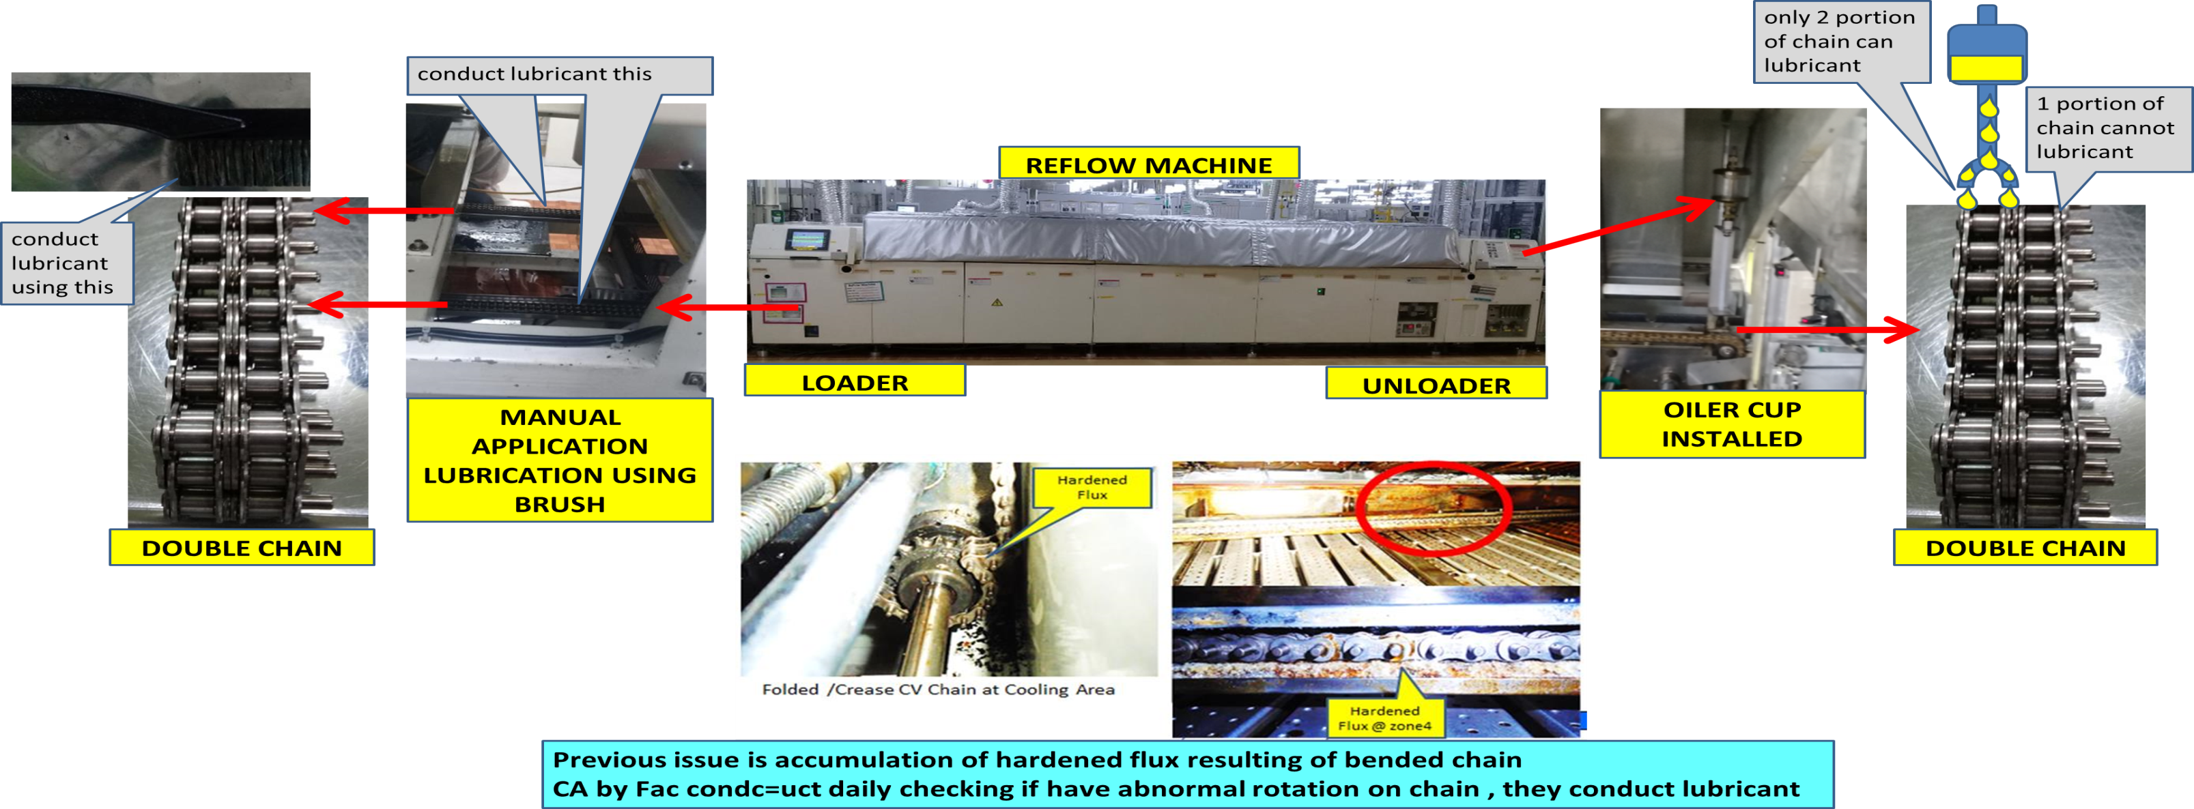
 |  | What : FM oil on panel
 |  | Where: BLA Reflow5
 |  | When: Sep 4, 1035H
 |  | How: Fac. conducted chain lubrication during change set up to kabylake PCH after quality check of 1st 4 half panel (containment action for previous problem on CV chain). Possible there is too much oil lubricated on chain

THE AGENDA ITEM IS RECURRENCE? |  |  |  |  | RECURRENCE |  |  | NEW |  |  |  | Recurrence Definition |  |  |  | 1. Rootcause is clear happened in same MC and parts 2. Rootcause is not clear but same issue 3. The Action was not proliferated to other process and machine but it was discussed during the meeting
THE AGENDA ITEM IS ESCAPEE? |  |  |  |  | YES |  |  | NO
PROBLEM CATEGORY |  |  |  | MAN |  | MACHINE |  |  | METHOD |  |  | MATERIAL |  |  | MEASUREMENT |  |  |  | ENVIRONMENT |  |  |  | OTHERS
DRB CLOSING RANK |  |  |  | RANK 1 |  | RANK 2 |  |  | RANK 3 |  |  | RANK 4 |  |  | RANK 5 |  |  |  | OTHERS

<2> INVESTIGATION/IDENTIFICATION OF AFFECTED AREA, SITUATION (Define the phenomenon, mode and tendency occurrence,Etc.)
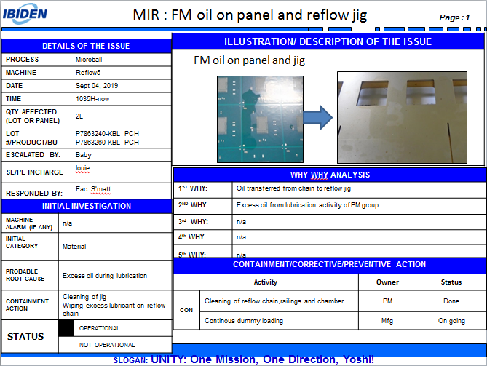
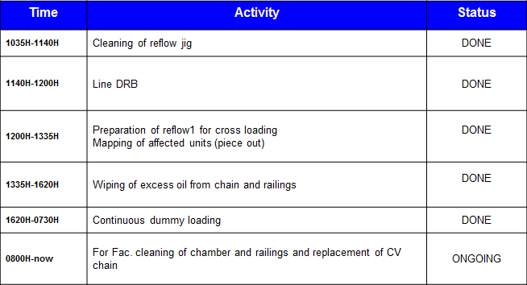

<3> CONTAINMENT ACTION (Note: Do not disable the interlock system when doing the action) |  |  |  |  |  |  |  |  |  |  |  |  |  |  |  |  | Responsible |  |  | Completion Date |  |  | Status
 |  |  |  |  |  |  |  |  |  |  |  |  |  |  |  |  | Name / Block
1. Stop loading and conduct 100% inspection of affected lots |  |  |  |  |  |  |  |  |  |  |  |  |  |  |  |  | Mfg. Louie |  |  | ww36.3 |  |  | Done
2. Cleaning of reflow Jig |  |  |  |  |  |  |  |  |  |  |  |  |  |  |  |  | Mfg. Louie |  |  | ww36.3 |  |  | Done
3. Test run using dummy |  |  |  |  |  |  |  |  |  |  |  |  |  |  |  |  | Mfg. Louie |  |  | ww36.3 |  |  | Done
4. Cleaning of chain railings and reflow chamber |  |  |  |  |  |  |  |  |  |  |  |  |  |  |  |  | Mfg. Louie |  |  | ww36.3 |  |  | Done
5. Continuous dummy loading |  |  |  |  |  |  |  |  |  |  |  |  |  |  |  |  | Mfg. Louie |  |  | ww36.3 |  |  | Done
6. stop manual lubrication |  |  |  |  |  |  |  |  |  |  |  |  |  |  |  |  | fac-mat |  |  | ww36.4 |  |  | Done
<4> DISPOSITION OF AFFECTED LOT AND RISK ASSESSMENT

Assessment Item (# of sample/Method) |  |  |  |  | Responsible Name / Block |  |  | Completion Date |  |  | Assessment Result (No Good/TTL QTY) |  |  |  |  |  | Judgment (OK/NG) |  |  | Final Disposition
N/A
 |  |  |  |  |  |  |  |  |  |  |  |  |  |  |  |  |  |  |  |  | Proceed |  | Qty : ______________________________
 |  |  |  |  |  |  |  |  |  |  |  |  |  |  |  |  |  |  |  |  | Piece Out |  | Qty : _______ Pnl #: ________________
 |  |  |  |  |  |  |  |  |  |  |  |  |  |  |  |  |  |  |  |  | Sheet Out |  | Qty : ______________________________
 |  |  |  |  |  |  |  |  |  |  |  |  |  |  |  |  |  |  |  | 2 | Lot Out |  | Qty : ______________________________ | 7992
 |  |  |  |  |  |  |  |  |  |  |  |  |  |  |  |  |  |  |  |  | SDR
Risk Assessment Category |  |  |  |  |  |  |  |  |  |  |  | Remarks
 |  |  | Low |  | Medium |  |  |  | High |  |  | ________________________

<5>ACTION REQUIRED (Note: Do not disable the interlock system when doing the action)

Action Request |  |  |  |  |  |  |  |  |  |  | Responsible Name / Block |  |  |  |  |  | Completion Date |  |  | Detail Results
1. cleaning inside the chamber railings and chain replacement |  |  |  |  |  |  |  |  |  |  | fac-mat |  |  |  |  |  | sep.5, 2019 |  |  | Done
2. conduct buy-off and quality check |  |  |  |  |  |  |  |  |  |  | fac-mat / mfg-eric/ engg-roland |  |  |  |  |  | sep.5, 2019 |  |  | Done, no more evidence of Oil
NOTE: if have abnormal activity, use trouble buy-off checksheet (TND to all)
3. conduct soaking of reflow jig affected >Flux remover then drying using alpha10 >IPA the drying usinf aplha10 >Reflow jig oading at reflow (2cycle) >Then quality check |  |  |  |  |  |  |  |  |  |  | fac-mat / mfg-eric |  |  |  |  |  | sep.6, 2019 |  |  | no found FM oil
4. Need to share lubricant timing at reflow 5 starting july 17 up to sep.5 |  |  |  |  |  |  |  |  |  |  | fac-warren/mat |  |  |  |  |  | sep.13 |  |  | Done
5. need to share profile result last sep.5 (from apollolake to kbl.pch) |  |  |  |  |  |  |  |  |  |  | mfg.eric |  |  |  |  |  | sep.13 |  |  | Done
6. If encountered bended chain, the assessment of fac. Action: lubrication of chain replacement NOTE: all bla reflow machine have 1 spare chain |  |  |  |  |  |  |  |  |  |  | fac-warren/mat |  |  |  |  |  | sep.13 |  |  | start of implementation need MARS then buy-off activity TND to all team member
7. Evaluation of 1 temp, setting at reflow program NOTE: this is for improvement accumulation of flux at zone4 then CA lubrication act. By fac. |  |  |  |  |  |  |  |  |  |  | engg-james |  |  |  |  |  | tba |  |  | ongoing eval. At bla reflow1
8. Check OIL element content |  |  |  |  |  |  |  |  |  |  | fac-warren/mat |  |  |  |  |  | sep.13 |  |  | Cannot verify, no record
9. Check japan procedure how to conduct lubrication of chain |  |  |  |  |  |  |  |  |  |  | mfg-maruno |  |  |  |  |  | sep.17 |  |  | Same with IPI

<6> ROOTCAUSE GENERATION/ANALYSIS <WHY ANALYSIS by 5M1E, DESIGN AND CAPABILITY>

 | 1. FACTOR GAP ANALYSIS
 | Problem/Issue |  |  | Gap Type |  | 1st why |  |  |  | 2nd why |  |  |  |  |  | 3rd why |  |  |  |  |  | 4th why |  |  | 5th why
 | Oil on Panel Surface |  |  | Technical

 |  |  |  | Systemic |  | Oil attached on panel surface |  |  |  | Oil coming from chain after lubrication |  |  |  |  |  | Lubrication application no standard amount to apply <manual application> |  |  |  |  |  | Manual application
 |  |  |  | Detection
 | 2. FINAL ROOT CAUSE and MECHANISM OF AFFECTED ISSUE

<7> CORRECTIVE ACTION |  |  |  |  |  |  |  |  |  |  |  |  |  | Responsible |  |  |  | Completion Date |  |  | Status |  |  | Need CN & DR?
 |  |  |  |  |  |  |  |  |  |  |  |  |  | Name / Block |  |  |  |  |  |  |  |  |  | Yes | No
1. Generate Procedure of Proper Lubrication |  |  |  |  |  |  |  |  |  |  |  |  |  |  | fac-mat |  |  |  | 12-Nov-19 |  |  | Closed |  |  | ✓
2. Revision of MARS Procedure to Include maintenance<Lubrication activity> |  |  |  |  |  |  |  |  |  |  |  |  |  | M' April |  |  |  |  | 7-Nov-19 |  |  | Closed |  |  | ✓
<8> PREVENTIVE ACTION |  |  |  |  |  |  |  |  |  |  |  |  |  | Responsible |  |  |  | Completion Date |  |  | Status |  |  | Need CN & DR?
 |  |  |  |  |  |  |  |  |  |  |  |  |  | Name / Block |  |  |  |  |  |  |  |  |  | Yes | No

<9> PROLIFERATION |  |  |  |  |  |  |  |  |  |  |  |  |  |  |  |  | Responsible |  |  | Completion |  |  | Status
 |  |  |  |  |  |  |  |  |  |  |  |  |  |  |  |  | Name / Sign |  |  | Date
Product |  |  | Block | Process/line |  | Machine |  | Proliferate Item
 |  |  |  |  |  | 1. BLA Reflow 1,2,3,6 and CCM 1,3,4 |  | 1. SOP for Lubrication Activity |  |  |  |  |  |  |  |  | S' Matt |  |  | 12-Nov-19 |  |  | Closed
 |  |  |  |  |  |  |  | 2
<10>AMOUNT OF LOSS . The total sum $8,0007.63
Product |  |  |  |  |  | Unit Qty |  |  |  |  |  |  |  | Amount of Loss |  |  |  |  |  |  | Remarks
CS Kabylake PCH |  |  |  |  |  | 7992 |  |  |  |  |  |  |  | $8,007.63

<11> CLOSING APPROVAL (The approver person in charge should put details of the validation and closing confirmation result)
The Validation activity |  |  |  |  |  |  |  |  |  |  |  |  |  |  |  |  |  | Closing Approver |  |  |  |  | Closing Date
8-Nov-19 |  |  |  |  |  |  |  |  |  |  |  |  |  |  |  |  |  | DGM Nobuyuki Ito

 |  |  |  |  |  |  |  |  |  |  |  |  |  |  |  |  |  |  |  |  |  |  |  |  |  | QA-SCAR-MRB-02-00-01 Rev. 11

