IPI DRB Minutes
 |  |  | IBIDEN PHILIPPINES, INC. |  |  |  |  |  |  |  |  |  |  |  |  |  |  |  |  |  | DRB/MRB No. : |  | D-SF-19-09-001
 |  |  | DRB/MRB REPORT MINUTES |  |  |  |  |  |  |  |  |  |  |  |  |  |  |  |  |  | RFC No. : |  | 37-0919-0018

Theme: |  |  |  | Panel Jamming at CZET #7
Meeting Date : |  |  |  | 17-Sep-19 |  |  |  |  |  |  |  |  |  |  |  | Originated by : |  |  |  |  | Leah Cuadra / SF1
Meeting Time: |  |  |  | 1330H |  |  |  |  |  |  |  |  |  |  |  |  |  |  |  |  | Name /Block
Meeting Place: |  |  |  | SF Meeting Area |  |  |  |  |  |  |  |  |  |  |  | Approved by : |  |  |  |  | Grace Perez
Chairman: |  |  |  | Leah Cuadra |  |  |  |  |  |  |  |  |  |  |  |  |  |  |  | Originator ASM/SM/DGM/GM
Block: |  |  |  | SF1
Attendees : |  |  |  | Manufacturing |  |  | Engineering/NPD |  |  | Facilities/EE |  |  |  |  | QA/QC |  |  |  |  | PPIC/CSE |  |  |  | Other
 |  |  |  | Grace |  |  | Arcie |  |  | Mark |  |  |  |  | Irene |  |  |  |  | Tromelyn
 |  |  |  | Mizuno |  |  | Mafe |  |  | Jeff |  |  |  |  | Ferdie
 |  |  |  | Kanatani |  |  | Jenny |  |  | Nagasaki |  |  |  |  | Kaze
 |  |  |  | Orly |  |  | Lynelle
 |  |  |  | Art
 |  |  |  | Shin
 |  |  |  | Lei

<1>PROBLEM STATEMENT : (Put another sheet if multiple lots was discovered affected)
DEFECT ISSUE: |  |  |  | Panel Jamming at CZET #7 |  | # | PRODUCT/MODEL AFFECTED |  |  | PRODUCT FAMILY |  |  | LEDGER NO. |  | PRODUCT SIZE |  | LOT NUMBER |  |  | AFFECTEDLAYER |  | AFFECTED PANEL |  | AFFECTED UNIT OR IF PERCENTAGE
DATE/TIME OCCURRED: |  |  |  | Sep-16-19 |  | 1 | IPI Kaby Lake U42 Refresh |  |  | UTC |  |  | 020-7357 |  | 510X405 |  | P7866260 |  |  | 4L |  | 2-9, 11-16 |  | 43.75%
PROCESS DETECTED: |  |  |  | CZ |  | 2
PROCESS AFFECTED: |  |  |  | CZ |  | 3
# OF AFFECTED LOTS : |  |  |  | 1 |  | 4
WHO DETECTED: |  |  |  | Dhan-CZT Optr |  | 5
 |  |  |  |  |  | 6
 |  |  |  |  |  | 7
 |  |  |  |  |  | 8
 |  |  |  |  |  | 9
 |  |  |  |  |  | 10
 |  |  |  |  |  | 11
 |  |  |  |  |  | 12
 |  |  |  |  |  | 13
 |  |  |  |  |  | 14
 |  |  |  |  |  | 15
 |  |  |  |  |  | 16
 |  |  |  |  |  | 17
 |  |  |  |  |  | 18
 |  |  |  |  |  | 19
 |  |  |  |  |  | 20
 |  |  |  |  |  | 21
 |  |  |  |  |  | 22
 |  |  |  |  |  | 23
 |  |  |  |  |  | 24
 |  |  |  |  |  | 25
 |  |  |  |  |  | 26
 |  |  |  |  |  | 27
 |  |  |  |  |  | 28
 |  |  |  |  |  | 29
 |  |  |  |  |  | 30
WHAT IS THE PROBLEM DIFFERENCE FROM NORMAL TO ABNORMAL SITUATION? CHANGING POINT? DISCUSS THE FLOW. (Indicate 5W and 1H)
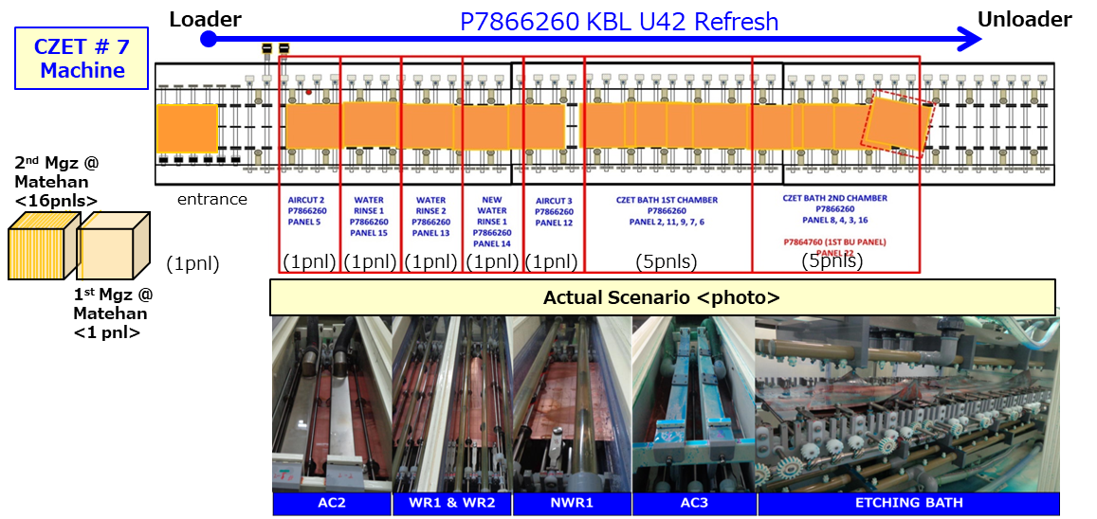
 |  | What: | Panel Jamming at CZT bath
 |  | When: | 1200h, 16-Sep
 |  | Where: | CZT7, CZT bath
 |  | Why: | 1 panel with thinner dimension blocked the conveyor
 |  | Who: | Detected by Dhan-CZT optr
 |  | How: | Panel was unabale to tolerate applied pressure of machine during processing

THE AGENDA ITEM IS RECURRENCE? |  |  |  |  | RECURRENCE |  |  | NEW |  |  |  | Recurrence Definition |  |  |  | 1. Rootcause is clear happened in same MC and parts 2. Rootcause is not clear but same issue 3. The Action was not proliferated to other process and machine but it was discussed during the meeting
THE AGENDA ITEM IS ESCAPEE? |  |  |  |  | YES |  |  | NO
PROBLEM CATEGORY |  |  |  | MAN |  | MACHINE |  |  | METHOD |  |  | MATERIAL |  |  | MEASUREMENT |  |  |  | ENVIRONMENT |  |  |  | OTHERS
DRB CLOSING RANK |  |  |  | RANK 1 |  | RANK 2 |  |  | RANK 3 |  |  | RANK 4 |  |  | RANK 5 |  |  |  | OTHERS

<2> INVESTIGATION/IDENTIFICATION OF AFFECTED AREA, SITUATION (Define the phenomenon, mode and tendency occurrence,Etc.)
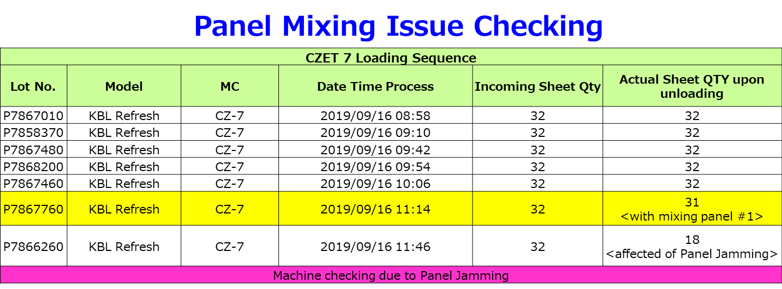
 | History:
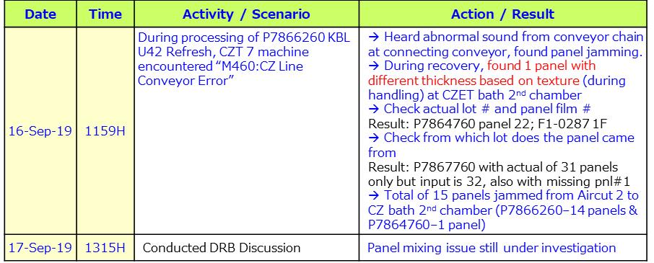

<3> CONTAINMENT ACTION (Note: Do not disable the interlock system when doing the action) |  |  |  |  |  |  |  |  |  |  |  |  |  |  |  |  | Responsible |  |  | Completion Date |  |  | Status
 |  |  |  |  |  |  |  |  |  |  |  |  |  |  |  |  | Name / Block
 | Provide magazine jig at CZET 7 loader area for lot # verification |  |  |  |  |  |  |  |  |  |  |  |  |  |  |  | Lei/Mfg |  |  | ww38.4 |  |  | Done

<4> DISPOSITION OF AFFECTED LOT AND RISK ASSESSMENT

Assessment Item (# of sample/Method) |  |  |  |  | Responsible Name / Block |  |  | Completion Date |  |  | Assessment Result (No Good/TTL QTY) |  |  |  |  |  | Judgment (OK/NG) |  |  | Final Disposition
Not applicable
 |  |  |  |  |  |  |  |  |  |  |  |  |  |  |  |  |  |  |  |  | Proceed |  | Qty : ______________________________
 |  |  |  |  |  |  |  |  |  |  |  |  |  |  |  |  |  |  |  |  | Piece Out |  | Qty : _______ Pnl #: ________________
 |  |  |  |  |  |  |  |  |  |  |  |  |  |  |  |  |  |  |  |  | Sheet Out |  | Qty : ______________________________ | 14 panels
 |  |  |  |  |  |  |  |  |  |  |  |  |  |  |  |  |  |  |  |  | Lot Out |  | Qty : ______________________________
 |  |  |  |  |  |  |  |  |  |  |  |  |  |  |  |  |  |  |  |  | SDR
Risk Assessment Category |  |  |  |  |  |  |  |  |  |  |  | Remarks
 |  |  | Low |  | Medium |  |  |  | High |  |  | ________________________

<5>ACTION REQUIRED (Note: Do not disable the interlock system when doing the action)

Action Request |  |  |  |  |  |  |  |  |  |  | Responsible Name / Block |  |  |  |  |  | Completion Date |  |  | Detail Results
Check all process which will be applying jig holder for lot no. verification for UTC products only |  |  |  |  |  |  |  |  |  |  | Art & Lei / Mfg |  |  |  |  |  | ww38.5 |  |  | EOL: CZ LD FOL: Cont.Oven ULD, water washer
Check possibility of adjusting position/location of lot no. on panel |  |  |  |  |  |  |  |  |  |  | Jenny / Engg |  |  |  |  |  | ww38.5 |  |  | Based on checking cannot adjust the lot number position
Return use of dummy panel for lot with incomplete panel qty. dummy panel to use is with holes on edge and to be removed before endorsement to next process |  |  |  |  |  |  |  |  |  |  | Art / Mfg |  |  |  |  |  | ww38.5 |  |  | Done and implemented at the line
Consider criteria of dummy panel re-use |  |  |  |  |  |  |  |  |  |  | Art / Mfg |  |  |  |  |  | ww38.2 |  |  | Already provided criteria
Confirm with EE for possible mechanical adjustment on Laser marking machine to target proposed Lot no. adjustment |  |  |  |  |  |  |  |  |  |  | Lei / Mfg |  |  |  |  |  | ww39.3 |  |  | Not possible
Provide inspection table with push jig, proliferation from SAP |  |  |  |  |  |  |  |  |  |  | Lei / Mfg |  |  |  |  |  | ww41.1 |  |  | Cannot proliferate push jig at LPSR CZT, only magazine jig can implement due to push jig can cause Scratch and high risk on damaging alignment mark

<6> ROOTCAUSE GENERATION/ANALYSIS <WHY ANALYSIS by 5M1E, DESIGN AND CAPABILITY>

 | 1. FACTOR GAP ANALYSIS
 | Problem/Issue |  |  | Gap Type |  | 1st why |  |  |  | 2nd why |  |  |  |  |  | 3rd why |  |  |  |  |  | 4th why |  |  | 5th why
 | Panel Jamming |  |  | Technical

 |  |  |  | Systemic |  | 1 panel stuck at exit side of conveyor at CZ bath |  |  |  | Panel was misaligned due to abnormal movement of panel inside conveyor |  |  |  |  |  | Panel was not able to tolerate applied pressure of the machine due to it is thinner (1st BU) compared to POR panel (3rd BU) loading |  |  |  |  |  | Due to panel mixing issue |  |  | Under investigation for the mixing issue
 |  |  |  | Detection |  | 1 panel stuck at exit side of conveyor at CZ bath |  |  |  | Panel was thinner than the usual panel processed at CZT7 |  |  |  |  |  | CZ loader was not able to detect panel mixing issue before loading |  |  |  |  |  | LD optr. cannot verify completely the 8 digit lot # |  |  | Lot # is blocked by magazine guide
 | 2. FINAL ROOT CAUSE and MECHANISM OF AFFECTED ISSUE
 | Panel mixing (different thickness)

<7> CORRECTIVE ACTION |  |  |  |  |  |  |  |  |  |  |  |  |  | Responsible |  |  |  | Completion Date |  |  | Status |  |  | Need CN & DR?
 |  |  |  |  |  |  |  |  |  |  |  |  |  | Name / Block |  |  |  |  |  |  |  |  |  | Yes | No

<8> PREVENTIVE ACTION |  |  |  |  |  |  |  |  |  |  |  |  |  | Responsible |  |  |  | Completion Date |  |  | Status |  |  | Need CN & DR?
 |  |  |  |  |  |  |  |  |  |  |  |  |  | Name / Block |  |  |  |  |  |  |  |  |  | Yes | No

<9> PROLIFERATION |  |  |  |  |  |  |  |  |  |  |  |  |  |  |  |  | Responsible |  |  | Completion |  |  | Status
 |  |  |  |  |  |  |  |  |  |  |  |  |  |  |  |  | Name / Sign |  |  | Date
Product |  |  | Block | Process/line |  | Machine |  | Proliferate Item
 |  |  |  |  |  |  |  | 1
 |  |  |  |  |  |  |  | 2
<10>AMOUNT OF LOSS . The total sum $ 2,024.57
Product |  |  |  |  |  | Unit Qty |  |  |  |  |  |  |  | Amount of Loss |  |  |  |  |  |  | Remarks
IPI Kaby Lake U42 Refresh |  |  |  |  |  | 2100 |  |  |  |  |  |  |  | $2,024.57 |  |  |  |  |  |  | Sheet-out affected panels

<11> CLOSING APPROVAL (The approver person in charge should put details of the validation and closing confirmation result)
The Validation activity |  |  |  |  |  |  |  |  |  |  |  |  |  |  |  |  |  | Closing Approver |  |  |  |  | Closing Date
 |  |  |  |  |  |  |  |  |  |  |  |  |  |  |  |  |  | ASM Gloria Reyes

 |  |  |  |  |  |  |  |  |  |  |  |  |  |  |  |  |  |  |  |  |  |  |  |  |  | QA-SCAR-MRB-02-00-01 Rev. 11

