IPI DRB Minutes
 |  | IBIDEN PHILIPPINES, INC. |  |  |  |  |  |  |  |  |  |  |  |  |  |  |  |  |  | DRB/MRB No. : |  | D-SF-20-01-001
 |  | DRB/MRB REPORT MINUTES |  |  |  |  |  |  |  |  |  |  |  |  |  |  |  |  |  | RFC No. : |  | 38-0120-0007

Theme: |  |  | Black Bump
Meeting Date : |  |  | 28-Jan-20 |  |  |  |  |  |  |  |  |  |  |  | Originated by : |  |  |  | Espie Alvarez
Meeting Time: |  |  | Start: 1400h |  |  |  |  |  |  |  |  |  |  |  |  |  |  |  |  | Name /Block
Meeting Place: |  |  | SF Meeting Area |  |  |  |  |  |  |  |  |  |  |  | Approved by : |  |  |  | Laine Maestro
Chairman: |  |  | Laine Maestro |  |  |  |  |  |  |  |  |  |  |  |  |  |  |  | Originator ASM/SM/DGM/GM
Block: |  |  | SF2
Attendees : |  |  | Manufacturing |  |  | Engineering/NPD |  |  | Facilities/EE |  |  |  |  | QA/QC |  |  |  |  | PPIC/CSE |  |  |  | Other
 |  |  | Horai San |  |  | Mafe B. |  |  | N/A |  |  |  |  | Irene M. |  |  |  |  | N/A
 |  |  | Laine M. |  |  | Mhean E. |  |  |  |  |  |  |  | Kaze M.
 |  |  | Leah C.
 |  |  | Espie A.

<1>PROBLEM STATEMENT : (Put another sheet if multiple lots was discovered affected)
DEFECT ISSUE: |  |  | Black Bump |  | # | PRODUCT/MODEL AFFECTED |  |  | PRODUCT FAMILY |  |  | LEDGER NO. |  | PRODUCT SIZE |  | LOT NUMBER |  |  | AFFECTED LAYER |  | AFFECTED PANEL |  | AFFECTED UNIT OR IF PERCENTAGE
DATE/TIME OCCURRED: |  |  | 19-Jan-20 |  | 1 | IPI Kaby Lake U42 Refresh |  |  | CPU |  |  | 020-7357 |  |  |  | P7958100 |  |  | N/A |  | All |  | 66.84%
PROCESS DETECTED: |  |  | HCO |  | 2
PROCESS AFFECTED: |  |  | DEV 4 |  | 3
# OF AFFECTED LOTS : |  |  | 1 lot |  | 4
WHO DETECTED: |  |  | HCO Operator |  | 5
 |  |  |  |  | 6
 |  |  |  |  | 7
 |  |  |  |  | 8
WHAT IS THE PROBLEM DIFFERENCE FROM NORMAL TO ABNORMAL SITUATION? CHANGING POINT? DISCUSS THE FLOW. (Indicate 5W and 1H)

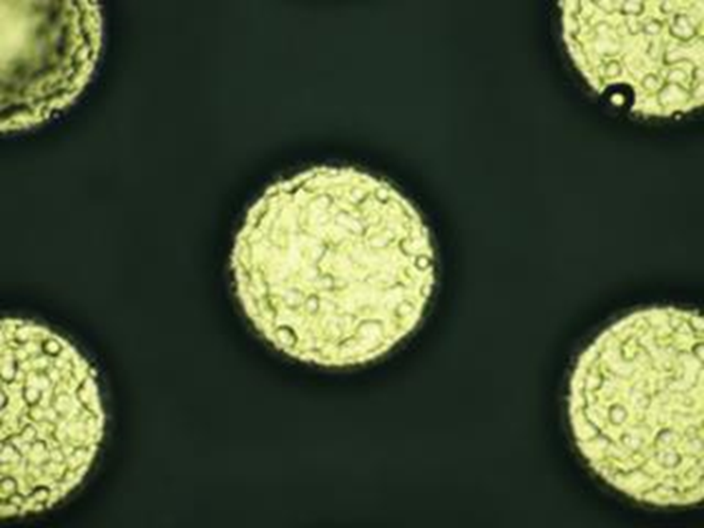

Good
Nodule
Uneven Ni Plating

THE AGENDA ITEM IS RECURRENCE? |  |  |  | RECURRENCE |  |  | NEW |  |  |  | Recurrence Definition |  |  |  | 1. Rootcause is clear happened in same MC and parts 2. Rootcause is not clear but same issue 3. The Action was not proliferated to other process and machine but it was discussed during the meeting
THE AGENDA ITEM IS ESCAPEE? |  |  |  | YES |  |  | NO
PROBLEM CATEGORY |  |  | MAN |  | MACHINE |  |  | METHOD |  |  | MATERIAL |  |  | MEASUREMENT |  |  |  | ENVIRONMENT |  |  |  | OTHERS
DRB CLOSING RANK |  |  | RANK 1 |  | RANK 2 |  |  | RANK 3 |  |  | RANK 4 |  |  | RANK 5 |  |  |  | OTHERS

<2> INVESTIGATION/IDENTIFICATION OF AFFECTED AREA, SITUATION (Define the phenomenon, mode and tendency occurrence,Etc.)
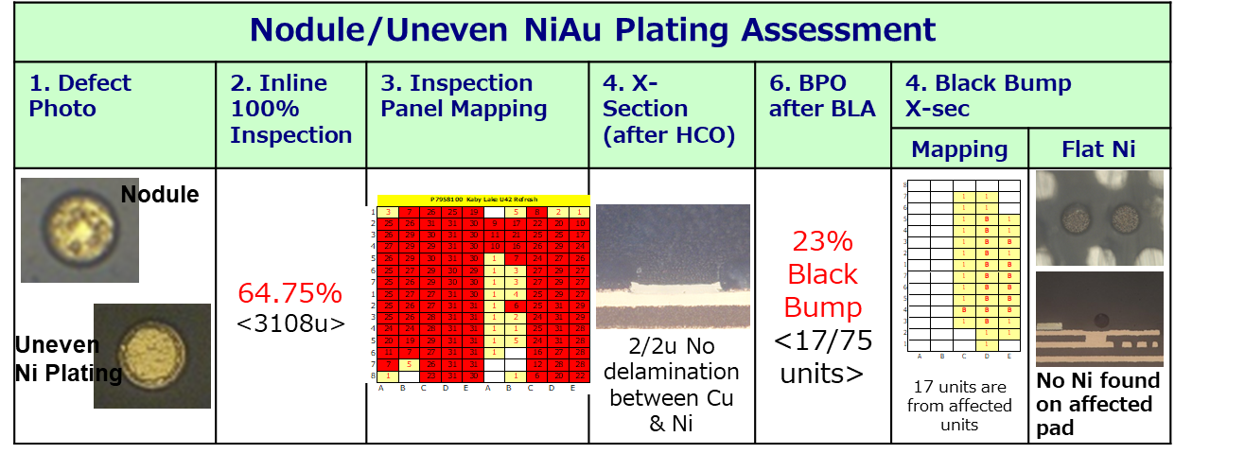
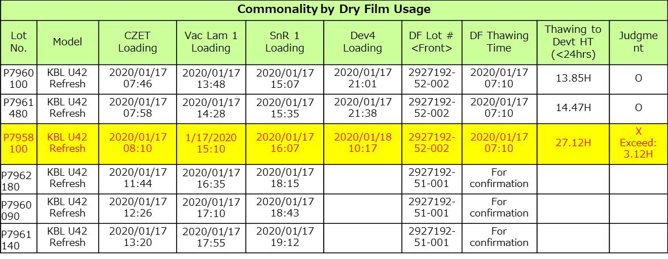

 |  |  |  |  |  |  |  |  |  |  |  |  |  | >Based on dry film batching at Vacuum Lamination, affected lot is the only lot that exceed on DF thawing to development process.

IPLAR HISTORY

STARLINE ALARM ASSESSMENT


With starline alarm at NPA
Ni thickness is within specs for all lots ongoing in the machine during starline alarm

<3> CONTAINMENT ACTION (Note: Do not disable the interlock system when doing the action) |  |  |  |  |  |  |  |  |  |  |  |  |  |  |  | Responsible |  |  | Completion Date |  |  | Status
 |  |  |  |  |  |  |  |  |  |  |  |  |  |  |  | Name / Block

<4> DISPOSITION OF AFFECTED LOT AND RISK ASSESSMENT

Assessment Item (# of sample/Method) |  |  |  | Responsible Name / Block |  |  | Completion Date |  |  | Assessment Result (No Good/TTL QTY) |  |  |  |  |  | Judgment (OK/NG) |  |  | Final Disposition
BPO and crosscut affected units |  |  |  | QC-Irene |  |  | 27-Jan-20 |  |  | 17/75 |  |  |  |  |  | NG |  |  |  | Proceed
 |  |  |  |  |  |  |  |  |  |  |  |  |  |  |  |  |  |  |  | Piece Out |  | Qty : ______________________________
 |  |  |  |  |  |  |  |  |  |  |  |  |  |  |  |  |  |  |  | Sheet Out |  | Qty : _______ Pnl #: ________________
 |  |  |  |  |  |  |  |  |  |  |  |  |  |  |  |  |  |  |  | Lot Out |  | Qty : ______________________________
 |  |  |  |  |  |  |  |  |  |  |  |  |  |  |  |  |  |  |  | SDR |  | Qty : ______________________________

Risk Assessment Category |  |  |  |  |  |  |  |  |  |  | Remarks
 |  | Low |  | Medium |  |  |  | High |  |  | ________________________

<5>ACTION REQUIRED (Note: Do not disable the interlock system when doing the action)

Action Request |  |  |  |  |  |  |  |  |  | Responsible Name / Block |  |  |  |  |  | Completion Date |  |  | Detail Results
1. SF1 investigation regarding exceed DF thawing to development process |  |  |  |  |  |  |  |  |  | SF-Lei
2.Good units BPO on other lots affected of starline alarm |  |  |  |  |  |  |  |  |  | QC-Irene
3. Follow up DRB by SF1 |  |  |  |  |  |  |  |  |  | SF-Lei

<6> ROOTCAUSE GENERATION/ANALYSIS <WHY ANALYSIS by 5M1E, DESIGN AND CAPABILITY>

 | 1. FACTOR GAP ANALYSIS
 | Problem/Issue |  | Gap Type |  | 1st why |  |  |  | 2nd why |  |  |  |  |  | 3rd why |  |  |  |  |  | 4th why |  |  | 5th why
 |  |  | Technical

 |  |  | Systemic
 |  |  | Detection
 | 2. FINAL ROOT CAUSE and MECHANISM OF AFFECTED ISSUE

<7> CORRECTIVE ACTION |  |  |  |  |  |  |  |  |  |  |  |  | Responsible |  |  |  | Completion Date |  |  | Status |  |  | Need CN & DR?
 |  |  |  |  |  |  |  |  |  |  |  |  | Name / Block |  |  |  |  |  |  |  |  |  | Yes | No

<8> PREVENTIVE ACTION |  |  |  |  |  |  |  |  |  |  |  |  | Responsible |  |  |  | Completion Date |  |  | Status |  |  | Need CN & DR?
 |  |  |  |  |  |  |  |  |  |  |  |  | Name / Block |  |  |  |  |  |  |  |  |  | Yes | No

<9> PROLIFERATION |  |  |  |  |  |  |  |  |  |  |  |  |  |  |  | Responsible |  |  | Completion |  |  | Status
 |  |  |  |  |  |  |  |  |  |  |  |  |  |  |  | Name / Sign |  |  | Date
Product |  | Block | Process/line |  | Machine |  | Proliferate Item
 |  |  |  |  |  |  | 1
 |  |  |  |  |  |  | 2
<10>AMOUNT OF LOSS . The total sum_________________
Product |  |  |  |  | Unit Qty |  |  |  |  |  |  |  | Amount of Loss |  |  |  |  |  |  | Remarks

<11> CLOSING APPROVAL (The approver person in charge should put details of the validation and closing confirmation result)
The Validation activity |  |  |  |  |  |  |  |  |  |  |  |  |  |  |  |  | Closing Approver |  |  |  |  | Closing Date
 |  |  |  |  |  |  |  |  |  |  |  |  |  |  |  |  | DGM Nobuyuki Ito

 |  |  |  |  |  |  |  |  |  |  |  |  |  |  |  |  |  |  |  |  |  |  |  |  | QA-SCAR-MRB-02-00-01 Rev. 11

