O Design
IC_Content_O_Standard | IC_Content_O_SmartLayout | IC_Content_O_Navigation | IC_Content_O_Assistant | IC_Content_O_Minimal
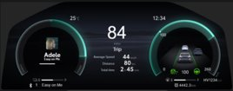
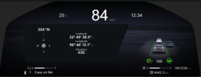

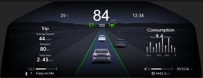
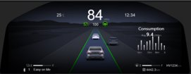

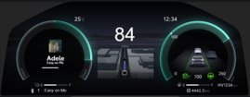
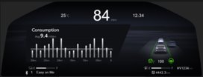
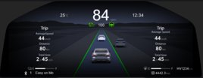

rgb(25, 29, 32) | rgb(24, 25, 29) | rgb(32, 34, 38) | rgb(29, 32, 37) | rgb(29, 32, 37)
#191d20 | #18191d | #202226 | #1d2025 | #1d2025
hsl(206, 12%, 11%) | hsl(228, 9%, 10%) | hsl(220, 9%, 14%) | hsl(218, 12%, 13%) | hsl(218, 12%, 13%)

rgb(27, 32, 35) | rgb(27, 29, 33)
#1b2023 | #1b1d21
hsl(203, 13%, 12%) | hsl(220, 10%, 12%)

E Design
IC_Content_E_Standard | IC_Content_E_Minimal | IC_Content_E_Assistant | IC_Content_E_Navigation | IC_Content_E_SmartLayout
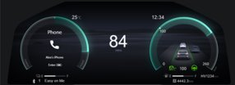



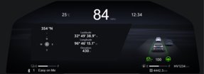

rgb(28, 33, 37) | rgb(32, 34, 40) | rgb(31, 33, 39) | rgb(32, 34, 37) | rgb(23, 24, 28)
#1c2125 | #202228 | #1f2127 | #202225 | #17181c
hsl(207, 14%, 13%) | hsl(225, 11%, 14%) | hsl(225, 11%, 14%) | hsl(216, 7%, 14%) | hsl(228, 10%, 10%)

