04092012
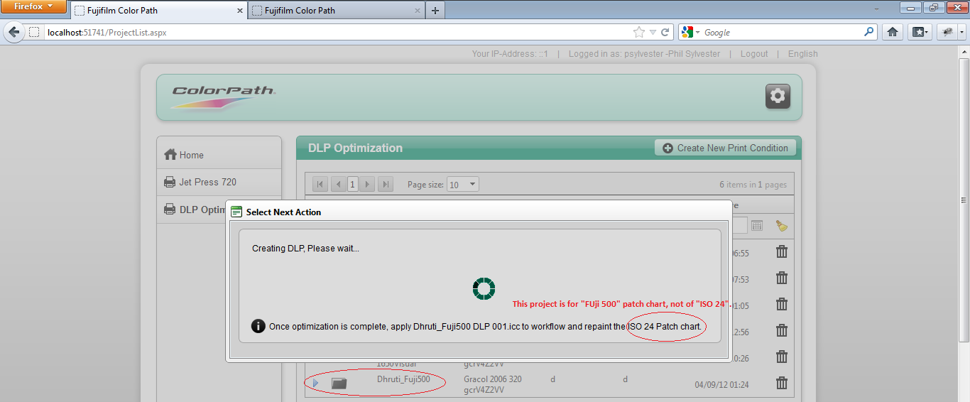
Sr.No | Task | Section | Status | Dhruti_Verified | Notes | Dhruti's Notes
1 | On Project List/ DLP Optimization List à open existing project "Jay_Parikh_Test_Project1" with "Continue" button --> create DLP by clicking on "Download DLP" button on analyze page. --> on Export page and on popup message of analyze page, it showing like "IT8.7.4 Random" chart instead of "ISO 24" chart under this project. (90% of time, it is showing IT8.7.4 Random chart for all types of chart types.) | Optimization |  | Solved |  | Please change the sql query of "CPSync4D.GetOptimizeRunChartId" function as per my email.
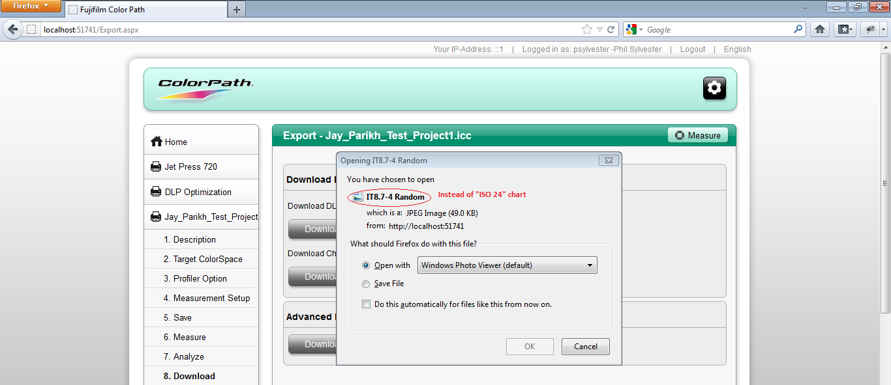

2 | On Project List/ DLP Optimization List à open existing project of IT8.7.4 Random chart with "Continue" button --> on Run-1's export page. --> when I click "Download Chart" --> it shows "Download chart is not available", but we have IT8.7.4 Random chart available to download in database. | Optimization |  | Solved |  | Please change the sql query of "CPSync4D.GetOptimizeRunChartId" function as per my email.
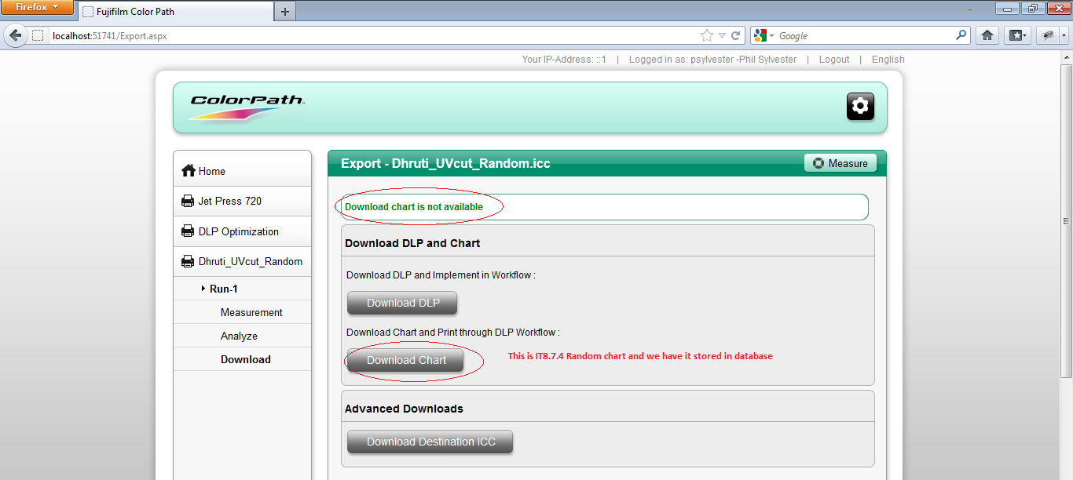

3 | On Project List/ DLP Optimization List à open existing closed project of Fuji 500 patch chart --> on pop up window, click on "re-optimize" button --> it is showing "creating DLP..." message as shown below, but it is showing chart "ISO 24" instead of "Fuji 500". | Optimization |  | Solved |  | Please change the sql query of "CPSync4D.GetOptimizeRunChartId" function as per my email.

