Legend
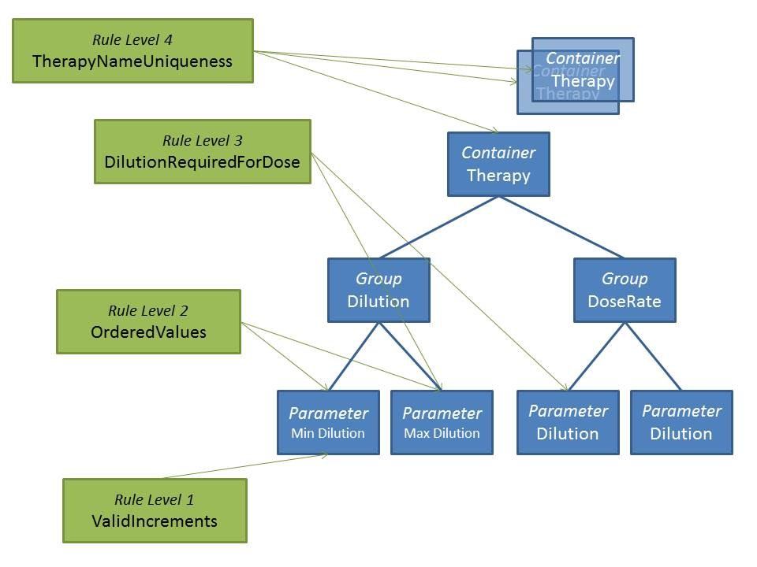
Tab | Description
Edit Data | List of the parameters used by the OneDrugLib UI.

ODL Rules | Definitions of the rules associated to the parameters listed in Edit Data tab.
Color of Definition (column)
INFORMATION | the system should display the outcome of the validation failure as an information.
DIRECT ERROR | the system should display the outcome of the validation failureas an error (the system cannot save data entered or modified).
INDIRECT ERROR | the system should display the outcome of the validation failureas an indirect error (the system will still be able to save data enered and modified).
Rule levels (columns)

