Charts
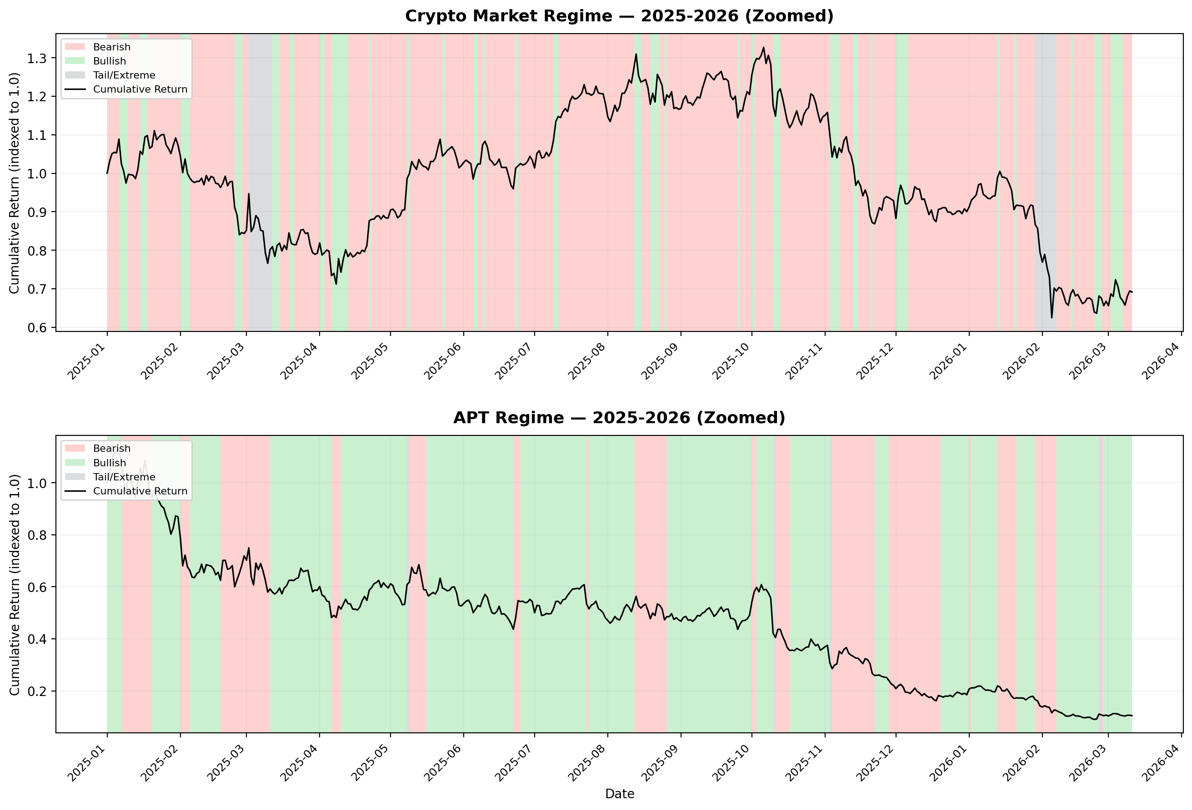
Full History Regime Chart

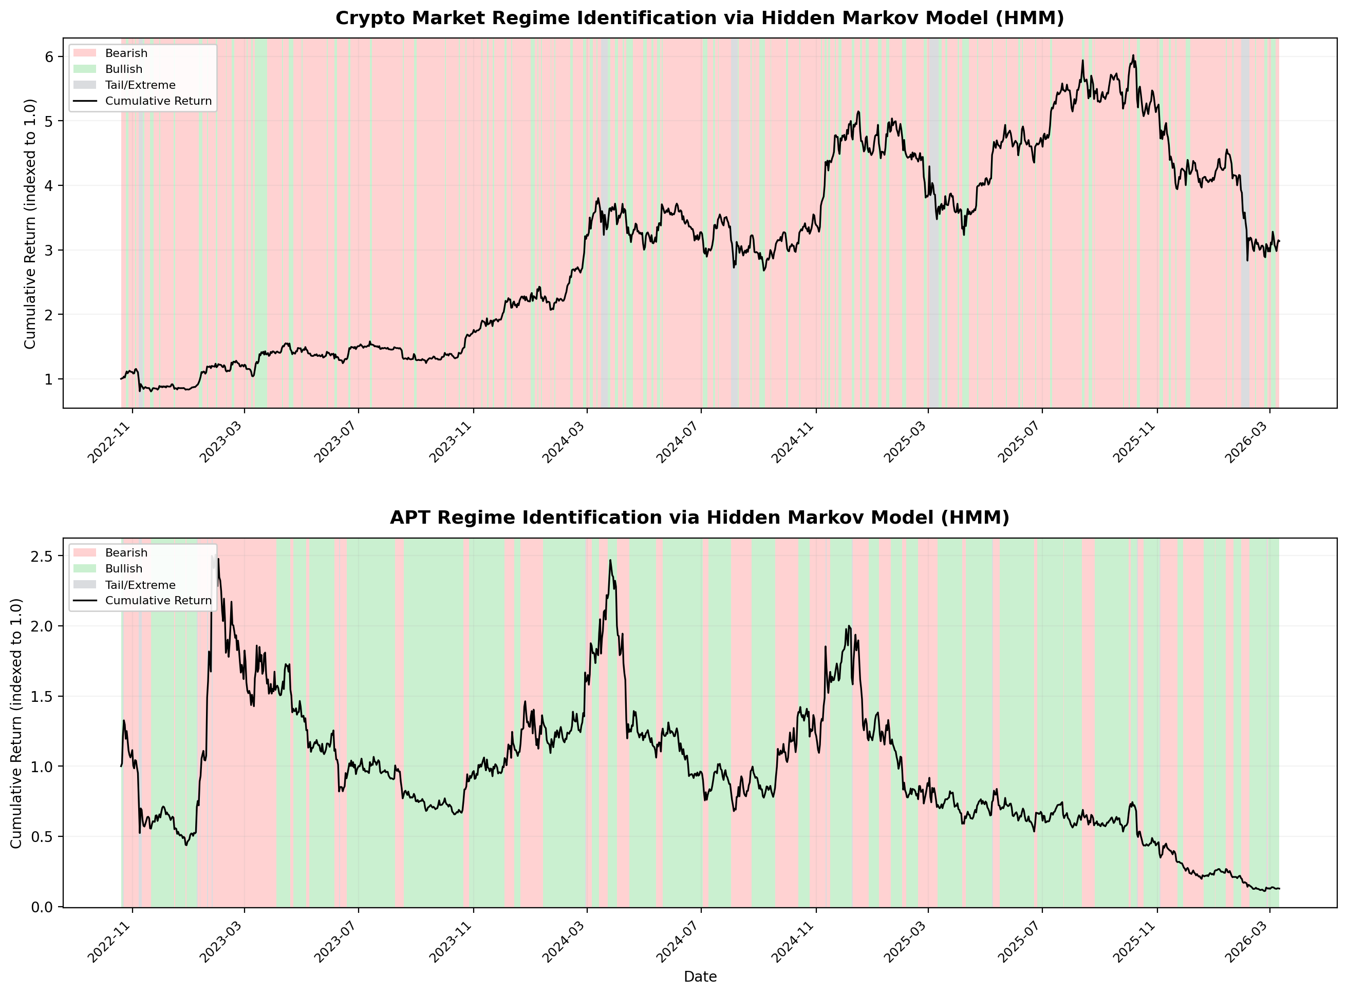

2025-2026 Zoomed Regime Chart

