Norminal
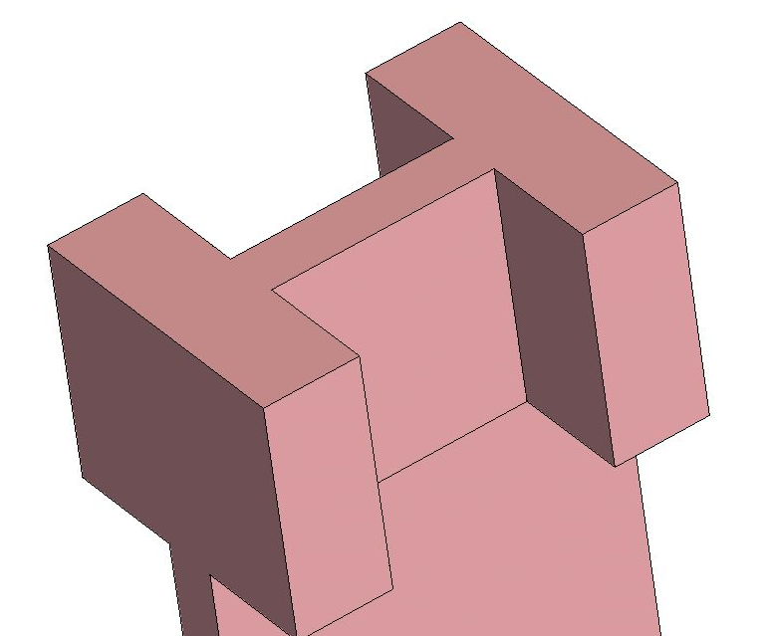
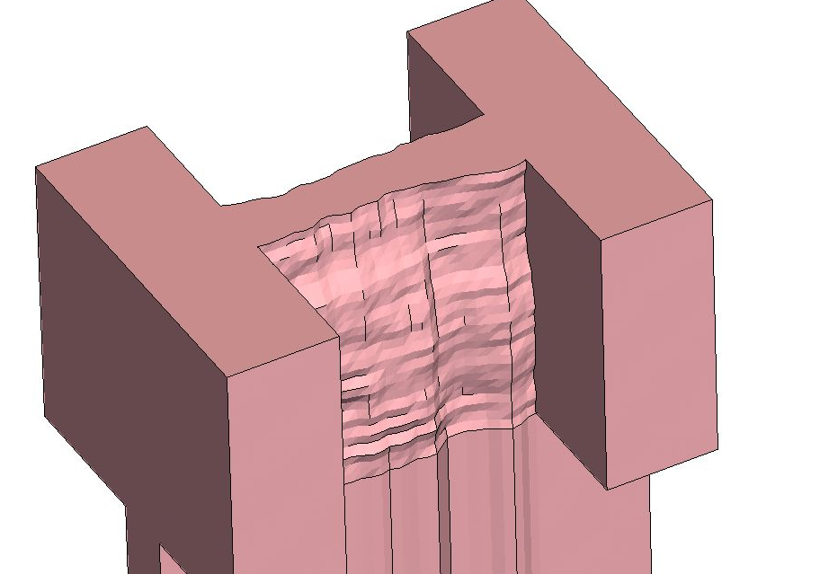
 |  | Vd=0.7 V | Vd=0.05 V | Vd=0.7 V | Vd=0.05 V |  |  | (1e-7)*Weff/Lg = (1e-7)*(2*Hfin+Wfin)/Lg
Nominal TR | Ioff | Vt,sat | Vt,lin | Id,sat | Id,lin | SS | DIBL [mV/V] | Hfin [um] | 0.03 |  | L14W7H30 | amp | corx | cory | alpha
 | 1.67E-12 | 0.41 | 0.44 | 2.19E-05 | 1.30E-05 | 78.129 | 46.153846154 | Wfin [um] | 0.007 |  |  | 0.5 | 20 | 50 | 1
 |  |  |  |  |  |  |  | Lg [um] | 0.014
 |  |  |  |  |  |  |  | constant current | 4.7857142857E-07 | A/um

14 nm Tech.
 |  | Vd=0.8 V | Vd=0.05 V | Vd=0.8 V | Vd=0.05 V |  |  |  | (1e-7)*Weff/Lg = (1e-7)*(2*Hfin+Wfin)/Lg |  | constant current [A/um] |  | 3.5384615385E-07 |  | self-aligned double patterning (SADP)
Nominal TR | Ioff [A/um] | Vt,sat [V] | Vt,lin [V] | Id,sat [A/um] | Id,lin [A/um] | SS [mV/decade] | DIBL [mV/V] |  | 14 nm Tech. (2015) |  | Amplitude [nm] |  | 0.5 | 0.45~0.55 (90%) | 3sigma = 2 nm
ITRS (LP) | 1.0000E-10 | 0.351 |  | 1.4550E-03 |  | 75 | 468 |  | Hfin [nm] | 42 | Correlation length x [nm] |  | 20 | 18~22 (90%) | 17 nm
Simulation | 1.0241E-10 | 0.294 | 0.305 | 5.1402E-04 | 2.2033E-04 | 62.342 | 14.666666667 |  | Wfin [nm] | 8 | Correlation length y [nm] |  | 50 | 45~55 (90%)
1.0000E-10 | 9.2000E-12 |  |  | 1.3386E-04 |  |  |  |  | Lg [nm] | 26 | Alpha |  | 1 | 0.9~1.1 (90%)
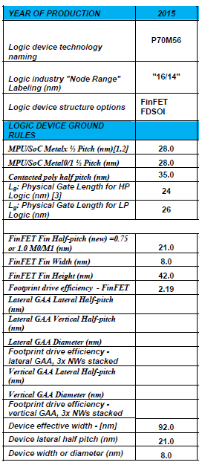
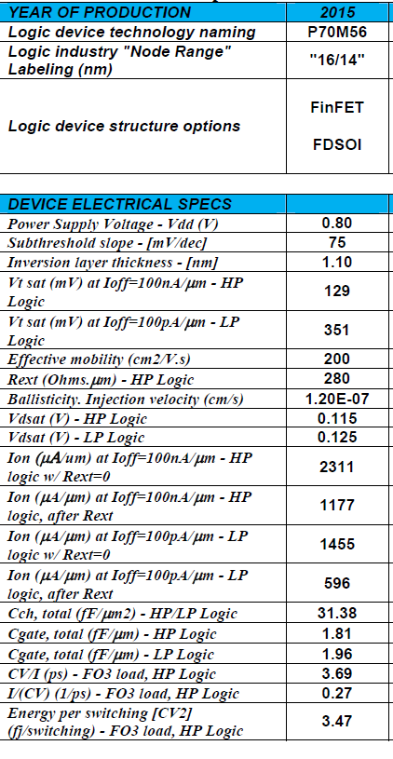
 |  |  |  |  |  |  |  |  | VDD [V] | 0.8 V
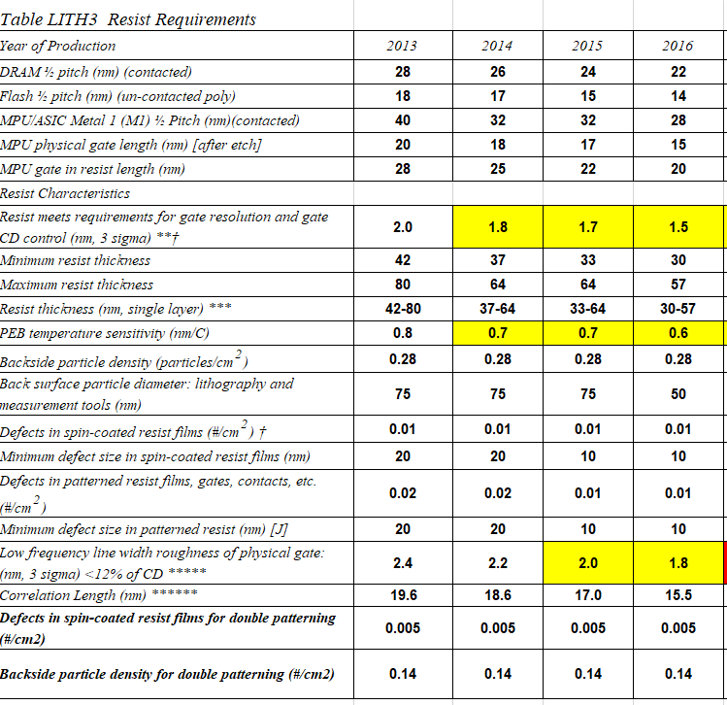
 |  |  |  |  |  |  |  |  |  |  |  |  |  |  | x | 함수식 | 확률

 | 1 | 2 | 3 | 4 | 5 | 6 | 7 | 8 | 9 | 10 | 11 | 12 | 13 | 14 | 15 | 16 | 17 | 18 | 19 | 20 | 21 | 22 | 23 | 24 | 25 | 26 | 27 | 28 | 29 | 30 | 31 | 32 | 33 | 34 | 35 | 36 | 37 | 38 | 39 | 40 | 41 | 42 | 43 | 44 | 45 | 46 | 47 | 48 | 49 | 50 | 51 | 52 | 53 | 54 | 55 | 56 | 57 | 58 | 59 | 60 | 61 | 62 | 63 | 64 | 65 | 66 | 67 | 68 | 69 | 70 | 71 | 72 | 73 | 74 | 75 | 76 | 77 | 78 | 79 | 80 | 81 | 82 | 83 | 84 | 85 | 86 | 87 | 88 | 89 | 90 | 91 | 92 | 93 | 94 | 95 | 96 | 97 | 98 | 99 | 100
Amplitude (0.5+-0.05) | 0.5137 | 0.4984 | 0.4825 | 0.5046 | 0.519 | 0.4943 | 0.5297 | 0.5114 | 0.4746 | 0.5147 | 0.5161 | 0.5151 | 0.4967 | 0.483 | 0.4764 | 0.4934 | 0.4963 | 0.5188 | 0.5022 | 0.4922 | 0.4543 | 0.4938 | 0.4983 | 0.5045 | 0.5061 | 0.4996 | 0.4935 | 0.5055 | 0.4842 | 0.4699 | 0.5191 | 0.4749 | 0.4815 | 0.5231 | 0.51 | 0.4989 | 0.484 | 0.4492 | 0.4841 | 0.5239 | 0.4979 | 0.4727 | 0.5013 | 0.4744 | 0.477 | 0.4973 | 0.5055 | 0.5161 | 0.4931 | 0.515 | 0.5126 | 0.4781 | 0.4887 | 0.4917 | 0.5075 | 0.4923 | 0.5029 | 0.4852 | 0.5299 | 0.4844 | 0.5099 | 0.5123 | 0.5117 | 0.5087 | 0.5134 | 0.5116 | 0.5248 | 0.5143 | 0.4991 | 0.5107 | 0.5169 | 0.5317 | 0.4689 | 0.4659 | 0.4783 | 0.5177 | 0.4977 | 0.5001 | 0.4745 | 0.538 | 0.4979 | 0.4922 | 0.4985 | 0.5036 | 0.5173 | 0.5029 | 0.4899 | 0.5178 | 0.4928 | 0.5025 | 0.5439 | 0.5043 | 0.5107 | 0.4818 | 0.5209 | 0.5098 | 0.4835 | 0.4876 | 0.5257 | 0.51
Correlation legnth x (20 +- 2) | 20.374 | 20.4143 | 19.5554 | 20.411 | 19.4312 | 19.6723 | 20.721 | 19.4989 | 19.818 | 19.7806 | 20.2692 | 21.2215 | 18.4658 | 20.4863 | 20.3361 | 19.708 | 21.1148 | 20.673 | 20.1179 | 19.4958 | 20.7981 | 20.1816 | 19.7085 | 19.1558 | 18.979 | 21.3876 | 20.0607 | 20.8699 | 19.8082 | 19.8785 | 20.3743 | 20.0153 | 20.3121 | 21.0261 | 21.4393 | 19.6239 | 19.802 | 20.3398 | 19.0989 | 18.8602 | 20.1582 | 20.227 | 19.8563 | 20.3916 | 19.4492 | 20.8364 | 19.8647 | 19.4676 | 20.1639 | 19.9032 | 20.0107 | 21.6827 | 21.4712 | 19.6396 | 19.8492 | 20.3895 | 20.0762 | 20.8132 | 19.3835 | 19.3794 | 20.7553 | 19.9458 | 20.0705 | 19.6692 | 19.7826 | 19.0913 | 20.7281 | 19.4858 | 20.7764 | 20.2203 | 20.3419 | 20.3757 | 19.7506 | 20.5241 | 20.2737 | 19.6767 | 18.7396 | 20.7488 | 20.4932 | 20.7983 | 19.6752 | 20.2487 | 20.4872 | 18.9351 | 18.5555 | 20.917 | 21.5202 | 20.6917 | 20.4278 | 19.4083 | 20.0945 | 21.3899 | 20.2211 | 19.2689 | 18.6521 | 18.4061 | 20.2779 | 20.2317 | 20.8388 | 20.3214
Correlation length y (50 +- 5) | 49.0812 | 50.7494 | 51.6551 | 49.0315 | 49.0077 | 49.4983 | 51.4652 | 46.6014 | 46.8343 | 50.1182 | 49.7337 | 50.1813 | 52.8483 | 47.2852 | 49.4222 | 50.0992 | 51.3093 | 49.5522 | 52.128 | 50.6871 | 49.678 | 47.7446 | 48.6749 | 47.7806 | 53.0196 | 49.214 | 49.3535 | 48.6158 | 51.0461 | 51.2526 | 51.326 | 48.1398 | 49.9458 | 47.6369 | 50.0031 | 50.4012 | 47.6672 | 51.4867 | 48.0783 | 47.2775 | 50.5956 | 51.9438 | 53.5281 | 46.5915 | 51.6775 | 49.3664 | 49.0578 | 49.6088 | 47.4153 | 51.3706 | 47.7857 | 50.4224 | 49.0859 | 50.1214 | 49.9528 | 45.4259 | 52.6731 | 48.5292 | 47.8624 | 50.173 | 48.5154 | 48.2285 | 48.9082 | 50.2481 | 49.0546 | 49.2503 | 48.6509 | 50.4101 | 49.2291 | 48.8198 | 49.3871 | 46.3973 | 48.661 | 49.1774 | 49.7149 | 49.2524 | 50.0611 | 51.0717 | 50.5673 | 52.6905 | 46.5897 | 51.0131 | 46.2882 | 49.94 | 49.2983 | 47.7208 | 46.217 | 46.365 | 49.8412 | 50.9196 | 51.0355 | 48.5832 | 47.5609 | 50.5774 | 45.3789 | 51.1481 | 51.2257 | 51.3833 | 48.7634 | 49.803
alpha (1.0 +- 0.1) | 1.0137 | 0.9719 | 0.943 | 1.0075 | 0.9846 | 0.9928 | 1.0238 | 1.0091 | 1.0165 | 1.004 | 1.0356 | 1.0305 | 1.0253 | 1.0476 | 0.9736 | 1.0598 | 0.9852 | 0.9865 | 1.0097 | 1.0176 | 1.0015 | 0.9841 | 0.9973 | 0.9941 | 1.0266 | 1.0368 | 0.9893 | 0.9654 | 1.0454 | 0.9848 | 1.0023 | 0.9917 | 0.9341 | 1.0589 | 0.9729 | 0.9956 | 0.9518 | 1.0188 | 0.9696 | 0.9906 | 0.9982 | 1.0071 | 0.9985 | 1.0132 | 0.9942 | 0.9338 | 0.9614 | 1.0268 | 0.9754 | 1.0558 | 0.9895 | 0.9867 | 0.9883 | 1.0374 | 0.9542 | 0.9903 | 1.0642 | 1.0287 | 0.9274 | 1.0081 | 1.0142 | 0.9871 | 0.9919 | 1.0165 | 0.9164 | 1.0268 | 0.9312 | 1.0183 | 0.9936 | 1.0086 | 1.0054 | 0.9668 | 0.9391 | 1.0142 | 1.0154 | 0.9801 | 0.9722 | 0.9575 | 0.9647 | 1.0171 | 0.9691 | 1.0262 | 0.9662 | 0.9746 | 1.056 | 0.9484 | 0.9958 | 1.0292 | 0.9823 | 1.0032 | 1.0734 | 0.9812 | 0.9162 | 1.0276 | 1.04 | 1.0066 | 1.0095 | 1.0518 | 0.9803 | 0.9554

