GCP initial request data
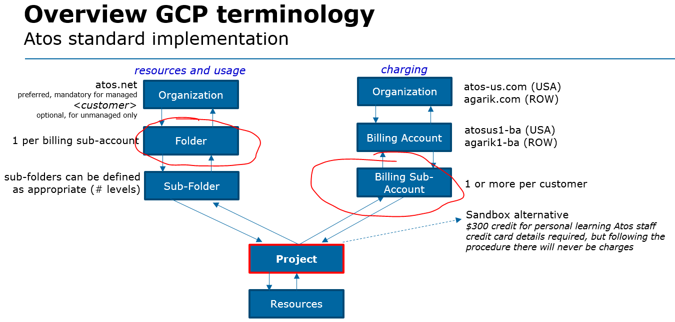
 | Through this form a new billing sub-account can be requested on GCP. Cost for GCP usage will be allocated to this billing sub-account, so that each customer environment can be internally recharged through it's associated WBS. |  |  |  |  |  |  | BDS | APAC | Atos staff: atos.net G Suite user account exists | create new GCP folder and new GCP billing sub-account | Unmanaged
 |  |  |  |  |  |  |  | B&PS | BTN | Atos staff: please have an atos.net G Suite user accounted created for me | create new GCP billing sub-account only (existing GCP folder will be used) | Infrastructure
 |  |  |  |  |  |  |  | IDM | CEE | customer staff: Google user account exists |  | Instance
 |  |  |  |  |  |  |  | Unify | France
 |  |  |  |  |  |  |  | Worldline | Germany
 |  |  |  | mandatory input | comments | example input |  |  | Iberia
 |  |  |  | optional input |  |  |  |  | MEA
 |  |  |  | generated |  |  |  |  | NAO
 |  |  |  |  |  |  |  |  | SAM
1 | Requestor | Name |  | Tomasz Korniluk | Atos employee's only | Sjak Verlangen |  |  | UK/IR
2 |  | Phone |  |  |  | +31 6 51018861
3 |  | Email |  | tomasz.korniluk@atos.net |  | sjak.verlangen@atos.net
4 |  | Date |  | 13.03.2020 | request date | October 2, 2018
5 | Customer environment | Customer name |  | Acme |  | Atos
6 |  | Sub name |  | DHC-acme |  | Agora-Landmark | Source: GCP ordering and billing process.ppt
7 |  | Description |  | Dedicated GCP environment for DHC Customer Acme |  | this environment will be used as a temporary area to test and develop Agora-Landmark migration procedures
8 |  | Atos leading GBU |  | CEE |  | IDM
9 |  | Atos leading division |  | IDM |  | France
10 |  | Environment type |  | Infrastructure | see references in Introduction tab
11 | GCP setup | Main billing account |  | agarik1-ba (under agarik.com)
12 |  | Folder creation? |  | create new GCP folder and new GCP billing sub-account | by default a complete new environment will be created; in migration scenarios this might not be required
13 |  | Folder under Organization |  | atos.net | Atos preference is to use atos.net; however in cases where the customer maintains responsibility for cloud management ("unmanaged"), they can deploy resources in their own organization/domain and connect their projects to the new Atos billing sub-account (in this scenario Atos staff cannot create a GCP folder)
14 | WBS owner | Code |  | WBS CODE | Atos employee specified in Nessie as WBS owner | FR.YSTIA0.BAA.DV
15 |  | Name |  | Tomasz Korniluk |  | Ian Gladdon
16 |  | Email |  | tomasz.korniluk@atos.net |  | ian.gladdon@atos.net
17 | GCP owner | DAS ID |  | A136764 | person to be defined as Billing Account Administrator to create projects, sub-folders and access authorizations; also responsible for cost control please note that staff requiring access to GCP needs to have a Google user account; for Atos staff this will be an atos.net G Suite Business account (a Google consumer account, even with @atos.net, is not allowed for security reasons) | NL06796
18 |  | Name |  | Tomasz Korniluk |  | Sjak Verlangen
19 |  | Email |  | tomasz.korniluk@atos.net
20 |  | existing or new Google identity? |  | Atos staff: please have an atos.net G Suite user accounted created for me |  | sjak.verlangen@atos.net
21 | Costs | Monthly spend estimate |  | € 300 | expected monthly GPC cost | € 1,000
 |  | Monthly spend alerts | 50% | € 150 | GCP owner receives alert at this value (at least once a month) | defaults, can be overwritten
 |  |  | 90% | € 270
 |  |  | 100% | € 300
 |  | GCP credits apply? |  |  | will GCP credits (how much) be assigned to this environment? | € 0

