TKE Plot
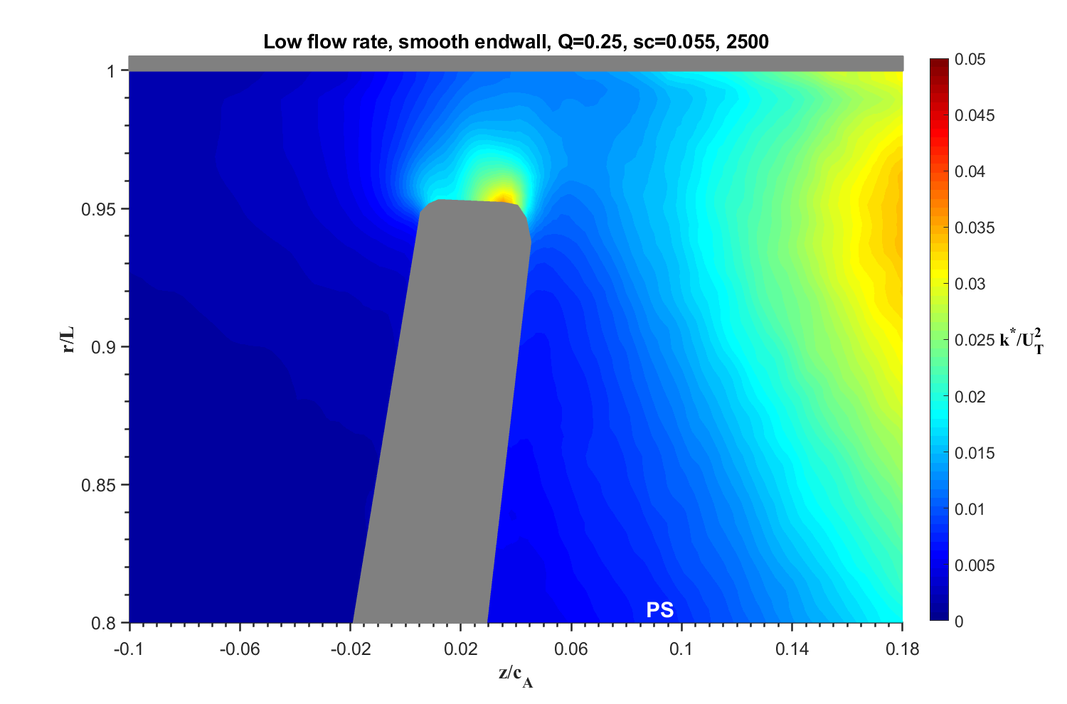

Figures
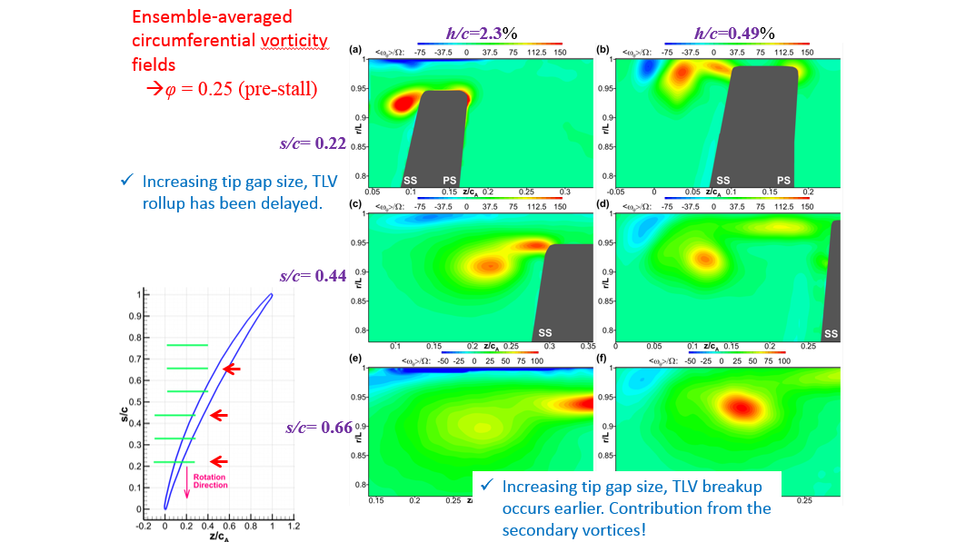
s/c = 10%
s/c = 5.5%
s/c = -5.5%
s/c = -10%
s/c = 55%
Large Tip Gap Q 0.25 and 0.35

