TKE Plot
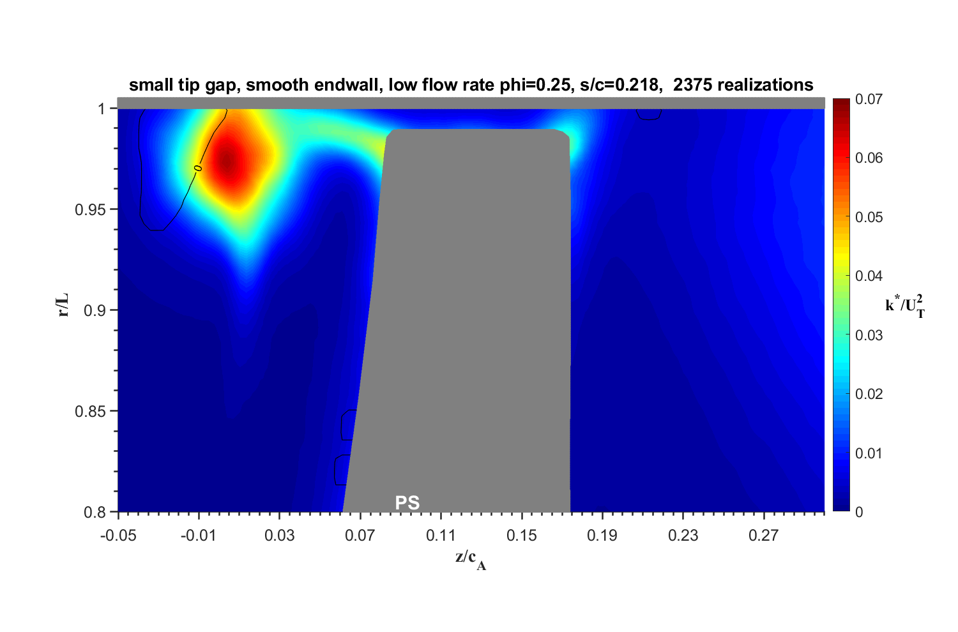

Figures
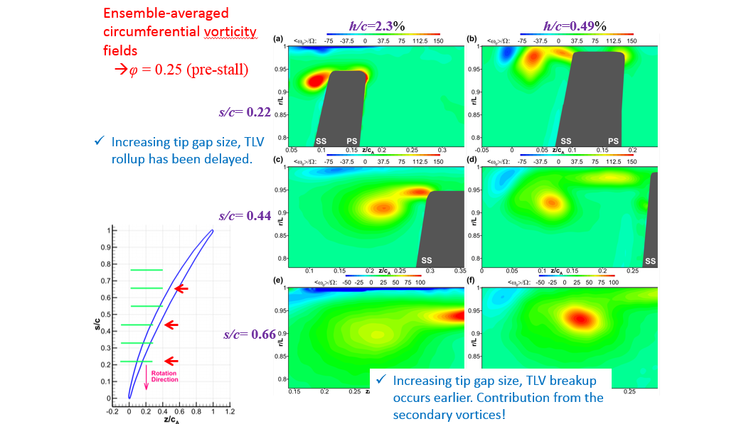
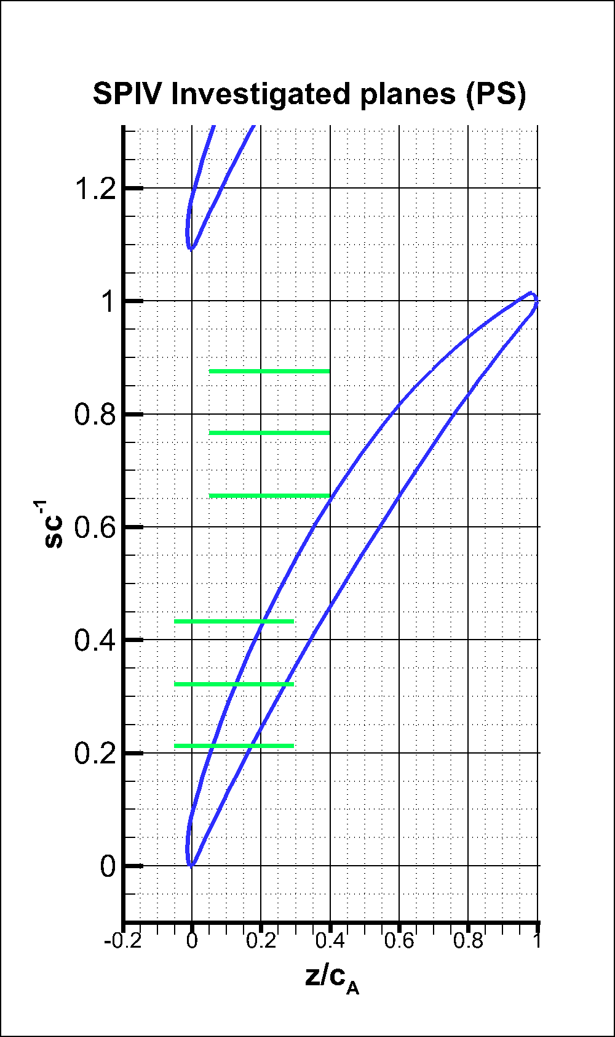
Small Tip Gap Q 0.25
s/c=0.328
s/c=0.437
s/c=0.218
s/c=0.655
s/c=0.763
s/c=0.873

