Data Dictionary_General
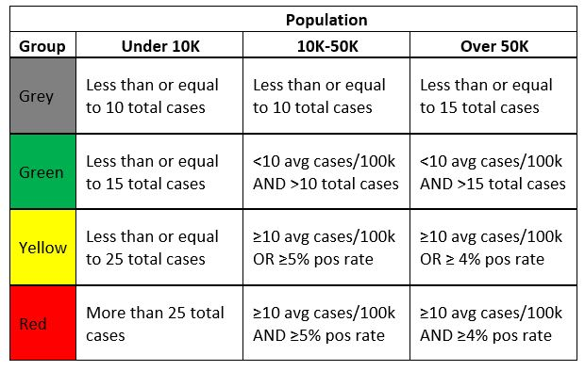
Tab Name | Variable Name | Details
Weekly City File | City/Town | Name of the city or town in MA to which this data applies; Address information for these cases listed in "Unknown" are currently being obtained.
 | Total Case Count | Total number of confirmed COVID-19 cases since Jan 1, 2020
 | Two Week Case Count | Total number of confirmed COVID-19 cases in the last 14 days
 | Average Daily Incidence Rate per 100000 | Incidence rate for the past 14 days calculated per 100,000 people and then averaged over the past 14 days for average daily rate; for the color rules please refer to the grid to the right of this cell
 | % Change in Last Week | Number of new cases occurring during the current two-week period compared to the previous two-week period. Increase=number of new cases in the current two-week period higher than the number of new cases in the last two-week period. Decrease=number of new cases in current two-week period lower than number of new cases in the last two-week period. No change=number of new cases in current two-week period equal to the number of new cases in the last two-week period.
 | Total tests | Total number of molecular COVID-19 tests since Jan 1, 2020
 | Total Tests Last Two Weeks | Total number of molecular COVID-19 tests in the last 14 days
 | Total Positive Tests | Total number of positive molecular COVID-19 tests in the last 14 days
 | Percent positivity | Total number of positive molecular COVID-19 tests in the last 14 days divided by the total number of molecular COVID-19 tests in the last 14 days
 | Change Since Last Week | Change in percent positivity compared to the previous week’s report. No Change= <0.10% difference in the percent positivity.
PPE Summary | Summary table by Region and by Entity type of the total number of N95/KN95 masks, Masks, Gloves, Gowns, and Ventilators distributed
PPE Regional | Summary table of the cross-section of Region and Entity type of the total number of N95/KN95 masks, Masks, Gloves, Gowns, and Ventilators distributed
Quarantine and Isolation | Date | Date on which this data was reported out on
 | Page | Denotes if this is quarantine or isolation data
 | Status | Denotes the quarantine or isolation status of residents
 | Residents | The total number of residents that fall into that status
LTCF | Facility | Name of the facility to which the data applies
 | County | County where the facility is located
 | Total licensed beds | Total licensed beds available at the facility
 | Total Cases* | Number of confirmed COVID-19 cases at the facility (among both staff and residents) to date
 | Total Deaths** | Number of confirmed COVID-19 deaths at the facility among residents to date
ALR | Facility | Name of the facility to which the data applies
 | County | County where the facility is located
 | Max Occupancy | Total capacity of the Assisted Living Residence
 | Cases | Number of confirmed COVID-19 cases at the facility (among both staff and residents) to date
Antibody | Test Date | Date the sample was taken for the antibody test
 | Positive Tests | Positive antibody COVID-19 tests by the date the patient was tested
 | Total Tests | Total antibody COVID-19 tests by the date the patient was tested
County_Data, Age MeansLast2Weeks, AgeLast2Weeks, CountyDeathsLast2Weeks, SexLast2Weeks, HigherED_breakout, HigherED_CasesByTestDate, Hospital Admissions, Death Pies, RaceEthnicity |  | Theses data are now located at https://www.mass.gov/info-details/covid-19-response-reporting

