Φύλλο1
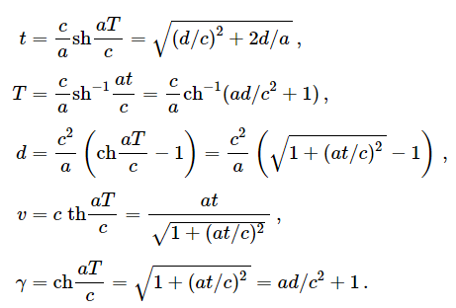
$${sh}^{−1}x=ln⁡(x+\sqrt{x^{2}+1})$$
$${ch}^{−1}x=ln⁡(x+\sqrt{x^{2}−1})$$
Gravity const | g | 1.03 | ly/y2 |  | Gravity const | g | 1.03 | ly/y2
Speed of light | c | 1.00 | ly/y |  | Speed of light | c | 1.00
Constant acceleration | α | 1 | g |  | Constant acceleration | α | 1
Proper time (crew time) | T | 1.3 | y |  | Distance covered | d | 1.00
Distance covered | d | 1.01 | ly |  | Proper time (crew time) | T | 1.30
Rocket velocity/c | v/c | 0.87143185023 | ly/y |  | Rocket velocity/c | v/c | 0.87024971292
Time (earth ref.frame) | t | 1.72 | y |  | Time (earth ref.frame) | t | 1.72
Lorentz factor | γ | 2.04 |  |  | Lorentz factor | γ | 2.03

T |  | 1.3

acceleration (g times) |  | 1

Distance |  | T | Tstop | t | v/c
1 |  | 1.3 | 1.9 | 1.72 | 0.87024971292
2 |  | 1.7 | 2.6 | 2.81 | 0.94509442319
3 |  | 2.0 | 3.1 | 3.85 | 0.96964960052
4 |  | 2.2 | 3.5 | 4.88 | 0.98074106029
Proper Time
Proper Time vs Earth Time
5 |  | 2.4 | 3.8 | 5.89 | 0.98669180154
8 |  | 2.8 | 4.5 | 8.92 | 0.99412641347
12 |  | 3.2 | 5.2 | 12.93 | 0.99719478171
15 |  | 3.4 | 5.5 | 15.94 | 0.99815056111
20 |  | 3.7 | 6.1 | 20.95 | 0.99892775162
50 |  | 4.5 | 7.7 | 50.96 | 0.99981857765
80 |  | 5.0 | 8.6 | 80.97 | 0.99992811248
100 |  | 5.2 | 9.0 | 100.97 | 0.99995377112

Tstop = decelerate at the halfway point
Stopping at: |  | Distance (ly) | T (y) |  | Max velocity
Nearest Star |  | 4.3 | 3.6 |  | 0.950380334709522400
Vega |  | 27 | 6.6 |  | 0.997746821539514300
Center of Milky Way |  | 30,000 | 20.1 |  | 0.999999997905613600
Earth Time
Andromeda Galaxy |  | 2,000,000 | 28.2 |  | 0.999999999999528700

