Reporte_Ejecutivo
 |  | REPORTE EJECUTIVO

Pizza | Dinero Ganado
bbq_ckn_s | 5265.75
bbq_ckn_m | 14438.5
bbq_ckn_l | 18280.75
cali_ckn_s | 5610
cali_ckn_m | 13584.25
cali_ckn_l | 16724.5
ckn_alfredo_s | 1071
ckn_alfredo_m | 10435.25
ckn_alfredo_l | 3506.75
ckn_pesto_s | 3480.75
ckn_pesto_m | 4154
ckn_pesto_l | 7490.75
southw_ckn_s | 4258.5
southw_ckn_m | 7872.5
southw_ckn_l | 18633.5
thai_ckn_s | 5278.5
thai_ckn_m | 7035
thai_ckn_l | 25667.75
big_meat_s | 20112
big_meat_m | 0
big_meat_l | 0
classic_dlx_s | 8556
classic_dlx_m | 16320
classic_dlx_l | 8589.5
hawaiian_s | 9649.5
hawaiian_m | 5631.25
hawaiian_l | 13150.5
ital_cpcllo_s | 3108
ital_cpcllo_m | 5664
ital_cpcllo_l | 13099.5
napolitana_s | 4968
napolitana_m | 6016
napolitana_l | 10004
pep_msh_pep_s | 5731
pep_msh_pep_m | 5205.5
pep_msh_pep_l | 6090
pepperoni_s | 6435
pepperoni_m | 10487.5
pepperoni_l | 9607.5
the_greek_s | 3144
the_greek_m | 4064
the_greek_l | 4612.5
the_greek_xl | 12112.5
the_greek_xxl | 862.8
brie_carre_s | 10027.6
calabrese_s | 1090.25
calabrese_m | 8336.25
calabrese_l | 4961.25
ital_supr_s | 2100
ital_supr_m | 13530
ital_supr_l | 13736.5
peppr_salami_s | 3537.5
peppr_salami_m | 6270
peppr_salami_l | 13010.25
prsc_argla_s | 4637.5
prsc_argla_m | 8827.5
prsc_argla_l | 7968
sicilian_s | 8146.25
sicilian_m | 8238.75
sicilian_l | 11137.5
soppressata_s | 3275
soppressata_m | 3795
soppressata_l | 7387
spicy_ital_s | 4375
spicy_ital_m | 5940
spicy_ital_l | 20418
spinach_supr_s | 4412.5
spinach_supr_m | 3828
spinach_supr_l | 5270.5
five_cheese_s | 0
five_cheese_m | 0
five_cheese_l | 23199
four_cheese_s | 0
four_cheese_m | 7832.25
four_cheese_l | 20750.2
green_garden_s | 6360
green_garden_m | 4336
green_garden_l | 1680.75
ital_veggie_s | 3480.75
ital_veggie_m | 7085.25
ital_veggie_l | 3444
mediterraneo_s | 3120
mediterraneo_m | 4032
mediterraneo_l | 6520.5
mexicana_s | 1704
mexicana_m | 6288
mexicana_l | 15531.75
spin_pesto_s | 4437.5
spin_pesto_m | 4092
spin_pesto_l | 5208.25
spinach_fet_s | 4572
spinach_fet_m | 7616
spinach_fet_l | 8019
veggie_veg_s | 4956
veggie_veg_m | 9120
veggie_veg_l | 7573.5

Reporte_Ingredientes
 |  | REPORTE DE INGREDIENTES

Ingrediente | Cantidad a comprar
Barbecued Chicken | 91
Red Peppers | 611
Green Peppers | 187
Tomatoes | 1009
Red Onions | 732
Barbecue Sauce | 91
Chicken | 328
Artichoke | 86
Spinach | 341
Garlic | 1056
Jalapeno Peppers | 224
Fontina Cheese | 120
Gouda Cheese | 86
Mushrooms | 316
Asiago Cheese | 121
Alfredo Sauce | 35
Pesto Sauce | 97
Corn | 138
Cilantro | 138
Chipotle Sauce | 138
Pineapple | 175
Thai Sweet Chilli Sauce | 95
Bacon | 109
Pepperoni | 321
Italian Sausage | 32
Chorizo Sausage | 32
Sliced Ham | 80
Mozzarella Cheese | 405
Capocollo | 262
Goat Cheese | 132
Oregano | 55
Anchovies | 50
Green Olives | 212
Kalamata Olives | 130
Feta Cheese | 173
Beef Chuck Roast | 66
Brie Carre Cheese | 8
Prosciutto | 8
Caramelized Onions | 8
Pears | 8
Thyme | 8
ÂNduja Salami | 35
Pancetta | 35
Friggitello Peppers | 35
Calabrese Salami | 72
Genoa Salami | 56
Prosciutto di San Daniele | 49
Arugula | 49
Coarse Sicilian Salami | 64
Luganega Sausage | 64
Onions | 64
Soppressata Salami | 34
Artichokes | 202
Peperoncini verdi | 77
Provolone Cheese | 72
Smoked Gouda Cheese | 72
Romano Cheese | 72
Blue Cheese | 72
Ricotta Cheese | 87
Gorgonzola Piccante Cheese | 87
Parmigiano Reggiano Cheese | 87
Eggplant | 30
Zucchini | 82
Sun-dried Tomatoes | 64
Plum Tomatoes | 33

Reporte_Pedidos
 |  | REPORTE DE PEDIDOS

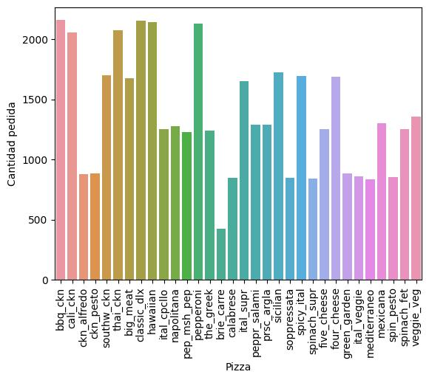
Pizza | Cantidad pedida
bbq_ckn | 2156
cali_ckn | 2057
ckn_alfredo | 876
ckn_pesto | 882
southw_ckn | 1702
thai_ckn | 2071
big_meat | 1676
classic_dlx | 2152
hawaiian | 2141
ital_cpcllo | 1252
napolitana | 1278
pep_msh_pep | 1228
pepperoni | 2129
the_greek | 1240
brie_carre | 424
calabrese | 847
ital_supr | 1650
peppr_salami | 1290
prsc_argla | 1290
sicilian | 1722
soppressata | 848
spicy_ital | 1694
spinach_supr | 839
five_cheese | 1254
four_cheese | 1687
green_garden | 884
ital_veggie | 860
mediterraneo | 834
mexicana | 1302
spin_pesto | 854
spinach_fet | 1253
veggie_veg | 1357

