Table 1
Type of Properties
Room Type | Count of Room Type
Entire home/apt | 4,546
Private room | 916
Shared room | 57
Hotel room | 10
Total | 5,529

Row Labels | Sum of Count of Room Type
Entire home/apt | 4,546
Private room | 916
Shared room | 57
Hotel room | 10
Grand Total | 5,529

Table 2
Total count of Listings by amount of bedrooms
 | Entire home/apt | Private room | Shared room | Hotel room
1 | 1,772 | 838 | 57 | 10
2 | 1,608 | 70
3 | 731 | 8
4 | 272
5 | 119
6 | 35
7 | 5
8 | 3
9 | 1
Room Type | # of Bedrooms | # of Listings
Private room | 1 | 838
Entire home/apt | 1 | 1772
Entire home/apt | 2 | 1608
Entire home/apt | 3 | 731
Private room | 2 | 70
Entire home/apt | 4 | 272
Entire home/apt | 6 | 35
Entire home/apt | 7 | 5
Entire home/apt | 5 | 119
Private room | 3 | 8
Shared room | 1 | 57
Hotel room | 1 | 10
Entire home/apt | 9 | 1
Entire home/apt | 8 | 3

Sum of # of Listings | Column Labels
Row Labels | Entire home/apt | Private room | Shared room | Hotel room | Grand Total
1 | 1,772 | 838 | 57 | 10 | 2,677
2 | 1,608 | 70 |  |  | 1,678
3 | 731 | 8 |  |  | 739
4 | 272 |  |  |  | 272
5 | 119 |  |  |  | 119
6 | 35 |  |  |  | 35
7 | 5 |  |  |  | 5
8 | 3 |  |  |  | 3
9 | 1 |  |  |  | 1
Grand Total | 4,546 | 916 | 57 | 10 | 5,529

Table 3
Top 10 Neighbourhoods by Avg. Price per night
Neighbourhood | Average Price | Row Labels | Sum of Average Price
Montbello | $73 | Civic Center | $211
Valverde | $86 | Highland | $226
Harvey Park South | $91 | Country Club | $239
Kennedy | $94 | Five Points | $244
Hampden | $101 | Cole | $247
Mar Lee | $108 | CBD | $273
DIA | $110 | Cory - Merrill | $280
Sun Valley | $115 | University Park | $295
Gateway - Green Valley Ranch | $119 | Cherry Creek | $315
Barnum West | $121 | Belcaro | $341
Clayton | $126 | Grand Total | $2,671
Hale | $126
Hampden South | $132
Marston | $135
Northeast Park Hill | $135
City Park | $136
Ruby Hill | $136
Washington Virginia Vale | $137
Lowry Field | $139
Villa Park | $139
Westwood | $140
Elyria Swansea | $143
North Park Hill | $144
Baker | $146
Windsor | $146
Virginia Village | $146
Globeville | $147
Platt Park | $148
Speer | $151
Harvey Park | $151
Stapleton | $151
Bear Valley | $151
Congress Park | $152
University | $153
College View - South Platte | $153
Barnum | $160
Athmar Park | $163
Capitol Hill | $164
Rosedale | $164
North Capitol Hill | $164
Goldsmith | $171
Montclair | $171
Lincoln Park | $172
West Highland | $174
Wellshire | $175
University Hills | $175
Cheesman Park | $176
Berkeley | $178
Auraria | $178
City Park West | $179
Sunnyside | $179
Washington Park | $182
Sloan Lake | $183
Southmoor Park | $184
South Park Hill | $184
Hilltop | $184
Fort Logan | $186
Union Station | $187
Washington Park West | $190
Indian Creek | $193
Chaffee Park | $196
Jefferson Park | $196
East Colfax | $197
Overland | $197
Skyland | $199
West Colfax | $201
Regis | $202
Whittier | $208
Civic Center | $211
Highland | $226
Country Club | $239
Five Points | $244
Cole | $247
CBD | $273
Cory - Merrill | $280
University Park | $295
Cherry Creek | $315
Belcaro | $341

Table 4
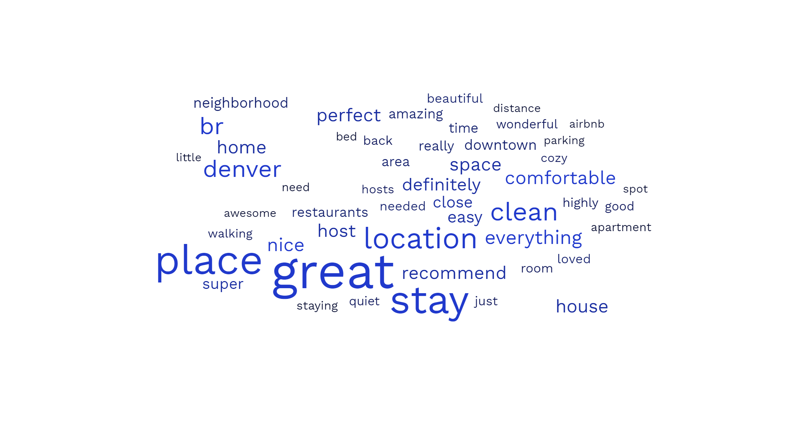
https://www.freewordcloudgenerator.com

Table 5
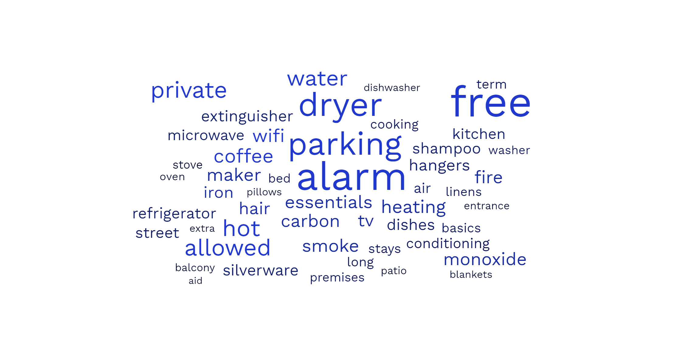
https://www.freewordcloudgenerator.com

Table 7
Top 10 - Count of comments containing the word "Dirty" by Neighbourhood
Neighbourhood | # of Dirty Reviews | Row Labels | Sum of # of Dirty Reviews
Five Points | 77 | Five Points | 77
West Highland | 61 | West Highland | 61
Highland | 50 | Highland | 50
Capitol Hill | 29 | Capitol Hill | 29
Chaffee Park | 28 | Chaffee Park | 28
Windsor | 26 | West Colfax | 26
West Colfax | 26 | Windsor | 26
Sloan Lake | 25 | Sloan Lake | 25
Regis | 23 | Regis | 23
City Park West | 19 | City Park West | 19
Gateway - Green Valley Ranch | 18 | Grand Total | 364
Stapleton | 17
Sunnyside | 17
Union Station | 15
Hampden | 15
Jefferson Park | 14
North Park Hill | 13
Congress Park | 12
Villa Park | 12
Whittier | 12
Cole | 11
Cheesman Park | 11
CBD | 10
Fort Logan | 9
Speer | 8
Berkeley | 8
Harvey Park | 8
Athmar Park | 7
University | 7
Virginia Village | 7
Barnum West | 7
East Colfax | 7
City Park | 6
Platt Park | 6
Lincoln Park | 6
Skyland | 6
Goldsmith | 6
University Park | 5
Washington Park West | 5
Washington Virginia Vale | 5
Baker | 5
Hampden South | 5
Valverde | 4
North Capitol Hill | 4
Ruby Hill | 4
Kennedy | 4
Hale | 3
Civic Center | 3
Marston | 3
Rosedale | 3
Clayton | 3
Lowry Field | 3
Wellshire | 3
Overland | 3
Northeast Park Hill | 2
Globeville | 2
Cory - Merrill | 2
South Park Hill | 2
College View - South Platte | 2
Barnum | 2
Indian Creek | 1
Bear Valley | 1
Mar Lee | 1
Elyria Swansea | 1
Washington Park | 1
Cherry Creek | 1
Westwood | 1
Montbello | 1
Harvey Park South | 1
Belcaro | 1
Hilltop | 1

