BTS Age omp
Bottom trawl survey numbers-at-age
 | 1990 | 1991 | 1992 | 1993 | 1994 | 1995 | 1996 | 1997 | 1998 | 1999 | 2000 | 2001
1 | 2,076 | 3,025 | 1,566 | 2,553 | 1,667 | 2,231 | 1,488 | 2,502 | 678 | 1,123 | 1,105 | 1,812
2 | 395 | 899 | 444 | 382 | 752 | 206 | 318 | 361 | 614 | 1,038 | 422 | 1,051
3 | 142 | 326 | 2,303 | 835 | 580 | 385 | 126 | 84 | 300 | 966 | 532 | 569
4 | 894 | 103 | 375 | 3,752 | 1,622 | 1,940 | 253 | 100 | 176 | 1,041 | 1,811 | 542
5 | 1,808 | 629 | 409 | 818 | 4,394 | 2,615 | 897 | 1,459 | 303 | 589 | 1,792 | 1,369
6 | 6,076 | 591 | 681 | 657 | 770 | 4,293 | 1,311 | 992 | 1,740 | 1,031 | 915 | 1,432
7 | 1,221 | 1,964 | 616 | 340 | 200 | 1,824 | 1,213 | 731 | 500 | 2,554 | 765 | 615
8 | 3,008 | 740 | 896 | 467 | 173 | 481 | 415 | 923 | 353 | 680 | 2,492 | 305
9 | 304 | 1,594 | 401 | 634 | 193 | 294 | 103 | 160 | 284 | 322 | 975 | 908
10 | 1,574 | 1,538 | 1,734 | 1,419 | 1,312 | 1,171 | 566 | 481 | 242 | 596 | 1,026 | 1,282

ATS Age comps
Acoustic survey numbers
 | 1990 | 1991 | 1992 | 1993 | 1994 | 1995 | 1996 | 1997 | 1998 | 1999 | 2000 | 2001
1 |  | 639.267538 |  |  | 452.855235 |  | 972.336344 | 12383.79911 |  | 111.865503 | 257.922016
2 |  | 5942.329255 |  |  | 3905.610605 |  | 446.396599 | 2742.751722 |  | 1587.614967 | 1272.329433
3 |  | 967.026421 |  |  | 1127.234019 |  | 520.371331 | 385.328882 |  | 3596.956974 | 1184.944489
4 |  | 214.547946 |  |  | 1670.302826 |  | 2686.4816 | 490.909811 |  | 1683.593411 | 2480.024776
5 |  | 224.129227 |  |  | 1908.487018 |  | 820.736359 | 1918.113717 |  | 582.565536 | 899.713749
6 |  | 133.045368 |  |  | 293.253466 |  | 509.295056 | 384.006258 |  | 273.94561 | 243.88862
7 |  | 119.732088 |  |  | 69.328887 |  | 434.354034 | 205.285501 |  | 1169.058192 | 233.993126
8 |  | 38.685293 |  |  | 66.771672 |  | 84.86886 | 142.672406 |  | 400.235038 | 725.124366
9 |  | 37.037006 |  |  | 30.09459 |  | 16.722781 | 32.735836 |  | 104.643576 | 190.427626
10 |  | 52.98857 |  |  | 58.537682 |  | 33.677388 | 17.683416 |  | 90.1733 | 141.387366

Fshry age comps
Fisherycatch-at-age
 | 1992 | 1993 | 1994 | 1995 | 1996 | 1997 | 1998 | 1999 | 2000 | 2001 | 2002 | 2003
1 | 1099.85281 | 66.0213882 | 747.893652 | 0 | 0 | 1028.378637 | 287.809196 | 232.155207 | 0 | 0 | 772.232829 | 0
2 | 84584.7926 | 7418.856528 | 30153.40385 | 513.9179863 | 21638.91335 | 77611.10265 | 41976.38034 | 10335.74813 | 16059.72731 | 3210.19163 | 46996.5779 | 14520.26993
3 | 675091.478 | 260252.809 | 55091.1247 | 72826.3673 | 48029.72262 | 40288.13023 | 84446.9069 | 298418.049 | 82361.483 | 42739.3984 | 107938.3769 | 411355.623
4 | 129937.8696 | 1145526.398 | 360794.589 | 146636.3341 | 71707.2187 | 118864.6792 | 70424.2047 | 224808.469 | 428073.347 | 154340.122 | 217604.15 | 323798.486
5 | 79511.2663 | 102874.0672 | 1058595.082 | 395071.27 | 160814.4704 | 454667.395 | 153198.9873 | 102933.6656 | 346165.684 | 580465.445 | 287265.333 | 360044.668
6 | 108563.2291 | 66096.3294 | 175519.2141 | 760344.153 | 361545.239 | 288671.073 | 702101.395 | 156862.69 | 106576.0323 | 414635.215 | 605725.768 | 301172.733
7 | 133627.8931 | 66302.0829 | 53476.9997 | 136140.4196 | 481247.199 | 256121.267 | 199368.857 | 469265.256 | 168216.73 | 137048.818 | 267687.161 | 337260.16
8 | 253377.1981 | 56410.9454 | 19085.66176 | 34543.43415 | 184452.502 | 198356.5859 | 131594.4706 | 130865.9089 | 357357.421 | 128873.5441 | 98365.0513 | 158394.556
9 | 102188.1272 | 86091.7874 | 13127.18167 | 12260.48587 | 33603.52958 | 63955.62307 | 110635.2312 | 56445.6508 | 84828.1635 | 157072.027 | 85798.6659 | 49369.9112
10 | 342701.27907 | 102444.57303 | 59018.186143 | 46326.038756 | 45637.954893 | 40702.430483 | 48995.108517 | 42678.028471 | 59932.173531 | 118111.79207 | 158587.93486 | 111262.16305

AgeData
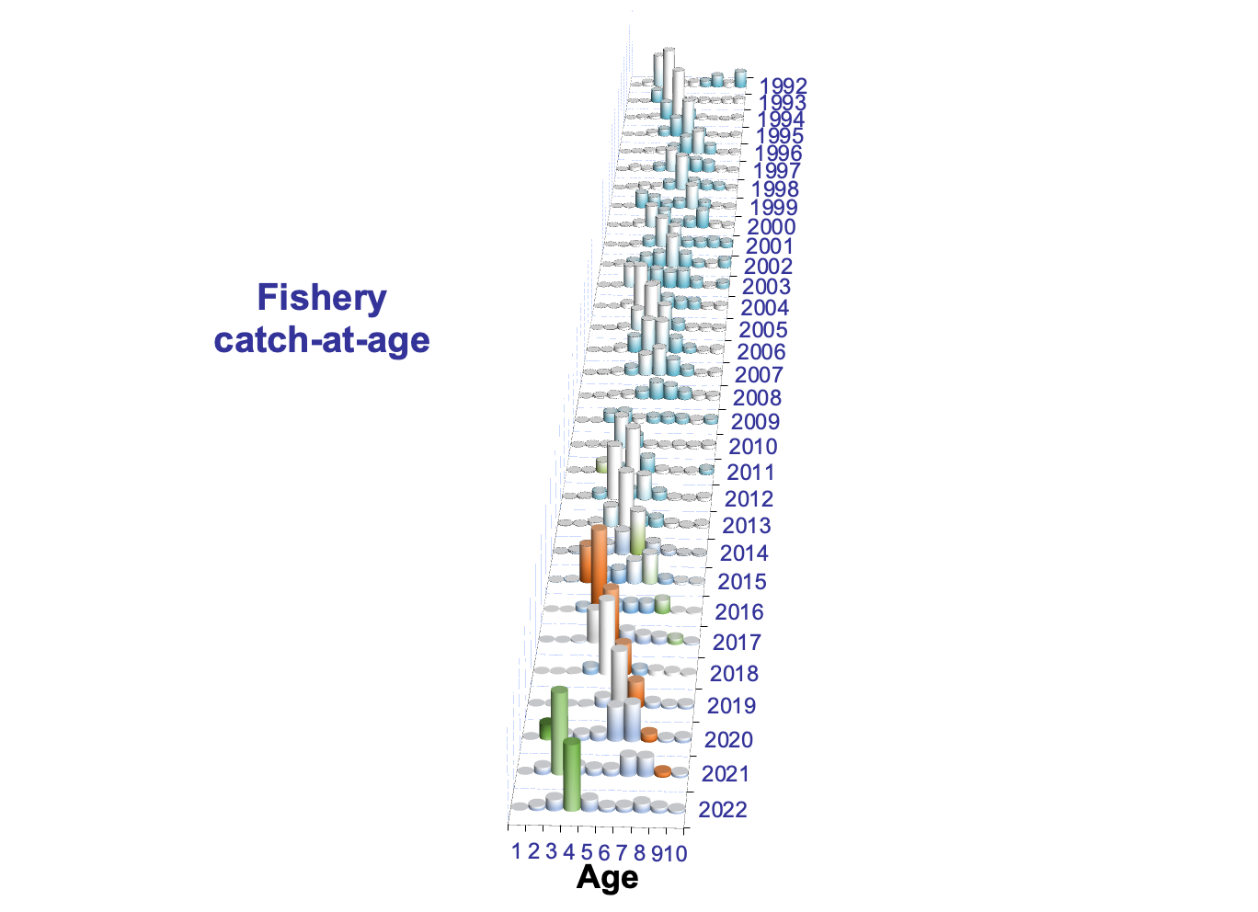
 | 1 | 2 | 3 | 4 | 5 | 6 | 7 | 8 | 9 | 10 |  | 10 | 11 | 12 | 13 | 14 | 15
1990
1991 | 639.267538 | 5942.329255 | 967.026421 | 214.547946 | 224.129227 | 133.045368 | 119.732088 | 38.685293 | 37.037006 | 52.98857 |  | 14.667193 | 16.038739 | 5.275012 | 7.862405 | 4.59 | 4.555221
1992
1993
1994 | 452.855235 | 3905.610605 | 1127.234019 | 1670.302826 | 1908.487018 | 293.253466 | 69.328887 | 66.771672 | 30.09459 | 58.537682 |  | 21.061382 | 6.390414 | 13.009868 | 2.981084 | 5.663838 | 9.431096
1995
1996 | 972.336344 | 446.396599 | 520.371331 | 2686.4816 | 820.736359 | 509.295056 | 434.354034 | 84.86886 | 16.722781 | 33.677388 |  | 6.274944 | 5.698888 | 12.14511 | 1.307937 | 4.783178 | 3.467331
1997 | 12383.79911 | 2742.751722 | 385.328882 | 490.909811 | 1918.113717 | 384.006258 | 205.285501 | 142.672406 | 32.735836 | 17.683416 |  | 3.888478 | 4.945534 | 2.010226 | 2.23296 | 2.299789 | 2.306429
1998
1999 | 111.865503 | 1587.614967 | 3596.956974 | 1683.593411 | 582.565536 | 273.94561 | 1169.058192 | 400.235038 | 104.643576 | 90.1733 |  | 66.873683 | 14.464537 | 6.471546 | 1.67028 | 0 | 0.693254
2000 | 257.922016 | 1272.329433 | 1184.944489 | 2480.024776 | 899.713749 | 243.88862 | 233.993126 | 725.124366 | 190.427626 | 141.387366 |  | 84.693969 | 35.625884 | 18.077578 | 1.166461 | 1.355107 | 0.468367
2001
2002 | 561.3136619 | 4187.551774 | 3841.040459 | 1295.262536 | 685.3461837 | 593.3351789 | 287.5727544 | 99.9914763 | 131.7143046 | 438.63467174 |  | 237.8775143 | 117.87598 | 48.1013079 | 25.20001548 | 6.425678831 | 3.154175228
2003
2004 | 15.75365101 | 275.0665226 | 1188.798451 | 2928.940761 | 1444.343027 | 417.0268039 | 202.4937822 | 192.769334 | 67.99797613 | 101.3023504 |  | 34.69928915 | 24.59987663 | 19.81017834 | 12.14273617 | 5.799532623 | 4.25073749
2005
2006 | 455.5651304 | 208.6129204 | 281.9730476 | 610.0740379 | 695.2963532 | 551.7797146 | 319.70128 | 110.0721931 | 52.989149 | 109.5940746 |  | 40.3261406 | 23.3214216 | 16.2302369 | 8.5639042 | 9.8944229 | 11.2579484
2007 | 5588.5405741 | 1026.2114374 | 319.70633954 | 430.07133278 | 669.18903197 | 588.82871282 | 305.66895226 | 166.21070973 | 60.198139203 | 52.035566059 |  | 18.777363454 | 20.17779365 | 5.7336171032 | 1.7040964371 | 2.1000291078 | 3.542666307
2008 | 36.48153635 | 2905.2935935 | 1031.6073767 | 144.38846427 | 106.86711921 | 170.17616673 | 132.37751845 | 70.690727055 | 58.217681563 | 47.884368126 |  | 14.967838067 | 15.148499208 | 6.928638088 | 4.4551271873 | 1.9275810547 | 4.4566845217
2009 | 5127.6659819 | 797.39803845 | 1674.3457008 | 198.93239226 | 31.056699111 | 33.908824162 | 50.513266137 | 37.516276734 | 20.793897471 | 25.247447433 |  | 15.822044173 | 5.5457466282 | 2.1594949784 | 0.51522738855 | 0.41768475545 | 0.78724950899
2010 | 2525.5409533 | 6395.1999156 | 973.47550371 | 2183.4525291 | 383.64577235 | 46.296905241 | 6.2202856801 | 7.4001846115 | 6.7891630342 | 20.554501072 |  | 6.4793405476 | 5.9903176503 | 2.6086621147 | 1.9386402009 | 1.2953988094 | 2.2421417489
2011
2012 | 66.874355157 | 1963.0878159 | 1640.6179903 | 2444.1326747 | 202.63850662 | 246.0716328 | 63.629256285 | 13.080688386 | 8.3313173101 | 18.809203566 |  | 6.4602464213 | 6.567318238 | 1.9654351717 | 2.4922688743 | 0.59259958167 | 0.73133527936
2013
2014 | 4750.826376 | 8655.126367 | 969.4612339 | 1161.049534 | 1118.694291 | 1769.616489 | 740.1196732 | 170.1462345 | 78.81003026 | 98.803561159 |  | 31.51996399 | 12.57992471 | 13.86996375 | 14.05970784 | 7.703570799 | 19.07043007
2015
2016 | 173.7523144 | 1037.867561 | 4496.058693 | 4476.397474 | 715.4651492 | 348.0987511 | 392.1956995 | 420.2866809 | 95.66705009 | 63.83527379 |  | 30.74347277 | 17.98265111 | 5.843507784 | 3.552001306 | 2.24751704 | 3.46612378 | 174 | 1,038 | 4,496 | 4,476 | 715 | 348 | 392 | 420 | 96 | 64 | 12,046 |  | 12,220
2017
2018 | 449.9560697 | 516.6093561 | 248.6421369 | 621.1817528 | 2267.541471 | 944.1034531 | 198.3784801 | 111.7534614 | 107.3072124 | 104.3749383 |  | 74.91088882 | 19.72410485 | 5.506480253 | 2.853834098 | 0 | 1.379630275
2019
2020
2021
2022 | 142.79159447 | 235.6691782 | 1089.5320363 | 5937.968694 | 1311.237029 | 275.13329921 | 210.67771369 | 216.19945565 | 168.25348744 | 86.939284302 |  | 46.333393444 | 16.279157296 | 12.964897293 | 7.7874456135 | 3.5743906545 | 0

Fishery
 | 1 | 2 | 3 | 4 | 5 | 6 | 7 | 8 | 9 | 10 |  |  |  |  |  |  |  |  |  | Age
1991 | 961.9471041 | 111618.5583 | 43471.3991 | 85059.5436 | 156089.0744 | 184518.812 | 500529.275 | 76163.121 | 289237.822 | 356309.75477 |  | 27988.14869 | 139517.9403 | 18327.78327 | 93622.8509 | 23296.67041 | 53556.3612 |  | Year | 1 | 2 | 3 | 4 | 5 | 6 | 7 | 8 | 9 | 10+ | Age 2+ | CV | Total
1992 | 1099.85281 | 84584.7926 | 675091.478 | 129937.8696 | 79511.2663 | 108563.2291 | 133627.8931 | 253377.1981 | 102188.1272 | 342701.27907 |  | 146854.7161 | 57897.071 | 46297.90391 | 13422.35345 | 43780.92681 | 34448.3078 |  | 1979 | 69,110 | 41,132 | 3,884 | 413 | 534 | 128 | 30 | 4 | 28 | 161 | 46,314 | 250% | 115,424
1993 | 66.0213882 | 7418.856528 | 260252.809 | 1145526.398 | 102874.0672 | 66096.3294 | 66302.0829 | 56410.9454 | 86091.7874 | 102444.57303 |  | 21139.14137 | 32649.83199 | 12345.75002 | 13456.07907 | 6755.058525 | 16098.71205 |  | 1982 | 108 | 3,401 | 4,108 | 7,637 | 1,790 | 283 | 141 | 178 | 90 | 177 | 17,805 | 20% | 17,913
1994 | 747.893652 | 30153.40385 | 55091.1247 | 360794.589 | 1058595.082 | 175519.2141 | 53476.9997 | 19085.66176 | 13127.18167 | 59018.186143 |  | 20142.31027 | 9706.298304 | 9372.01436 | 7547.72574 | 3961.042313 | 8288.795156 |  | 1985 | 2,076 | 929 | 8,149 | 898 | 2,186 | 1,510 | 1,127 | 130 | 21 | 15 | 14,965 | 20% | 17,041
1995 | 0 | 513.9179863 | 72826.3673 | 146636.3341 | 395071.27 | 760344.153 | 136140.4196 | 34543.43415 | 12260.48587 | 46326.038756 |  | 7493.522282 | 17459.87517 | 4998.406208 | 5807.455765 | 1655.581779 | 8911.197552 |  | 1988 | 11 | 1,112 | 3,586 | 3,864 | 739 | 1,882 | 403 | 151 | 130 | 414 | 12,280 | 20% | 12,292
1996 | 0 | 21638.91335 | 48029.72262 | 71707.2187 | 160814.4704 | 361545.239 | 481247.199 | 184452.502 | 33603.52958 | 45637.954893 |  | 13434.92023 | 7939.725616 | 8805.008334 | 4330.573122 | 5829.131363 | 5298.596228 |  | 1991 | 639 | 5,942 | 967 | 215 | 224 | 133 | 120 | 39 | 37 | 53 | 7,730 | 20% | 8,369
1997 | 1028.378637 | 77611.10265 | 40288.13023 | 118864.6792 | 454667.395 | 288671.073 | 256121.267 | 198356.5859 | 63955.62307 | 40702.430483 |  | 13321.49802 | 5963.874978 | 4641.489288 | 2891.303239 | 4776.423669 | 9107.841289 |  | 1994 | 453 | 3,906 | 1,127 | 1,670 | 1,908 | 293 | 69 | 67 | 30 | 59 | 9,130 | 19% | 9,582
1998 | 287.809196 | 41976.38034 | 84446.9069 | 70424.2047 | 153198.9873 | 702101.395 | 199368.857 | 131594.4706 | 110635.2312 | 48995.108517 |  | 27766.08072 | 6138.836855 | 5559.045803 | 2551.853665 | 2499.155694 | 4480.13578 |  | 1996 | 972 | 446 | 520 | 2,686 | 821 | 509 | 434 | 85 | 17 | 34 | 5,553 | 16% | 6,524
1999 | 232.155207 | 10335.74813 | 298418.049 | 224808.469 | 102933.6656 | 156862.69 | 469265.256 | 130865.9089 | 56445.6508 | 42678.028471 |  | 33147.4154 | 3956.63716 | 2181.584773 | 855.9896737 | 476.999823 | 2059.401641 |  | 1997 | 12,384 | 2,743 | 385 | 491 | 1,918 | 384 | 205 | 143 | 33 | 18 | 6,319 | 15% | 18,704
2000 | 0 | 16059.72731 | 82361.483 | 428073.347 | 346165.684 | 106576.0323 | 168216.73 | 357357.421 | 84828.1635 | 59932.173531 |  | 29693.3882 | 22021.64232 | 5240.364884 | 1416.733401 | 608.057612 | 951.987114 |  | 1999 | 112 | 1,588 | 3,597 | 1,684 | 583 | 274 | 1,169 | 400 | 105 | 90 | 9,489 | 23% | 9,602
2001 | 0 | 3210.19163 | 42739.3984 | 154340.122 | 580465.445 | 414635.215 | 137048.818 | 128873.5441 | 157072.027 | 118111.79207 |  | 57797.8681 | 33609.3016 | 16189.65813 | 5480.305732 | 3088.136074 | 1946.522431 |  | 2000 | 258 | 1,272 | 1,185 | 2,480 | 900 | 244 | 234 | 725 | 190 | 141 | 7,372 | 13% | 7,629
2002 | 772.232829 | 46996.5779 | 107938.3769 | 217604.15 | 287265.333 | 605725.768 | 267687.161 | 98365.0513 | 85798.6659 | 158587.93486 |  | 93829.6298 | 34573.5914 | 14387.52471 | 11031.3517 | 2952.559121 | 1813.278131 |  | 2002 | 561 | 4,188 | 3,841 | 1,295 | 685 | 593 | 288 | 100 | 132 | 439 | 11,561 | 13% | 12,122
2003 | 0 | 14520.26993 | 411355.623 | 323798.486 | 360044.668 | 301172.733 | 337260.16 | 158394.556 | 49369.9112 | 111262.16305 |  | 39240.1366 | 35673.8711 | 22912.76803 | 6612.37741 | 3641.336093 | 3181.673818 |  | 2004 | 16 | 275 | 1,189 | 2,929 | 1,444 | 417 | 202 | 193 | 68 | 101 | 6,819 | 15% | 6,834
2004 | 0 | 538.0697158 | 89511.1924 | 830288.54 | 480166.755 | 236578.172 | 169111.339 | 156124.49 | 64895.6699 | 80606.392281 |  | 16101.51259 | 17042.8162 | 25246.42882 | 9437.957635 | 5912.191361 | 6865.485675 |  | 2006 | 456 | 209 | 282 | 610 | 695 | 552 | 320 | 110 | 53 | 110 | 2,940 | 16% | 3,396
2005 | 0 | 4790.962005 | 52097.8694 | 392459.527 | 862931.97 | 484147.503 | 159304.5728 | 68014.6765 | 66555.6408 | 58266.378365 |  | 30070.4572 | 9988.07734 | 9133.095408 | 3190.543821 | 2480.076624 | 3404.127972 |  | 2007 | 5,589 | 1,026 | 320 | 430 | 669 | 589 | 306 | 166 | 60 | 52 | 3,618 | 18% | 9,207
...
 | 3728.872608 | 245895.183 | 85609.4214 | 99166.5509 | 134148.4254 | 548488.018 | 598282.245 | 126607.5752 | 53007.3379 | 37834.4061 | 27031.31923 | 6894.141202 | 1734.760787 | 1168.156312 | 0
 | 0 | 111342.1894 | 1295656.83 | 144027.0587 | 109954.8589 | 107116.4918 | 309318.572 | 295756.434 | 72064.7779 | 26519.3242 | 16136.35852 | 8500.63187 | 2049.838765 | 0 | 420.166248
 | 0.01 | 64577.11 | 174731.01 | 1037390.01 | 182123.01 | 70819.51 | 80117.41 | 139143.01 | 80714.51 | 16663.51 | 13435.91 | 4746.88 | 6774.16 | 1007.36 | 0.01

