Sheet1
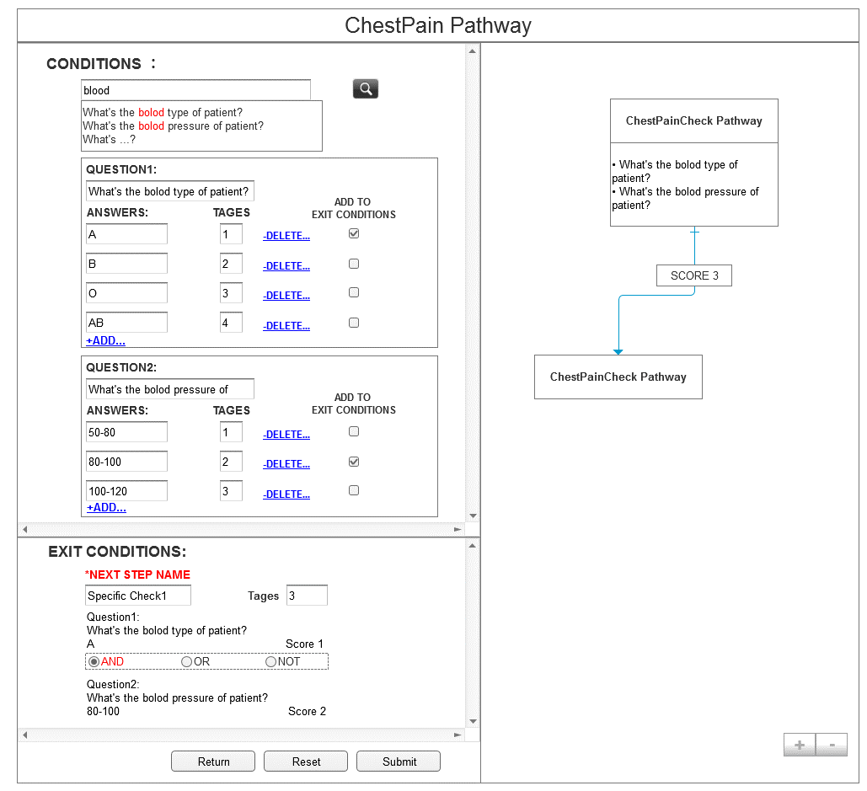
1. User input key words, and NLP return related questions

2. According to question, usert input answers.

3.Tages is a risk management evaluation helper. It could be number or String. Input by user to indicate different conditions
7. This is the tags of each condition.

5. Next step name is compulsory. It is the ID for each Step.
4. There is a checkbox following each answer. If user check it, this answer and related question will be added into exit condition

6. This is the relationship between different answers.There are and, or, not.

