graphs
 | edge | creek | pond | total
gulf killifish | 355 | 600 | 835 | 1790
diamond killifish | 0 | 1 | 770 | 771
grass shrimp | 578 | 107 | 71 | 756
sailfin molly | 1 | 13 | 355 | 369
bayou killifish | 0 | 1 | 358 | 359
mosquitofish | 4 | 3 | 261 | 268
blue crab | 23 | 30 | 37 | 90
brown shrimp | 62 | 14 | 0 | 76
rainwater killifish | 51 | 8 | 4 | 63
sheepshead minnow | 13 | 2 | 39 | 54
marsh killifish | 0 | 2 | 13 | 15
pinfish | 10 | 5 | 0 | 15
silverside | 3 | 8 | 0 | 11
fat sleeper | 0 | 0 | 7 | 7
crevalle jack | 2 | 2 | 0 | 4
ladyfish | 0 | 1 | 1 | 2
sand seatrout | 2 | 0 | 0 | 2
Atlantic croaker | 0 | 1 | 0 | 1
bay whiff | 1 | 0 | 0 | 1
clown goby | 0 | 0 | 1 | 1
saltmarsh topminnow | 0 | 0 | 1 | 1
 | edge | creek | pond
 | 1105 | 798 | 2753

 | LHA |  |  | LHB |  |  | LHC |  |  | WPH1 |  |  | WPH2 |  |  | PS7
 | Edge | Creek | Pond | Edge | Creek | Pond | Edge | Creek | Pond | Edge | Creek | Pond | Edge | Creek | Pond | Edge | Creek | Pond
Atlantic croaker |  |  |  |  |  |  |  |  |  |  |  |  |  |  |  |  | 1
bay whiff |  |  |  |  |  |  |  |  |  | 1
bayou killifish |  | 1 | 1 |  |  | 2 |  |  | 9 |  |  | 22 |  |  | 281 |  |  | 43
blue crab | 6 | 12 |  | 3 | 5 | 2 | 5 | 4 | 13 | 3 | 1 | 2 | 2 |  | 10 | 4 | 8 | 10
brown shrimp | 10 | 3 |  | 11 |  |  | 10 |  |  | 6 |  |  | 9 | 1 |  | 16 | 10
clown goby |  |  |  |  |  |  |  |  |  |  |  |  |  |  |  |  |  | 1
crevalle jack |  |  |  |  |  |  |  |  |  |  |  |  |  |  |  | 2 | 2
diamond killifish |  |  | 4 |  |  | 17 |  |  | 15 |  |  | 2 |  | 1 | 235 |  |  | 497
fat sleeper |  |  |  |  |  |  |  |  |  |  |  |  |  |  |  |  |  | 7
grass shrimp | 108 | 1 | 1 | 40 | 8 |  | 148 |  |  | 96 | 5 |  | 45 |  |  | 141 | 93 | 70
gulf killifish | 32 | 92 | 76 | 39 | 111 | 433 | 8 | 49 | 52 | 85 | 47 | 70 | 59 | 71 | 33 | 132 | 230 | 171
ladyfish |  |  |  |  |  |  |  |  |  |  | 1 |  |  |  |  |  |  | 1
marsh killifish |  |  | 1 |  | 2 | 7 |  |  | 1 |  |  |  |  |  |  |  |  | 4
mosquitofish | 4 |  |  |  | 3 | 1 |  |  | 1 |  |  | 38 |  |  | 143 |  |  | 78
pinfish |  |  |  |  |  |  |  |  |  |  |  |  |  | 1 |  | 10 | 4
rainwater killifish | 7 |  |  | 1 | 2 |  |  | 1 | 2 | 3 |  |  | 40 | 5 | 2
sailfin molly |  |  | 6 |  | 1 | 3 |  | 12 | 13 | 1 |  | 9 |  |  | 173 |  |  | 151
saltmarsh topminnow |  |  | 1
sand seatrout |  |  |  |  |  |  | 2
sheepshead minnow |  |  | 23 |  |  |  |  |  | 2 |  | 2 |  | 13 |  | 10 |  |  | 4
silverside |  |  |  |  | 5 |  |  |  |  | 1 |  |  |  | 2 |  | 2 | 1
 | Edge | Creek | Pond | Edge | Creek | Pond | Edge | Creek | Pond | Edge | Creek | Pond | Edge | Creek | Pond | Edge | Creek | Pond
 | 167 | 109 | 113 | 94 | 137 | 465 | 173 | 66 | 108 | 196 | 56 | 143 | 168 | 81 | 887 | 307 | 349 | 1037

# of individuals
 | Edge | Creek | Pond
LHA (restored high) | 167 | 109 | 113
LHB (restored low) | 94 | 137 | 465
LHC (control) | 173 | 66 | 108
WPH1 | 196 | 56 | 143
WPH2 | 168 | 81 | 887
PS7 | 307 | 349 | 1037

formatted for primer
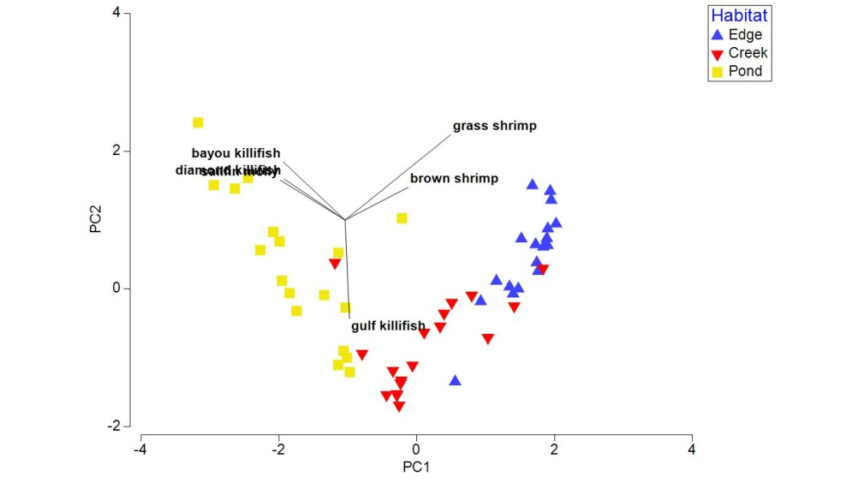
Site | Habitat | Habitat Number | Atlantic croaker | bay whiff | bayou killifish | blue crab | brown shrimp | clown goby | crevalle jack | diamond killifish | fat sleeper | grass shrimp | gulf killifish | ladyfish | marsh killifish | mosquitofish | pinfish | rainwater killifish | sailfin molly | saltmarsh topminnow | sand seatrout | sheepshead minnow | silverside
LHA | Edge | 1 |  |  |  | 3 | 4 |  |  |  |  | 58 | 7 |  |  | 4 |  | 7
LHA | Edge | 2 |  |  |  | 2 | 3 |  |  |  |  | 36 | 11
LHA | Edge | 3 |  |  |  | 1 | 3 |  |  |  |  | 14 | 14
LHA | Creek | 1 |  |  |  |  |  |  |  |  |  |  | 18
LHA | Creek | 2 |  |  |  | 1 |  |  |  |  |  |  | 27
LHA | Creek | 3 |  |  | 1 | 11 | 3 |  |  |  |  | 1 | 47
LHA | Pond | 1 |  |  |  |  |  |  |  |  |  |  | 16 |  |  |  |  |  | 1 |  |  | 6
LHA | Pond | 2 |  |  | 1 |  |  |  |  | 2 |  | 1 | 50 |  | 1 |  |  |  | 1 |  |  | 4
LHA | Pond | 3 |  |  |  |  |  |  |  | 2 |  |  | 10 |  |  |  |  |  | 4 | 1 |  | 13
LHB | Edge | 1 |  |  |  |  | 2 |  |  |  |  | 14 | 2
LHB | Edge | 2 |  |  |  | 2 | 5 |  |  |  |  | 4 | 23
LHB | Edge | 3 |  |  |  | 1 | 4 |  |  |  |  | 22 | 14 |  |  |  |  | 1
LHB | Creek | 1 |  |  |  | 3 |  |  |  |  |  | 1 | 27 |  | 1 | 2 |  |  |  |  |  |  | 4
LHB | Creek | 2 |  |  |  | 1 |  |  |  |  |  | 3 | 55 |  |  | 1
LHB | Creek | 3 |  |  |  | 1 |  |  |  |  |  | 4 | 29 |  | 1 |  |  | 2 | 1 |  |  |  | 1
LHB | Pond | 1 |  |  |  |  |  |  |  | 1 |  |  | 113 |  | 2 | 1 |  |  | 2
LHB | Pond | 2 |  |  | 2 | 1 |  |  |  | 9 |  |  | 133
LHB | Pond | 3 |  |  |  | 1 |  |  |  | 7 |  |  | 187 |  | 5 |  |  |  | 1
LHC | Edge | 1 |  |  |  | 3 | 3 |  |  |  |  | 118 | 1
LHC | Edge | 2 |  |  |  | 1 | 5 |  |  |  |  | 8 | 6 |  |  |  |  |  |  |  | 2
LHC | Edge | 3 |  |  |  | 1 | 2 |  |  |  |  | 22 | 1
LHC | Creek | 1 |  |  |  | 1 |  |  |  |  |  |  | 1 |  |  |  |  | 1 | 10
LHC | Creek | 2 |  |  |  | 1 |  |  |  |  |  |  | 19 |  |  |  |  |  | 2
LHC | Creek | 3 |  |  |  | 2 |  |  |  |  |  |  | 29
LHC | Pond | 1 |  |  | 4 | 3 |  |  |  |  |  |  | 10 |  |  | 1 |  | 1 | 10 |  |  | 1
LHC | Pond | 2 |  |  | 4 | 2 |  |  |  | 3 |  |  | 25 |  | 1 |  |  | 1 | 3 |  |  | 1
LHC | Pond | 3 |  |  | 1 | 8 |  |  |  | 12 |  |  | 17
WPH1 | Edge | 1 |  |  |  | 1 | 5 |  |  |  |  | 44 | 10 |  |  |  |  | 3
WPH1 | Edge | 2 |  |  |  | 2 |  |  |  |  |  | 38 | 27 |  |  |  |  |  |  |  |  |  | 1
WPH1 | Edge | 3 |  | 1 |  |  | 1 |  |  |  |  | 14 | 48 |  |  |  |  |  | 1
WPH1 | Creek | 1 |  |  |  | 1 |  |  |  |  |  | 5 | 13 |  |  |  |  |  |  |  |  | 1
WPH1 | Creek | 2 |  |  |  |  |  |  |  |  |  |  | 2
WPH1 | Creek | 3 |  |  |  |  |  |  |  |  |  |  | 32 | 1 |  |  |  |  |  |  |  | 1
WPH1 | Pond | 1 |  |  | 7 | 1 |  |  |  | 1 |  |  | 21 |  |  | 7 |  |  | 4
WPH1 | Pond | 2 |  |  | 5 | 1 |  |  |  | 1 |  |  | 44 |  |  | 1 |  |  | 3
WPH1 | Pond | 3 |  |  | 10 |  |  |  |  |  |  |  | 5 |  |  | 30 |  |  | 2
WPH2 | Edge | 1 |  |  |  |  | 3 |  |  |  |  | 2 | 2 |  |  |  |  | 1
WPH2 | Edge | 2 |  |  |  | 1 | 2 |  |  |  |  | 8 | 35 |  |  |  |  | 11 |  |  |  | 4
WPH2 | Edge | 3 |  |  |  | 1 | 4 |  |  |  |  | 35 | 22 |  |  |  |  | 28 |  |  |  | 9
WPH2 | Creek | 1 |  |  |  |  | 1 |  |  | 1 |  |  | 32 |  |  |  | 1 | 5 |  |  |  |  | 1
WPH2 | Creek | 2 |  |  |  |  |  |  |  |  |  |  | 18 |  |  |  |  |  |  |  |  |  | 1
WPH2 | Creek | 3 |  |  |  |  |  |  |  |  |  |  | 21
WPH2 | Pond | 1 |  |  | 174 | 5 |  |  |  | 163 |  |  | 31 |  |  | 19 |  | 2 | 45 |  |  | 5
WPH2 | Pond | 2 |  |  | 11 | 3 |  |  |  | 4 |  |  | 2 |  |  | 1 |  |  | 1 |  |  | 2
WPH2 | Pond | 3 |  |  | 96 | 2 |  |  |  | 68 |  |  |  |  |  | 123 |  |  | 127 |  |  | 3
PS7 | Edge | 1 |  |  |  | 1 | 9 |  | 1 |  |  |  | 45 |  |  |  | 4 |  |  |  |  |  | 2
PS7 | Edge | 2 |  |  |  | 2 | 7 |  |  |  |  | 6 | 10 |  |  |  | 3
PS7 | Edge | 3 |  |  |  | 1 |  |  | 1 |  |  | 135 | 77 |  |  |  | 3
PS7 | Creek | 1 | 1 |  |  | 4 | 7 |  | 2 |  |  | 52 | 46
PS7 | Creek | 2 |  |  |  | 1 | 3 |  |  |  |  | 5 | 26 |  |  |  | 1
PS7 | Creek | 3 |  |  |  | 3 |  |  |  |  |  | 36 | 158 |  |  |  | 3 |  |  |  |  |  | 1
PS7 | Pond | 1 |  |  | 2 | 3 |  | 1 |  | 64 |  | 6 | 75 |  |  |  |  |  | 3 |  |  | 2
PS7 | Pond | 2 |  |  | 39 | 2 |  |  |  | 401 | 7 | 4 | 38 | 1 | 4 | 78 |  |  | 147
PS7 | Pond | 3 |  |  | 2 | 5 |  |  |  | 32 |  | 60 | 58 |  |  |  |  |  | 1 |  |  | 2

