Overview
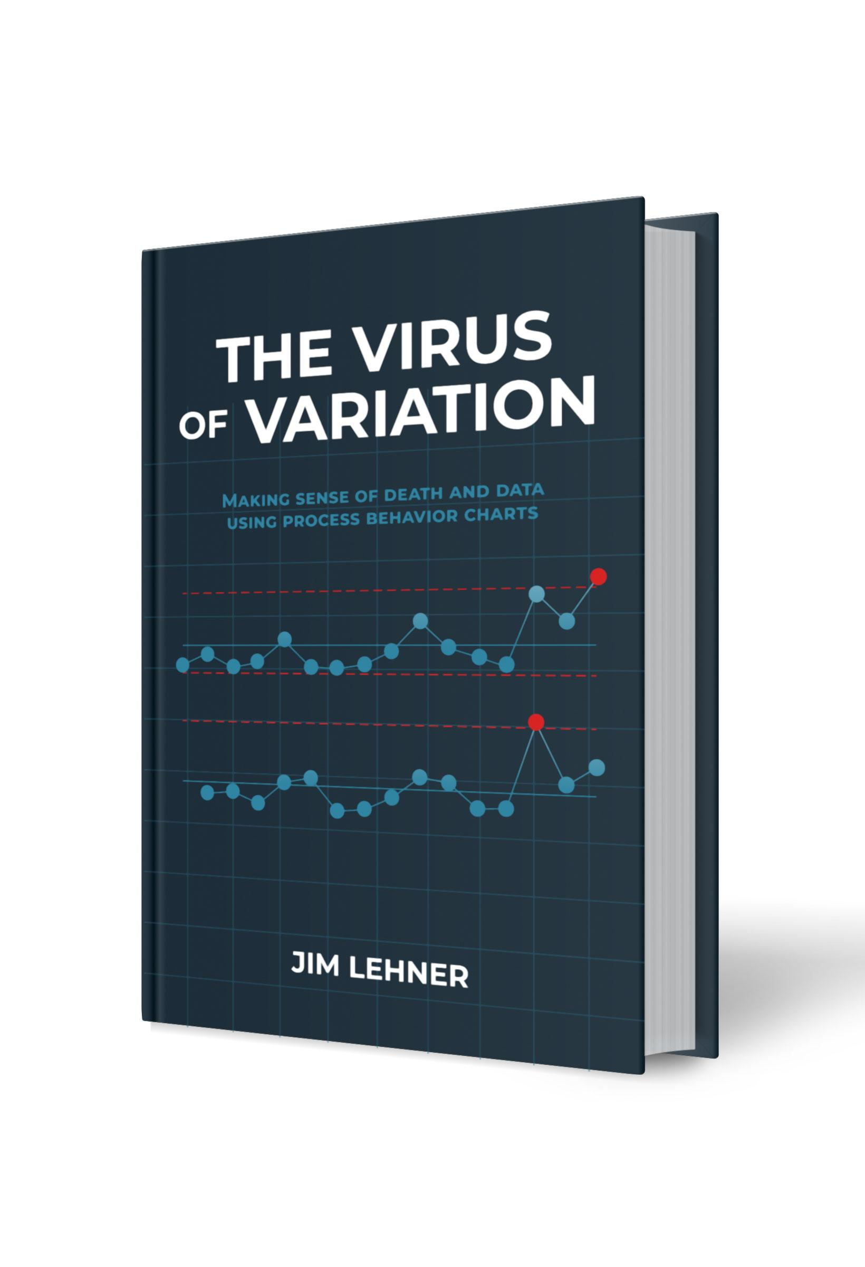
Appendix J. Scaling & Bias Correction Factor Tables
This file contains the tables shown in Appendix J of in The Virus of Variation. The tables included here are: Table J.1. Bias correction factors based on subgroup size Table J.2. Scaling factor based on subgroup size when using the average range Table J.3. Scaling factors based on subgroup size when using the median range Each table has its own tab. For additional details, see Appendix H of The Virus of Variation (BrokenQuality.com/book). If you have question or feedback email us at: James.Lehner@gmail.com or QualityIsBroken@gmail.com.

Link to book:
https://www.brokenquality.com/book
Link to GitHub:
https://github.com/jimlehner/virus-of-variation-book
Contact:
James.Lehner@gmail.com
QualityIsBroken@gmail.com
Raw GitHub Data URLs:
Table J.1 | https://raw.githubusercontent.com/jimlehner/virus-of-variation-book/refs/heads/main/data/table_J1_average_and_median_range_bias_correction_factors.csv
Table J.2 | https://raw.githubusercontent.com/jimlehner/virus-of-variation-book/refs/heads/main/data/table_J2_average_range_scaling_factors.csv
Table J.3 | https://raw.githubusercontent.com/jimlehner/virus-of-variation-book/refs/heads/main/data/table_J3_median_range_scaling_factors.csv

