Overview
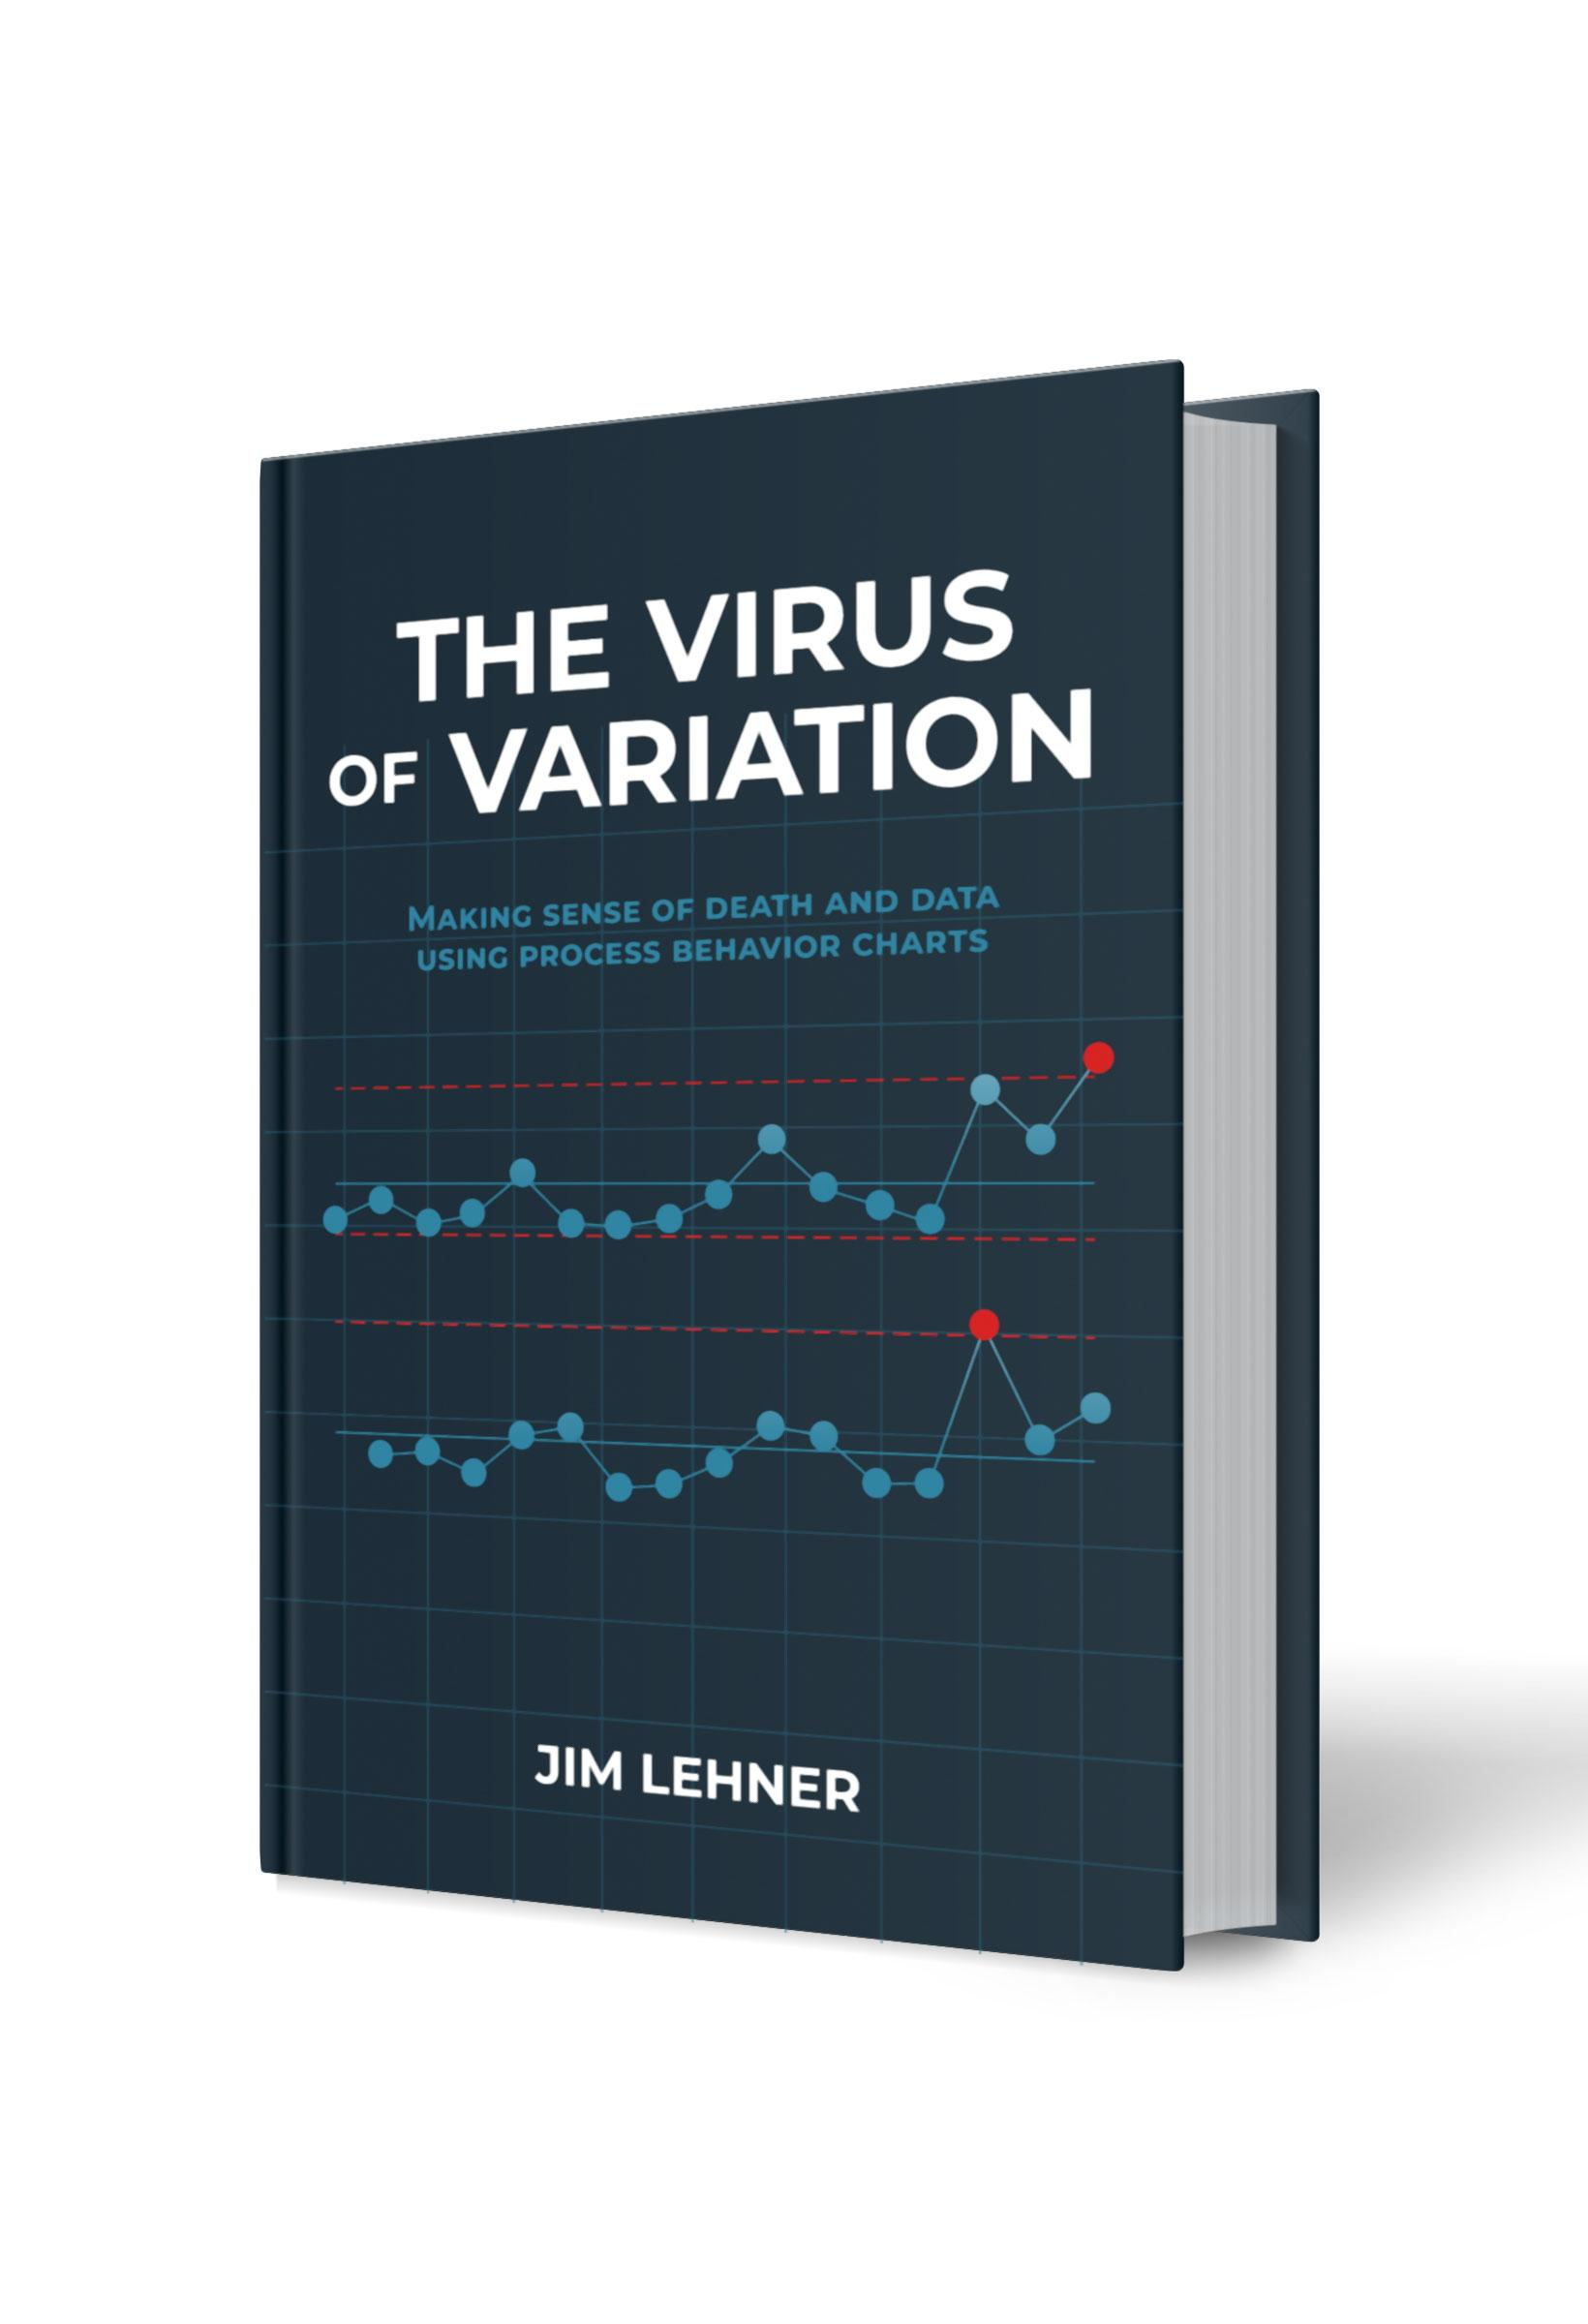
Chapter 4. Measures of Dispersion
This file serves as a resource for building some of the tables in Chapter 4 of The Virus of Variation using Microsoft Excel or Google Sheets. The calculations included here are: Table 4.2. Mean of rates Table 4.3. Min, max, and range of rates Table 4.4. Standard deviation of rates Table 4.5. mRs for students and doctors Table 4.6. mRs for both clinics Table 4.7. Mean and medians for clinics Table 4.8. Measures of dispersion for clinics Each table has its own tab. The data used in the tables can be found in the Data tab. For additional details regarding each of the tables, see Chapter 4 of The Virus of Variation. (BrokenQuality.com/book). If you are familiar with Python (or would like to learn), the Python code used to generate the figures in The Virus of Variation can be found at: github.com/jimlehner/the-virus-of-variation If you have question or feedback email us at: James.Lehner@gmail.com or QualityIsBroken@gmail.com.

Link to book:
https://www.brokenquality.com/book
Link to GitHub:
https://github.com/jimlehner/virus-of-variation-book
Contact:
James.Lehner@gmail.com
QualityIsBroken@gmail.com
Raw GitHub Data URLs:
Table 4.2, 4.3, 4.4, 4.5, 4.6, 4.7, 4.8 | https://raw.githubusercontent.com/jimlehner/virus-of-variation-book/refs/heads/main/data/vienna-general-death-to-birth-rates-by-clinic.csv

