Overview
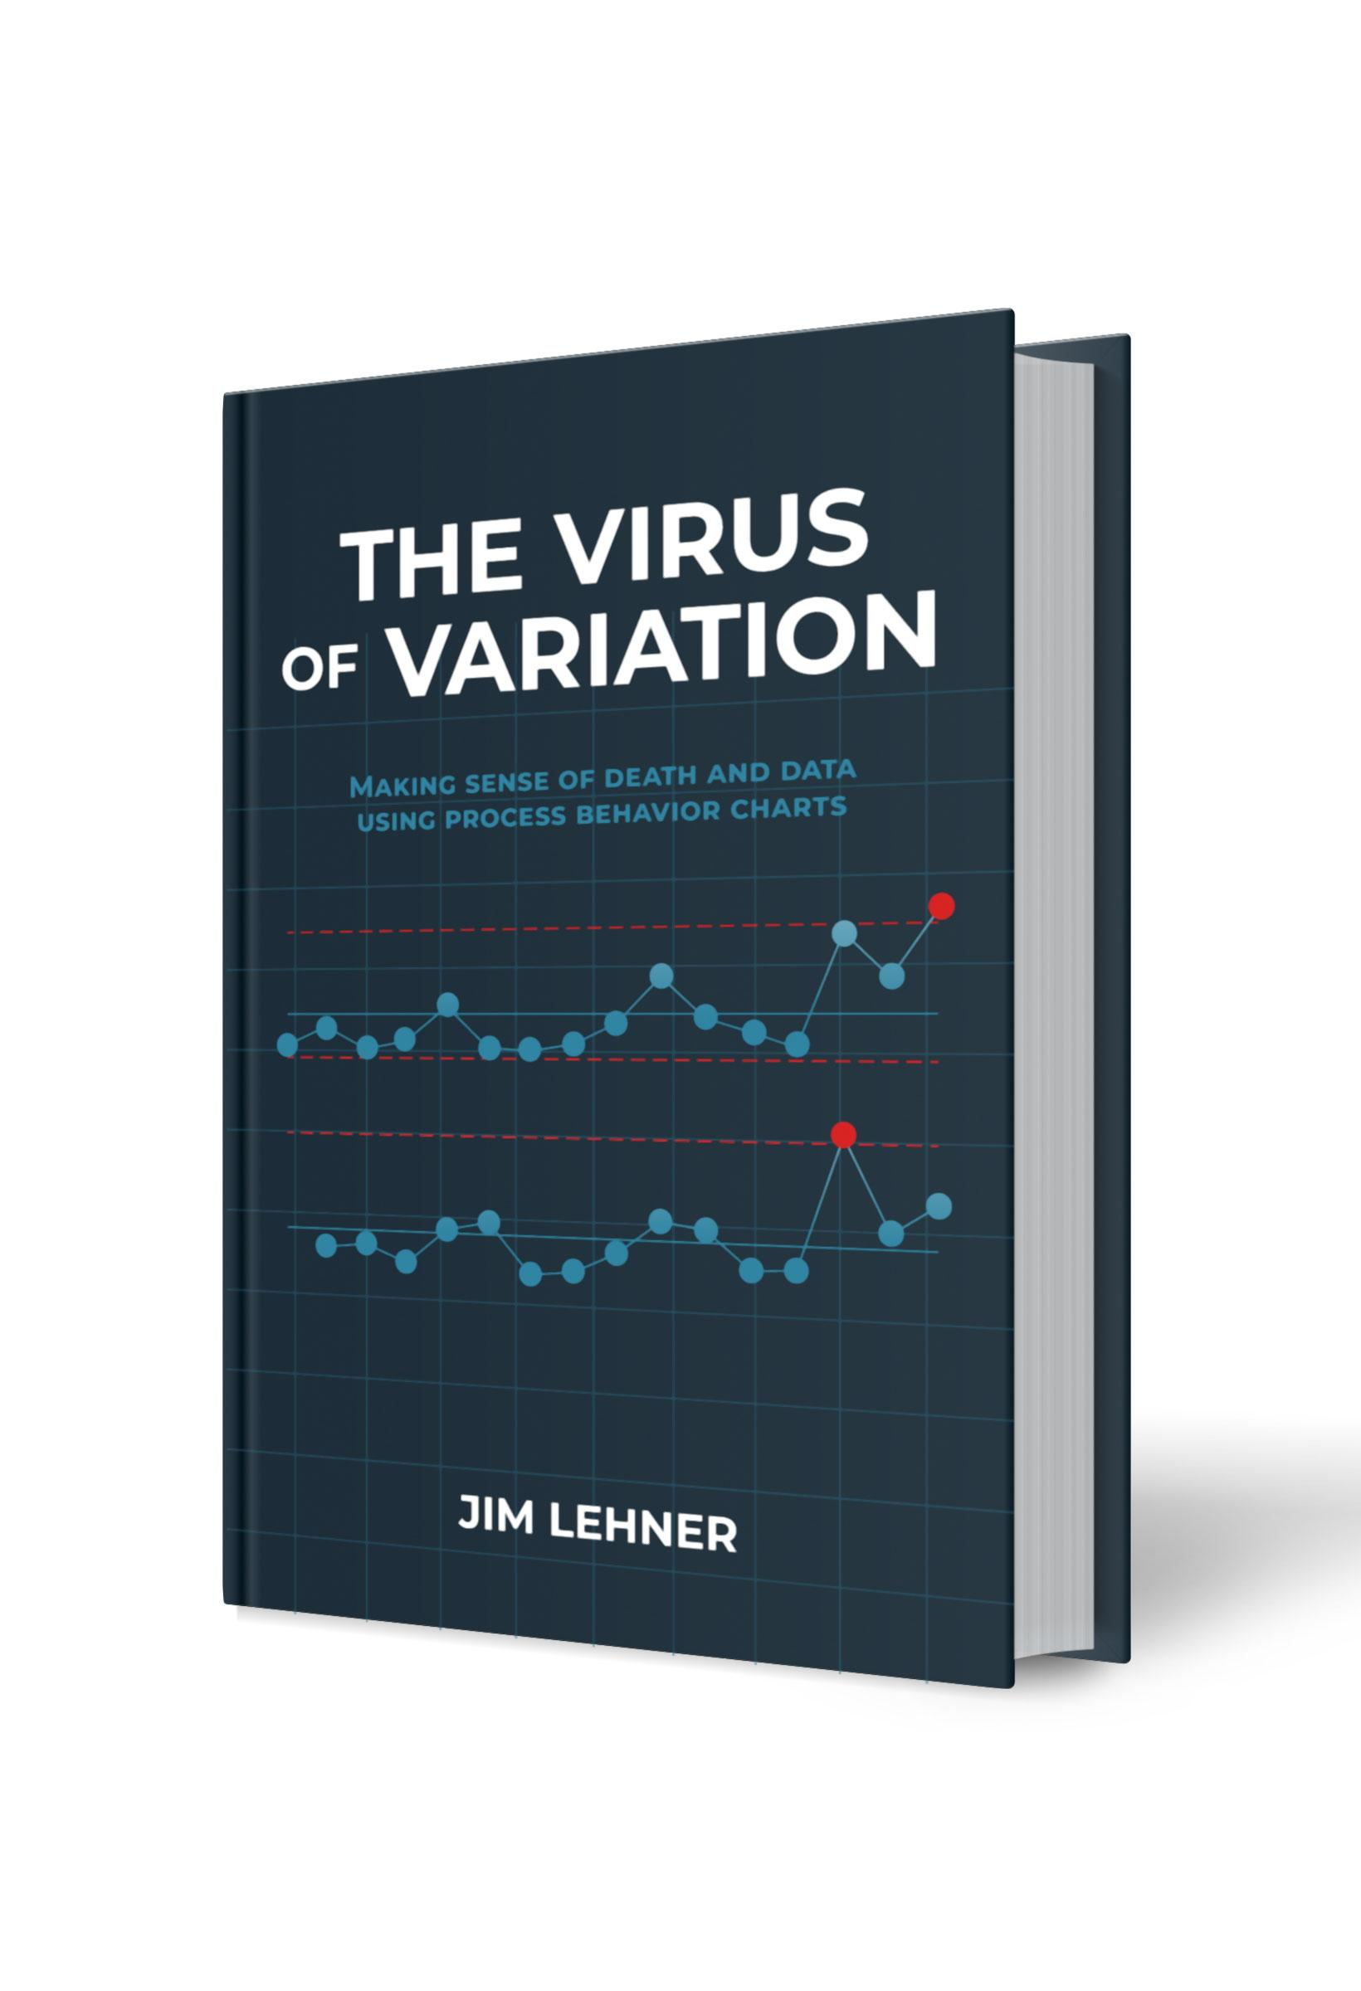
Chapter 5. Visual Syntax
This file serves as a resource for building some of the figures in Chapter 5 of The Virus of Variation using Microsoft Excel or Google Sheets. The figures included here are: Figure 5.1. Bar chart of rates with grid Figure 5.2. Bar chart of rates without grid Figure 5.3. Time series of rates Figure 5.4. Bar chart & time series of rates Each figure has its own tab. The data used in the figures can be found in the Data tab. For additional details regarding each of these figures, see Chapter 5 of The Virus of Variation. (BrokenQuality.com/book). If you are familiar with Python (or would like to learn), the Python code used to generate the figures, as they appear in The Virus of Variation, can be found at: github.com/jimlehner/the-virus-of-variation If you have question or feedback email us at: James.Lehner@gmail.com or QualityIsBroken@gmail.com.

Link to book:
https://www.brokenquality.com/book
Link to GitHub:
https://github.com/jimlehner/virus-of-variation-book
Contact:
James.Lehner@gmail.com
QualityIsBroken@gmail.com
Raw GitHub Data URLs:
Table 5.1, 5.2, 5.3, 5.4 | https://raw.githubusercontent.com/jimlehner/virus-of-variation-book/refs/heads/main/data/vienna-general-death-to-birth-rates-by-clinic.csv

Fig 5.1. Bar chart of rates
Death-to-Birth Rates at Vienna General by Clinic
Year | Students & Doctors | Midwives
1833 | 5.3 | 2.3
1834 | 7.7 | 8.6
1835 | 5.6 | 5
1836 | 7.5 | 7.8
1837 | 9.1 | 7
1838 | 3 | 4.9
1839 | 5.4 | 4.5
1840 | 9.2 | 2.7
1841 | 7.8 | 3.5
1842 | 15.8 | 7.6
1843 | 9 | 6
1844 | 8.2 | 2.3
1845 | 6.9 | 2
1846 | 11.4 | 2.8
1847 | 5 | 1
1848 | 1.3 | 1.3
1849 | 2.7 | 2.6
1850 | 2 | 1.7
1851 | 1.8 | 3.6
1852 | 4 | 5.7
1853 | 2.2 | 1.9
1854 | 9.1 | 6.2
1855 | 5.4 | 5.9
1856 | 4 | 4.1
1857 | 2.9 | 2.2
1858 | 2 | 1.4

Fig 5.2. Bar chart of rates
Death-to-Birth Rates at Vienna General by Clinic
Year | Students & Doctors | Midwives
1833 | 5.3 | 2.3
1834 | 7.7 | 8.6
1835 | 5.6 | 5
1836 | 7.5 | 7.8
1837 | 9.1 | 7
1838 | 3 | 4.9
1839 | 5.4 | 4.5
1840 | 9.2 | 2.7
1841 | 7.8 | 3.5
1842 | 15.8 | 7.6
1843 | 9 | 6
1844 | 8.2 | 2.3
1845 | 6.9 | 2
1846 | 11.4 | 2.8
1847 | 5 | 1
1848 | 1.3 | 1.3
1849 | 2.7 | 2.6
1850 | 2 | 1.7
1851 | 1.8 | 3.6
1852 | 4 | 5.7
1853 | 2.2 | 1.9
1854 | 9.1 | 6.2
1855 | 5.4 | 5.9
1856 | 4 | 4.1
1857 | 2.9 | 2.2
1858 | 2 | 1.4

Fig 5.3. Time series
Year | Students & Doctors | Midwives
1833 | 5.3 | 2.3
1834 | 7.7 | 8.6
1835 | 5.6 | 5
1836 | 7.5 | 7.8
1837 | 9.1 | 7
1838 | 3 | 4.9
1839 | 5.4 | 4.5
1840 | 9.2 | 2.7
1841 | 7.8 | 3.5
1842 | 15.8 | 7.6
1843 | 9 | 6
1844 | 8.2 | 2.3
1845 | 6.9 | 2
1846 | 11.4 | 2.8
1847 | 5 | 1
1848 | 1.3 | 1.3
1849 | 2.7 | 2.6
1850 | 2 | 1.7
1851 | 1.8 | 3.6
1852 | 4 | 5.7
1853 | 2.2 | 1.9
1854 | 9.1 | 6.2
1855 | 5.4 | 5.9
1856 | 4 | 4.1
1857 | 2.9 | 2.2
1858 | 2 | 1.4

Fig 5.4. Bar & time series
Year | Students & Doctors | Midwives
1833 | 5.3 | 2.3
1834 | 7.7 | 8.6
1835 | 5.6 | 5
1836 | 7.5 | 7.8
1837 | 9.1 | 7
1838 | 3 | 4.9
1839 | 5.4 | 4.5
1840 | 9.2 | 2.7
1841 | 7.8 | 3.5
1842 | 15.8 | 7.6
1843 | 9 | 6
1844 | 8.2 | 2.3
1845 | 6.9 | 2
1846 | 11.4 | 2.8
1847 | 5 | 1
1848 | 1.3 | 1.3
1849 | 2.7 | 2.6
1850 | 2 | 1.7
1851 | 1.8 | 3.6
1852 | 4 | 5.7
1853 | 2.2 | 1.9
1854 | 9.1 | 6.2
1855 | 5.4 | 5.9
1856 | 4 | 4.1
1857 | 2.9 | 2.2
1858 | 2 | 1.4

