Overview
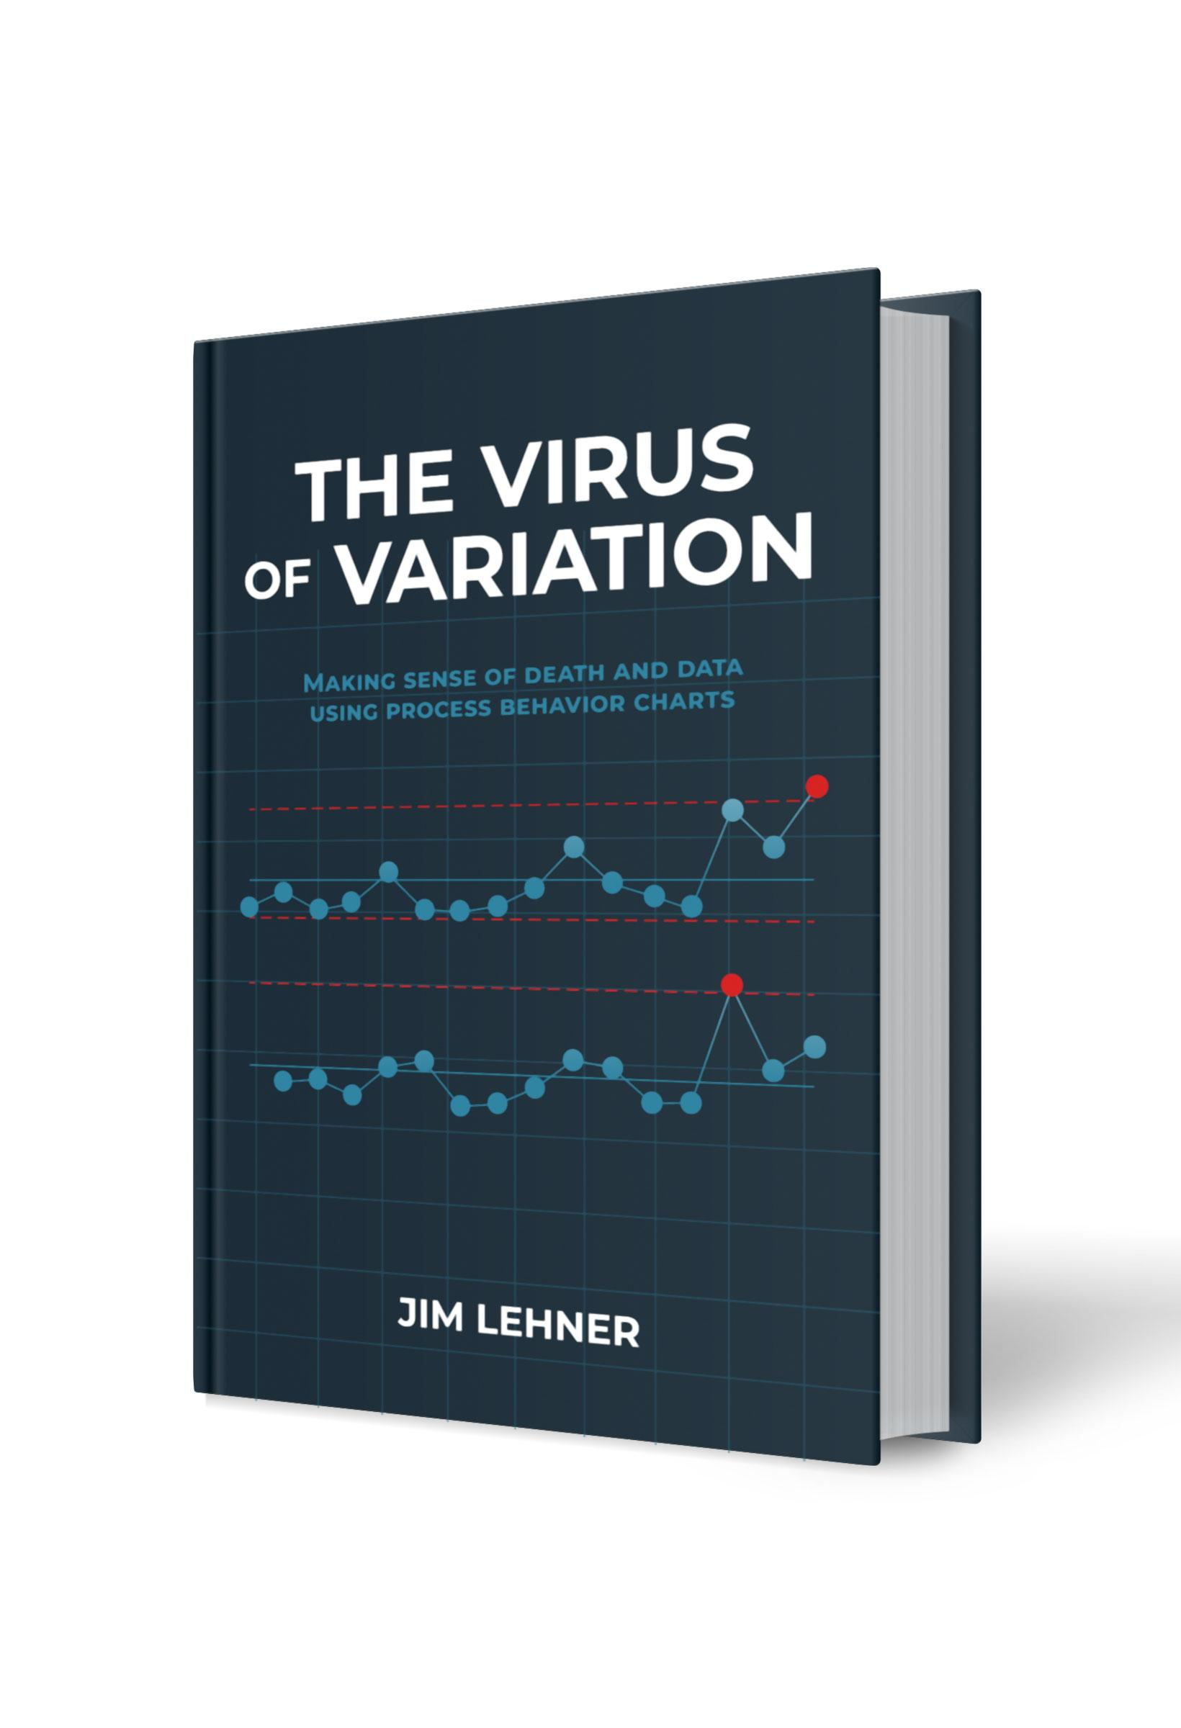
Chapter 6. Bar Chart Basics
This file serves as a resource for building some of the figures in Chapter 6 of The Virus of Variation using Microsoft Excel or Google Sheets. The figures included here are: Figure 6.1. Bar chart of births and deaths by hospital Figure 6.2. Bar chart of births and deaths by hospital with fixed vertical scale Figure 6.3. Stacked bar chart of births and deaths by hospital Figure 6.4. Pie chart of deaths by hospital Figure 6.5. Bar chart of deaths by hospital Figure 6.6. Deviation chart Figure 6.7. Pareto chart of causes of death Figure 6.8. Pareto chart of causes of death with cumulative percentage curve Each figure has its own tab. The data used in the figures can be found in the Data tab. For additional details regarding each of these figures, see Chapter 6 of The Virus of Variation. (BrokenQuality.com/book). If you are familiar with Python (or would like to learn), the Python code used to generate the figures, as they appear in The Virus of Variation, can be found at: github.com/jimlehner/the-virus-of-variation If you have question or feedback email us at: James.Lehner@gmail.com or QualityIsBroken@gmail.com.

Link to book:
https://www.brokenquality.com/book
Link to GitHub:
https://github.com/jimlehner/virus-of-variation-book
Contact:
James.Lehner@gmail.com
QualityIsBroken@gmail.com
Raw Data GitHub URL:
Fig 6.1, 6.2, 6.3, 6.4, 6.5, 6.6 | https://raw.githubusercontent.com/jimlehner/virus-of-variation-book/refs/heads/main/data/death-to-birth-rates-by-hospital-1784-to-1849.csv
Fig 6.7 & 6.8 | https://raw.githubusercontent.com/jimlehner/virus-of-variation-book/refs/heads/main/data/causes-of-death-in-1864-dublin.csv

Fig 6.1. Bar chart by hospital
Hospital | Births | Deaths
Vienna General Hospital | 2872 | 214
Dublin Maternity Hospital | 2584 | 59

Fig 6.2. Births & Deaths
Hospital | Births | Deaths
Vienna General Hospital | 2872 | 214
Dublin Maternity Hospital | 2584 | 59

Fig 6.3. Stacked bar chart
Hospital | Births | Deaths
Vienna General Hospital | 2872 | 214
Dublin Maternity Hospital | 2584 | 59

Fig 6.4. Pie chart
Hospital | Births | Deaths | Percent
Vienna General Hospital | 2872 | 214 | 78.4
Dublin Maternity Hospital | 2584 | 59 | 21.6
 | Sum | 273.0 | 100

Fig 6.5. Bar chart of deaths
Hospital | Births | Deaths | Percent
Vienna General Hospital | 2872 | 214 | 78
Dublin Maternity Hospital | 2584 | 59 | 22
 | Sum | 273.0 | 100

Fig 6.6. Deviation chart
Hospital | 1823 | 1824 | % Change
Vienna General Hospital | 2872 | 2911 | 1.4
Dublin Maternity Hospital | 2584 | 2446 | -5.3

Fig 6.7. Pareto chart
City | Cause of Death | Number of Deaths
Dublin (North & South) | Respiratory | 1582
Dublin (North & South) | Consumption | 974
Dublin (North & South) | Fever | 394
Dublin (North & South) | Diarrhea | 213
Dublin (North & South) | Violence | 194
Dublin (North & South) | Scarlatina | 153
Dublin (North & South) | Whooping Cough | 82
Dublin (North & South) | Dysentery | 47
Dublin (North & South) | Diphtheria | 43
Dublin (North & South) | Childbed Fever | 43
Dublin (North & South) | Erysipelas | 39
Dublin (North & South) | Influenza | 27
Dublin (North & South) | Smallpox | 25.18
Dublin (North & South) | Childbirth | 18
Dublin (North & South) | Measles | 15
Dublin (North & South) | Cholera | 12

Fig 6.8. Cumulative % curve
City | Cause of Death | Number of Deaths | % of Total | Cumulative %
Dublin (North & South) | Respiratory | 1582 | 40.97 | 40.97
Dublin (North & South) | Consumption | 974 | 25.23 | 66.2
Dublin (North & South) | Fever | 394 | 10.2 | 76.4
Dublin (North & South) | Diarrhea | 213 | 5.52 | 81.92
Dublin (North & South) | Violence | 194 | 5.02 | 86.94
Dublin (North & South) | Scarlatina | 153 | 3.96 | 90.9
Dublin (North & South) | Whooping Cough | 82 | 2.12 | 93.02
Dublin (North & South) | Dysentery | 47 | 1.22 | 94.24
Dublin (North & South) | Diphtheria | 43 | 1.11 | 95.35
Dublin (North & South) | Childbed Fever | 43 | 1.11 | 96.46
Dublin (North & South) | Erysipelas | 39 | 1.01 | 97.47
Dublin (North & South) | Influenza | 27 | 0.7 | 98.17
Dublin (North & South) | Smallpox | 25.18 | 0.65 | 98.82
Dublin (North & South) | Childbirth | 18 | 0.47 | 99.29
Dublin (North & South) | Measles | 15 | 0.39 | 99.68
Dublin (North & South) | Cholera | 12 | 0.31 | 99.99
 | Sum | 3861.18 | 99.99

