Overview
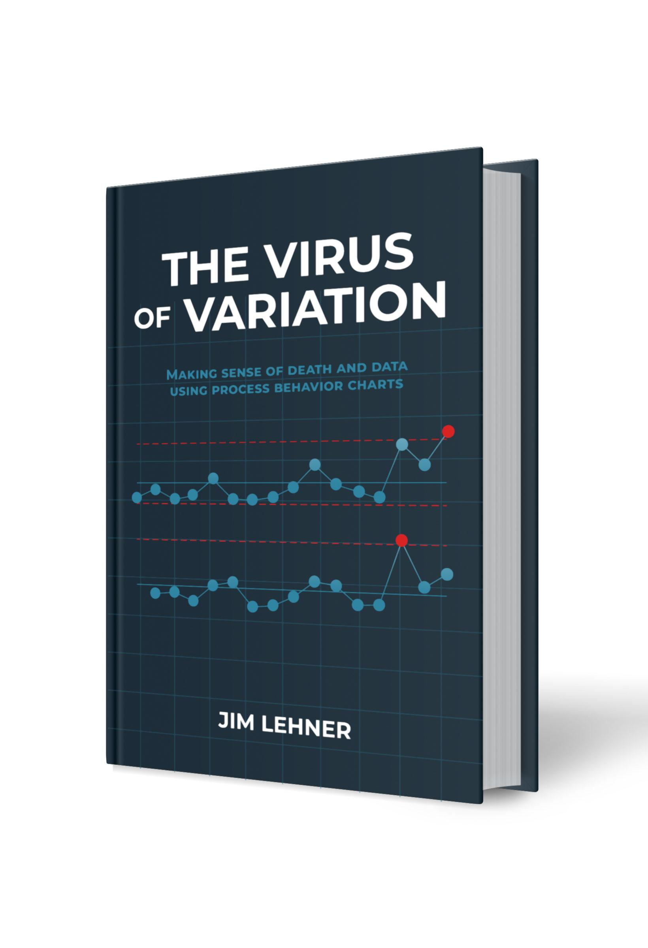
Chapter 7. How to Build a Helpful Histogram
This serves as a resource for building some of the figures in Chapter 7 of The Virus of Variation using Microsoft Excel or Google Sheets. The figures included here are: Figure 7.1. Histogram of Vienna General rates Figure 7.2. Histograms of Vienna General rates (different buckets) Figure 7.4. Stem-and-leaf of Vienna rates Figure 7.5. Histogram of Vienna rates (buckets = 1) Figure 7.7. Hisogram comparison Figure 7.8. Histogram of Dublin rates Each figure has its own tab. The data used in the figures can be found in the Data tab. For additional details regarding each of these figures, see Chapter 7 of The Virus of Variation. (BrokenQuality.com/book). If you are familiar with Python (or would like to learn), the Python code used to generate the figures, as they appear in The Virus of Variation, can be found at: github.com/jimlehner/the-virus-of-variation If you have question or feedback email us at: James.Lehner@gmail.com or QualityIsBroken@gmail.com.

Link to book:
https://www.brokenquality.com/book
Link to GitHub:
https://github.com/jimlehner/virus-of-variation-book
Contact:
James.Lehner@gmail.com
QualityIsBroken@gmail.com
Raw GitHub Data URLs:
Fig 7.1, 7.2, 7.4, 7.5, 7.7, 7.8 | https://raw.githubusercontent.com/jimlehner/virus-of-variation-book/refs/heads/main/data/death-to-birth-rates-by-hospital-1784-to-1849.csv

