Sheet1
1 | 2020-02-03 | ERIC LUCIANO | 83450 | 1,230.00 | 1 | 2020-02-03 | NOLASCO POULTRY SUPPLY | 83454 | 297.50
2 | 2020-02-03 | FELIZARDO GUMAFELIX | 83451 | 1,235.00 | 2 | 2020-02-03 | 55 STAR POULTRY SUPPLY | 83457 | 3,460.00
3 | 2020-02-03 | ZET POULTRY SUPPLY | 83452 | 102,698.00 | 3 | 2020-03-03 | STA ANA FEEDS SUPPLY | 83472 | 612.00 |  | Below PO numbers not found in respective customer purchase table
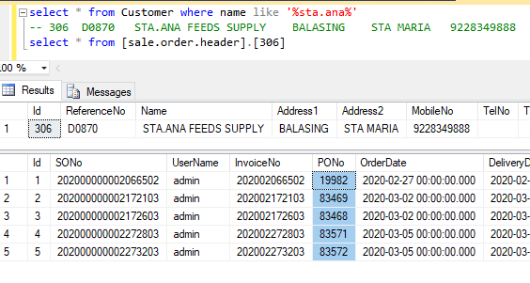
4 | 2020-02-03 | NOLASCO POULTRY SUPPLY | 83453 | 25,725.00 | 4 | 2020-03-03 | YNA POULTRY SUPPLY | 83475 | 4,190.00 |  | 83472
5 | 2020-02-03 | PSALM PAUL POULTRY SUPPLY | 83455 | 22,166.00 | 5 | 2020-03-03 | RR POULTRY SUPPLY | 83490 | 1,818.19 |  | 83530
6 | 2020-02-03 | 55 STAR POULTRY SUPPLY | 83456 | 40,061.00 | 6 | 2020-03-03 | JSAM POULTRY SUPPLY | 83495 | 4,190.00 |  | 20000
7 | 2020-02-03 | JAYANNZ POULTRY SUPPLY | 83458 | 1,173.00 | 7 | 2020-03-03 | ANDREI POULTRY SUPPLY | 83502 | 2,460.00
8 | 2020-02-03 | BOYONG (WALK-IN) | 83459 | 1,406.00 | 8 | 2020-03-03 | MERIAM POULTRY SUPPLY | 83507 | 459.00
9 | 2020-02-03 | LAARNI SANTOS | 83460 | 162,920.00 | 9 | 2020-04-03 | SHUFFLE POULTRY SUPPLY | 83510 | 1,730.00
10 | 2020-02-03 | ATE CISA | 83461 | 2,395.00 | 10 | 2020-04-03 | IJI POULTRY SUPPLY | 83519 | 423.30
11 | 2020-02-03 | CELIA REYES | 83462 | 16,390.00 | 11 | 2020-04-03 | REYDAH POULTRY SUPPLY | 83522 | 4,190.00
12 | 2020-02-03 | ARMAN REYES | 83463 | 15,650.00 | 12 | 2020-04-03 | JEMS POULTRY SUPPLY | 83527 | 5,920.00
13 | 2020-02-03 | MARISSA REYES | 83464 | 5,872.00 | 13 | 2020-04-03 | NOEL BESMANOS | 83529 | 1,210.56
14 | 2020-02-03 | LITA AVENA | 83465 | 52,175.00 | 14 | 2020-04-03 | AJ & MJ POULTRY SUPPLY | 83530 | 2,544.05 |  | 83530 is not found in the customer purchase table
15 | 2020-02-03 | MJN POULTRY SUPPLY | 83466 | 41,816.00 | 15 | 2020-04-03 | AJ & MJ POULTRY SUPPLY | 83531 | 1,700.00
16 | 2020-03-03 | TDR POULTRY SUPPLY | 19945 | 39,430.00 | 16 | 2020-04-03 | NAULPIT POULTRY SUPPLY | 83533 | 3,730.00
17 | 2020-03-03 | LCSP TRADING | 19947 | 28,320.00 | 17 | 2020-04-03 | MRR POULTRY SUPPLY | 83535 | 1,210.56
18 | 2020-03-03 | JAYANNZ POULTRY SUPPLY | 83467 | 5,338.00 | 18 | 2020-04-03 | ALLAN LARRAGA | 83539 | 306.00
19 | 2020-03-03 | DOC ATONG POULTRY SUPPLY | 83468 | 92,395.00 | 19 | 2020-05-03 | AILEEN POULTRY SUPPLY | 83548 | 510.00
20 | 2020-03-03 | STA ANA FEEDS SUPPLY | 83469 | 12,350.00 | 20 | 2020-05-03 | JAYVEE'S POULTRY SUPPLY | 83557 | 4,190.00
21 | 2020-03-03 | CANCELLED | 83470 | 0.00 | 21 | 2020-05-03 | WINNABET POULTRY SUPPLY | 83558 | 1,210.56
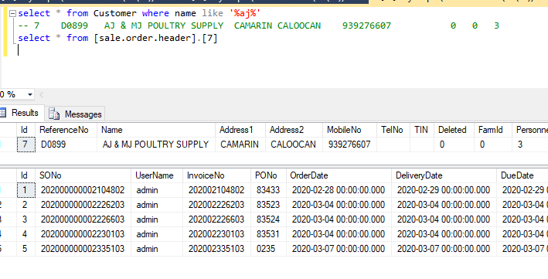
22 | 2020-03-03 | CANCELLED | 83471 | 0.00 | 22 | 2020-05-03 | CMF P/S CATMON | 83559 | 199.00
23 | 2020-03-03 | CMF P/S CATMON | 83473 | 20,596.00 | 23 | 2020-05-03 | HOMER POULTRY SUPPLY | 83561 | 1,190.00
24 | 2020-03-03 | YNA POULTRY SUPPLY | 83474 | 9,605.00 | 24 | 2020-05-03 | STA ANA FEEDS SUPPLY | 83571 | 3,640.00
25 | 2020-03-03 | ALLAN LARRAGA | 83476 | 1,235.00
26 | 2020-03-03 | AS NEPO FEEDS SUPPLY | 83477 | 18,623.50
27 | 2020-03-03 | R. BAYAWA | 83478 | 32,800.00
28 | 2020-03-03 | POM POULTRY SUPPLY | 83479 | 27,050.00
29 | 2020-03-03 | RR POULTRY SUPPLY | 83480 | 3,570.00
30 | 2020-03-03 | WAFI TIENDA POULTRY SUPPLY | 83481 | 29,802.00
31 | 2020-03-03 | CANCELLED | 83482 | 0.00
32 | 2020-03-03 | ST MARTIN | 83483
33 | 2020-03-03 | PETSTOP POULTRY SUPPLY | 83484 | 30,570.00
34 | 2020-03-03 | VETCARE POULTRY SUPPLY | 19948 | 53,880.00
35 | 2020-03-03 | FARM PLUS | 83485 | 153,300.00
36 | 2020-03-03 | CMF P/S SAN VICENTE | 83486 | 10,178.00
37 | 2020-03-03 | CMF P/S SAN VICENTE | 83487 | 31,300.00
38 | 2020-03-03 | R. BAYAWA | 83488 | 15,500.00
39 | 2020-03-03 | SAN GABRIEL FEEDS SUPPLY | 83489 | 13,360.00
40 | 2020-03-03 | IJI POULTRY SUPPLY | 83491 | 4,252.00
41 | 2020-03-03 | VODEGA 105 TRADING (A DE VILLA) | 83492 | 56,800.00
42 | 2020-03-03 | FINULIAR FEEDS SUPPLY | 83493 | 21,262.00
43 | 2020-03-03 | JSAM POULTRY SUPPLY | 83494 | 5,340.00
44 | 2020-03-03 | JROL | 83496 | 13,120.00
45 | 2020-03-03 | VIRGINIA VILLARICO | 83497 | 10,164.00
46 | 2020-03-03 | TDR POULTRY SUPPLY | 83498 | 31,000.00
47 | 2020-03-03 | ST MARTIN | 83499
48 | 2020-03-03 | ST MICHAEL POULTRY SUPPLY | 83500 | 15,505.00
49 | 2020-03-03 | WENG & CHENG POULTRY SUPPLY | 83501 | 9,165.00
50 | 2020-03-03 | PM BAYANI POULTRY SUPPLY | 83503 | 22,824.00
51 | 2020-03-03 | ANDREI POULTRY SUPPLY | 83504 | 15,440.00
52 | 2020-03-03 | PINTAKASI GAMEFOWL | 83505 | 45,100.00
53 | 2020-03-03 | MERIAM POULTRY SUPPLY | 83506 | 14,734.00
54 | 2020-03-03 | BLYTHE P/S (KLAGZ) | 83508 | 5,190.00
55 | 2020-03-03 | MARIANO POULTRY SUPPLY | 83509 | 180,820.00
56 | 2020-03-03 | DTRAX POULTRY SUPPLY | 19997 | 192,420.00
57 | 2020-03-03 | TDR POULTRY SUPPLY | 19998 | 58,205.00
58 | 2020-03-03 | EMERSON SOLEDAD | 19999 | 52,800.00 |  |  |  |  |  | 20000 is not found in the customer purchase table
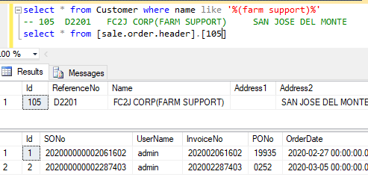
59 | 2020-03-03 | FC2J CORPORATION (FARM SUPPORT) | 20000 | 630.00
60 | 2020-04-03 | FELISA KEH | 19949 | 17,045.00
61 | 2020-04-03 | RM TOLENTINO POULTRY SUPPLY | 83511 | 150,800.00
62 | 2020-04-03 | DTRAX POULTRY SUPPLY | 83512 | 65,600.00
63 | 2020-04-03 | VODEGA 105 TRADING (A DE VILLA) | 83513 | 61,600.00
64 | 2020-04-03 | MJN POULTRY SUPPLY | 83514 | 14,100.00
65 | 2020-04-03 | CMF P/S SAN VICENTE | 83515 | 12,598.00
66 | 2020-04-03 | TDR POULTRY SUPPLY | 83516 | 28,200.00
67 | 2020-04-03 | ST MARTIN | 83517
68 | 2020-04-03 | IJI POULTRY SUPPLY | 83518 | 4,230.00
69 | 2020-04-03 | IJI POULTRY SUPPLY | 83520 | 13,029.00
70 | 2020-04-03 | REYDAH POULTRY SUPPLY | 83521 | 17,425.00
71 | 2020-04-03 | AJ & MJ POULTRY SUPPLY | 83523 | 112,818.00
72 | 2020-04-03 | PINTAKASI GAMEFOWL | 83524 | 9,940.00
73 | 2020-04-03 | NOEL BESMANOS | 83525 | 20,855.00
74 | 2020-04-03 | P. OCTAGON | 83526 | 6,575.00
75 | 2020-04-03 | JEMS POULTRY SUPPLY | 83528 | 4,737.00
76 | 2020-04-03 | MRR POULTRY SUPPLY | 83532 | 88,370.00
77 | 2020-04-03 | NAULPIT POULTRY SUPPLY | 83534 | 32,791.00
78 | 2020-04-03 | ANCHANG FEEDS & POULTRY SUPPLY | 83536 | 48,592.50
79 | 2020-04-03 | FARM PLUS | 83537 | 28,000.00
80 | 2020-04-03 | FARM PLUS | 83538 | 46,725.00
81 | 2020-04-03 | ARMAN REYES | 83540 | 28,200.00
82 | 2020-04-03 | CANCELLED | 83541 | 0.00
83 | 2020-04-03 | CANCELLED | 83542 | 0.00
84 | 2020-04-03 | BULAC POULTRY SUPPLY | 83543 | 69,960.00
85 | 2020-04-03 | BULAC POULTRY SUPPLY | 83544 | 21,540.00
86 | 2020-04-03 | MJN POULTRY SUPPLY | 83545 | 22,461.00
87 | 2020-05-03 | CANCELLED | 19950 | 0.00
88 | 2020-05-03 | FINULIAR FEEDS SUPPLY | 83546 | 15,825.00
89 | 2020-05-03 | AILEEN POULTRY SUPPLY | 83547 | 11,939.50
90 | 2020-05-03 | EA MARTIN TRADING | 83549 | 2,710.00
91 | 2020-05-03 | WINNABET POULTRY SUPPLY | 83550 | 7,660.00
92 | 2020-05-03 | SKY HIGH | 83551 | 32,550.00
93 | 2020-05-03 | AM PABLO | 83552 | 15,915.00
94 | 2020-05-03 | GROWERS POULTRY SUPPLY | 83553 | 93,515.00
95 | 2020-05-03 | RM TOLENTINO POULTRY SUPPLY | 83554 | 42,000.00
96 | 2020-05-03 | PETSTOP POULTRY SUPPLY | 83555 | 6,410.00
97 | 2020-05-03 | JAYVEE'S POULTRY SUPPLY | 83556 | 7,178.50
98 | 2020-05-03 | ERIC LUCIANO | 83560 | 4,230.00
99 | 2020-05-03 | HOMER POULTRY SUPPLY | 83562 | 24,936.10
100 | 2020-05-03 | JEJOMAR POULTRY SUPPLY | 83563 | 9,973.80
101 | 2020-05-03 | BRILLIANT POULTRY SUPPLY | 83564 | 18,115.00
102 | 2020-05-03 | DG CLIMACO POULTRY SUPPLY | 83565 | 10,345.00
103 | 2020-05-03 | BULAC POULTRY SUPPLY | 83566 | 32,100.00
104 | 2020-05-03 | R. BAYAWA | 83567 | 28,200.00
105 | 2020-05-03 | AILEEN POULTRY SUPPLY | 83568 | 2,760.00
106 | 2020-05-03 | DAISY STORE | 83569 | 4,623.50
107 | 2020-05-03 | LITA AVENA | 83570 | 15,650.00
108 | 2020-05-03 | STA ANA FEEDS SUPPLY | 83572 | 12,140.00
109 | 2020-05-03 | SAN GABRIEL FEEDS SUPPLY | 83573 | 175,100.00

