Sheet1
 | FORWARD KINAMATICS |  |  |  |  |  |  |  |  |  | INVERSE KINAMATICS
Rev.1 | IN |  |  |  |  |  | OUT |  |  |  | IN
 | degrees | radians |  |  |  |  |  |  |  |  | degrees | radians |  |  |  |  |  |  |  | PREVIOUS XYZ | NEW XYZ
J1 | 0.0001 | 1.745329252E-06 |  |  |  | X | 478 |  |  | change X | 0 | 0 | J1 | 9.9999999995E-05 |  |  |  |  |  | 478 | 478
J2 | -90 | -1.5707963268 |  |  |  | Y | 0.00083426738242 |  |  | change Y | 0 | 0 | J2 | -90 | 1.7452816078E-06 | -1.7452816078E-06 |  |  |  | -9.9999165733 | -29.999916573
J3 | 90 | 0 |  |  |  | Z | 615 |  |  | change Z | 0 | 0 | J3 | 90 |  |  |  |  |  | 615 | 615
J4 | 0.0001 | 1.745329252E-06 | QU-J1 | 3 |  | y | -89.9998 | -1.5707928361 |  | change y | 0 | 0 | J4 | 9.9997416874E-05 | 9.9997416874E-05 | -179.9999 |  |  |  | -89.999980028 | -89.999980028
J5 | 0.0001 | 1.745329252E-06 | QU-J5 | 3 |  | p | 90.0001 | 1.5707980721 |  | change p | 0 | 0 | J5 | 9.9997270186E-05 | 9.9997270186E-05 | -9.9997270186E-05 |  |  |  | 90.000010245 | 90.000010245
J6 | 0.0001 | 3.1415943989 |  |  |  | r | -90.0001 | -1.5707980721 |  | change r | 0 | 0 | J6 | 0.00010000258314 | 0.00010000258314 | -179.9999 |  |  |  | -90.00001 | -90.00001

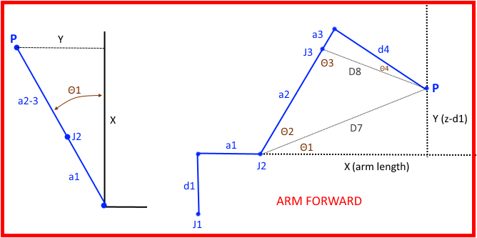
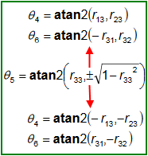
 | DH params
 | joint | Θ | α | d | a |  | WORK FRAME |  | TOOL FRAME |  |  |  | radians | degrees
 | 1 | 1.745329252E-06 | -1.5707963268 | 350 | 129 | X | 0 | X | 0 |  |  | J1 ang | 1.7453292519E-06 | 9.9999999995E-05
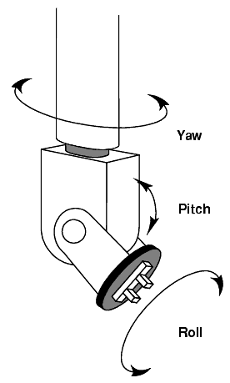
 | 2 | -1.5707963268 | 0 | 0 | 265 | Y | 0 | Y | 0 |  |  | (X) arm length a2,3+a1 | 607
 | 3 | 0 | 1.5707963268 | 0 | 0 | Z | 0 | Z | 0 |  |  | (X) arm length a2,3 | 478
 | 4 | 1.745329252E-06 | -1.5707963268 | -349 | 0 | yaw (x) | 0 | yaw (x) | 0 |  |  | (X) arm length a2,3-a1 | 349 | 349
 | 5 | 1.745329252E-06 | 1.5707963268 | 0 | 0 | pitch (y) | 0 | pitch (y) | 0 |  |  | (Y) z-d1 | 265
 | 6 | 3.1415943989 | 0 | 75 | 0 | roll (z) | 0 | roll (z) | 0
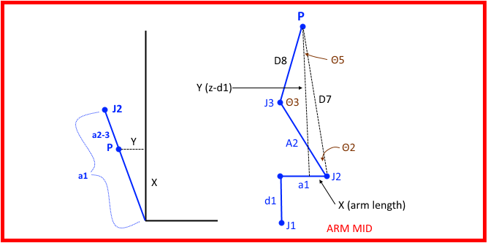
 |  |  |  |  |  |  |  |  |  |  |  | (D7) dist J2 to P | 438.20771331
 | WORK FRAME
 | 1 | 0 | 0 | 0 |  |  |  |  |  |  |  |  | radians | deg
 | 0 | 1 | 0 | 0 |  |  |  |  |  |  |  | Θ1 | 0.64943440293 | 37.209850358
 | 0 | 0 | 1 | 0 |  | R 0-1 |  |  |  |  |  | Θ5 | 0.92136192387 | 52.790149642
 | 0 | 0 | 0 | 1 |  | 1 | -1.0691437182E-22 | -1.745329252E-06 | 129 |  |  | D8 | 349
 |  |  |  |  |  | 1.745329252E-06 | 6.1257422745E-17 | 1 | 0.00022514747351 |  |  | Θ6 | 0.41163236619 | 23.584797294
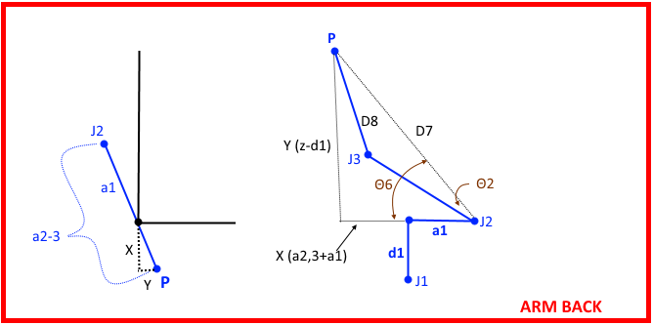
 | J1 |  |  |  |  | 0 | -1 | 6.1257422745E-17 | 350 |  |  | Θ2 using ACOS | 0.92136192387 | 52.790149642
 | 1 | -1.0691437182E-22 | -1.745329252E-06 | 129 |  | 0 | 0 | 0 | 1 |  |  | Θ2 using ATAN2 | 0.92136192387 | 52.790149642
 | 1.745329252E-06 | 6.1257422745E-17 | 1 | 0.00022514747351 |  |  |  |  |  |  |  | J2 angle |  | -90
 | 0 | -1 | 6.1257422745E-17 | 350 |  | R 0-2
 | 0 | 0 | 0 | 1 |  | 6.125752966E-17 | 1 | -1.745329252E-06 | 129 |  |  | Θ4 | 0 | 0
 |  |  |  |  |  | -6.1257315831E-17 | 1.745329252E-06 | 1 | 0.00022514747349
 | J2 |  |  |  |  | 1 | -6.1257422745E-17 | 6.1257422745E-17 | 615 |  |  | J3 angle using ACOS | 1.5707963268 | 90
 | 6.1257422745E-17 | 1 | 0 | 1.6233217028E-14 |  | 0 | 0 | 0 | 1 |  |  | J3 angle using ATAN2 | 1.5707963268 | 90
 | -1 | 6.1257422745E-17 | 0 | -265
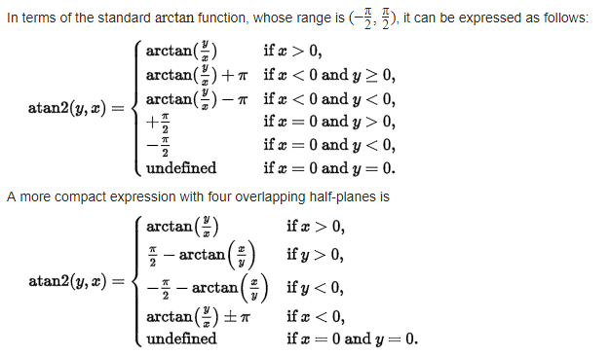
 | 0 | 0 | 1 | 0 |  | R 0-3 |  |  |  |  |  | DH params
 | 0 | 0 | 0 | 1 |  | 6.125752966E-17 | -1.7453292519E-06 | -1 | 129 |  |  | joint | theta | alpa | d | a |  | WORK FRAME
 |  |  |  |  |  | -6.1257315831E-17 | 1 | -1.7453292519E-06 | 0.00022514747349 |  |  | 1 | 1.7453292519E-06 | -1.5707963268 | 249.57 | 100 | X | 0
 | J3 |  |  |  |  | 1 | 6.1257422745E-17 | 6.1257422745E-17 | 615 |  |  | 2 | -1.5707963268 | 0 | 0 | 194.5 | Y | 0
 | 1 | 0 | 0 | 0 |  | 0 | 0 | 0 | 1 |  |  | 3 | -2.480262043E-16 | 1.5707963268 | 0 | 0 | Z | 0
 | 0 | 6.1257422745E-17 | -1 | 0 |  |  |  |  |  |  |  | 4 | 1.7452841679E-06 | -1.5707963268 | -222.63 | 0 | yaw (x) | 0
 | 0 | 1 | 6.1257422745E-17 | 0 |  | R 0-4 |  |  |  |  |  | 5 | 1.7452816078E-06 | 1.5707963268 | 0 | 0 | pitch (y) | 0
 | 0 | 0 | 0 | 1 |  | -3.0461129402E-12 | 1 | -1.745329252E-06 | 478 |  |  | 6 | 1.7453743363E-06 | 0 | -36.25 | 0 | roll (z) | 0
 |  |  |  |  |  | 1.7453292519E-06 | 1.745329252E-06 | 1 | 0.00083426738242
 | J4 |  |  |  |  | 1 | -6.125752966E-17 | -1.7453292519E-06 | 615 |  |  | WORK FRAME
 | 1 | -1.0691437182E-22 | -1.745329252E-06 | 0 |  | 0 | 0 | 0 | 1 |  |  | 1 | 0 | 0 | 0 |  |  |  |  |  |  | FIND INVERSE OF (WF*J1*J2)*J3
 | 1.745329252E-06 | 6.1257422745E-17 | 1 | 0 |  |  |  |  |  |  |  | 0 | 1 | 0 | 0 |  |  |  |  |  |  | https://www.youtube.com/watch?v=S4n-tQZnU6o
 | 0 | -1 | 6.1257422745E-17 | -349 |  | R 0-5 |  |  |  |  |  | 0 | 0 | 1 | 0 |  | R 0-1 inverse |  |  |  |  | matrix of minors
 | 0 | 0 | 0 | 1 |  | 1.7453262059E-06 | -1.7453292519E-06 | -1 | 478 |  |  | 0 | 0 | 0 | 1 |  | 1 | -1.0691437181E-22 | -1.7453292519E-06 | 100 |  | 1 | -1.7453292519E-06 | -6.1257748718E-17 | -1.7453292519E-06 | -6.1257748718E-17 | 1
 |  |  |  |  |  | 1.7453322981E-06 | 1 | -1.7453262058E-06 | 0.00083426738242 |  |  |  |  |  |  |  | 1.7453292519E-06 | 6.1257422745E-17 | 1 | 0.00017453292519 |  | 6.1257422745E-17 | -1.8676878156E-16 | 1 | -1.8676878156E-16 | 1 | 6.1257422745E-17
 | J5 |  |  |  |  | 1 | -1.7453292519E-06 | 1.7453292521E-06 | 615 |  |  | J1 inverse |  |  |  |  | 0 | -1 | 6.1257422745E-17 | 249.57 |  | -1.7453292519E-06 | -1 | -1.8676867464E-16 | -1 | -1.8676867464E-16 | -1.7453292519E-06
 | 1 | -1.0691437182E-22 | 1.745329252E-06 | 0 |  | 0 | 0 | 0 | 1 |  |  | 1 | -1.0691437181E-22 | -1.7453292519E-06 | 100 |  | 0 | 0 | 0 | 1 |  | 6.1257422745E-17 | -1.8676878156E-16 | 1 | -1.8676878156E-16 | 1 | 6.1257422745E-17
 | 1.745329252E-06 | 6.1257422745E-17 | -1 | 0 |  |  |  |  |  |  |  | 1.7453292519E-06 | 6.1257422745E-17 | 1 | 0.00017453292519 |  |  |  |  |  |  | -1.7453292519E-06 | -1 | -1.8676867464E-16 | -1 | -1.8676867464E-16 | -1.7453292519E-06
 | 0 | 1 | 6.1257422745E-17 | 0 |  | R 0-6 |  |  |  |  |  | 0 | -1 | 6.1257422745E-17 | 249.57 |  | R 0-2 inverse |  |  |  |  | 1 | -1.7453292519E-06 | -6.1257748718E-17 | -1.7453292519E-06 | -6.1257748718E-17 | 1
 | 0 | 0 | 0 | 1 |  | -1.7453231597E-06 | 1.7453322981E-06 | -1 | 403 |  |  | 0 | 0 | 0 | 1 |  | 6.125752966E-17 | 1 | -1.7453292519E-06 | 100
 |  |  |  |  |  | -3.4906615502E-06 | -0.99999999999 | -1.7453262058E-06 | 0.00070336791698 |  |  |  |  |  |  |  | -6.1257315831E-17 | 1.7453292519E-06 | 1 | 0.00017453292518 |  | matrix of minors determinant
 | J6 |  |  |  |  | -0.99999999999 | 3.490658504E-06 | 1.7453292521E-06 | 615.0001309 |  |  | J2 inverse |  |  |  |  | 1 | -6.1257422745E-17 | 6.1257422745E-17 | 444.07 |  | -1.8676867464E-16 | 1.7453292519E-06 | -1
 | -1 | 1.7453292521E-06 | 0 | 0 |  | 0 | 0 | 0 | 1 |  |  | 6.1257422745E-17 | 1 | 0 | 1.1914568724E-14 |  | 0 | 0 | 0 | 1 |  | 6.1257748718E-17 | 1 | 1.7453292519E-06
 | -1.7453292521E-06 | -1 | 0 | 0 |  |  |  |  |  |  |  | -1 | 6.1257422745E-17 | 0 | -194.5 |  |  |  |  |  |  | 1 | -6.1257422745E-17 | -1.8676878156E-16
 | 0 | 0 | 1 | 75 |  | R 0-T |  |  |  |  |  | 0 | 0 | 1 | 0 |  | R 0-3 inverse
 | 0 | 0 | 0 | 1 |  | -1.7453231597E-06 | 1.7453322981E-06 | -1 | 403 |  |  | 0 | 0 | 0 | 1 |  | -1.8676867464E-16 | -1.7453292519E-06 | -1 | 100 |  | matrix of cofactors
 |  |  |  |  |  | -3.4906615502E-06 | -0.99999999999 | -1.7453262058E-06 | 0.00070336791698 |  |  |  |  |  |  |  | -6.1257748718E-17 | 1 | -1.7453292519E-06 | 0.00017453292518 |  | 1 | -1 | 1 |  | -1.8676867464E-16 | -1.7453292519E-06 | -1
 | TOOL FRAME |  |  |  |  | -0.99999999999 | 3.490658504E-06 | 1.7453292521E-06 | 615.0001309 |  |  | J3 inverse |  |  |  |  | 1 | 6.1257422745E-17 | -1.8676878156E-16 | 444.07 |  | -1 | 1 | -1 | = | -6.1257748718E-17 | 1 | -1.7453292519E-06
 | 1 | 0 | 0 | 0 |  | 0 | 0 | 0 | 1 |  |  | 1 | 1.5193446049E-32 | -2.480262043E-16 | 0 |  | 0 | 0 | 0 | 1 |  | 1 | -1 | 1 |  | 1 | 6.1257422745E-17 | -1.8676878156E-16
 | 0 | 1 | 0 | 0 |  |  |  |  |  |  |  | -2.480262043E-16 | 6.1257422745E-17 | -1 | 0
 | 0 | 0 | 1 | 0 |  |  |  |  |  |  |  | 0 | 1 | 6.1257422745E-17 | 0 |  |  |  |  |  |  | adjugate
 | 0 | 0 | 0 | 1 |  |  |  |  |  |  |  | 0 | 0 | 0 | 1 |  |  |  |  |  |  | -1.8676867464E-16 | -6.1257748718E-17 | 1
 |  |  |  |  |  |  |  |  |  |  |  |  |  |  |  |  |  |  |  |  |  | -1.7453292519E-06 | 1 | 6.1257422745E-17
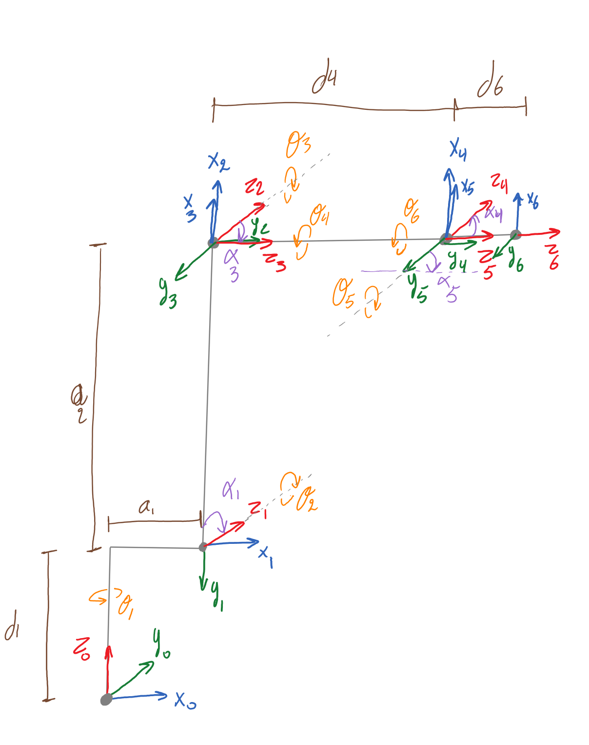
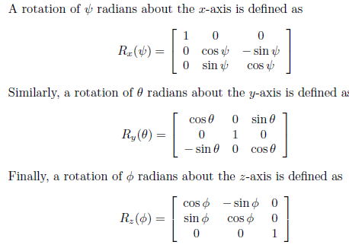
 |  |  |  |  |  |  |  |  |  |  |  | Z change |  |  |  |  |  |  |  |  |  | -1 | -1.7453292519E-06 | -1.8676878156E-16
 |  |  |  |  |  |  |  |  |  |  |  | 1 | 0 | 0
 |  |  |  |  |  |  |  |  |  |  |  | 0 | 1 | 0 |  |  |  |  |  |  |  | determinant |  | INVERSE (WF*J1*J2)*J3 (1/determinant * adjugate)
 |  |  |  |  |  |  |  |  |  |  |  | 0 | 0 | 1 |  | R RP |  |  |  |  |  | 1 |  | -1.8676867464E-16 | -6.1257748718E-17 | 1
 |  |  |  |  |  |  |  |  |  |  |  |  |  |  |  | 1 | 0 | 0 |  |  |  |  |  | -1.7453292519E-06 | 1 | 6.1257422745E-17
 |  |  |  |  |  |  |  |  |  |  |  | Y change |  |  |  | 0 | 1 | 0 |  |  |  |  |  | -1 | -1.7453292519E-06 | -1.8676878156E-16
 |  |  |  |  |  |  |  |  |  |  |  | 1 | 0 | 0 |  | 0 | 0 | 1
 |  |  |  |  |  |  |  |  |  |  |  | 0 | 1 | 0 |  |  |  |  |  |  |  | PROOF: ((WF*J1*J2)*J3) * its invers should always = identity matrix
 |  |  |  |  |  |  |  |  |  |  |  | 0 | 0 | 1 |  | R YPR |  |  |  |  |  |  |  | 1 | 0 | 0
 |  |  |  |  |  |  |  |  |  |  |  |  |  |  |  | 1 | 0 | 0 |  |  |  |  |  | 0 | 1 | -2.1021600575E-33
 |  |  |  |  |  |  |  |  |  |  |  | X change |  |  |  | 0 | 1 | 0 |  |  |  |  |  | 0 | 1.0223744567E-32 | 1
 |  |  |  |  |  |  |  |  |  |  |  | 1 | 0 | 0 |  | 0 | 0 | 1
 |  |  |  |  |  |  |  |  |  |  |  | 0 | 1 | 0
 |  |  |  |  |  |  |  |  |  |  |  | 0 | 0 | 1 |  | R Tool x YPR
 |  |  |  |  |  |  |  |  |  |  |  |  |  |  |  | -1.7453231597E-06 | 1.7453322981E-06 | -1
 |  |  |  |  |  |  |  |  |  |  |  | Current R 0-T |  |  |  | -3.4906615502E-06 | -0.99999999999 | -1.7453262058E-06
 |  |  |  |  |  |  |  |  |  |  |  | -1.7453231597E-06 | 1.7453322981E-06 | -1 |  | -0.99999999999 | 3.490658504E-06 | 1.7453292521E-06
 |  |  |  |  |  |  |  |  |  |  |  | -3.4906615502E-06 | -0.99999999999 | -1.7453262058E-06
 |  |  |  |  |  |  |  |  |  |  |  | -0.99999999999 | 3.490658504E-06 | 1.7453292521E-06

 |  |  |  |  |  |  |  |  |  |  |  | R,3-6 (T0-6 * change in rotation * invers of T 0-3)
 |  |  |  |  |  |  |  |  |  |  |  | -0.99999999999 | 3.4906585041E-06 | 1.7453292522E-06
 |  |  |  |  |  |  |  |  |  |  |  | -3.4906585041E-06 | -0.99999999999 | 3.0460955118E-12
 |  |  |  |  |  |  |  |  |  |  |  | 1.7453292522E-06 | -3.0462528851E-12 | 1

