Sheet1
Product ID | 75--1 | 75--2 | 75--3 | 75--5 | 75--6 | structure-standard
Model Image |  |  |  |  |  | 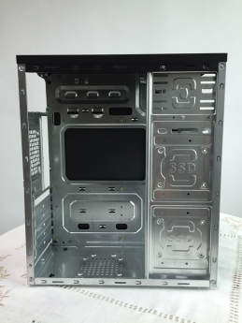
Type | ATX | ATX | ATX | ATX | ATX
EX WORK
FOB Shenzhen | $7.00 | $7.00 | $7.00 | $7.60 | $7.00
Specification | 1.SGCC 2.MB:ATX, 2*5.25 External ODD,1*3.5 External FDD,3*internal HDD 3. 2*USB1.0 4.optional 1*8cm rear fan,2*12cm side fan,2*8cm bottom fans 5.Structure size : 345*175*405mm | 1.SGCC 2.MB:ATX, 2*5.25 External ODD,1*3.5 External FDD,3*internal HDD 3. 2*USB1.0 4.optional 1*8cm rear fan,2*12cm side fan,2*8cm bottom fans 5.Structure size : 345*175*405mm | 1.SGCC 2.MB:ATX, 2*5.25 External ODD,1*3.5 External FDD,3*internal HDD 3. 2*USB1.0 4.optional 1*8cm rear fan,2*12cm side fan,2*8cm bottom fans 5.Structure size : 345*175*405mm | 1.SGCC 2.MB:ATX, 1*5.25 External ODD,1*3.5 External FDD,3*internal HDD 3. 2*USB1.0 4.optional 1*8cm rear fan,2*12cm side fan,2*8cm bottom fans 5.Structure size : 345*175*405mm | 1.SGCC 2.MB:ATX, 1*5.25 External ODD,1*3.5 External FDD,3*internal HDD 3. 2*USB1.0 4.optional 1*8cm rear fan,2*12cm side fan,2*8cm bottom fans 5.Structure size : 345*175*405mm | 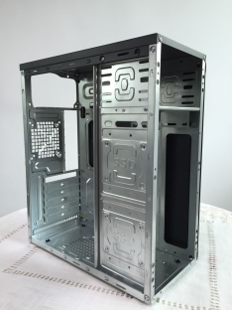 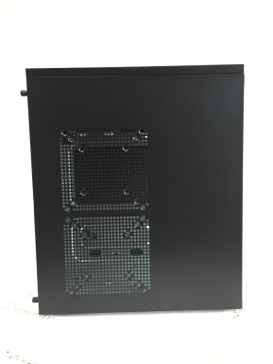
Package | 450*205*425MM A=A | 450*205*425MM A=A | 450*205*425MM A=A | 450*205*425MM A=A | 450*205*425MM A=A
Net weight | 3KG | 3KG | 3KG | 3KG | 3KG
Gross Weight | 3.5KG | 3.5KG | 3.5KG | 3.5KG | 3.5KG
Cartom Loading
Weight(kg)
Factory /capacity

40HQ loading | 1740PCS | 1740PCS | 1740PCS | 1740PCS | 1740PCS
20 HQ loading | 720PCS | 720PCS | 720PCS | 720PCS | 720PCS
CBM | 0.0392 | 0.0392 | 0.0392 | 0.0392 | 0.0392
MOQ | 1*40HQ | 1*40HQ | 1*40HQ | 1*40HQ | 1*40HQ
Leadtime | 25days | 25days | 25days | 25days | 25days

Product ID | 75--7 | 75--9 | 75--10 | 75--11 | 75--12 | structure-black
Model Image |  |  |  |  | 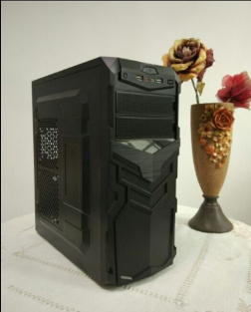
Type | ATX | ATX | ATX | ATX | ATX
EX WORK
FOB Shenzhen | $7.60 | $7.00 | $8.20 | $7.60 | $7.00
Specification | 1.SGCC 2.MB:ATX, 2*5.25 External ODD,1*3.5 internal FDD,3*internal HDD 3. 2*USB1.0 4.optional 1*8cm rear fan,2*12cm side fan,2*8cm bottom fans 5.Structure size : 345*175*405mm | 1.SGCC 2.MB:ATX, 1*5.25 External ODD,1*3.5 External FDD,3*internal HDD 3. 2*USB1.0 4.optional 1*8cm rear fan,2*12cm side fan,2*8cm bottom fans 5.Structure size : 345*175*405mm | 1.SGCC 2.MB:ATX, 1*5.25 External ODD,1*3.5 External FDD,3*internal HDD 3. 2*USB1.0 4.optional 1*8cm rear fan,2*12cm side fan,2*8cm bottom fans 5.Structure size : 345*175*405mm | 1.SGCC 2.MB:ATX, 1*5.25 External ODD,1*5.25 internal ODD,3*internal HDD, 3. 2*USB1.0 4.optional 1*8cm rear fan,2*12cm side fan,2*8cm bottom fans 5.Structure size : 345*175*405mm | 1.SGCC 2.MB:ATX, 1*5.25 External ODD,1*3.5 Internal FDD,3*internal HDD 3. 2*USB1.0 4.optional 1*8cm rear fan,2*12cm side fan,2*8cm bottom fans 5.Structure size : 345*175*405mm | 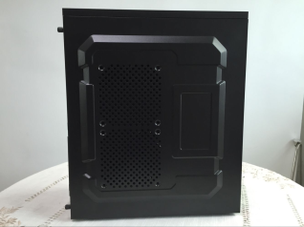
Package | 450*205*425MM A=A | 450*205*425MM A=A | 450*205*425MM A=A | 450*205*425MM A=A | 450*205*425MM A=A
Net weight | 3KG | 3KG | 3KG | 3KG | 3KG
Gross Weight | 3.5KG | 3.5KG | 3.5KG | 3.5KG | 3.5KG
Cartom Loading
Weight(kg)
Factory /capacity

40HQ loading | 1740PCS | 1740PCS | 1740PCS | 1740PCS | 1740PCS
20 HQ loading | 720PCS | 720PCS | 720PCS | 720PCS | 720PCS
CBM | 0.0392 | 0.0392 | 0.0392 | 0.0392 | 0.0392
MOQ | 1*40HQ | 1*40HQ | 1*40HQ | 1*40HQ | 1*40HQ
Leadtime | 25days | 25days | 25days | 25days | 25days
Note

 | 1.IF CHANGE TO BLACK STRUCTURE NEED TO ADD $0.4 EXTRA

