160&178&370
ShenZhen Laintek Industrial Co.,Ltd
Address: 2H, Foreign trade building, 59#,longjing 2nd Road, Baocheng 3rd District,Bao'An area, Shenzhen, China.
Tel: 13510407767/0755-26407505 ext 603 Email: betinaliao@foxmail.com/laintek@laintek.cn Skype: betty.liao22 website: www.laintek.com.cn
178 STRUCTURE
Structure / Model | GC781 | GC782 | GC783 | GC785
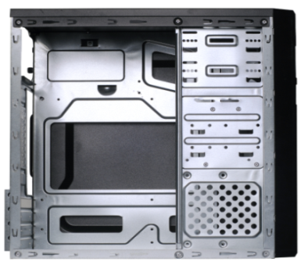 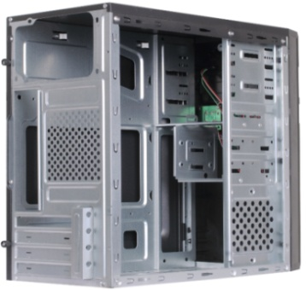 Front panel | 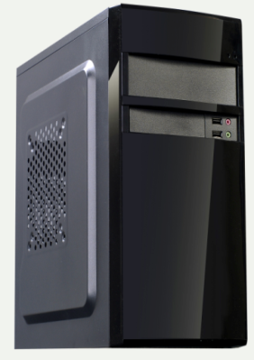 | 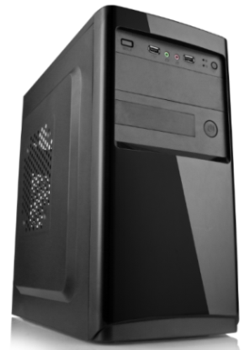 | 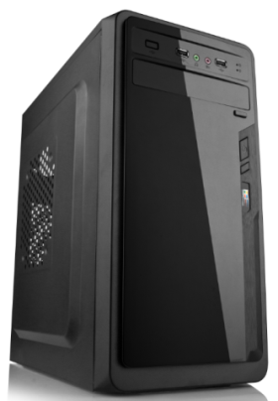 | 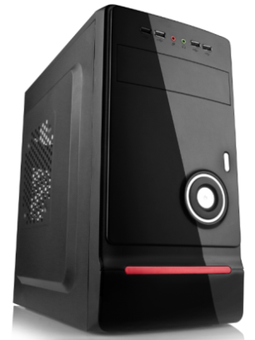
Structure Material | 0.4mmSGCC | 0.4mmSGCC | 0.4mmSGCC | 0.4mmSGCC
Color | Black | Black | Black | Black
Max Motherboard | Micro ATX | Micro ATX | Micro ATX | Micro ATX
Structure Size | 330*178*350mm | 330*178*350mm | 330*178*350mm | 330*178*350mm
ODD | 1*5.25'' | 1*5.25'' | 1*5.25'' | 1*5.25''
HDD | 2*3.5'' | 2*3.5'' | 3*3.5'' | 3*3.5''
FDD | 1*3.5'' | 1*3.5'' | / | /
PCI Slot | 4 | 4 | 4 | 4
Front Ports: | Audio, USB | Audio, USB | Audio, USB | Audio, USB(4pcs)
Fan Cooler | 1*back+2*side | 1*back+2*side | 1*back+2*side | 1*back+2*side
Power Supply | Standard ATX PSU | Standard ATX PSU | Standard ATX PSU | Standard ATX PSU
Package Size | 393*218*402mm | 393*218*402mm | 393*218*402mm | 393*218*402mm
FOB Shenzhen price | US$7.90 | US$7.90 | US$7.90 | US$8.60
GC786 | GC787 | GC788 | GC789 | GC7810
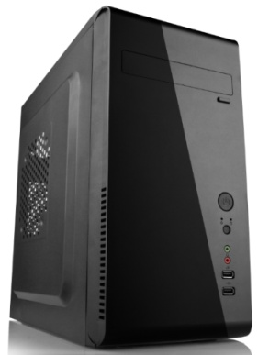 | 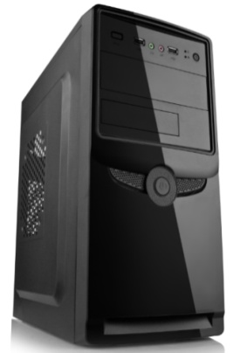 | 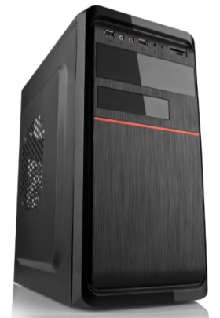 | 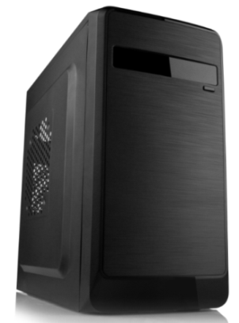 | 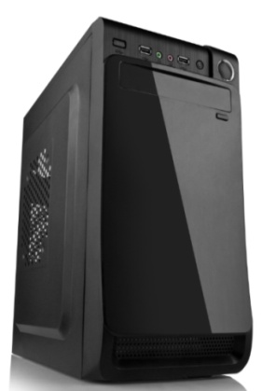
0.4mmSGCC | 0.4mmSGCC | 0.4mmSGCC | 0.4mmSGCC | 0.4mmSGCC
Black | Black | Black | Black | Black
Micro ATX | Micro ATX | Micro ATX | Micro ATX | Micro ATX
330*178*350mm | 330*178*350mm | 330*178*350mm | 330*178*350mm | 330*178*350mm
1*5.25'' | 1*5.25'' | 1*5.25'' | 1*5.25'' | 1*5.25''
3*3.5'' | 2*3.5'' | 2*3.5'' | 3*3.5'' | 3*3.5''
/ | 1*3.5'' | 1*3.5'' | / | /
4 | 4 | 4 | 4 | 4
Audio, USB | Audio, USB | Audio, USB | Audio, USB | Audio, USB
1*back+2*side | 1*back+2*side | 1*back+2*side | 1*back+2*side | 1*back+2*side
Standard ATX PSU | Standard ATX PSU | Standard ATX PSU | Standard ATX PSU | Standard ATX PSU
393*218*402mm | 393*218*402mm | 393*218*402mm | 393*218*402mm | 393*218*402mm
US$8.60 | US$7.90 | US$7.90 | US$7.90 | US$7.90
370 STRUCTURE
Structure/ Model | GC371 | GC372 | GC373 | GC375
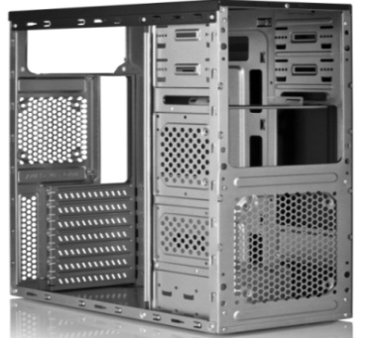 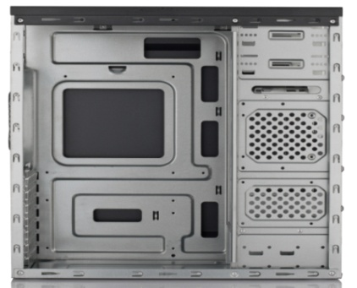 | 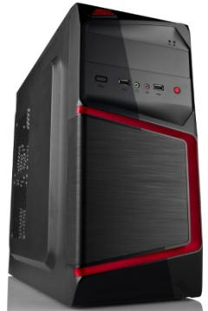 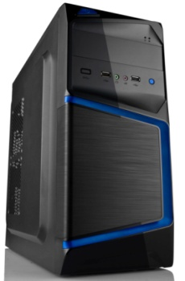 | 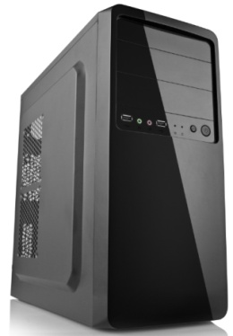 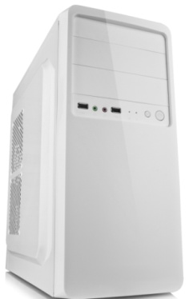 | 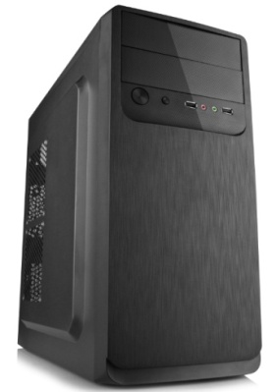 | 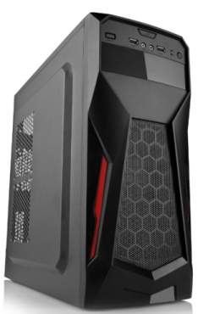 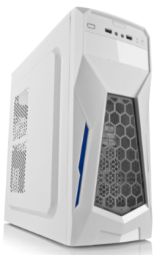
Structure Material | inside 0.4MM, outside 0.45MMSGCC | inside 0.4MM, outside 0.45MMSGCC | inside 0.4MM, outside 0.45MMSGCC | inside 0.4MM, outside 0.45MMSGCC
Color | BLACK | BLACK | BLACK | BLACK
Support Motherboard | ATX、Micro ATX | ATX、Micro ATX | ATX、Micro ATX | ATX、Micro ATX
Structure Size | 370*173*405mm | 370*173*405mm | 370*173*405mm | 370*173*405mm
ODD | 2*5.25'' | 2*5.25'' | 2*5.25'' | 1*5.25''
HDD | 3*3.5'' | 3*3.5'' | 3*3.5'' | 3*3.5''
FDD | / | / | / | /
PCI Slot | 7 | 7 | 7 | 7
Front Ports: | Audio, USB, Card reader | Audio, USB, | Audio, USB, | Audio, USB,
Fan Cooler: | 1*front+1*back*3*side | 1*front+1*back*3*side | 1*front+1*back*3*side | 1*front+1*back*3*side
Carton Size | 445*220*455mm | 445*220*455mm | 445*220*455mm | 445*220*455mm
FOB Shenzhen price | US$9.30 | US$9.20 | US$9.30 | US$9.40
GC376 | GC377 | GC378
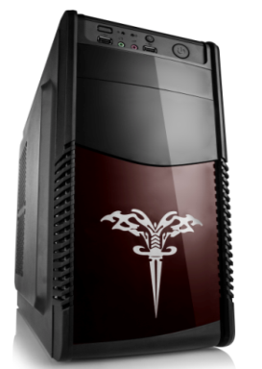 | 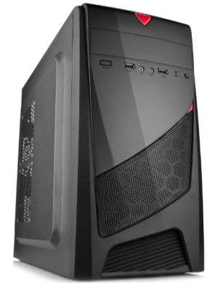 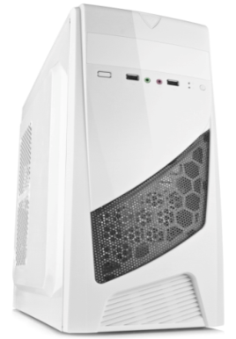 | 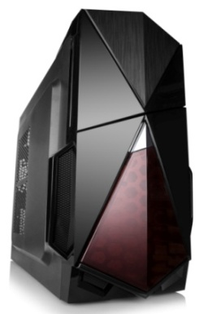 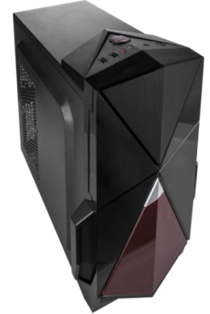
inside 0.4MM, outside 0.45MMSGCC | inside 0.4MM, outside 0.45MM SGCC | inside 0.4MM, outside 0.45MM SGCC
BLACK | BLACK | BLACK
ATX、Micro ATX | ATX、Micro ATX | ATX、Micro ATX
370*173*405mm | 370*173*405mm | 370*173*405mm
1*5.25'' | 1*5.25'' | 1*5.25''
3*3.5'' | 3*3.5'' | 3*3.5''
/ | / | /
7 | 7 | 7
Audio, USB, | Audio, USB, | Audio, USB,
1*front+1*back*3*side | 1*front+1*back*3*side | 1*front+1*back*3*side
445*220*455mm | 445*220*455mm | 445*220*455mm
US$9.40 | US$9.40 | US$9.90

