Sheet1
Product ID | V1 | V2 | V3 | V4 | V5
Model Image |  |  |  | 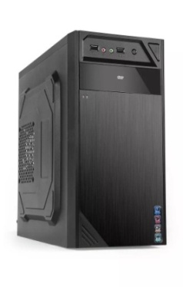 | 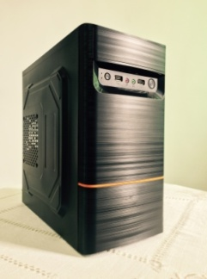
Type | MICRO ATX | MICRO ATX | MICRO ATX | MICRO ATX | MICRO ATX
FOB Shenzhen | $6.30 | $6.30 | $6.30 | $6.30 | $6.30
Specification | 1.SPCC,full black painting,side panel EMBOSS 2.MB:Micro ATX, 1*5.25 External ODD,1*3.5 internal HDD,3*internal SSD, 3. 2*USB1.0+HD audio 4.optional 1*8cm rear fan,1*12cm side fan,2*8cm bottom fans 5.Structure size : 330*170*350mm | 1.SPCC,full black painting,side panel EMBOSS 2.MB:Micro ATX, 1*5.25 External ODD,1*3.5 internal HDD,3*internal SSD, 3. 2*USB1.0+HD audio 4.optional 1*8cm rear fan,1*12cm side fan,2*8cm bottom fans 5.Structure size : 330*170*350mm | 1.SPCC,full black painting,side panel EMBOSS 2.MB:Micro ATX, 1*5.25 External ODD,1*3.5 internal HDD,3*internal SSD, 3. 2*USB1.0+HD audio 4.optional 1*8cm rear fan,1*12cm side fan,2*8cm bottom fans 5.Structure size : 330*170*350mm | 1.SPCC,full black painting,side panel EMBOSS 2.MB:Micro ATX, 1*5.25 External ODD,1*3.5 internal HDD,3*internal SSD, 3. 2*USB1.0+HD audio 4.optional 1*8cm rear fan,1*12cm side fan,2*8cm bottom fans 5.Structure size : 330*170*350mm | 1.SPCC,full black painting,side panel EMBOSS 2.MB:Micro ATX, 1*5.25 External ODD,1*3.5 internal HDD,3*internal SSD, 3. 2*USB1.0+HD audio 4.optional 1*8cm rear fan,1*12cm side fan,2*8cm bottom fans 5.Structure size : 330*170*350mm
Package | 388*205*410MM A=A | 388*205*410MM A=A | 388*205*410MM A=A | 388*205*410MM A=A | 388*205*410MM A=A
Net weight | 2.5KG | 2.5KG | 2.5KG | 2.5KG | 2.5KG
Gross Weight | 3KG | 3KG | 3KG | 3KG | 3KG
Cartom Loading
Weight(kg)
Factory /capacity

40HQ loading | 2150PCS | 2150PCS | 2150PCS | 2150PCS | 2150PCS
20 HQ loading | 890PCS | 890PCS | 890PCS | 890PCS | 890PCS
CBM | 0.0326 | 0.0326 | 0.0326 | 0.0326 | 0.0326
MOQ | 1*40HQ | 1*40HQ | 1*40HQ | 1*40HQ | 1*40HQ
Leadtime | 25days | 25days | 25days | 25days | 25days
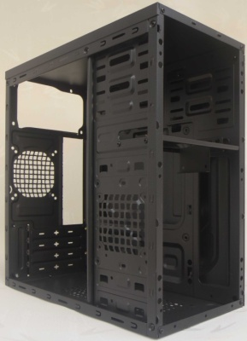
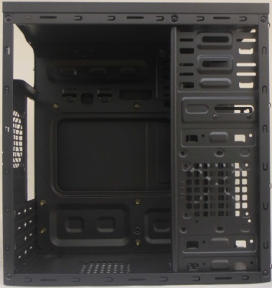
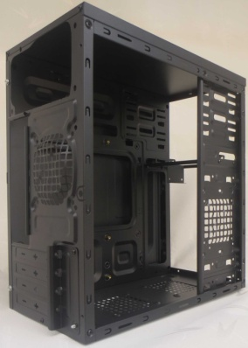
STRUCTURE REFERENCE

