Sheet1
 | Seno |  | Coseno
 | 0.84147098481 | 1 | 0.54030230587 | 1
 | 0.95891572341 | 360 | -0.28369109149 | 360
 | 0.8939966636 | 90 | -0.44807361613 | 90
 | 0.85090352453 | 45 | 0.52532198882 | 45
 | -0.80115263573 | 180 | -0.59846006906 | 180

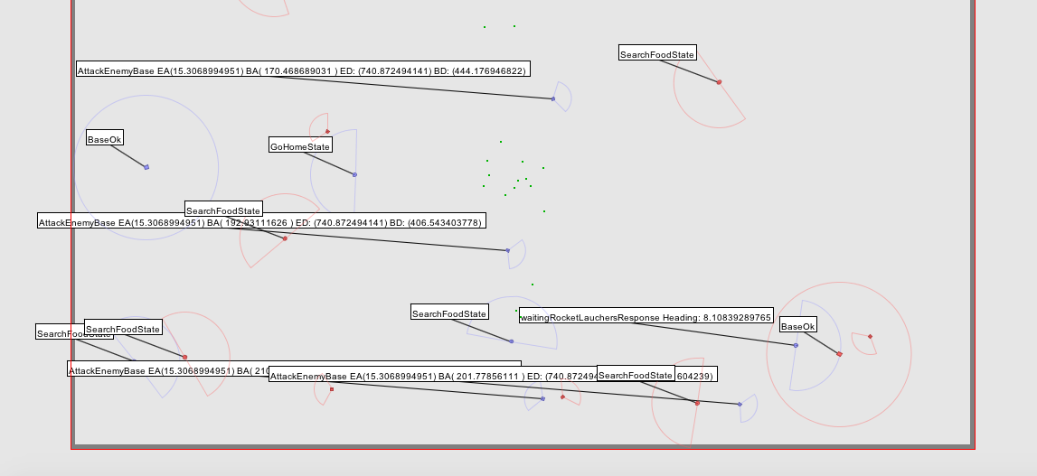
 | ang grados | ang rad | h | ca | co
 | 30 | 0.5235987756 | 10 | 9.1339745962 | 9.5
 |  |  | 100 | 83.429491924 | 90.25

 |  | 0.022693174584

 |  | 1 |  |  | 2

 | explorerAngle | 15.306 | 15.306 |  | 15.306 | 15.306
 | explorerDistance | 740.872 | 740.872 |  | 740.872 | 740.872
 | baseAngle | 170.466 | 9.534 |  | 192.931 | 12.931
 | baseDistance | 444.176 | 444.176 |  | 406.543 | 406.543

 | hypoteneuse | 740.872 | 740.872 |  | 740.872 | 740.872
 | ca | 444.176 | 444.176 |  | 406.543 | 406.543
 | angle | 185.772 | 24.84 |  | 208.237 | 2.375

= BaseDistance | h1 | 444.176 | 444.176 |  | 406.543 | 406.543
= h - COS(h1) | co1 | 438.04081308 | 403.08280175 |  | 396.23317587 | 406.19378228
 | ca1 | 73.57013697 | 186.5919985 |  | 90.975167998 | 16.847020031
 | difAngle1 | 65.16 | 65.16 |  | 87.625 | 87.625

= test -> ca^2 + co^2 = h1^2 | test |  | TRUE |  |  | TRUE
 | tmp | 489.45853834 |  |  | 406.89251795
co2 = abs(explorerDistance - co1) | co2 | 186.5919985 | 337.78919825 |  | 16.847020031 | 334.67821772
 | ca2 | 251.41346166 | 403.08280175 |  | 333.97948205 | 406.19378228
 | difAngle2 | 0.91708007832 | 1.1111852788 |  | 0.050486106822 | 1.0802092308

 | angleRocket | 52.544817963 | 63.666226731 |  | 2.8926408449 | 61.891429917
 | distanceRocket | 313.08992735 | 525.90615847 |  | 334.40412156 | 526.31064798

