HEROS


 | HEROS

Image | Full name | Eye Color | Hair Color | Work
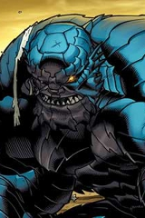 | A-Bomb | Yellow

