figures
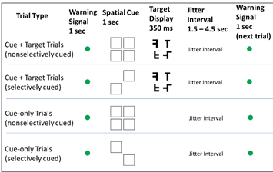
Visual Search Task

Drift Diffusion Cognitive Modeling

