Summary
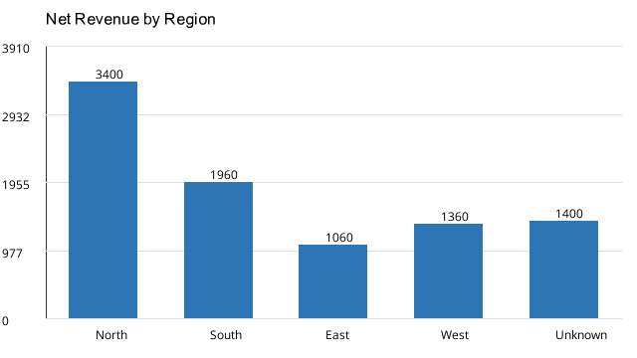
Region | Order_Count | Net_Revenue
North | 4 | 3400
South | 3 | 1960
East | 3 | 1060
West | 3 | 1360
Unknown | 1 | 1400
Total | 14 | 9180

