BRD- Clinicals System
e-Care Clinical Systems Business Requirement Document (BRD):

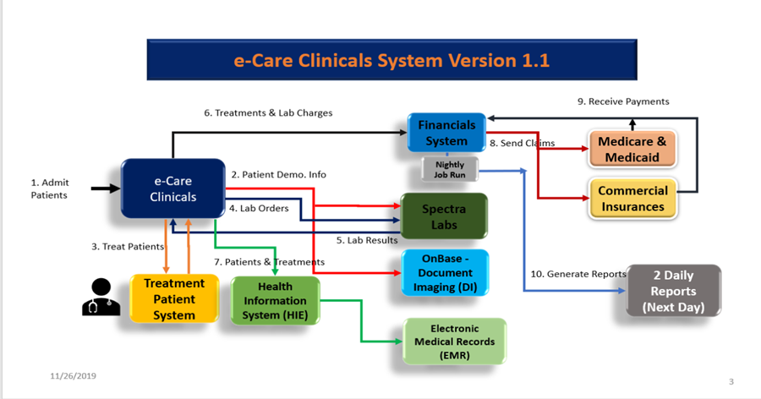
Summary | A new e-Care clinicals system is replacing the legacy Pro-Care application. In the e-Care clinicals system patients will get admitted and treated based on their Financial and Clinical Statuses and their types of insurances, Medicare/Medicaid or Commercial Insurance. All of their lab tests will be sent to the Spectra Labs and the results will come back to e-Care to ensure that they recieve the best care. The e-Care Clinicals system will send all treatment and lab charges to the Financials system and the Financials System will create claims with the insurance companies and gets paid accordingly. The Finaicals Systems also prodces two reports for the nurses daily.

Requirements | The following are the business targets that are to be achieved:
BRD_1 | Patient Admission
 | New and Existing (re-admitting) patients are admitted into the new e-Care application (Clinical System).
 | The patients are either "Financially Cleared" or "Not Financially Cleared". If they are Financially Cleared they get admitted and if they are not they will be rejected (Financial Clearance = Yes or No).
 | Once the patients are admitted their personal information get transmitted to the downstream systems, OnBase (DI) and Spectra Labs.
 | For all New patients, new Admission folders will be created in OnBase (DI), and for the Existing patients the existing folders get updated.
 | All patients have either Medicare/Medicaid or a Commercial Insurance (e.g Blue Cross, United, etc.)

BRD_2 | Treatments & Charges
 | For all patients that are admitted, they are either "Clinically cleared" or "Not Clinically Cleared". If they are "Clinically Cleared" they will be treated and if "Not Clinicaly Cleared" they will not be treated (Clinical Clearance = Yes or No).
 | For the patient treatments the nurses can administer two drugs. A lower cost drug for Medicare/Medicaid called "HepRan" and another drug for a Commercial Insurance called "Xer-Ran".
 | For the patients that get treated all of their demographics information and their treatments are transferred to an external EMR system via an HIE (Health Information Exchange) engine. (EMR = Electronic Medical Record).
 | After the patients are treated their Lab Orders are sent to the Spectra Labs and the Lab Results will be sent back to the Clinicals System for both types of Insurances: Medicare/Medicaid and the Commercial Insurance.
 | For all patients that get treated, their Treatment and Lab Charges will be trasmitted to the Financials system.

BRD_3 | Financial Billing
 | For each Treatment and each Lab Order charge, the Financials system opens Claims with both Medicare/Medicade and/or the Commercial Insurances and goes through the prcessing of getting paid for the services accordingly.

BRD_4 | Reporting
 | In the Financials System produces 2 Daily Reports: The Patients Report and the Treatments Report.

FSD Clinicals System

eCare Functional Specification Document: (FSD)

e-Care Clinical System | e-Care Clinical Systems is a new system helping the nurses to provide better care for their patients. Here are the functional requirements for this new system.

1. Patient Admission
1.1 New & Existing Patients
Admit_Patient_1 | Admit a NEW patient into the system with "Financial Clearance flag = Yes". The patient will get admited into the system. - A DI folder is created containing all of the Patient demographics information. - The demographics information is also sent to Spectra.
Admit_Patient_2 | Admit an EXISTING patient into the system with "Financial Clearance flag = Yes". The patient will get admited into the system. - The DI folder gets updated with the demographics information. - The demographics information is also sent to Spectra.
Admit_Patient_3 | Admit a NEW or an EXISTING patient into the system with "Financial Clearance flag = No". - The patient will be rejected. No information is sent to DI nor Spectra.

2. Treatments & Lab Orders/Results
2.1 New & EXISTING Patients
Treat_Patient_1 | Treat a NEW Patient with the "Clinical Clearnace flag = Yes" and with the Medicare/Medicaid as the insurance. - The patient will get treated and will use the "Hep-Ran" drug only.
Treat_Patient_2 | Treat an EXISTING Patient with the "Clinical Clearnace flag = Yes" and with the Medicare/Medicaid as the insurance. - The patient will get treated and will use the "Hep-Ran" drug only.
Treat_Patient_3 | Treat a NEW Patient with "Clinical Clearnace flag = Yes", with a Commercial insurance. - The patient will get treated and will use the "Xer-Ran" drug only.
Treat_Patient_4 | Treat an EXISTING Patient with "Clinical Clearnace flag = YES", a Commercial insurance. - The patient will get treated and will use the "Xer-Ran" drug only.
Treat_Patient_5 | No treatments should be allowed for a NEW and/or an EXISTING patient whose "Clinical Clearance flag = No" for either insurances (Medicare/Medicaid nor Commercial).
Treat_Patient_6 | For all NEW and EXISTING Patients getting treated ("Clinical Clearance flag = yes") , all of their Demographics information and their Treatments are transferred to an external EMR system via an HIE (Health Information Exchange) engine.
Treat_Patient_7 | For a NEW patient with a Commerical Insurance for treatment (Clinical Clearance Flag = Yes), the Lab Orders are sent to the Spectra Labs. - The Spectra Labs will send back the Lab Results to the Clinical system.
Treat_Patient_8 | For a NEW patient with Medicare/Medicaid for treatment (Clinical Clearance Flag = Yes), the Lab Orders are sent to the Spectra Labs. - The Spectra Labs will send back the Lab Results to the Clinical system.
Treat_Patient_9 | For an EXISTING patient with a Commerical Insurance for treatment (Clinical Clearance Flag = Yes), the Lab Orders are sent to the Spectra Labs. - The Spectra Labs will send back the Lab Results to the Clinical system.
Treat_Patient_10 | For all EXISTING patients with Medicare/Medicaid for treatment (Clinical Clearance Flag = Yes), the Lab Orders are sent to the Spectra Labs. - The Spectra Labs will send back the Lab Results to the Clinical system.
Treat_Patient_11 | No Lab orders are sent to Spectra for all NEW and EXISTING patients (with either insurances) when the Clinical Clearance Flag = No.
3. Treatment and Lab Charges
Patient_Charges_1 | All Treatment & Lab Charges will be transmitted from the Clinicals system to the Financial system for NEW or EXISTING Patients with the Commercial Insurnace & Medicare/Medicaid with the "Clinical Clearance flag = Yes".
Patient_Charges_2 | The Treatment & Lab Charges will NOT be transmitted from the Clinicals system to the Financial system for NEW or EXISTING Patients with Commercial Insurance & Medicare/Medicaid when the "Clinical Clearance Flag = No" (No Treatment done).

4. Financial Billing
4.1 Claims
Claims_1 | The Financial system will send Claims for the Treatment and the Lab Charges for a NEW or an EXISTING Patient to Medicare/Medicaid. - The Claims are accepted and the payment is sent back to the Financial system.
Claims_2 | The Financial system will send the Claims for the Ttreatment and the Lab charges for a NEW or an EXISTING Patient to the commercial Insurance. - The Claims are accepted and the payment is sent back to the Financial system.

5. Clinical Reports
5.1 Daily Reports
Reports_1 and 2 | 2 Reports are available the next day for all New/Existing Patients who have been admitted and were treated with their Labs for the previous day. The reports are called: The Patients Report and the Treatments Report.

