Sensors
Fill values into Green Cells
 | DBA-005
 | Ruixing fuel pressure sensor
 | (volts) | % | kPa | Slope | Intercept |  | FuelPressureRelative
 | 0.5 | 0.1 | -5 | 12.5 | -6.25 |  |  | C_FPSignalConvSlope
 | 4.5 | 0.9 | 5 |  |  |  |  | C_FPSignalConvIntercept

 | Manifold pressure
 | (volts) |  | kPa | Slope | Intercept |  | MAPActual
 | 0.39993286133 | 0.079986572266 | 20 | 329.40939935 | -6.3483287258 |  |  | C_MAPSignalConvSlope
 | 4.6499633789 | 0.92999267578 | 300 |  |  |  |  | C_MAPSignalConvIntercept

 | Boost pressure
 | (volts) |  | kPa | Slope | Intercept |  | BSTPActual
 | 0.39993286133 | 0.079986572266 | 20 | 329.40939935 | -6.3483287258 |  |  | C_BSTPSignalConvSlope
 | 4.6499633789 | 0.92999267578 | 300 |  |  |  |  | C_BSTPSignalConvIntercept

 | Oil pressure sensor
 | (volts) |  | kPa | Slope | Intercept |  | OilPres
 | 0.69000244141 | 0.13800048828 | 41.36 | 1103.8678169 | -110.97429773 |  |  | C_OPSignalConvSlope
 | 4.4999694824 | 0.89999389648 | 882.5 |  |  |  |  | C_OPSignalConvIntercept

 | Throttle body |  |  |  |  |  | FCVPS
 | (volts) | % | TPS % | Slope | ZeroInit |  |  | C_FCVPSSlope
FC | 0.5 | 0.1 | 10 | 1.1875 | 1.5789 |  |  | C_FCVPSZeroInitial
WOT | 4.5 | 0.9 | 105 |  |  |  | TPS
 |  |  |  |  |  |  |  | C_TPSSlope
 |  |  |  |  |  |  |  | C_TPSZeroInitialDefault
 |  | Air temperature |  |  |  | CT_IntakeAirTemp
 | Temp°C | ° F | Ohms | volts%
 | 130 | 266 | 85 | 4.08% |  | volts% | 0 | 3.125 | 6.25 | 9.375 | 12.5 | 15.625 | 18.75 | 21.875 | 25 | 28.125 | 31.25 | 34.375 | 37.5 | 40.625 | 43.75 | 46.875 | 50 | 53.125 | 56.25 | 59.375 | 62.5 | 65.625 | 68.75 | 71.875 | 75 | 78.125 | 81.25 | 84.375 | 87.5 | 90.625 | 93.75 | 96.875 | 100
 | 110 | 230 | 142 | 6.63% |  | Temp°C | 150.75 | 150.75 | 137.25 | 116.25 | 103.5 | 93.75 | 85.5 | 78.75 | 72.75 | 66.75 | 62.25 | 57.75 | 53.25 | 49.5 | 45.75 | 42 | 38.25 | 35.25 | 31.5 | 28.5 | 24.75 | 21 | 17.25 | 13.5 | 9 | 6 | 1.5 | -3.75 | -9 | -15.75 | -24 | -37.5 | -40.5
 | 100 | 212 | 186 | 8.51%
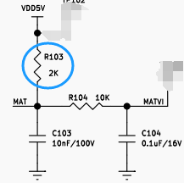
 | 90 | 194 | 246 | 10.95%
 | 80 | 176 | 329 | 14.13%
 | 70 | 158 | 446 | 18.23%
 | 60 | 140 | 612 | 23.43% |  |  |  |  | Need to be given more Temp vs volts%
 | 40 | 104 | 1200 | 37.50%
 | 30 | 86 | 1715 | 46.16%
 | 25 | 77 | 2063 | 50.78%
 | 10 | 50 | 3791 | 65.46%
 | 0 | 32 | 5887 | 74.64%
 | -10 | 14 | 9428 | 82.50%
 | -20 | -4 | 15614 | 88.65%
 | -30 | -22 | 26885 | 93.08%
 | -40 | -40 | 48153 | 96.01%

 |  | Coolant temp |  |  |  | CT_CoolantTemp
 | Temp°C | °F | Ohms | volts%
 | 126.72 | 260.10 | 58 | 2.82% |  | volts% | 0 | 3.125 | 6.25 | 9.375 | 12.5 | 15.625 | 18.75 | 21.875 | 25 | 28.125 | 31.25 | 34.375 | 37.5 | 40.625 | 43.75 | 46.875 | 50 | 53.125 | 56.25 | 59.375 | 62.5 | 65.625 | 68.75 | 71.875 | 75 | 78.125 | 81.25 | 84.375 | 87.5 | 90.625 | 93.75 | 96.875 | 100
 | 107.61 | 225.70 | 144 | 6.72% |  | Temp°C | 150.75 | 150.75 | 137.25 | 116.25 | 103.5 | 93.75 | 85.5 | 78.75 | 72.75 | 66.75 | 62.25 | 57.75 | 53.25 | 49.5 | 45.75 | 42 | 38.25 | 35.25 | 31.5 | 28.5 | 24.75 | 21 | 17.25 | 13.5 | 9 | 6 | 1.5 | -3.75 | -9 | -15.75 | -24 | -37.5 | -40.5
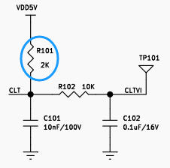
 | 98.11 | 208.60 | 187 | 8.55%
 | 90.61 | 195.10 | 243 | 10.83%
 | 81.39 | 178.50 | 323 | 13.90%
 | 71.28 | 160.30 | 436 | 17.90% |  |  |  |  | Need to be given more Temp vs volts%
 | 63.72 | 146.70 | 596 | 22.96%
 | 49.61 | 121.30 | 988 | 33.07%
 | 37.00 | 98.60 | 1707 | 46.05%
 | 14.11 | 57.40 | 4712 | 70.20%
 | 9.44 | 49.00 | 5890 | 74.65%
 | -0.56 | 31.00 | 9300 | 82.30%
 | -8.33 | 17.00 | 15470 | 88.55%
 | -18.33 | -1.00 | 26000 | 92.86%
 | -27.22 | -17.00 | 45313 | 95.77%
 | -40.00 | -40.00 | 90000 | 97.83%

FL
序号 | 变量名 | 字节长度 | 带符号 | 比例 | 偏移量 | 单位
1 | 发动机转速 | 2 | 0 | 1/4.0 | 0 | rpm |  |  | LOOP小的即传输速率快的ID要放前面
2 | 节气门开度 | 2 | 0 | 1/327.68 | 0 | % |  |  | 7.8125ms/loop
3 | 喷油脉宽1 | 2 | 0 | 1/64 | 0 | ms
4 | 电池电压 | 1 | 0 | 1/8.0 | 0 | V |  | data0 | data1 | data2 | data3 | data4 | data5 | data6 | data7
5 | 发动机状态 | 1 | 0 | 1.0 | 0
6 | 进气温度 | 2 | 1 | 1/128.0 | 0 | DegC
7 | 缸温1 | 2 | 1 | 1/128.0 | 0 | DegC |  | C_FL_DatFormat 0
8 | 缸温2 | 2 | 1 | 1/128.0 | 0 | DegC |  |  | 数据格式为 Intel 格式， 低字节在前
9 | 大气压力 | 2 | 0 | 1/256 | 0 | kpa |  | C_FL_DatFormat 1
10 | 期望节气门开度 | 2 | 0 | 1/327.68 | 0 | % |  |  | 数据格式为 Motorala 格式， 高字节在前
11 | 故障代码 | 2 | 0 | 1.0 | 0
12 | 燃油压力 | 2 | 0 | 1/64 | 0 | kpa
13 | 燃油消耗 | 2 | 0 | 16.0 | 0 | g
14 | 点火角1 | 2 | 1 | 1/128.0 | 0 | 度
15 | 燃油消耗率 | 2 | 0 | 1/4096.0 | 0 | g/s
16 | 油泵状态 | 1 | 0 | 1.0 | 0 | ON/OFF
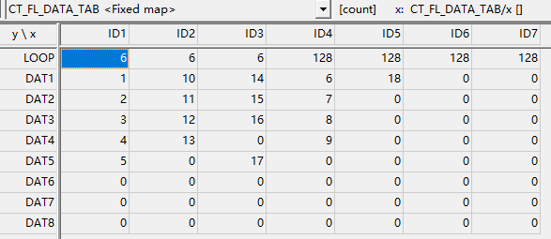
17 | 水压 | 2 | 0 | 1/4096.0 | 0 | mpa
18 | 总运行时间 | 4 | 0 | 1.0 | 0 | sec
19 | 电量 | 2 | 0 | 1/327.68 | 0 | %
20 | 油位 | 2 | 0 | 1/327.68 | 0 | %
21 | 强制抽水中 | 1 | 0 | 1 | 0 | 海强
22 | 手柄低速档 | 1 | 0 | 1 | 0 | 海强
23 | 增程器电压 | 2 | 0 | 1/64.0 | 0 | V
24 | 代码版本 | 4 | 0 | 1 | 0 | 年/月/日/时
25 | 缸温3 | 2 | 1 | 1/128.0 | 0 | DegC
26 | 缸温4 | 2 | 1 | 1/128.0 | 0 | DegC
27 | 缸温5 | 2 | 1 | 1/128.0 | 0 | DegC
28 | 缸温6 | 2 | 1 | 1/128.0 | 0 | DegC
29 | 发电电流 | 2 | 0 | 1/128.0 | 0 | A
30 | 进气压力 | 2 | 0 | 1/256.0 | 0 | kpa
31 | 燃油消耗率 | 2 | 0 | 1/16.0 | 0 | L/h
32 | 标定版本 | 4 | 0 | 1 | 0 | 数据校验
33 | 发电使能标志 | 1 | 0 | 1 | 0
34 | 总运行时间 | 4 | 0 | 1.0 | 0 | min
35 | 喷油脉宽2 | 2 | 0 | 1/64 | 0 | ms
36 | 点火角2 | 2 | 1 | 1/128.0 | 0 | 度
37 | 发动机转速 | 2 | 0 | 1.0 | 0 | rpm | 林巴赫只是某一款用，将来可考虑删掉
38 | 缸温1 | 2 | 1 | 1/10.0 | 0 | DegC |  |  |  |  |  | CT_FL_485_DAT
39 | 电池电压 | 2 | 0 | 5000/1024.0 | 0 | mV |  |  |  |  |  | LBH | 24 | 14 | 1 | 2 | 3 | 4 | 5 | 6 | 7 | 8 | 25 | 26 | 27 | 28 | 9 | 10 | 11 | 18 | 32 | 255 | 255 | 255 | 255 | 255
40 | 节气门开度 | 2 | 0 | 1/10.0 | 0 | % |  |  |  |  |  | ZS | 1 | 2 | 12 | 7 | 8 | 0 | 0 | 0 | 0 | 0 | 0 | 23 | 0 | 0 | 0 | 0 | 0 | 0 | 255 | 255 | 255 | 255 | 255 | 255
41 | 故障代码 | 2 | 0 | 1.0 | 0 | 林巴赫专用
42 | 故障代码 | 8 | 0 | 1.0 | 0 | 隆鑫专用
43 | 缸温1 | 2 | 1 | 1.0 | -40 | DegC
44 | 期望转速 | 2 | 0 | 1/4.0 | 0 | rpm
45 | FFFF | 2 | 0 | 1/1.0 | 0
46 | 0000 | 2 | 0 | 1/1.0 | 0
47 | 期望转速 | 2 | 0 | 1/1.0 | 0 | rpm
48
49
50 | 00 | 1 | 0 | 1/1.0 | 0

6.2L
 |  |  |  |  |  |  |  |  |  |  |  |  |  |  |  |  |  |  | scroll
 |  |  |  |  |  | 6.2 & 10.3 liter Origin engine
 |  | GM106900

 |  |  |  |  |  | Cylinder 1 | Cylinder 2 | Cylinder 3 | Cylinder 4 | Cylinder 5 | Cylinder 6 | Cylinder 7 | Cylinder 8 | Crank
 |  |  |  |  |  | Alternator | MID | MID | MID | MID | MID | MID | Flywheel | ?°° retarded

90°
 |  |  |  | 1 row = 11.25° |  | Intake | Intake | Power | Exhaust | Compression | Power | Compression | Exhaust
 |  |  |  | 360° = 60T
Tooth edge
BLUE=GAP
waste
180°
 |  |  | Linked coils
 | Spark1 | E01 | 1-6 | 0 |  |  | Compression | Exhaust |  | Power |  |  | Intake
 | Spark2 | E18 | 5-8 | 90
 | Spark3 | E02 | 4-7 | 180
waste
 | Spark4 | E19 | 2-3 | 270 |  |  |  |  |  |  |  |  |  |  | 11.25 | 360 | 64.5 | deg
 |  |  |  |  |  | Compression |  |  | Intake |  | Exhaust | Power |  |  | 1.875 | 60 | 10.75 | teeth
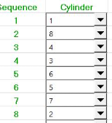
GAP
 |  |  |  |  |  |  |  |  |  |  |  |  |  |  | 1 | 32 | 5.7333333333 | cells
360°
waste
Is the sync tooth the 2nd after gap?
 |  |  |  |  |  |  | Power | Intake |  | Exhaust |  |  | Compression

waste
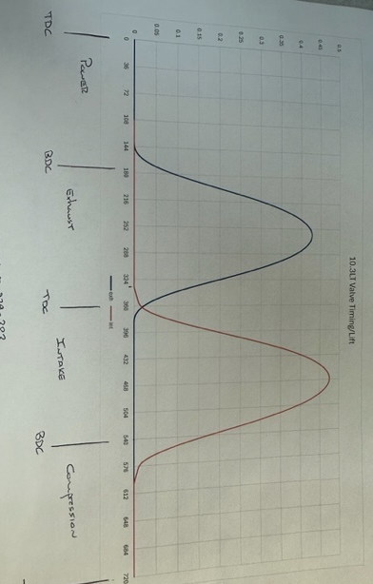
 |  |  |  |  |  | Power |  |  | Compression |  | Intake | Exhaust

waste
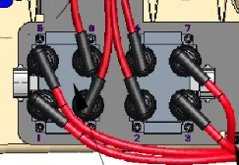
 |  |  |  |  |  |  | Exhaust | Compression |  | Intake |  |  | Power
 |  | 1 | 0 | 2 | 630
 |  | 3 | 270 | 4 | 180
waste
 |  | 5 | 450 | 6 | 360
 |  | 7 | 540 | 8 | 90 | Exhaust |  |  | Power |  | Compression | Intake

waste
C_CylPhase
 | Cyl1 | Cyl2 | Cyl3 | Cyl4
 | Spark1 | Spark2 | Spark3 | Spark4 |  |  | Intake | Power |  | Compression |  |  | Exhaust
 | E01 | E18 | E02 | E19
 | 1-6 | 4-7 | 2-3 | 5-8
waste
 | 0 | 180 | 270 | 90
 |  |  |  |  |  | Intake |  |  | Exhaust |  | Power | Compression

waste
waste
 |  |  |  |  |  |  | Compression | Exhaust |  | Power |  |  | Intake

waste
 |  |  |  |  |  | Compression |  |  | Intake |  | Exhaust | Power

waste
 |  |  |  |  |  |  | Power | Intake |  | Exhaust |  |  | Compression

waste
 |  |  |  |  |  | Power |  |  | Compression |  | Intake | Exhaust

waste
 |  |  |  |  |  |  | Exhaust | Compression |  | Intake |  |  | Power

waste
 |  |  |  |  |  | Exhaust |  |  | Power |  | Compression | Intake

waste
 |  |  |  |  |  |  | Intake | Power |  | Compression |  |  | Exhaust

waste
 |  |  |  |  |  | Intake |  |  | Exhaust |  | Power | Compression

waste
 |  |  |  |  |  |  | Compression | Exhaust |  | Power |  |  | Intake

waste
 |  |  |  |  |  | Compression |  |  | Intake |  | Exhaust | Power

waste
 |  |  |  |  |  |  | Power | Intake |  | Exhaust |  |  | Compression

waste
 |  |  |  |  |  | Power |  |  | Compression |  | Intake | Exhaust

waste
 |  |  |  |  |  |  | Exhaust | Compression |  | Intake |  |  | Power

waste
 |  |  |  |  |  | Exhaust |  |  | Power |  | Compression | Intake

waste
 |  |  |  |  |  |  | Intake | Power |  | Compression |  |  | Exhaust

waste
 |  |  |  |  |  | Intake |  |  | Exhaust |  | Power | Compression

waste
 |  |  |  |  |  |  | Compression | Exhaust |  | Power |  |  | Intake

waste
 |  |  |  |  |  | Compression |  |  | Intake |  | Exhaust | Power

waste
 |  |  |  |  |  |  | Power | Intake |  | Exhaust |  |  | Compression

waste
 |  |  |  |  |  | Power |  |  | Compression |  | Intake | Exhaust

waste
 |  |  |  |  |  |  | Exhaust | Compression |  | Intake |  |  | Power

waste
 |  |  |  |  |  | Exhaust |  |  | Power |  | Compression | Intake

waste
 |  |  |  |  |  |  | Intake | Power |  | Compression |  |  | Exhaust

waste
 |  |  |  |  |  | Intake |  |  | Exhaust |  | Power | Compression

