overview
Product overview

Frame Rates (max)
Key Features
Module info

Full(4:3) 15fps
12MP(4C) 30fps
4K2K 30 fps
1080p 240 fps
720p 480 fps
1.008um PureCel®Plus stack
HDR support:
DCG RAW or combined RAW
stagger HDR 2/3 exposure timing
DCG RAW or DCG combined RAW + VS RAW
High gain mode:
63.75xGain for full resolution
255xGain for 4C binning SCG mode
Optical format: 1/1.55"
CRA: 36.75°
PADs location:Left/Right/Top

Schedule
Power
Interface
Main Cam application

Analog: 2.8V
IO: R624F 1.8V or 1.2V
Digital: 1.1V
MIPI:
4-lane D-PHY: 3Gbps/lane
2/3 trio C-PHY: 3.5Gsps/trio
Formats:
10-bit RGB RAW
12/14-bit RGB RAW
rear facing main camera
12.5MP preview and still capture with 4C
Premium video -- 4K Video with PDAF
Sample-Now
MP-now

Mode List
CPHY setting list

 |  | MCLK:24MHz
No. | mode | HDR | RAW SIZE |  | H ratio | V ratio | Total ratio | Lane | DT_FMT | Data rate [Msps/tri] | FPS | Ana Gain max. (code value) | Gain Mode | Sensor internal colock | HTS | VTS | Tline(us) | H-blank(us) | V-blank(ms) | Bayer pattern | Maximum Exposure | Minimum Exposure | Minimum Exposure step | Mirror/Flip | PD Resolution
 |  |  | H | V
A | Full | off | 8192 | 6144 | 100.00% | 100.00% | 100.00% | 3 | RAW10 | 1872.00 | 21.81 | 15.9375x | Normal Gain | 75 | 550 | 6252 | 7.333 | 6.382 | 23.320 | BGGR | VTS-32 | 8 | 1 | normal
B | Full | off | 8192 | 6144 | 100.00% | 100.00% | 100.00% | 3 | RAW10 | 1872.00 | 21.81 | 63.75x | High Giain | 75 | 550 | 6252 | 7.333 | 6.382 | 23.320 | BGGR | VTS-32 | 8 | 1 | normal
C | Full | off | 8192 | 6144 | 100.00% | 100.00% | 100.00% | 3 | RAW10 | 3500.00 | 29.99 | 15.9375x | Normal Gain | 75 | 400 | 6252 | 5.333 | 3.413 | 16.960 | BGGR | VTS-32 | 8 | 1 | normal
D | Corp | off | 4096 | 3072 | 50.00% | 50.00% | 25.00% | 3 | RAW10 | 1872.00 | 30.00 | 15.9375x | Normal Gain | 75 | 400 | 6250 | 5.333 | 3.191 | 25.141 | BGGR | VTS-32 | 8 | 1 | normal
E | Corp | off | 4096 | 3072 | 50.00% | 50.00% | 25.00% | 3 | RAW10 | 1827.00 | 30.00 | 63.75x | High Giain | 75 | 500 | 5000 | 6.667 | 3.269 | 23.093 | BGGR | VTS-32 | 8 | 1 | normal
F | Corp | 2stg | 4096 | 3072 | 50.00% | 50.00% | 25.00% | 3 | RAW10 | 1872.00 | 23.51 | 15.9375x | Normal Gain | 75 | 800 | 3988 | 10.667 | 3.191 | 26.155 | BGGR | VTS-32 | 8 | 1 | normal
G | 4C2+ | off | 4096 | 3072 | 100.00% | 100.00% | 100.00% | 3 | RAW10 | 1872.00 | 59.94 | 63.75x | SCG | 75 | 800 | 1564 | 10.667 | 3.191 | 0.299 | BGGR | VTS-8 | 2 | 1 | normal
H | 4C2+ | off | 4096 | 3072 | 100.00% | 100.00% | 100.00% | 3 | RAW10 | 1872.00 | 30.01 | 255x | SCG + High Gain | 75 | 1100 | 2272 | 14.667 | 3.191 | 10.795 | BGGR | VTS-8 | 2 | 1 | normal
I | 4C2+ CMS | off | 4096 | 3072 | 100.00% | 100.00% | 100.00% | 3 | RAW10 | 1872.00 | 30.02 | 255x | SCG + High Gain | 75 | 1575 | 1586 | 21.000 | 3.191 | 1.050 | BGGR | VTS-8 | 2 | 1 | normal
J | 4C2+ | DCG_Combine | 4096 | 3072 | 100.00% | 100.00% | 100.00% | 3 | RAW10 | 1872.00 | 30.01 | 15.9375x | Normal Gain | 75 | 1325 | 1886 | 17.667 | 3.191 | 6.183 | BGGR | VTS-8 | 2 | 1 | normal
K | 4C2+ | DCG_Combine | 4096 | 3072 | 100.00% | 100.00% | 100.00% | 3 | RAW10 | 1872.00 | 30.02 | 63.75x | High Giain | 75 | 1550 | 1612 | 20.667 | 3.191 | 1.571 | BGGR | VTS-8 | 2 | 1 | normal
L | 4C2+ | DCG | 4096 | 3072 | 100.00% | 100.00% | 100.00% | 3 | RAW10 | 1872.00 | 30.01 | 15.9375x | Normal Gain | 75 | 1325 | 1886 | 17.667 | 3.191 | 6.183 | BGGR | VTS-8 | 2 | 1 | normal
M | 4C2+ | DCG | 4096 | 3072 | 100.00% | 100.00% | 100.00% | 3 | RAW10 | 1872.00 | 30.02 | 63.75x | High Giain | 75 | 1550 | 1612 | 20.667 | 3.191 | 1.571 | BGGR | VTS-8 | 2 | 1 | normal
N | 4C2 | off | 4096 | 3072 | 100.00% | 100.00% | 100.00% | 3 | RAW10 | 1872.00 | 30.04 | 63.75x | SCG | 75 | 475 | 5256 | 6.333 | 3.191 | 23.560 | BGGR | VTS-16 | 4 | 1 | normal
O | 4C2 | off | 4096 | 3072 | 100.00% | 100.00% | 100.00% | 3 | RAW10 | 1872.00 | 30.00 | 255x | SCG + High Gain | 75 | 650 | 3846 | 8.667 | 3.191 | 20.020 | BGGR | VTS-16 | 4 | 1 | normal
P | 4C1 | off | 4096 | 3072 | 100.00% | 100.00% | 100.00% | 3 | RAW10 | 1872.00 | 60.02 | 63.75x | SCG | 75 | 350 | 3570 | 4.667 | 3.191 | 9.492 | BGGR | VTS-16 | 4 | 2 | normal
Q | 4C1 | off | 4096 | 3072 | 100.00% | 100.00% | 100.00% | 3 | RAW10 | 1872.00 | 60.02 | 255x | SCG + High Gain | 75 | 350 | 3570 | 4.667 | 3.191 | 9.492 | BGGR | VTS-16 | 4 | 2 | normal
R | 4C2+ | off | 4096 | 2304 | 100.00% | 75.00% | 75.00% | 3 | RAW10 | 1872.00 | 59.94 | 63.75x | SCG | 75 | 800 | 1564 | 10.667 | 3.191 | 4.395 | BGGR | VTS-8 | 2 | 1 | normal
S | 4C2+ | off | 4096 | 2304 | 100.00% | 75.00% | 75.00% | 3 | RAW10 | 1872.00 | 30.01 | 255x | SCG + High Gain | 75 | 1100 | 2272 | 14.667 | 3.191 | 16.427 | BGGR | VTS-8 | 2 | 1 | normal
T | 4C2+ CMS | off | 4096 | 2304 | 100.00% | 75.00% | 75.00% | 3 | RAW10 | 1872.00 | 30.02 | 255x | SCG + High Gain | 75 | 1575 | 1586 | 21.000 | 3.191 | 9.114 | BGGR | VTS-8 | 2 | 1 | normal
U | 4C2+ | DCG_Combine | 4096 | 2304 | 100.00% | 75.00% | 75.00% | 3 | RAW10 | 1872.00 | 30.01 | 15.9375x | Normal Gain | 75 | 1325 | 1886 | 17.667 | 3.191 | 12.967 | BGGR | VTS-8 | 2 | 1 | normal
V | 4C2+ | DCG_Combine | 4096 | 2304 | 100.00% | 75.00% | 75.00% | 3 | RAW10 | 1872.00 | 30.02 | 63.75x | High Giain | 75 | 1550 | 1612 | 20.667 | 3.191 | 9.507 | BGGR | VTS-8 | 2 | 1 | normal
W | 4C2+ | DCG | 4096 | 2304 | 100.00% | 75.00% | 75.00% | 3 | RAW10 | 1872.00 | 30.01 | 15.9375x | Normal Gain | 75 | 1325 | 1886 | 17.667 | 3.191 | 12.967 | BGGR | VTS-8 | 2 | 1 | normal
X | 4C2+ | DCG | 4096 | 2304 | 100.00% | 75.00% | 75.00% | 3 | RAW10 | 1872.00 | 30.02 | 63.75x | High Giain | 75 | 1550 | 1612 | 20.667 | 3.191 | 9.507 | BGGR | VTS-8 | 2 | 1 | normal
Y | 4C2 | off | 4096 | 2304 | 100.00% | 75.00% | 75.00% | 3 | RAW10 | 1872.00 | 30.04 | 63.75x | SCG | 75 | 475 | 5256 | 6.333 | 3.191 | 25.992 | BGGR | VTS-16 | 4 | 1 | normal
Z | 4C2 | off | 4096 | 2304 | 100.00% | 75.00% | 75.00% | 3 | RAW10 | 1872.00 | 30.00 | 255x | SCG + High Gain | 75 | 650 | 3846 | 8.667 | 3.191 | 23.348 | BGGR | VTS-16 | 4 | 1 | normal
AA | 4C1 | off | 4096 | 2304 | 100.00% | 75.00% | 75.00% | 3 | RAW10 | 1872.00 | 60.02 | 63.75x | SCG | 75 | 350 | 3570 | 4.667 | 3.191 | 11.284 | BGGR | VTS-16 | 4 | 2 | normal
AB | 4C1 | off | 4096 | 2304 | 100.00% | 75.00% | 75.00% | 3 | RAW10 | 1872.00 | 60.02 | 255x | SCG + High Gain | 75 | 350 | 3570 | 4.667 | 3.191 | 11.284 | BGGR | VTS-16 | 4 | 2 | normal
AC | 4C1 | off | 4096 | 2304 | 100.00% | 75.00% | 75.00% | 3 | RAW10 | 3500.00 | 120.05 | 63.75x | SCG | 75 | 237 | 2636 | 3.160 | 1.707 | 4.689 | BGGR | VTS-16 | 4 | 2 | normal
AD | 4C2+ | off | 2048 | 1536 | 100.00% | 100.00% | 100.00% | 3 | RAW10 | 1872.00 | 119.58 | 63.75x | SCG | 75 | 800 | 784 | 10.667 | 1.595 | 0.171 | BGGR | VTS-8 | 2 | 1 | normal
AE | 4C2+ | off | 2048 | 1536 | 100.00% | 100.00% | 100.00% | 3 | RAW10 | 1872.00 | 60.02 | 255x | SCG + High Gain | 75 | 1100 | 1136 | 14.667 | 1.595 | 5.397 | BGGR | VTS-8 | 2 | 1 | normal
AF | 4C2+ CMS | off | 2048 | 1536 | 100.00% | 100.00% | 100.00% | 3 | RAW10 | 1872.00 | 59.97 | 255x | SCG + High Gain | 75 | 1575 | 794 | 21.000 | 1.595 | 0.546 | BGGR | VTS-8 | 2 | 1 | normal
AG | 4C2+ | DCG_Combine | 2048 | 1536 | 100.00% | 100.00% | 100.00% | 3 | RAW10 | 1872.00 | 60.09 | 15.9375x | Normal Gain | 75 | 1325 | 942 | 17.667 | 1.595 | 3.074 | BGGR | VTS-8 | 2 | 1 | normal
AH | 4C2+ | DCG_Combine | 2048 | 1536 | 100.00% | 100.00% | 100.00% | 3 | RAW10 | 1872.00 | 60.03 | 63.75x | High Giain | 75 | 1550 | 806 | 20.667 | 1.595 | 0.785 | BGGR | VTS-8 | 2 | 1 | normal
AI | 4C2+ | DCG | 2048 | 1536 | 100.00% | 100.00% | 100.00% | 3 | RAW10 | 1872.00 | 60.09 | 15.9375x | Normal Gain | 75 | 1325 | 942 | 17.667 | 1.595 | 3.074 | BGGR | VTS-8 | 2 | 1 | normal
AJ | 4C2+ | DCG | 2048 | 1536 | 100.00% | 100.00% | 100.00% | 3 | RAW10 | 1872.00 | 60.03 | 63.75x | High Giain | 75 | 1550 | 806 | 20.667 | 1.595 | 0.785 | BGGR | VTS-8 | 2 | 1 | normal
AK | 4C1 | off | 2048 | 1536 | 100.00% | 100.00% | 100.00% | 3 | RAW10 | 1872.00 | 180.01 | 63.75x | SCG | 75 | 237 | 1758 | 3.160 | 1.595 | 3.128 | BGGR | VTS-16 | 4 | 2 | normal
AL | 4C1 | off | 2048 | 1536 | 100.00% | 100.00% | 100.00% | 3 | RAW10 | 1872.00 | 150.05 | 255x | SCG + High Gain | 75 | 312 | 1602 | 4.160 | 1.595 | 3.469 | BGGR | VTS-16 | 4 | 2 | normal
AM | 4C2+ | off | 1920 | 1080 | 93.75% | 70.31% | 65.92% | 3 | RAW10 | 1872.00 | 119.58 | 63.75x | SCG | 75 | 800 | 784 | 10.667 | 1.496 | 2.603 | BGGR | VTS-8 | 2 | 1 | normal
AN | 4C2+ | DCG_Combine | 1920 | 1080 | 93.75% | 70.31% | 65.92% | 3 | RAW10 | 1872.00 | 60.09 | 15.9375 | Normal Gain | 75 | 1325 | 942 | 17.667 | 1.496 | 7.102 | BGGR | VTS-8 | 2 | 1 | normal
AO | 4C2+ | DCG_Combine | 1920 | 1080 | 93.75% | 70.31% | 65.92% | 3 | RAW10 | 1872.00 | 60.03 | 63.75x | High Giain | 75 | 1550 | 806 | 20.667 | 1.496 | 5.497 | BGGR | VTS-8 | 2 | 1 | normal
AP | 4C2+ | DCG | 1920 | 1080 | 93.75% | 70.31% | 65.92% | 3 | RAW10 | 1872.00 | 60.09 | 15.9375x | Normal Gain | 75 | 1325 | 942 | 17.667 | 1.496 | 7.102 | BGGR | VTS-8 | 2 | 1 | normal
AQ | 4C2+ | DCG | 1920 | 1080 | 93.75% | 70.31% | 65.92% | 3 | RAW10 | 1872.00 | 60.03 | 63.75x | High Giain | 75 | 1550 | 806 | 20.667 | 1.496 | 5.497 | BGGR | VTS-8 | 2 | 1 | normal
AR | 4C1 | off | 1920 | 1080 | 93.75% | 70.31% | 65.92% | 3 | RAW10 | 1872.00 | 240.10 | 63.75 | SCG | 75 | 237 | 1318 | 3.160 | 1.496 | 2.458 | BGGR | VTS-16 | 4 | 2 | normal
AS | 4C1 | off | 1920 | 1080 | 93.75% | 70.31% | 65.92% | 3 | RAW10 | 1872.00 | 180.20 | 255x | SCG + High Gain | 75 | 312 | 1334 | 4.160 | 1.496 | 3.303 | BGGR | VTS-16 | 4 | 2 | normal
Based on OV50E40_AE02_AllID.OVD

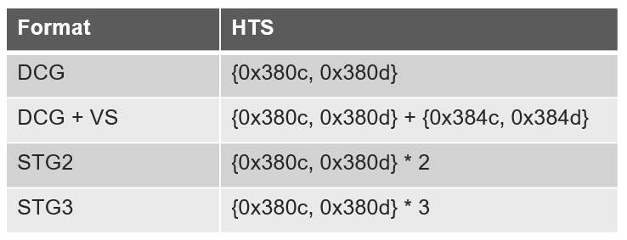

DPHY
CPHY

HDR
DCG+VS

4C2+DCG+VS
overlap
EXP_DCG(n+1) + EXP_VS(n) < VTS(n) - 24
EXP_DCG > EXP_VS

In DCG combine mode must set {R3500,R3501,R3502} and {R3540,R3541,R3542} to same value
VS Exposure {R3580,R3581,R3582}

Gain Control
HCG Gain{R3508,R3509}
LCG Gain{R3548,R3549}
VS Gain{R3588,R3589}

Stagger HDR

2-exposure stagger HDR |  |  | 3-exposure stagger HDR
non-overlap |  |  | non-overlap
EXPO_L(n+1) +EXPO_M(n) < VTS(n) - 46 |  |  | EXPO_L(n+1) +EXPO_M(n) +EXPO_S(n) < VTS(n) - 46
EXPO_L > EXPO_M |  |  | EXPO_L > EXPO_M > EXPO_S
EXPO_M < VTS - Vsize -82 |  |  | EXPO_M + EXPO_S < VTS - Vsize -82

overlap |  |  | overlap
EXPO_L(n+1) + EXPO_M(n) < VTS(n) - 46 |  |  | EXPO_L(n+1) + EXPO_M(n) + EXPO_S(n) < VTS(n) - 46
EXPO_L > EXPO_M |  |  | EXPO_L > EXPO_M > EXPO_S

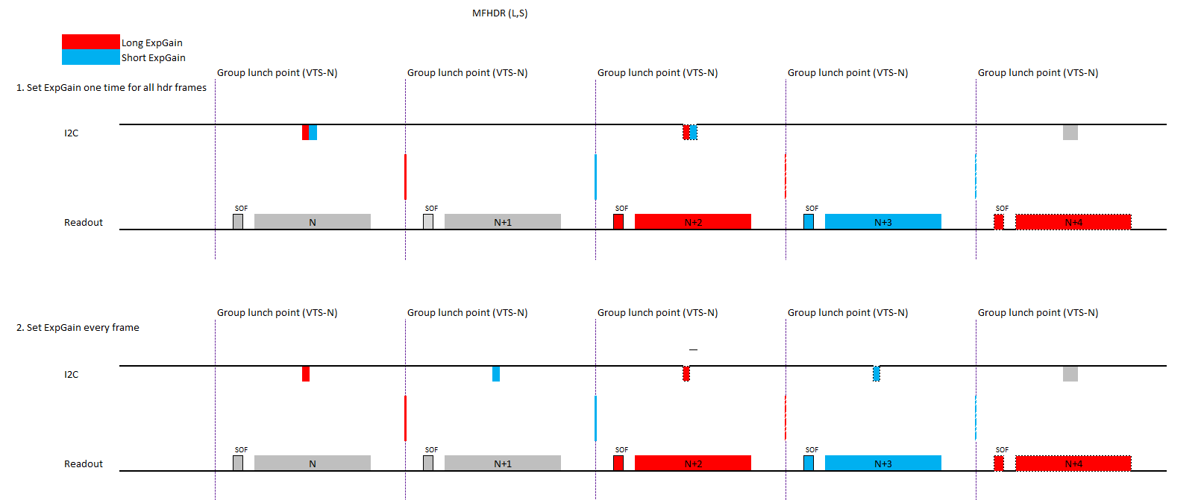
MFHDR
Use "Delay Auto Group Launch" which can launch exposure & gain in sequence.
Here is a sample
register | value | description
3208 | 00 | Group 0
3501 | 10 | Long exposure
3208 | 10
3208 | 01 | Group 1
3501 | 04 | Short exposure
3208 | 11
320d | 91 | auto switch, one loop, return to group 1
3209 | 01 | stay in group 0 for 1 frame
320a | 01 | stay in group 1 for 1 frame
320e | a0
If want to loop for group 0 -> group 1 -> group 0 -> group 1, set 320d = 81.

PD control
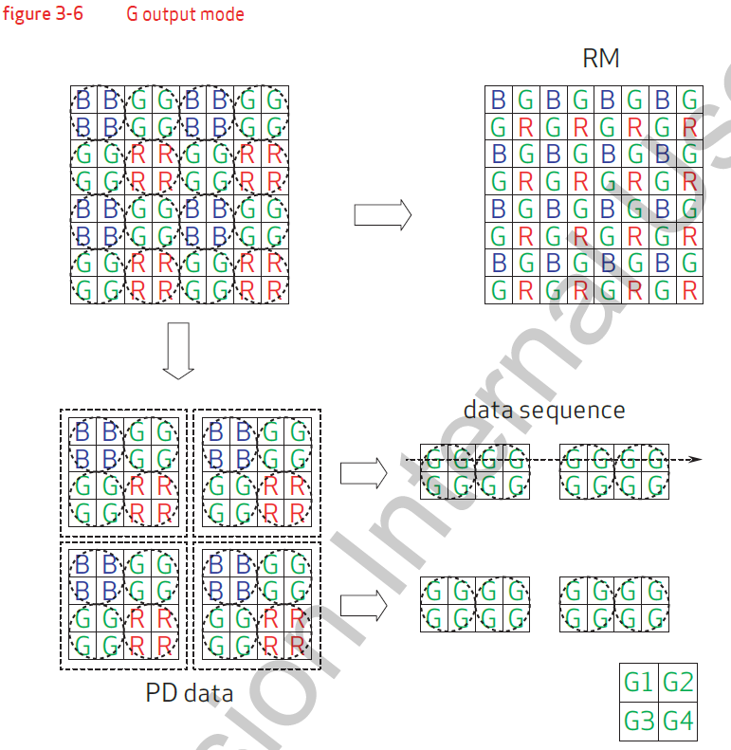
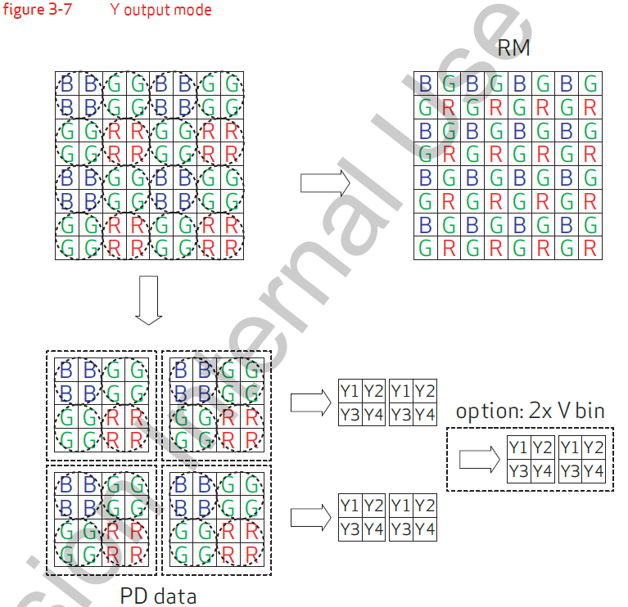
PD Control

Notes:
1.The OV50E is QPD sensor. In mirror mode, PDAF data can also be mirrored.

PDAF data output : MIPI virtual channel

R3684[0] = 1; enable PD output timing
R4680[2] = 1; DT mode
R4680[2] = 0; VC mode
{R4640,R4641} * 16: one package Max. PD pixel number.

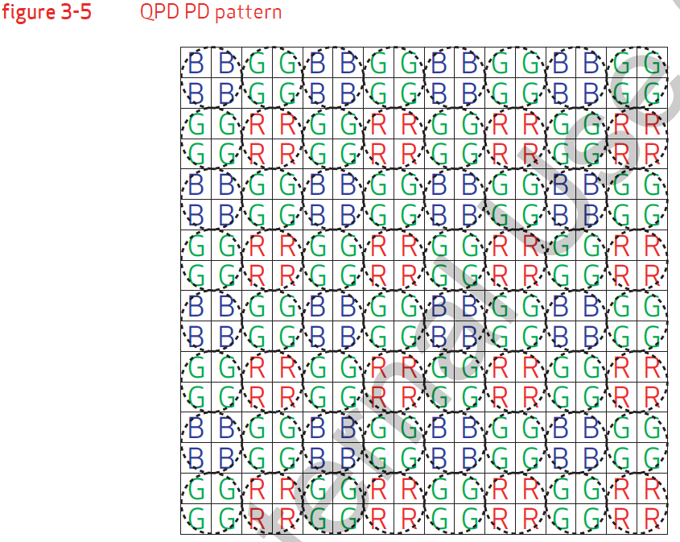
QPD data control

R45c0[2] = 0; G output (default)
R45c0[2] = 1; Y output

Power consumption
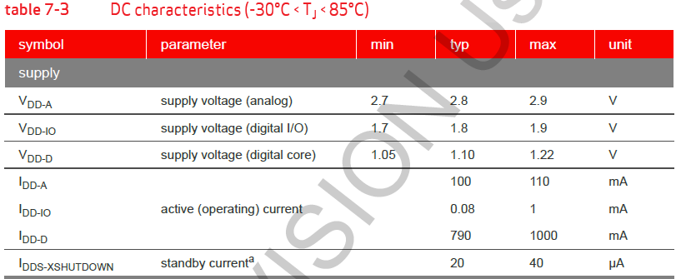
Power consumption

MCLK&SCCB
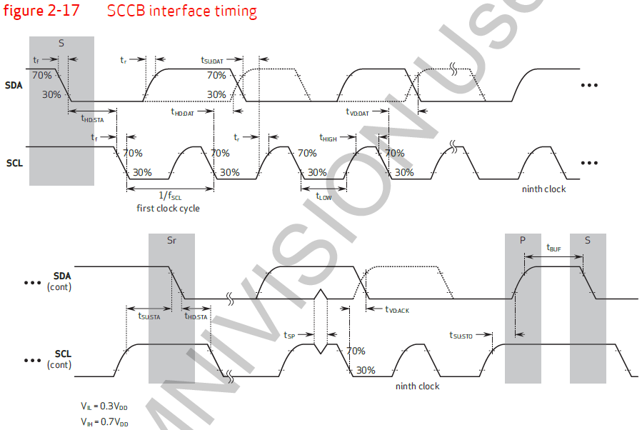
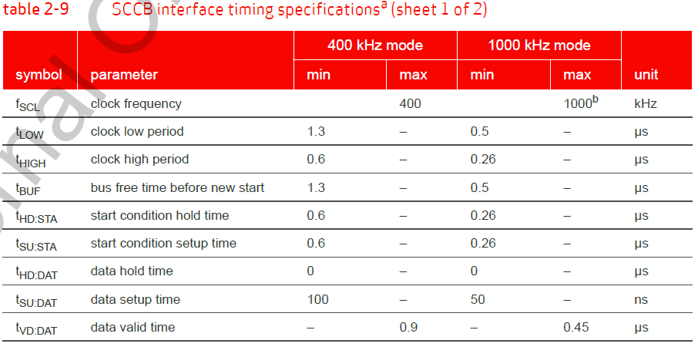
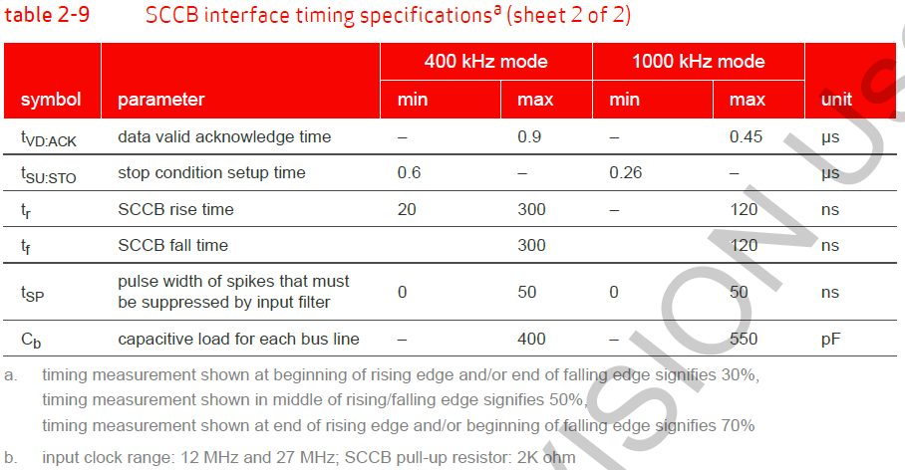
MCLK characteristics
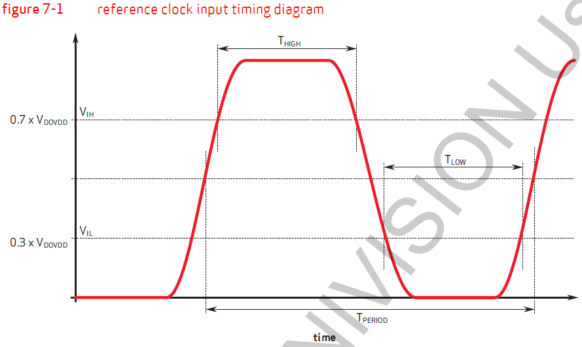

SCCB Timing

Power management
Power Up Sequence
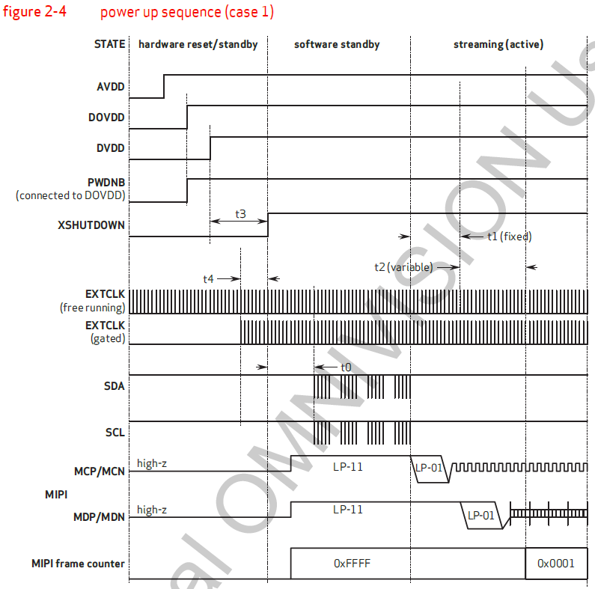
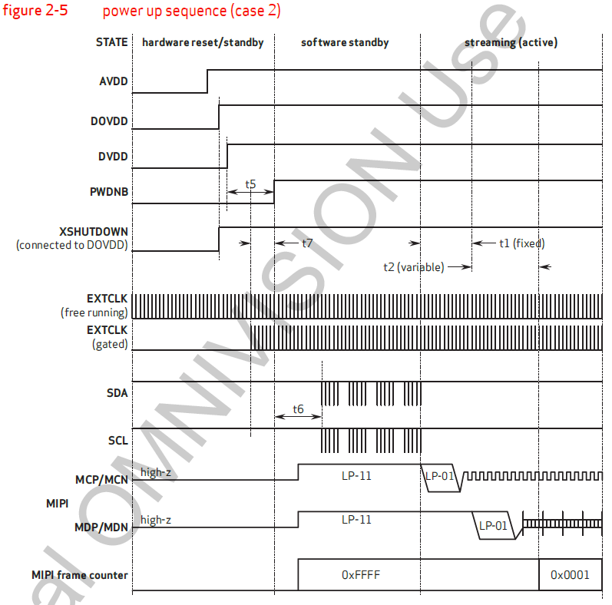
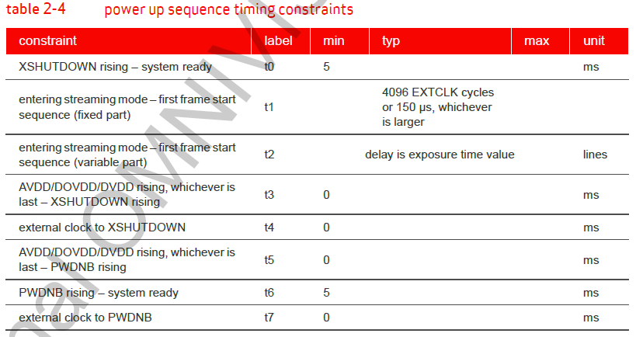

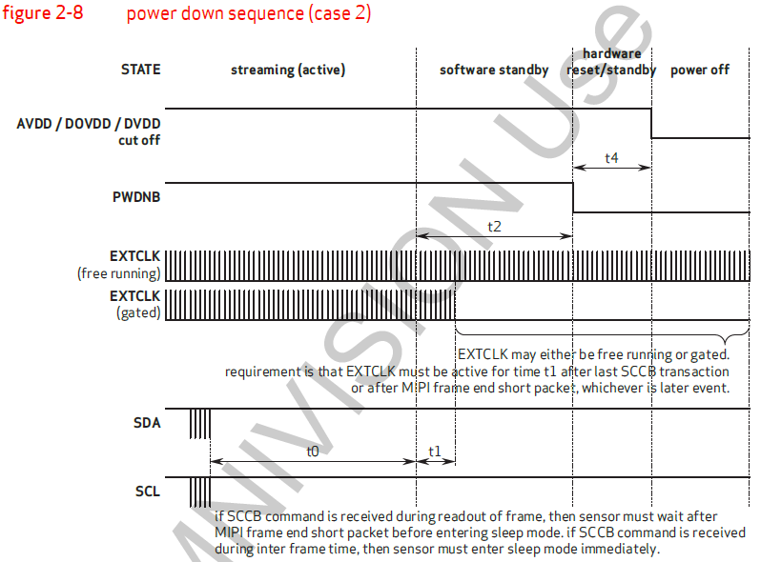
Power Down Sequence
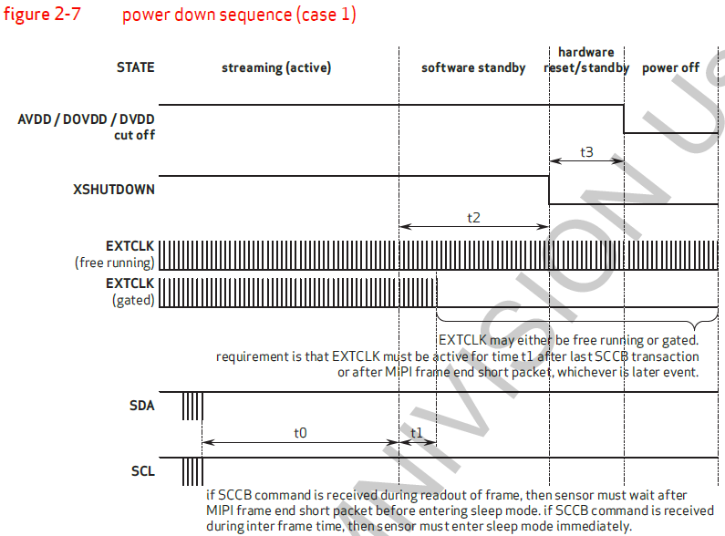
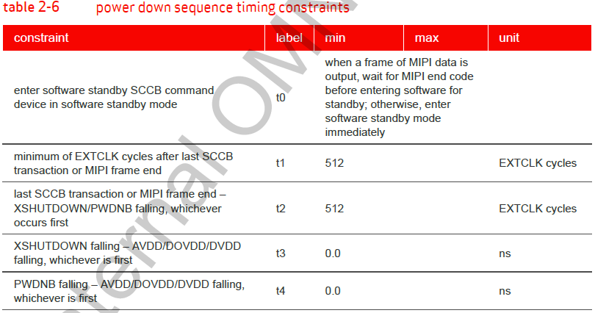

Software Standby Sequence
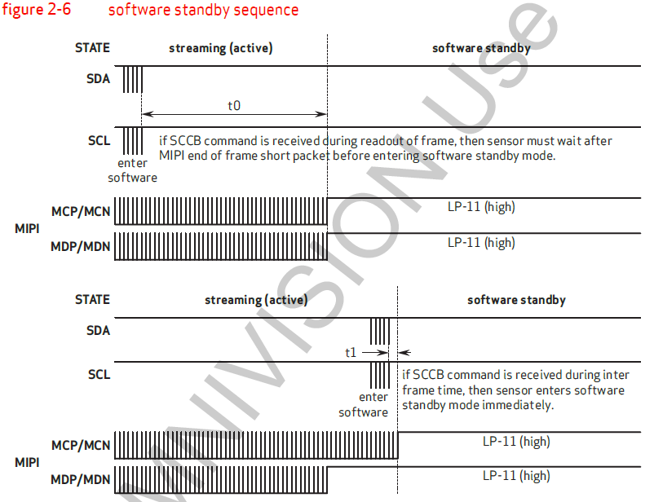
 | t0,t1 same to power down sequence

