overview
Product overview

Frame Rates (max)
Key Features
Standard Features

12.5MP(4:3) 48 fps
9MP(16:9) 60 fps
4K2K 60fps
1080P 240fps
720P 360fps
4C : 0.612 µm PureCel®Plus-S technology
HDR : Staggered HDR timing
Always-On – ULPS/SPI and ALS mode
Dual DOVDD support 1.8V & 1.2V
Always on syst
DPC dynamic and static
62x analog gain
2x2 binning
Automatic BLC
Xenon and LED flash strobe

Power
Interface/Optical
Package/Module
Schedule

Analog: 2.8V
Digital: 1.1V
IO: 1.8V
Power 380mW 12M@48fps
MIPI: 4lane D-PHY 2.4Gbps/lane
MIPI: 2/3trio C-PHY 1.4Gsps/lane
10-bit RGB Bayer pattern
CRA: 34.38°
Optical format: 1/2.88"
PADs location: left/right
FF module Y : 5637.6um x 4779um(COB)

Power consumption
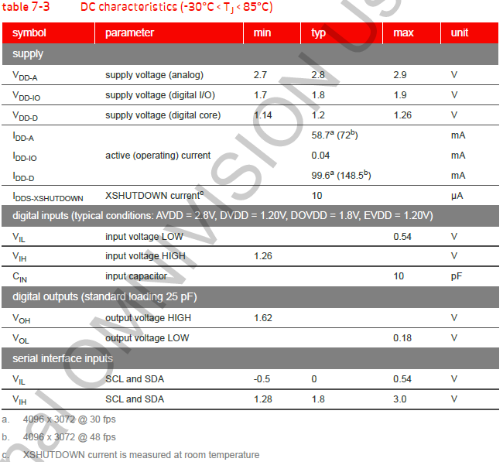
Power consumption

MCLK
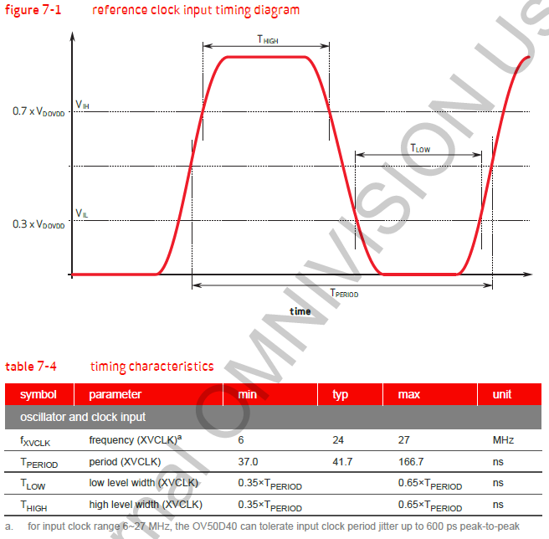
MCLK characteristics

Power management
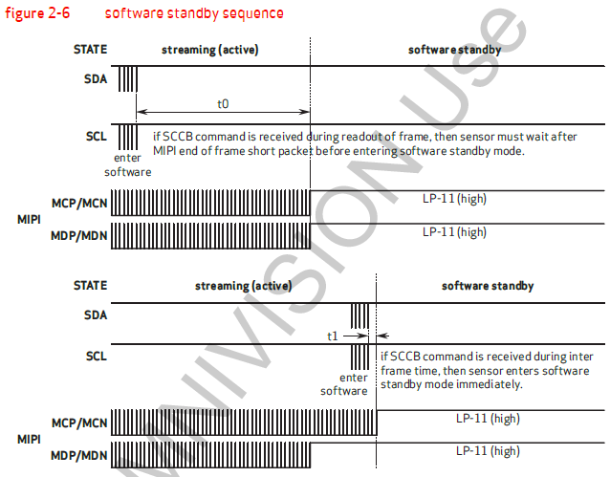
Power Up Sequence
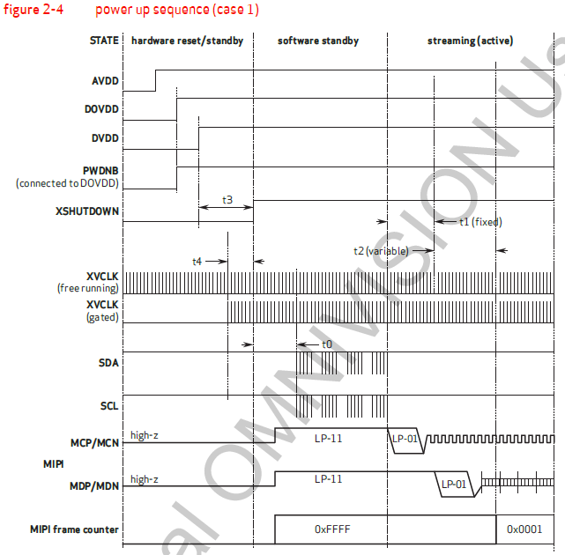
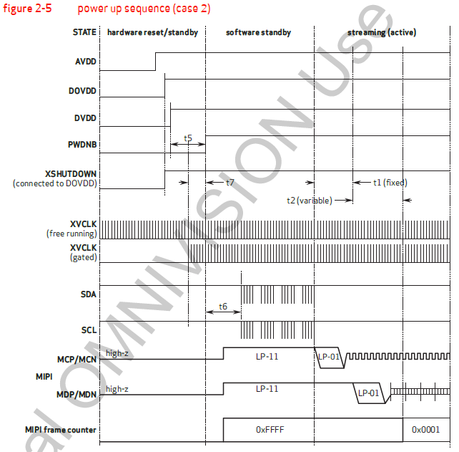

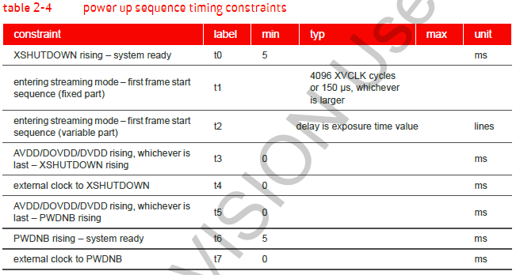

Power Down Sequence
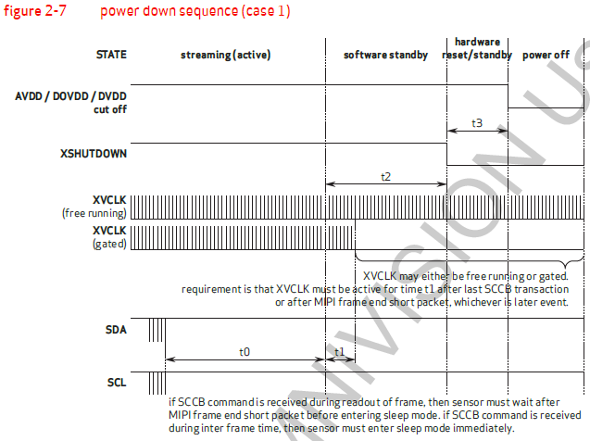
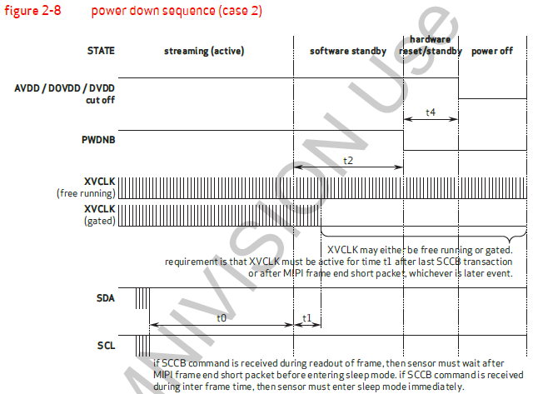

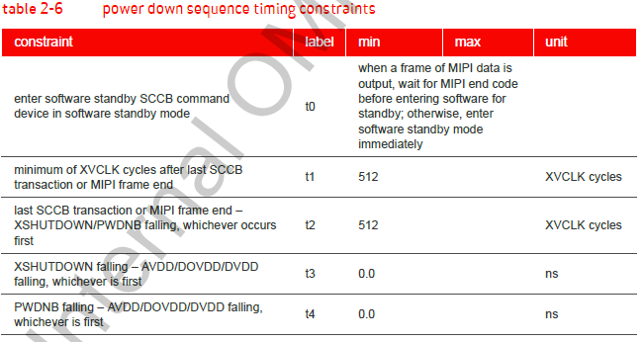

Power Standby Sequence

