installed_cost
Figure 5.3 Total installed costs of onshore wind projects and global weighted average, 1983-2017

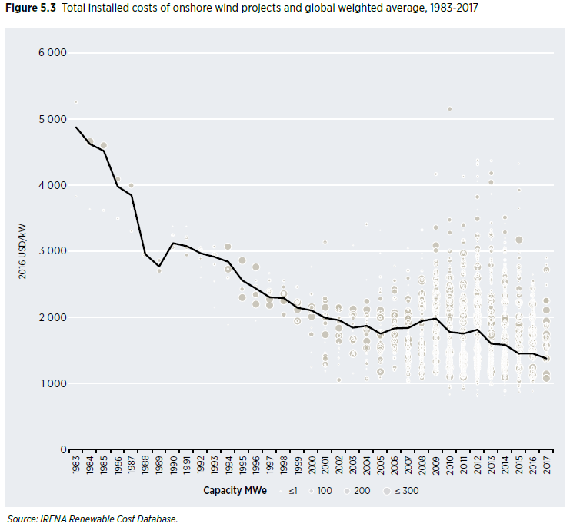
Year |  |  | Weighte Average (2016 USD/kW) | MAX (2016USD/kW) | MIN 2016 USD/kW | USA
1983 | 90.1107 | 4.88 | 4880 | 5258 | 3830 |  |  | Electricity capacity (MW) | installed cost
1984 | 211.712 | 4.62 | 4625 | 4664 | 3639 | 1983
1985 | 602.278 | 4.52 | 4522 | 4608 | 3624 | 1984
1986 | 1022.74 | 3.99 | 3985 | 4096 | 3497 | 1985
1987 | 1278.26 | 3.85 | 3850 | 3994 | 3306 | 1986
1988 | 1453.9 | 2.96 | 2959 | 2972 | 2951 | 1987
1989 | 1578.59 | 2.77 | 2773 | 3004 | 2706 | 1988
1990 | 1739.2 | 3.13 | 3127 | 3379 | 3061 | 1989
1991 | 1946.29 | 3.08 | 3081 | 3379 | 2949 | 1990
1992 | 2211.83 | 2.97 | 2973 | 3072 | 2611 | 1991
1993 | 2278.4 | 2.92 | 2918 | 3072 | 2150
1994 | 2997.27 | 2.84 | 2843 | 3072 | 1894
1995 | 3195.31 | 2.56 | 2563 | 2867 | 2304
1996 | 4787.84 | 2.44 | 2438 | 2765 | 1952
1997 | 6104.07 | 2.31 | 2306 | 2662 | 2186
1998 | 7629.66 | 2.30 | 2295 | 2560 | 2048
1999 | 10356.6 | 2.15 | 2149 | 2458 | 1946 | 1998 | 1 | 1.512 | 1.48
2000 | 17209.3 | 2.11 | 2109 | 2763 | 1250 | 1999 | 2 | 2.385 | 1.74
2001 | 23780.3 | 1.99 | 1995 | 3135 | 1183 | 2000 | 3 | 2.456 | 1.75
2002 | 30585.4 | 1.96 | 1961 | 2150 | 1055 | 2001 | 4 | 4.147 | 1.37
2003 | 37798.5 | 1.85 | 1846 | 3092 | 1157 | 2002 | 5 | 4.557 | 1.60
2004 | 46283.3 | 1.88 | 1876 | 3408 | 1072 | 2003 | 6 | 6.222 | 1.46
2005 | 57682.3 | 1.76 | 1755 | 3322 | 1062 | 2004 | 7 | 6.619 | 1.34
2006 | 72213.2 | 1.84 | 1837 | 2778 | 1207 | 2005 | 8 | 8.993 | 1.57
2007 | 90563.6 | 1.84 | 1843 | 3047 | 1031 | 2006 | 9 | 11.450 | 1.76
2008 | 113357.2 | 1.95 | 1949 | 3327 | 1082 | 2007 | 10 | 16.702 | 1.93
2009 | 147967.2 | 1.99 | 1985 | 4170 | 1137 | 2008 | 11 | 25.065 | 2.16
2010 | 177662.6 | 1.78 | 1782 | 5156 | 838 | 2009 | 12 | 35.068 | 2.36
2011 | 216237.6 | 1.76 | 1757 | 4139 | 926 | 2010 | 13 | 40.283 | 2.36
2012 | 264307.6 | 1.82 | 1817 | 4379 | 811 | 2011 | 14 | 46.930 | 2.26
2013 | 294380 | 1.60 | 1604 | 4372 | 975 | 2012 | 15 | 60.012 | 2.04
2014 | 340696.2 | 1.59 | 1586 | 3514 | 817 | 2013 | 16 | 61.110 | 1.93
2015 | 405080.5 | 1.45 | 1454 | 4325 | 872 | 2014 | 17 | 65.877 | 1.79
2016 | 452874.9 | 1.46 | 1456 | 2652 | 883 | 2015 | 18 | 73.992 | 1.62
2017 | 494663.8 | 1.38 | 1379 | 2909 | 1085 | 2016 | 19 | 82.143 | 1.59

 |  |  |  |  |  | source: chrome-extension://gbkeegbaiigmenfmjfclcdgdpimamgkj/views/app.html

Source: IRENA Renewable Cost Database.

