Visuals
Visuals
Charts use the same data as the P&L, cash flow, balance sheet, and operating schedules.

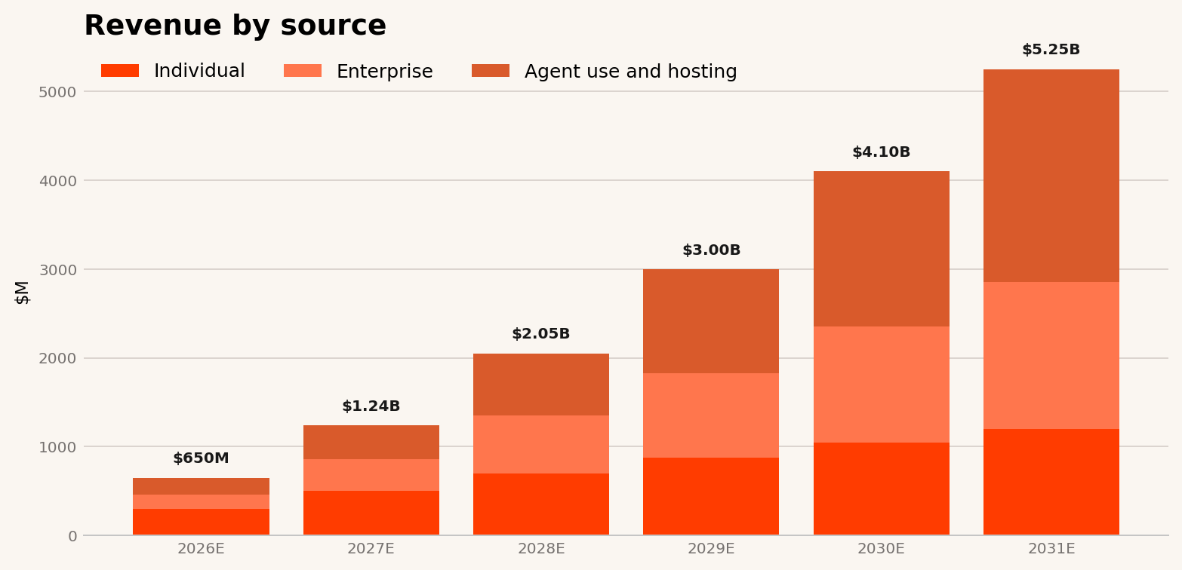
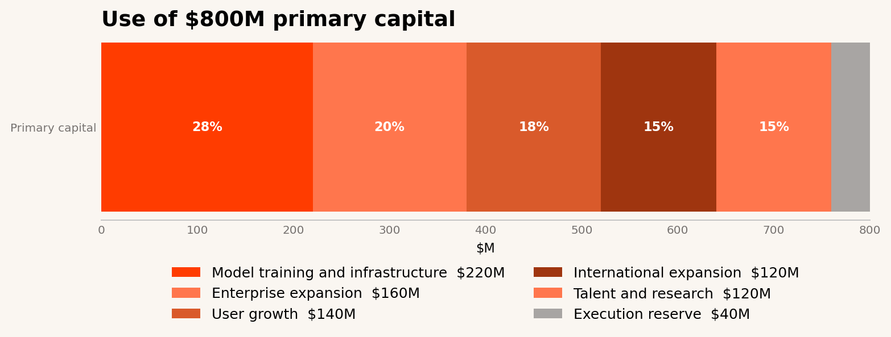

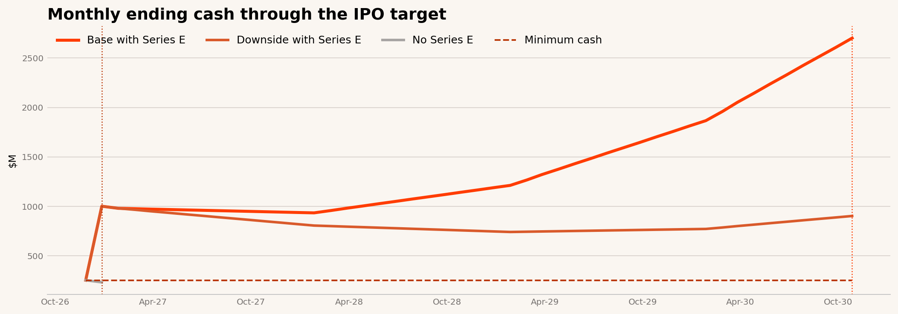

Year | Individual | Enterprise | Agent use and hosting |  | Use | Model training and infrastructure | Enterprise expansion | User growth | International expansion | Talent and research | Execution reserve
2026E | 300 | 160 | 190 |  | Primary | 220 | 160 | 140 | 120 | 120 | 40
2027E | 500 | 360 | 380
2028E | 700 | 650 | 700
2029E | 880 | 950 | 1170
2030E | 1050 | 1300 | 1750
2031E | 1200 | 1650 | 2400

Month | Base with Series E | Downside with Series E | No Series E | Minimum cash
Oct-26 | $252 | $252 | $252 | $250
Nov-26 | $1,001 | $1,001 | $231 | $250
Dec-26 | $980 | $980 |  | $250
Jan-27 | $976 | $965 |  | $250
Feb-27 | $972 | $951 |  | $250
Mar-27 | $968 | $936 |  | $250
Apr-27 | $964 | $922 |  | $250
May-27 | $961 | $907 |  | $250
Jun-27 | $957 | $892 |  | $250
Jul-27 | $953 | $878 |  | $250
Aug-27 | $949 | $863 |  | $250
Sep-27 | $945 | $849 |  | $250
Oct-27 | $941 | $834 |  | $250
Nov-27 | $938 | $820 |  | $250
Dec-27 | $934 | $805 |  | $250
Jan-28 | $957 | $800 |  | $250
Feb-28 | $980 | $794 |  | $250
Mar-28 | $1,003 | $789 |  | $250
Apr-28 | $1,026 | $784 |  | $250
May-28 | $1,050 | $778 |  | $250
Jun-28 | $1,073 | $773 |  | $250
Jul-28 | $1,096 | $767 |  | $250
Aug-28 | $1,119 | $762 |  | $250
Sep-28 | $1,142 | $757 |  | $250
Oct-28 | $1,165 | $751 |  | $250
Nov-28 | $1,189 | $746 |  | $250
Dec-28 | $1,212 | $740 |  | $250
Jan-29 | $1,266 | $743 |  | $250
Feb-29 | $1,321 | $746 |  | $250
Mar-29 | $1,376 | $748 |  | $250
Apr-29 | $1,430 | $751 |  | $250
May-29 | $1,485 | $753 |  | $250
Jun-29 | $1,539 | $756 |  | $250
Jul-29 | $1,594 | $758 |  | $250
Aug-29 | $1,648 | $761 |  | $250
Sep-29 | $1,703 | $763 |  | $250
Oct-29 | $1,758 | $766 |  | $250
Nov-29 | $1,812 | $769 |  | $250
Dec-29 | $1,867 | $771 |  | $250
Jan-30 | $1,960 | $786 |  | $250
Feb-30 | $2,052 | $800 |  | $250
Mar-30 | $2,145 | $815 |  | $250
Apr-30 | $2,238 | $829 |  | $250
May-30 | $2,331 | $844 |  | $250
Jun-30 | $2,424 | $859 |  | $250
Jul-30 | $2,517 | $873 |  | $250
Aug-30 | $2,609 | $888 |  | $250
Sep-30 | $2,702 | $902 |  | $250

Cash Flow
Cash Flow
Annual cash flow and monthly cash runway in $M.

Monthly ending cash
Annual cash flow | 2025 | 2026 | 2027 | 2028 | 2029 | 2030 | 2031
Net income | ($207) | ($231) | ($21) | $293 | $660 | $1,104 | $1,620
Stock compensation | $28 | $65 | $95 | $130 | $170 | $220 | $275
Change in working capital | ($10) | ($20) | ($30) | ($35) | ($40) | ($50) | ($60)
Cash from operations | ($189) | ($186) | $44 | $388 | $790 | $1,274 | $1,835
Capital expenditures | ($35) | ($70) | ($90) | ($110) | ($135) | ($160) | ($190)
Free cash flow | ($224) | ($256) | ($46) | $278 | $655 | $1,114 | $1,645
Prior equity financing | $250 | $400 | $0 | $0 | $0 | $0 | $0
Series E primary | $0 | $800 | $0 | $0 | $0 | $0 | $0
Financing fees | $0 | ($30) | $0 | $0 | $0 | $0 | $0
Net change in cash | $26 | $914 | ($46) | $278 | $655 | $1,114 | $1,645
Beginning cash | $40 | $66 | $980 | $934 | $1,212 | $1,867 | $2,981
Ending cash | $66 | $980 | $934 | $1,212 | $1,867 | $2,981 | $4,626

Cash summary | Value | Evidence
Cash at September 2026 | $274 | Est.
Minimum operating cash | $250 | Est.
Series E close | Nov-26 | Est.
Net primary proceeds | $770 | Derived
Cash falls below minimum without Series E | Nov-26 | Derived
IPO target | Sep-30 | Est.
Cash at IPO in base case | $2,702 | Derived
Cash at IPO in downside case | $902 | Derived
Next equity need | None before IPO in the base case | Derived

Month | Beginning cash | Revenue | Gross profit | Operating expenses | Adjusted operating income | Stock compensation | Capital expenditures | Working capital change | Free cash flow | Series E primary | Financing fees | Ending cash | Ending cash without Series E | Downside ending cash | Minimum cash | Milestone
Oct-26 | $274 | $54 | $25 | $44 | ($19) | $5 | $6 | $2 | ($21) | $0 | $0 | $252 | $252 | $252 | $250
Nov-26 | $252 | $54 | $25 | $44 | ($19) | $5 | $6 | $2 | ($21) | $800 | $30 | $1,001 | $231 | $1,001 | $250 | Series E close | No-Series-E cash below minimum
Dec-26 | $1,001 | $54 | $25 | $44 | ($19) | $5 | $6 | $2 | ($21) | $0 | $0 | $980 | $210 | $980 | $250
Jan-27 | $980 | $103 | $60 | $62 | ($2) | $8 | $8 | $3 | ($4) | $0 | $0 | $976 | $206 | $965 | $250
Feb-27 | $976 | $103 | $60 | $62 | ($2) | $8 | $8 | $3 | ($4) | $0 | $0 | $972 | $202 | $951 | $250
Mar-27 | $972 | $103 | $60 | $62 | ($2) | $8 | $8 | $3 | ($4) | $0 | $0 | $968 | $198 | $936 | $250
Apr-27 | $968 | $103 | $60 | $62 | ($2) | $8 | $8 | $3 | ($4) | $0 | $0 | $964 | $194 | $922 | $250
May-27 | $964 | $103 | $60 | $62 | ($2) | $8 | $8 | $3 | ($4) | $0 | $0 | $961 | $191 | $907 | $250
Jun-27 | $961 | $103 | $60 | $62 | ($2) | $8 | $8 | $3 | ($4) | $0 | $0 | $957 | $187 | $892 | $250
Jul-27 | $957 | $103 | $60 | $62 | ($2) | $8 | $8 | $3 | ($4) | $0 | $0 | $953 | $183 | $878 | $250
Aug-27 | $953 | $103 | $60 | $62 | ($2) | $8 | $8 | $3 | ($4) | $0 | $0 | $949 | $179 | $863 | $250
Sep-27 | $949 | $103 | $60 | $62 | ($2) | $8 | $8 | $3 | ($4) | $0 | $0 | $945 | $175 | $849 | $250
Oct-27 | $945 | $103 | $60 | $62 | ($2) | $8 | $8 | $3 | ($4) | $0 | $0 | $941 | $171 | $834 | $250
Nov-27 | $941 | $103 | $60 | $62 | ($2) | $8 | $8 | $3 | ($4) | $0 | $0 | $938 | $168 | $820 | $250
Dec-27 | $938 | $103 | $60 | $62 | ($2) | $8 | $8 | $3 | ($4) | $0 | $0 | $934 | $164 | $805 | $250
Jan-28 | $934 | $171 | $113 | $88 | $24 | $11 | $9 | $3 | $23 | $0 | $0 | $957 | $187 | $800 | $250
Feb-28 | $957 | $171 | $113 | $88 | $24 | $11 | $9 | $3 | $23 | $0 | $0 | $980 | $210 | $794 | $250
Mar-28 | $980 | $171 | $113 | $88 | $24 | $11 | $9 | $3 | $23 | $0 | $0 | $1,003 | $233 | $789 | $250
Apr-28 | $1,003 | $171 | $113 | $88 | $24 | $11 | $9 | $3 | $23 | $0 | $0 | $1,026 | $256 | $784 | $250
May-28 | $1,026 | $171 | $113 | $88 | $24 | $11 | $9 | $3 | $23 | $0 | $0 | $1,050 | $280 | $778 | $250
Jun-28 | $1,050 | $171 | $113 | $88 | $24 | $11 | $9 | $3 | $23 | $0 | $0 | $1,073 | $303 | $773 | $250
Jul-28 | $1,073 | $171 | $113 | $88 | $24 | $11 | $9 | $3 | $23 | $0 | $0 | $1,096 | $326 | $767 | $250
Aug-28 | $1,096 | $171 | $113 | $88 | $24 | $11 | $9 | $3 | $23 | $0 | $0 | $1,119 | $349 | $762 | $250
Sep-28 | $1,119 | $171 | $113 | $88 | $24 | $11 | $9 | $3 | $23 | $0 | $0 | $1,142 | $372 | $757 | $250
Oct-28 | $1,142 | $171 | $113 | $88 | $24 | $11 | $9 | $3 | $23 | $0 | $0 | $1,165 | $395 | $751 | $250
Nov-28 | $1,165 | $171 | $113 | $88 | $24 | $11 | $9 | $3 | $23 | $0 | $0 | $1,189 | $419 | $746 | $250
Dec-28 | $1,189 | $171 | $113 | $88 | $24 | $11 | $9 | $3 | $23 | $0 | $0 | $1,212 | $442 | $740 | $250
Jan-29 | $1,212 | $250 | $178 | $123 | $55 | $14 | $11 | $3 | $55 | $0 | $0 | $1,266 | $496 | $743 | $250
Feb-29 | $1,266 | $250 | $178 | $123 | $55 | $14 | $11 | $3 | $55 | $0 | $0 | $1,321 | $551 | $746 | $250
Mar-29 | $1,321 | $250 | $178 | $123 | $55 | $14 | $11 | $3 | $55 | $0 | $0 | $1,376 | $606 | $748 | $250
Apr-29 | $1,376 | $250 | $178 | $123 | $55 | $14 | $11 | $3 | $55 | $0 | $0 | $1,430 | $660 | $751 | $250
May-29 | $1,430 | $250 | $178 | $123 | $55 | $14 | $11 | $3 | $55 | $0 | $0 | $1,485 | $715 | $753 | $250
Jun-29 | $1,485 | $250 | $178 | $123 | $55 | $14 | $11 | $3 | $55 | $0 | $0 | $1,539 | $769 | $756 | $250
Jul-29 | $1,539 | $250 | $178 | $123 | $55 | $14 | $11 | $3 | $55 | $0 | $0 | $1,594 | $824 | $758 | $250
Aug-29 | $1,594 | $250 | $178 | $123 | $55 | $14 | $11 | $3 | $55 | $0 | $0 | $1,648 | $878 | $761 | $250
Sep-29 | $1,648 | $250 | $178 | $123 | $55 | $14 | $11 | $3 | $55 | $0 | $0 | $1,703 | $933 | $763 | $250
Oct-29 | $1,703 | $250 | $178 | $123 | $55 | $14 | $11 | $3 | $55 | $0 | $0 | $1,758 | $988 | $766 | $250
Nov-29 | $1,758 | $250 | $178 | $123 | $55 | $14 | $11 | $3 | $55 | $0 | $0 | $1,812 | $1,042 | $769 | $250
Dec-29 | $1,812 | $250 | $178 | $123 | $55 | $14 | $11 | $3 | $55 | $0 | $0 | $1,867 | $1,097 | $771 | $250
Jan-30 | $1,867 | $342 | $253 | $161 | $92 | $18 | $13 | $4 | $93 | $0 | $0 | $1,960 | $1,190 | $786 | $250
Feb-30 | $1,960 | $342 | $253 | $161 | $92 | $18 | $13 | $4 | $93 | $0 | $0 | $2,052 | $1,282 | $800 | $250
Mar-30 | $2,052 | $342 | $253 | $161 | $92 | $18 | $13 | $4 | $93 | $0 | $0 | $2,145 | $1,375 | $815 | $250
Apr-30 | $2,145 | $342 | $253 | $161 | $92 | $18 | $13 | $4 | $93 | $0 | $0 | $2,238 | $1,468 | $829 | $250
May-30 | $2,238 | $342 | $253 | $161 | $92 | $18 | $13 | $4 | $93 | $0 | $0 | $2,331 | $1,561 | $844 | $250
Jun-30 | $2,331 | $342 | $253 | $161 | $92 | $18 | $13 | $4 | $93 | $0 | $0 | $2,424 | $1,654 | $859 | $250
Jul-30 | $2,424 | $342 | $253 | $161 | $92 | $18 | $13 | $4 | $93 | $0 | $0 | $2,517 | $1,747 | $873 | $250
Aug-30 | $2,517 | $342 | $253 | $161 | $92 | $18 | $13 | $4 | $93 | $0 | $0 | $2,609 | $1,839 | $888 | $250
Sep-30 | $2,609 | $342 | $253 | $161 | $92 | $18 | $13 | $4 | $93 | $0 | $0 | $2,702 | $1,932 | $902 | $250 | IPO target
Oct-30 | $2,702 | $342 | $253 | $161 | $92 | $18 | $13 | $4 | $93 | $0 | $0 | $2,795 | $2,025 | $917 | $250
Nov-30 | $2,795 | $342 | $253 | $161 | $92 | $18 | $13 | $4 | $93 | $0 | $0 | $2,888 | $2,118 | $931 | $250
Dec-30 | $2,888 | $342 | $253 | $161 | $92 | $18 | $13 | $4 | $93 | $0 | $0 | $2,981 | $2,211 | $946 | $250
Jan-31 | $2,981 | $438 | $333 | $198 | $135 | $23 | $16 | $5 | $137 | $0 | $0 | $3,118 | $2,348 | $978 | $250
Feb-31 | $3,118 | $438 | $333 | $198 | $135 | $23 | $16 | $5 | $137 | $0 | $0 | $3,255 | $2,485 | $1,011 | $250
Mar-31 | $3,255 | $438 | $333 | $198 | $135 | $23 | $16 | $5 | $137 | $0 | $0 | $3,392 | $2,622 | $1,043 | $250
Apr-31 | $3,392 | $438 | $333 | $198 | $135 | $23 | $16 | $5 | $137 | $0 | $0 | $3,529 | $2,759 | $1,076 | $250
May-31 | $3,529 | $438 | $333 | $198 | $135 | $23 | $16 | $5 | $137 | $0 | $0 | $3,666 | $2,896 | $1,108 | $250
Jun-31 | $3,666 | $438 | $333 | $198 | $135 | $23 | $16 | $5 | $137 | $0 | $0 | $3,803 | $3,033 | $1,140 | $250
Jul-31 | $3,803 | $438 | $333 | $198 | $135 | $23 | $16 | $5 | $137 | $0 | $0 | $3,940 | $3,170 | $1,173 | $250
Aug-31 | $3,940 | $438 | $333 | $198 | $135 | $23 | $16 | $5 | $137 | $0 | $0 | $4,077 | $3,307 | $1,205 | $250
Sep-31 | $4,077 | $438 | $333 | $198 | $135 | $23 | $16 | $5 | $137 | $0 | $0 | $4,215 | $3,445 | $1,238 | $250
Oct-31 | $4,215 | $438 | $333 | $198 | $135 | $23 | $16 | $5 | $137 | $0 | $0 | $4,352 | $3,582 | $1,270 | $250
Nov-31 | $4,352 | $438 | $333 | $198 | $135 | $23 | $16 | $5 | $137 | $0 | $0 | $4,489 | $3,719 | $1,302 | $250
Dec-31 | $4,489 | $438 | $333 | $198 | $135 | $23 | $16 | $5 | $137 | $0 | $0 | $4,626 | $3,856 | $1,335 | $250

Revenue Build
Revenue Build
Segment model in $M. The 2023 to 2026 periods are estimated history. The forecast starts in 2027.

Metric | 2023 | 2024 | 2025 | 2026 | 2027 | 2028 | 2029 | 2030 | 2031
Individual | $10 | $15 | $95 | $300 | $500 | $700 | $880 | $1,050 | $1,200
Enterprise | $3 | $6 | $35 | $160 | $360 | $650 | $950 | $1,300 | $1,650
Usage & deploy | $3 | $7 | $40 | $190 | $380 | $700 | $1,170 | $1,750 | $2,400
Total revenue | $16 | $28 | $170 | $650 | $1,240 | $2,050 | $3,000 | $4,100 | $5,250
Year-over-year growth |  | 75.0% | 507.1% | 282.4% | 90.8% | 65.3% | 46.3% | 36.7% | 28.0%

Revenue by segment

Scenarios
Scenarios
Base, downside, and upside operating outcomes from 2026 to 2031.

Scenario | Metric | 2026 | 2027 | 2028 | 2029 | 2030 | 2031
Downside | Revenue | $650 | $1,017 | $1,497 | $2,040 | $2,706 | $3,413
Downside | Gross margin | 46.0% | 53.0% | 59.0% | 63.0% | 66.0% | 69.0%
Downside | Adjusted operating margin | -35.5% | -14.7% | -3.3% | 1.8% | 6.1% | 10.7%
Downside | Free cash flow | ($256) | ($174) | ($65) | $31 | $175 | $389
Base | Revenue | $650 | $1,240 | $2,050 | $3,000 | $4,100 | $5,250
Base | Gross margin | 46.0% | 58.0% | 66.0% | 71.0% | 74.0% | 76.0%
Base | Adjusted operating margin | -35.5% | -1.7% | 14.3% | 22.0% | 26.9% | 30.9%
Base | Free cash flow | ($256) | ($46) | $278 | $655 | $1,114 | $1,645
Upside | Revenue | $650 | $1,389 | $2,501 | $3,900 | $5,576 | $7,350
Upside | Gross margin | 46.0% | 61.0% | 71.0% | 77.0% | 80.0% | 82.0%
Upside | Adjusted operating margin | -35.5% | 3.5% | 22.7% | 32.5% | 38.5% | 43.3%
Upside | Free cash flow | ($256) | $23 | $552 | $1,263 | $2,155 | $3,208

Revenue scenarios

