Ducry1979
Bradley1945 – The estimation of hepatic blood flow in man

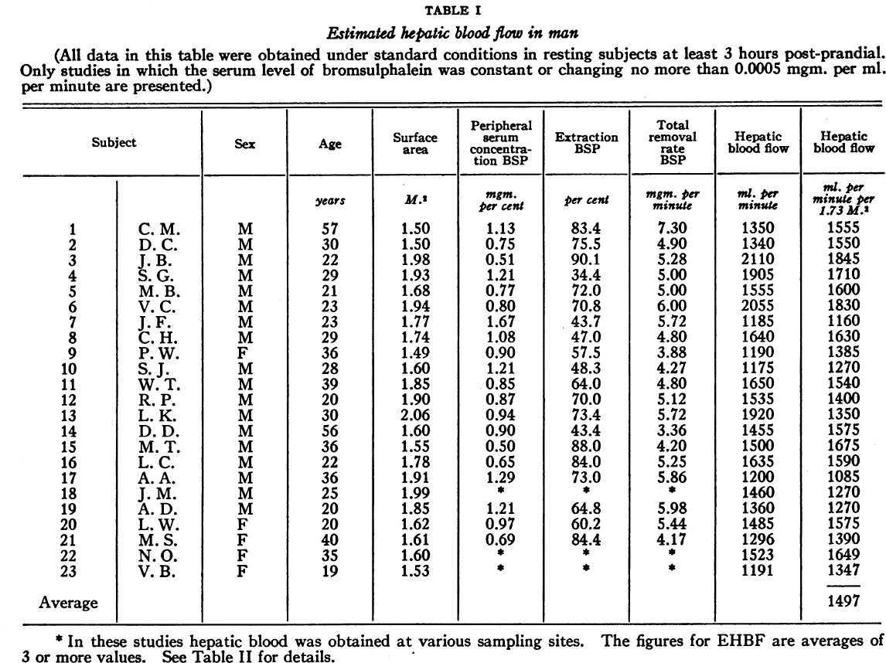
species | human
method | Blood flow measurement via Bromsulphalein (BSP) clearance
n | 23
subjects | healthy, no evidence of hepatic disease

Table 1
study | Health status /diagnosis | Patient number | Age [years] | Sex [M,F,U] | Body surface area (BSA) [m^2] | Hepatic blood flow [ml/min] | Hepatic blood flow per BSA [ml/min/m^2] | Peripheral Serum Concentration BSP [mgm %] | Extraction BSP [%] | Total removal rate BSP [mgm/min]
study | status | patient | age | sex | BSA | liverBloodFlow | liverBloodFlowPerBSA | BSPconc | BSPextraction | BSPremovalRate
bra1945 | healthy | 1 | 57 | M | 1.5 | 1350 | 900.00 | 1.13 | 83.4 | 7.3
bra1945 | healthy | 2 | 30 | M | 1.5 | 1340 | 893.33 | 0.75 | 75.5 | 4.9
bra1945 | healthy | 3 | 22 | M | 1.98 | 2110 | 1,065.66 | 0.51 | 90.1 | 5.28
bra1945 | healthy | 4 | 29 | M | 1.93 | 1905 | 987.05 | 1.21 | 34.4 | 5
bra1945 | healthy | 5 | 21 | M | 1.68 | 1555 | 925.60 | 0.7 | 72 | 5
bra1945 | healthy | 6 | 23 | M | 1.94 | 2055 | 1,059.28 | 0.8 | 70.8 | 6
bra1945 | healthy | 7 | 23 | M | 1.77 | 1185 | 669.49 | 1.67 | 43.7 | 5.72
bra1945 | healthy | 8 | 29 | M | 1.74 | 1640 | 942.53 | 1.08 | 47 | 4.8
bra1945 | healthy | 9 | 36 | F | 1.49 | 1190 | 798.66 | 0.9 | 57.5 | 3.88
bra1945 | healthy | 10 | 28 | M | 1.6 | 1175 | 734.38 | 1.21 | 48.3 | 4.27
bra1945 | healthy | 11 | 39 | M | 1.85 | 1650 | 891.89 | 0.85 | 64 | 4.8
bra1945 | healthy | 12 | 20 | M | 1.9 | 1535 | 807.89 | 0.87 | 70 | 5.12
bra1945 | healthy | 13 | 30 | M | 2.06 | 1920 | 932.04 | 0.94 | 73.4 | 5.72
bra1945 | healthy | 14 | 56 | M | 1.6 | 1455 | 909.38 | 0.9 | 43.4 | 3.36
bra1945 | healthy | 15 | 36 | M | 1.55 | 1500 | 967.74 | 0.5 | 88 | 4.2
bra1945 | healthy | 16 | 22 | M | 1.78 | 1635 | 918.54 | 0.65 | 84 | 5.25
bra1945 | healthy | 17 | 36 | M | 1.91 | 1200 | 628.27 | 1.29 | 73 | 5.86
bra1945 | healthy | 18 | 25 | M | 1.99 | 1460 | 733.67 | NA | NA | NA
bra1945 | healthy | 19 | 20 | M | 1.85 | 1360 | 735.14 | 1.21 | 64.8 | 5.98
bra1945 | healthy | 20 | 20 | F | 1.62 | 1485 | 916.67 | 0.97 | 60.2 | 5.44
bra1945 | healthy | 21 | 40 | F | 1.61 | 1296 | 804.97 | 0.69 | 84.4 | 4.17
bra1945 | healthy | 22 | 35 | F | 1.6 | 1523 | 951.88 | NA | NA | NA
bra1945 | healthy | 23 | 19 | F | 1.53 | 1191 | 778.43 | NA | NA | NA

