Sheet1
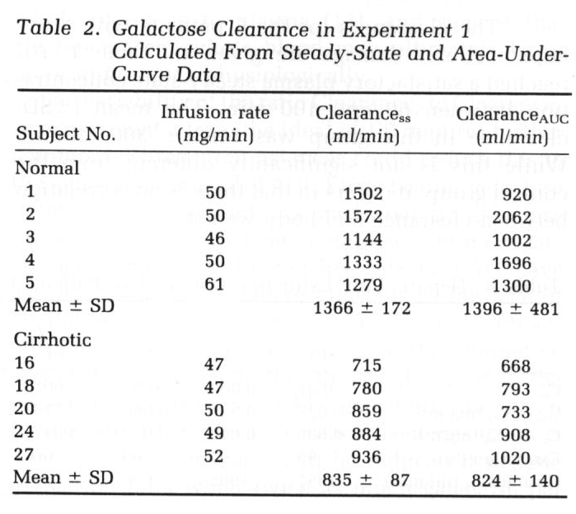
Henderson1982
publication | First-Order Clearance of Plasma Galactose: The Effect of liver disease
species | human
method | galactose clearance
n | 11 + 28
subjects | 11 healthy and 28 with liver disease were studied (22 cirrhosis and 6 had acute hepatocellular damage)

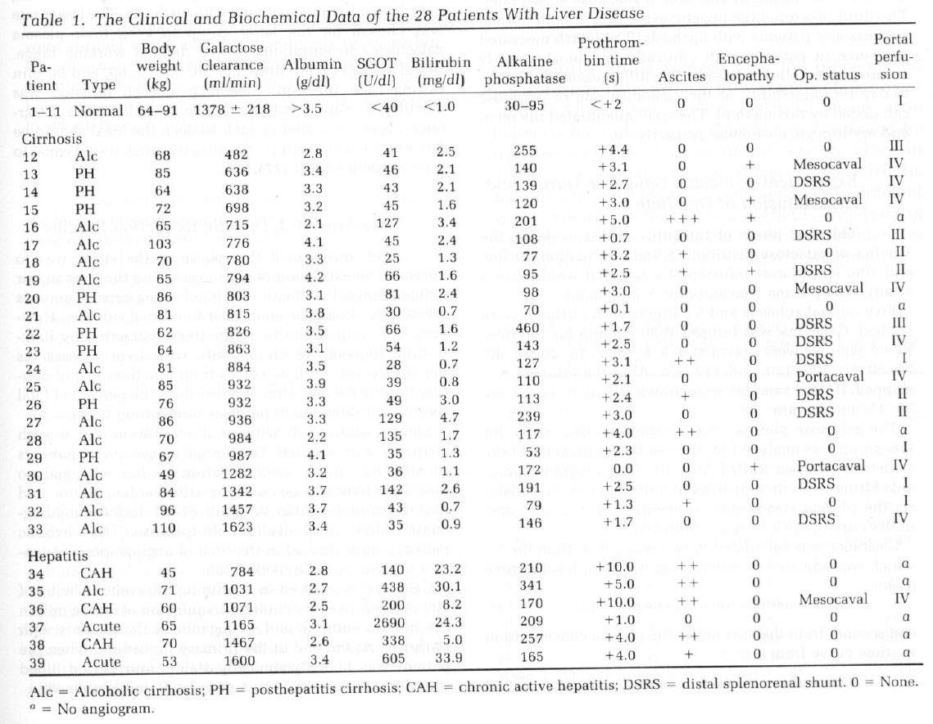
Table 1 – Clinical and biochemical data
study | id | n | sex | status | status | Body weight [kg] | Galactose clearance [ml/min] | Galactose clearance S.D. [ml/min] | Albumin [g/dl] | SGOT | Bilirubin [mg/dl] | Alkaline phosphatase | Prothrombine time [s] | Ascites | Encephalopathy | OP status | Portal perfusion
study | id | n | sex | status | status_detail | bodyweight | CL | CLSD | albumin | [U/dl] | bilirubin | alkphos | pt_time | ascites | encephalopathy | op | portal_perfusion
hen1982 | NA | 11 | U | healthy | healthy | 64-91 | 1378 | 218 | >3.5 | <40 | <1.0 | 30-95 | <+2 | 0 | 0 | 0 | I
hen1982 | 12 | 1 | U | cirrhosis | alcoholic cirrhosis | 68 | 482 | NA | 2.8 | 41 | 2.5 | 255 | 4.4 | 0 | 0 | 0 | III
hen1982 | 13 | 1 | U | cirrhosis | posthepatitis cirrhosis | 85 | 636 | NA | 3.4 | 46 | 2.1 | 140 | 3.1 | 0 | + | Mescocaval | IV
hen1982 | 14 | 1 | U | cirrhosis | posthepatitis cirrhosis | 64 | 638 | NA | 3.3 | 43 | 2.1 | 139 | 2.7 | 0 | 0 | DSRS | IV
hen1982 | 15 | 1 | U | cirrhosis | posthepatitis cirrhosis | 72 | 698 | NA | 3.2 | 45 | 1.6 | 120 | 3 | 0 | + | Mescocaval | iV
hen1982 | 16 | 1 | U | cirrhosis | alcoholic cirrhosis | 65 | 715 | NA | 2.1 | 127 | 3.4 | 201 | 5 | +++ | + | 0 | a
hen1982 | 17 | 1 | U | cirrhosis | alcoholic cirrhosis | 103 | 776 | NA | 4.1 | 45 | 2.4 | 108 | 0.7 | 0 | 0 | DSRS | III
hen1982 | 18 | 1 | U | cirrhosis | alcoholic cirrhosis | 70 | 780 | NA | 3.3 | 25 | 1.3 | 77 | 3.2 | + | 0 | 0 | II
hen1982 | 19 | 1 | U | cirrhosis | alcoholic cirrhosis | 65 | 794 | NA | 4.2 | 66 | 1.6 | 95 | 2.5 | + | + | DSRS | II
hen1982 | 20 | 1 | U | cirrhosis | posthepatitis cirrhosis | 86 | 803 | NA | 3.1 | 81 | 2.4 | 98 | 3 | 0 | 0 | Mescocaval | IV
hen1982 | 21 | 1 | U | cirrhosis | alcoholic cirrhosis | 81 | 815 | NA | 3.8 | 30 | 0.7 | 70 | 0.1 | 0 | 0 | 0 | a
hen1982 | 22 | 1 | U | cirrhosis | posthepatitis cirrhosis | 62 | 826 | NA | 3.5 | 66 | 1.6 | 460 | 1.7 | 0 | 0 | DSRS | III
hen1982 | 23 | 1 | U | cirrhosis | posthepatitis cirrhosis | 64 | 863 | NA | 3.1 | 54 | 1.2 | 143 | 2.5 | 0 | 0 | DSRS | IV
hen1982 | 24 | 1 | U | cirrhosis | alcoholic cirrhosis | 81 | 884 | NA | 3.5 | 28 | 0.7 | 127 | 3.1 | ++ | 0 | DSRS | I
hen1982 | 25 | 1 | U | cirrhosis | alcoholic cirrhosis | 85 | 932 | NA | 3.9 | 39 | 0.8 | 110 | 2.1 | 0 | 0 | Portacaval | IV
hen1982 | 26 | 1 | U | cirrhosis | posthepatitis cirrhosis | 76 | 932 | NA | 3.3 | 49 | 3 | 113 | 2.4 | + | 0 | DSRS | II
hen1982 | 27 | 1 | U | cirrhosis | alcoholic cirrhosis | 86 | 936 | NA | 3.3 | 129 | 4.7 | 239 | 3 | 0 | 0 | DSRS | II
hen1982 | 28 | 1 | U | cirrhosis | alcoholic cirrhosis | 70 | 984 | NA | 2.2 | 135 | 1.7 | 117 | 4 | ++ | 0 | 0 | a
hen1982 | 29 | 1 | U | cirrhosis | posthepatitis cirrhosis | 67 | 987 | NA | 4.1 | 35 | 1.3 | 53 | 2.3 | 0 | 0 | 0 | I
hen1982 | 30 | 1 | U | cirrhosis | alcoholic cirrhosis | 49 | 12282 | NA | 3.2 | 36 | 1.1 | 172 | 0 | 0 | + | Portacaval | IV
hen1982 | 31 | 1 | U | cirrhosis | alcoholic cirrhosis | 84 | 1342 | NA | 3.7 | 142 | 2.6 | 191 | 2.5 | 0 | 0 | DSRS | I
hen1982 | 32 | 1 | U | cirrhosis | alcoholic cirrhosis | 96 | 1457 | NA | 3.7 | 43 | 0.7 | 79 | 1.3 | + | 0 | 0 | I
hen1982 | 33 | 1 | U | cirrhosis | alcoholic cirrhosis | 110 | 1623 | NA | 3.4 | 35 | 0.9 | 146 | 1.7 | 0 | 0 | DSRS | IV
hen1982 | 34 | 1 | U | hepatitis | chronic active hepatitis | 45 | 784 | NA | 2.8 | 140 | 23.2 | 210 | 10 | ++ | 0 | 0 | a
hen1982 | 35 | 1 | U | hepatitis | alcoholic cirrhosis | 71 | 1031 | NA | 2.7 | 438 | 30.1 | 341 | 5 | ++ | 0 | 0 | a
hen1982 | 36 | 1 | U | hepatitis | chronic active hepatitis | 60 | 1071 | NA | 2.5 | 200 | 8.2 | 170 | 10 | ++ | 0 | Mescocaval | IV
hen1982 | 37 | 1 | U | hepatitis | Acute | 65 | 1165 | NA | 3.1 | 2690 | 24.3 | 209 | 1 | 0 | 0 | 0 | a
hen1982 | 38 | 1 | U | hepatitis | chronic active hepatitis | 70 | 1467 | NA | 2.6 | 338 | 5 | 257 | 4 | ++ | 0 | 0 | a
hen1982 | 39 | 1 | U | hepatitis | Acute | 53 | 1600 | NA | 3.4 | 605 | 33.9 | 165 | 4 | + | 0 | 0 | a

Table 4 – Hepatic vein extraction data
study | id | status | C0 [mg/ml] | Css – C0 [mg/ml] | Chv – C0 [mg/ml] | Extraction [%] | Clearance SS [ml/min] | Extraction Ration [-] | C0 [mmol/L] | Css [mmol/L] | Chv [mmol/L] | Bloodflow Q=CL/ER [ml/min] | Galactose Elimination GE=CL*css [mmol/min]
study | id | status | c0mg | cssdifmg | chvdifmg | extraction | CL | ER | c0 | css | chv | bloodflow | GE
hen1982 | 10 | healthy | 0.01 | 0.027 | 0.002 | 93 | 1851 | 0.93 | 0.055555555556 | 0.20555555556 | 0.066666666667 | 1990.3225806 | 0.38048333333
hen1982 | 11 | healthy | 0.009 | 0.021 | 0.001 | 95 | 1905 | 0.95 | 0.05 | 0.16666666667 | 0.055555555556 | 2005.2631579 | 0.3175
hen1982 | 13 | cirrhosis | 0.01 | 0.066 | 0.013 | 80 | 636 | 0.8 | 0.055555555556 | 0.42222222222 | 0.12777777778 | 795 | 0.26853333333
hen1982 | 14 | cirrhosis | 0.001 | 0.118 | 0.047 | 60 | 638 | 0.6 | 0.0055555555556 | 0.66111111111 | 0.26666666667 | 1063.3333333 | 0.42178888889
hen1982 | 17 | cirrhosis | 0.011 | 0.081 | 0.008 | 90 | 776 | 0.9 | 0.061111111111 | 0.51111111111 | 0.10555555556 | 862.22222222 | 0.39662222222
hen1982 | 23 | cirrhosis | 0.014 | 0.051 | 0.017 | 67 | 863 | 0.67 | 0.077777777778 | 0.36111111111 | 0.17222222222 | 1288.0597015 | 0.31163888889
hen1982 | 25 | cirrhosis | 0.009 | 0.04 | 0.004 | 90 | 1285 | 0.9 | 0.05 | 0.27222222222 | 0.072222222222 | 1427.7777778 | 0.34980555556
hen1982 | 30 | cirrhosis | 0.004 | 0.039 | 0.008 | 79 | 1282 | 0.79 | 0.022222222222 | 0.23888888889 | 0.066666666667 | 1622.7848101 | 0.30625555556
hen1982 | 31 | cirrhosis | 0.009 | 0.036 | 0.006 | 83 | 1342 | 0.83 | 0.05 | 0.25 | 0.083333333333 | 1616.8674699 | 0.3355
hen1982 | 32 | cirrhosis | 0.008 | 0.035 | 0.01 | 71 | 1457 | 0.71 | 0.044444444444 | 0.23888888889 | 0.1 | 2052.1126761 | 0.34806111111
hen1982 | 33 | cirrhosis | 0.004 | 0.039 | 0.002 | 95 | 1623 | 0.95 | 0.022222222222 | 0.23888888889 | 0.033333333333 | 1708.4210526 | 0.38771666667

Table 2 – Galactose Clearance
study | id | status | Infusion rate [mg/min] | Infusion rate [mmole/min] | Clearance (steady state) [ml/min] | Steady state galactose concentration [mmol/L] | Galactose elimination (CL*css) [mmol/min]
study | id | status | Img | I | CL | css | GE
hen1982 | 1 | healthy | 50 | 0.27777777778 | 1502 | 0.18493860038 | 0.27777777778
hen1982 | 2 | healthy | 50 | 0.27777777778 | 1572 | 0.17670342098 | 0.27777777778
hen1982 | 3 | healthy | 46 | 0.25555555556 | 1144 | 0.22338772339 | 0.25555555556
hen1982 | 4 | healthy | 50 | 0.27777777778 | 1333 | 0.20838542969 | 0.27777777778
hen1982 | 5 | healthy | 61 | 0.33888888889 | 1279 | 0.26496394753 | 0.33888888889

