Ducry1979
Wynne1990 – Hepatic drug clearance: the effect of age using indocyanine green as a model compound

species | human
method | Indocyanine green
n | 9 (5 female, 4 male)
subjects | subjects between 22-83 years, no subject was suffering from hepatic renal or respiratory disorders

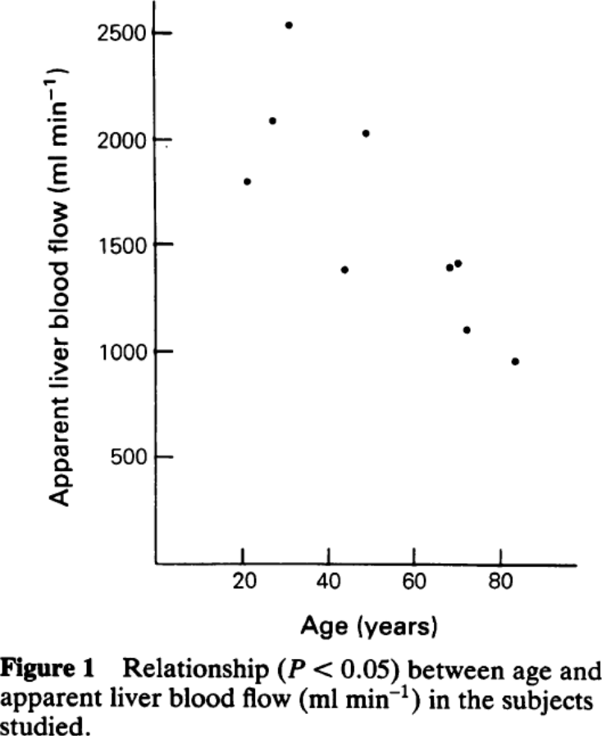
Table 1
study | Health status /diagnosis | Sex [M,F,U] | Age [years] | Apparent liver blood flow [ml/min]
study | status | sex | age | liverBloodflow
wyn1990 | healthy | U | 20.2 | 1800.0244
wyn1990 | healthy | U | 26.2 | 2086.5347
wyn1990 | healthy | U | 29.8 | 2538.783
wyn1990 | healthy | U | 47.9 | 2027.5415
wyn1990 | healthy | U | 43.1 | 1382.087
wyn1990 | healthy | U | 67.4 | 1396.7986
wyn1990 | healthy | U | 69.5 | 1420.2346
wyn1990 | healthy | U | 71.5 | 1107.7224
wyn1990 | healthy | U | 82.7 | 958.5777

